Overview
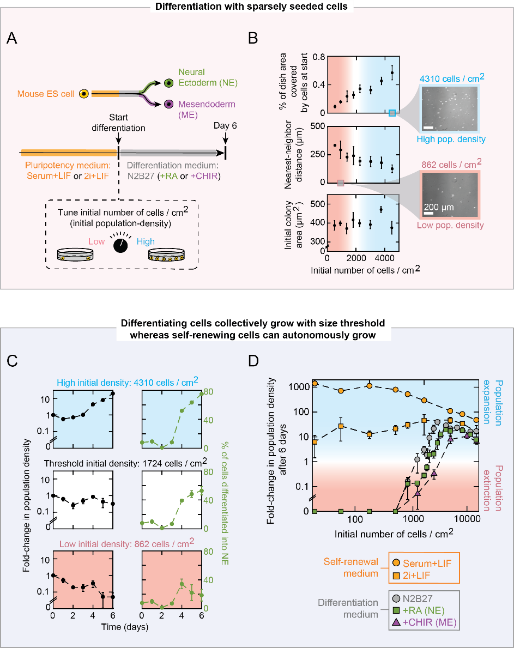
Figure 2: Differentiating embryonic stem cells survive and expand collectively with density threshold

