Overview
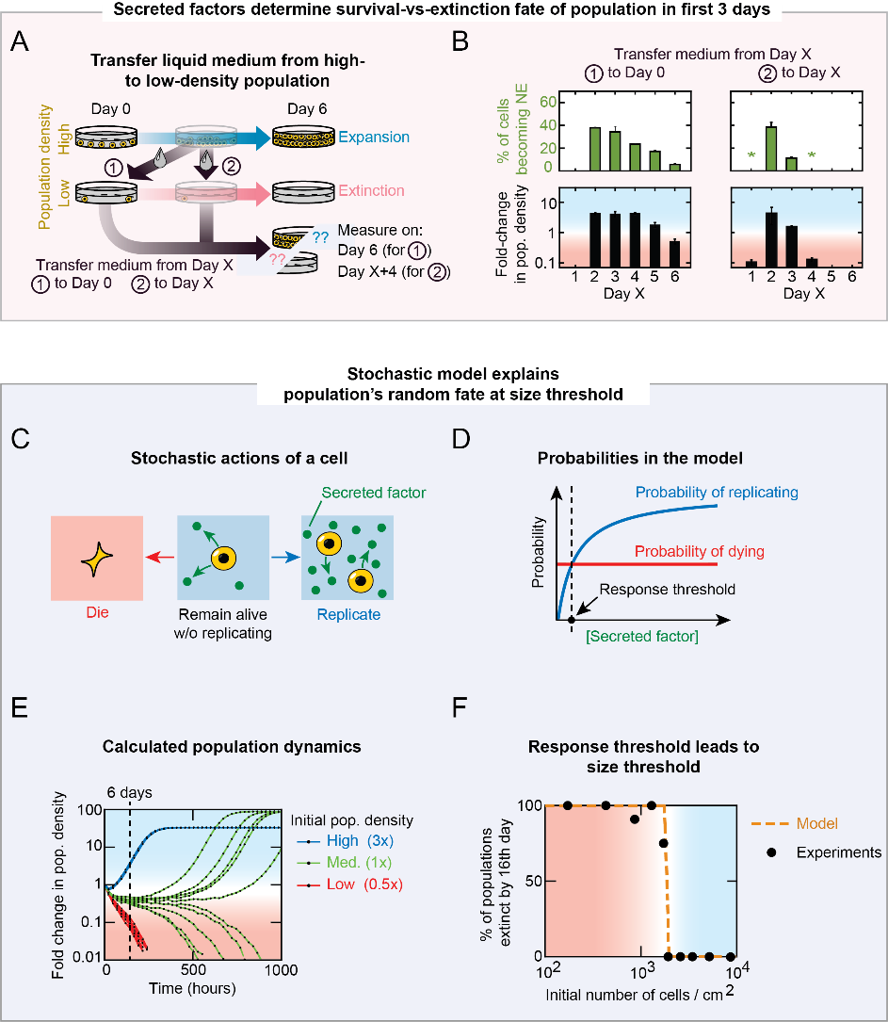
Figure 3: Stochastic model recapitulates stochastic survival-vs-extinction fates of populations at density threshold

