Overview
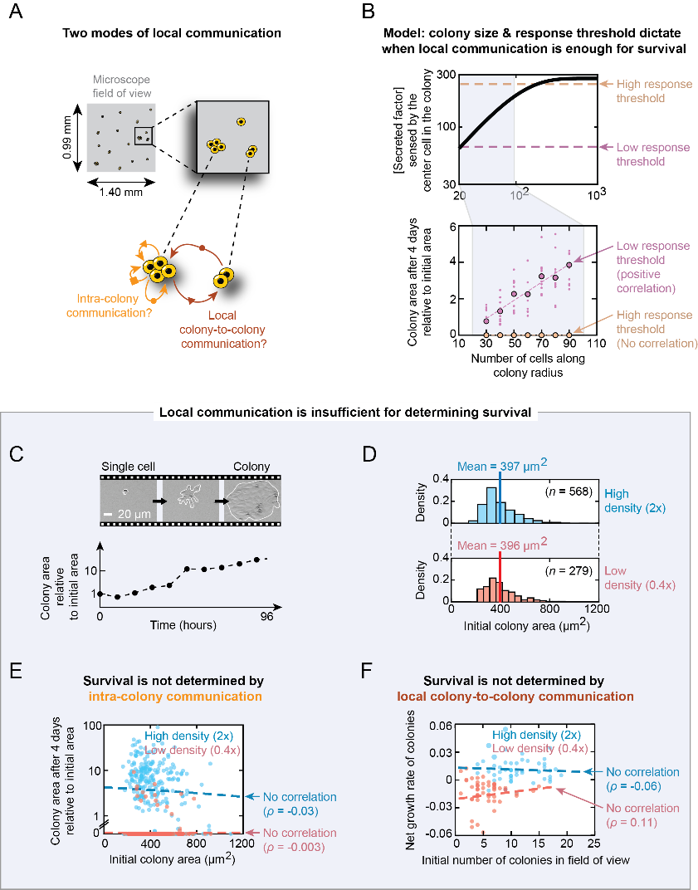
Figure 4: Modeling predicts and experiments confirm that local communication is insufficient for determining survival

