Overview
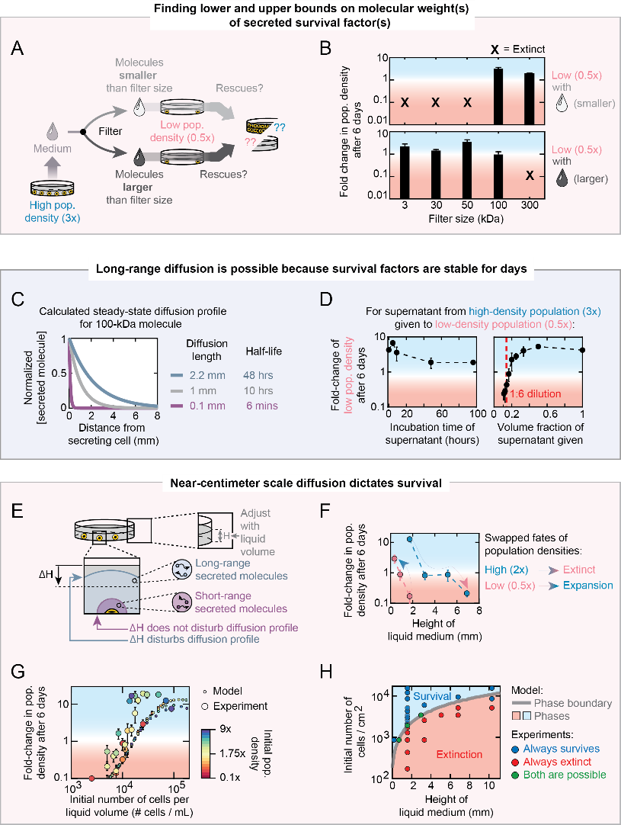
Figure 5: Days-long stability and weight of secreted molecules enable nonlocal communication for determining survival

