Overview
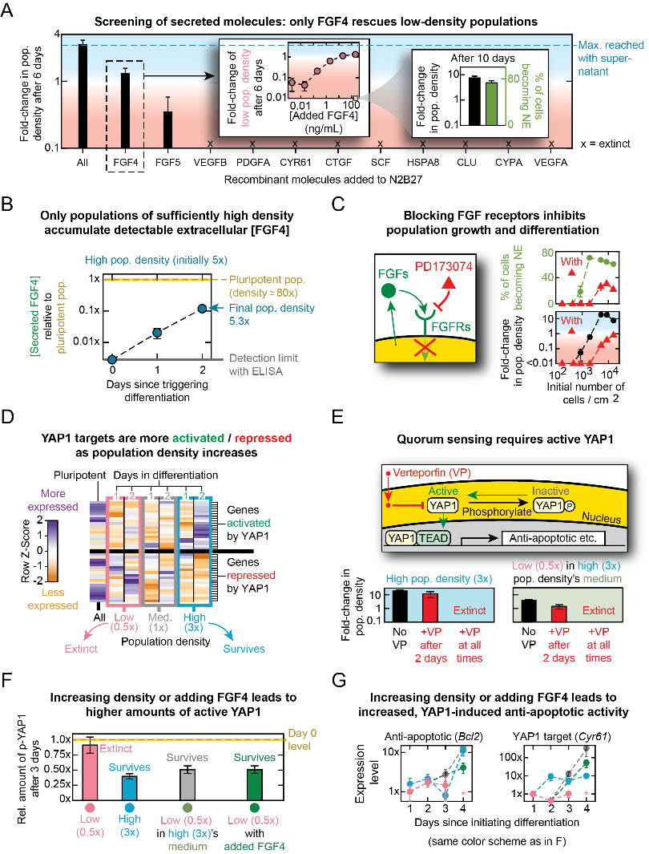
Figure 6: FGF4 mediates nonlocal communication by activating YAP1 and its anti-apoptotic targets

