Overview
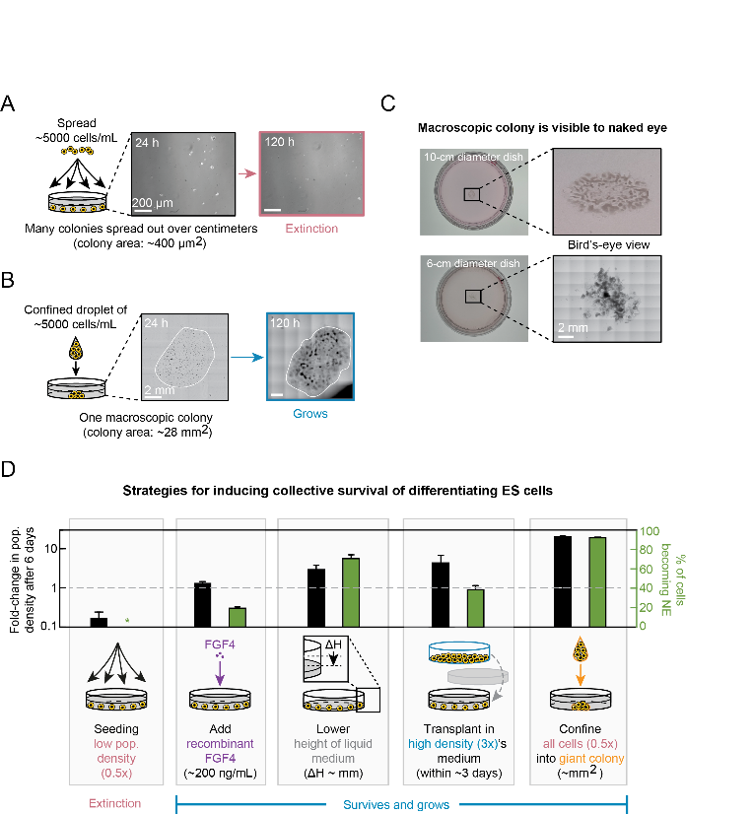
Figure 7: Quantitative experiments and modelling reveal strategies for engineering collective survival in ex vivo cell cultures

