QC
Sample | case | control | chr | pos | case | control | Quality | Value
Initial bases on target | 1249816 | 1249816 | chr1 | 11205058 | CT | CT | Average sequencing depth on target | 536
Average sequencing depth on target | 535.9 | 533.25 | chr1 | 47398743 | CG | GC | lib diversity | 89%
 |  |  | chr2 | 99779131 | TC | TC | insert | 281
Effective bases on target(Mb) | 638.75 | 635.59 | chr2 | 141751592 | AA | AA | MappingRate | 99%
Total effective bases(Mb) | 1441.8 | 1283.23 | chr2 | 204824283 | GG | GG | Q30 | 96%
Fraction of effective bases on target | 44.30% | 49.53% | chr3 | 186443018 | TT | TT | SNP | 100%
 |  |  | chr7 | 47968927 | AC | CA
Effective reads over target(M) | 6.73 | 6.84 | chr8 | 143310815 | AG | GA
Total effective reads(M) | 10.13 | 9.12 | chr9 | 125424507 | AA | AA
Fraction of effective reads over target | 66.48% | 74.96% | chr10 | 95279506 | AA | AA
 |  |  | chr10 | 120917445 | GA | GA
Uniquely mapped reads on target(M) | 6.7 | 6.81 | chr12 | 120995332 | AG | AG
Total uniquely mapped reads(M) | 9.82 | 8.86 | chr13 | 31233063 | GA | GA
Fraction of uniquely mapped reads on target | 68.24% | 76.84% | chr14 | 20665840 | GA | GA
 |  |  | chr15 | 77344793 | AT | AT
Total reads mapped to genome(M) | 11.31 | 9.81 | chr15 | 90226947 | CA | CA
Total clean reads(M) | 11.31 | 9.81 | chr16 | 20986506 | TT | TT
Fraction of reads mapped to genome( mapping rate) | 99.97% | 99.98% | chr17 | 5991344 | TT | TT
 |  |  | chr18 | 61170721 | CT | TC
Mismatch rate of effective bases on target | 0.43% | 0.35% | chr20 | 50238545 | AG | AG
Mismatch rate of all effective bases | 0.32% | 0.25% | chr20 | 52786219 | AA | AA

Duplication rate of reads on target | 11.89% | 7.50%
Duplication rate of all reads | 10.44% | 7.00%

Fraction of target covered with at least 1x | 98.91% | 98.64%
Fraction of target covered with at least 20x | 97.06% | 96.52%
Fraction of target covered with at least 50x | 94.98% | 94.40%
Fraction of target covered with at least 100x | 91.26% | 90.93%

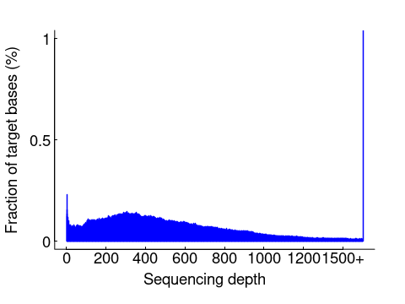
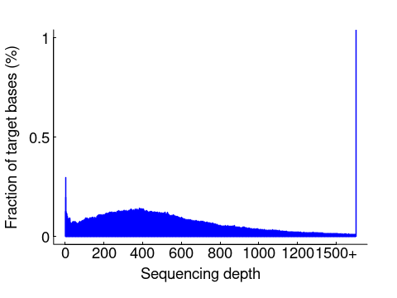
HistPlot

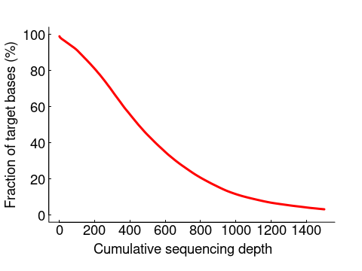
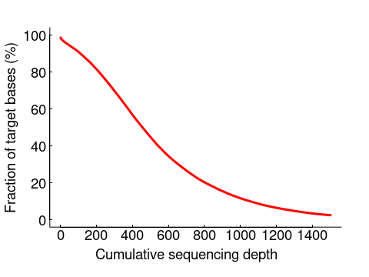
CumuPlot

Msisensor
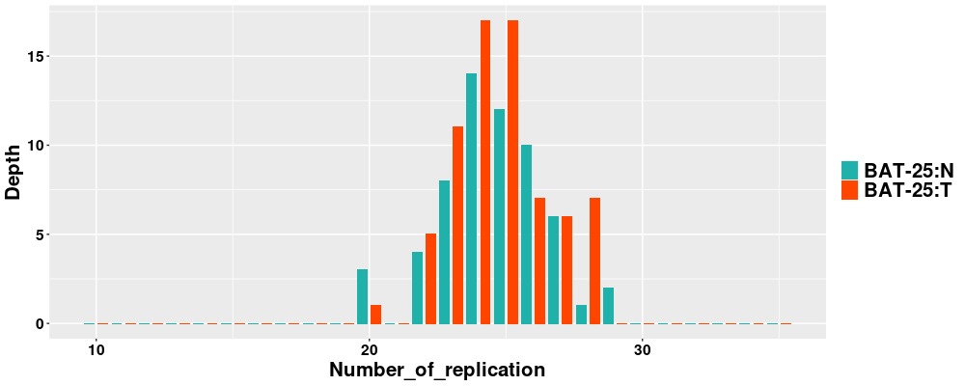
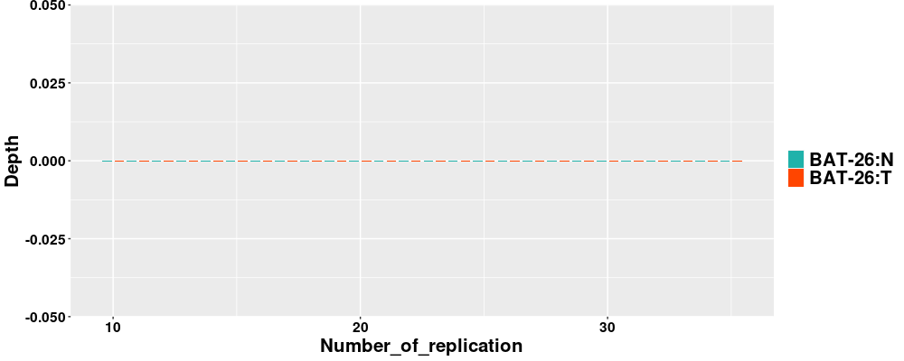
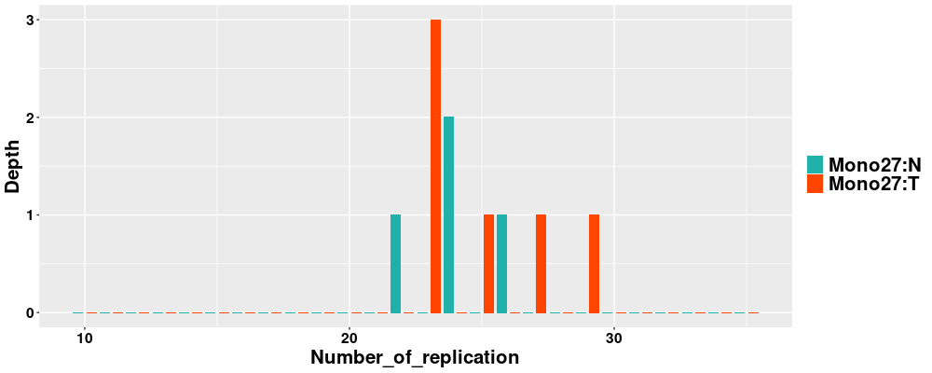
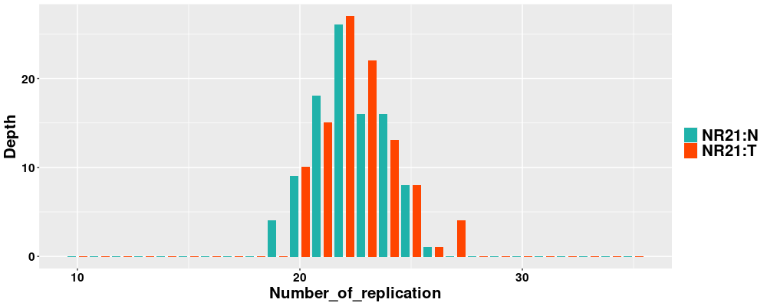
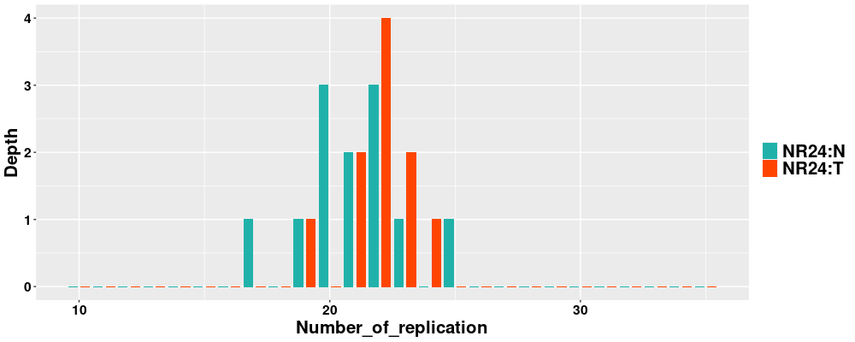
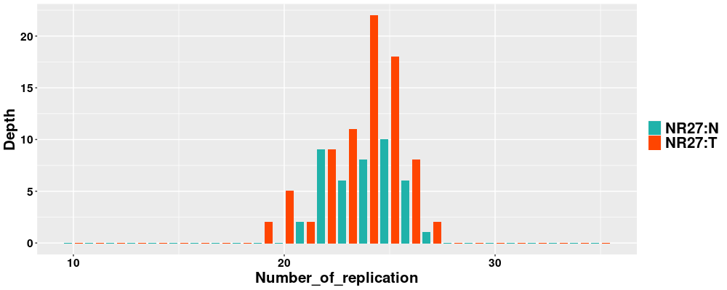
SOFT | Total_Number_of_Sites | Number_of_Somatic_Sites | %
msisensor | 34 | 0 | 0
msisensor2 | 106 | 2 | 1.89 | MSS

Chr | Pos | Pvalue | Name | Diff

Chr | Pos | Name | Sample | Depth | Loci | 10 | 11 | 12 | 13 | 14 | 15 | 16 | 17 | 18 | 19 | 20 | 21 | 22 | 23 | 24 | 25 | 26 | 27 | 28 | 29 | 30 | 31 | 32 | 33 | 34 | 35
chr2 | 39573062 | Mono27 | N: | 4 | - | 0 | 0 | 0 | 0 | 0 | 0 | 0 | 0 | 0 | 0 | 0 | 0 | 1 | 0 | 2 | 0 | 1 | 0 | 0 | 0 | 0 | 0 | 0 | 0 | 0 | 0
chr2 | 39573062 | Mono27 | T: | 6 | - | 0 | 0 | 0 | 0 | 0 | 0 | 0 | 0 | 0 | 0 | 0 | 0 | 0 | 3 | 0 | 1 | 0 | 1 | 0 | 1 | 0 | 0 | 0 | 0 | 0 | 0
chr2 | 47662650 | BAT-26 | N: | 0 | - | 0 | 0 | 0 | 0 | 0 | 0 | 0 | 0 | 0 | 0 | 0 | 0 | 0 | 0 | 0 | 0 | 0 | 0 | 0 | 0 | 0 | 0 | 0 | 0 | 0 | 0
chr2 | 47662650 | BAT-26 | T: | 0 | - | 0 | 0 | 0 | 0 | 0 | 0 | 0 | 0 | 0 | 0 | 0 | 0 | 0 | 0 | 0 | 0 | 0 | 0 | 0 | 0 | 0 | 0 | 0 | 0 | 0 | 0
chr2 | 95849361 | NR24 | N: | 12 | - | 0 | 0 | 0 | 0 | 0 | 0 | 0 | 1 | 0 | 1 | 3 | 2 | 3 | 1 | 0 | 1 | 0 | 0 | 0 | 0 | 0 | 0 | 0 | 0 | 0 | 0
chr2 | 95849361 | NR24 | T: | 10 | - | 0 | 0 | 0 | 0 | 0 | 0 | 0 | 0 | 0 | 1 | 0 | 2 | 4 | 2 | 1 | 0 | 0 | 0 | 0 | 0 | 0 | 0 | 0 | 0 | 0 | 0
chr4 | 55598211 | BAT-25 | N: | 60 | - | 0 | 0 | 0 | 0 | 0 | 0 | 0 | 0 | 0 | 0 | 3 | 0 | 4 | 8 | 14 | 12 | 10 | 6 | 1 | 2 | 0 | 0 | 0 | 0 | 0 | 0
chr4 | 55598211 | BAT-25 | T: | 71 | 24:25 | 0 | 0 | 0 | 0 | 0 | 0 | 0 | 0 | 0 | 0 | 1 | 0 | 5 | 11 | 17 | 17 | 7 | 6 | 7 | 0 | 0 | 0 | 0 | 0 | 0 | 0
chr11 | 102193508 | NR27 | N: | 42 | - | 0 | 0 | 0 | 0 | 0 | 0 | 0 | 0 | 0 | 0 | 0 | 2 | 9 | 6 | 8 | 10 | 6 | 1 | 0 | 0 | 0 | 0 | 0 | 0 | 0 | 0
chr11 | 102193508 | NR27 | T: | 79 | 24 | 0 | 0 | 0 | 0 | 0 | 0 | 0 | 0 | 0 | 2 | 5 | 2 | 9 | 11 | 22 | 18 | 8 | 2 | 0 | 0 | 0 | 0 | 0 | 0 | 0 | 0
chr14 | 23652346 | NR21 | N: | 98 | 22:24 | 0 | 0 | 0 | 0 | 0 | 0 | 0 | 0 | 0 | 4 | 9 | 18 | 26 | 16 | 16 | 8 | 1 | 0 | 0 | 0 | 0 | 0 | 0 | 0 | 0 | 0
chr14 | 23652346 | NR21 | T: | 100 | 22 | 0 | 0 | 0 | 0 | 0 | 0 | 0 | 0 | 0 | 0 | 10 | 15 | 27 | 22 | 13 | 8 | 1 | 4 | 0 | 0 | 0 | 0 | 0 | 0 | 0 | 0

YWsomatic_n | SomaticDiff_n | AllDiff_n | FinalType
0 | 0 | 1 | MSS

HLA
HLA-A | HET
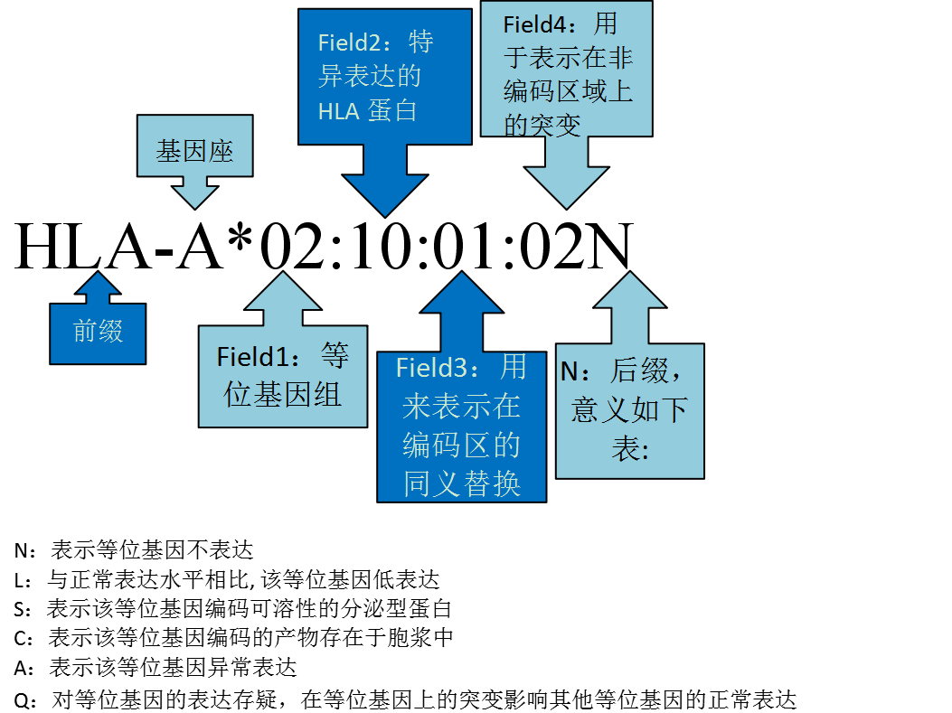
[Type 1] | 11:01:01:02 | EX3_134.011_100 | EX2_107.485_100 | EX4_180.866_100 | EX5_40.0769_100
[Type 2] | 02:06:01:01 | EX3_114.127_100 | EX2_89.1333_100 | EX4_113.504_100 | EX5_43.3846_100

HLA-B | HET

[Type 1] | 39:01:01:03 | EX3_123.917_100 | EX2_107.037_100 | EX4_175.772_100 | EX5_77.2735_100
[Type 2] | 15:02:01 | EX3_122.083_100 | EX2_101.022_100 | EX4_176.576_100 | EX5_59.2308_100

HLA-C | HET

[Type 1] | 08:01:01 | EX3_109.051_100 | EX2_103.833_100 | EX4_141.297_100 | EX5_63.0417_100
[Type 2] | 03:04:01:01 | EX3_101.736_100 | EX2_109.185_100 | EX4_140.399_100 | EX5_50.2667_100

