QC
Sample | case | control | chr | pos | case | control | Quality | Value
Initial bases on target | 1249816 | 1249816 | chr1 | 11205058 | CT | CT | Average sequencing depth on target | 908
Average sequencing depth on target | 907.96 | 294.54 | chr1 | 47398743 | GG | GG | lib diversity | 86%
 |  |  | chr2 | 99779131 | CT | CT | insert | 212
Effective bases on target(Mb) | 1082.22 | 351.07 | chr2 | 141751592 | AA | AA | MappingRate | 99%
Total effective bases(Mb) | 2428.22 | 750.72 | chr2 | 204824283 | GT | GT | Q30 | 96%
Fraction of effective bases on target | 44.57% | 46.76% | chr3 | 186443018 | CT | TC | SNP | 100%
 |  |  | chr7 | 47968927 | AA | AA
Effective reads over target(M) | 12.03 | 3.83 | chr8 | 143310815 | GA | GA
Total effective reads(M) | 17.78 | 5.45 | chr9 | 125424507 | AA | AA
Fraction of effective reads over target | 67.68% | 70.24% | chr10 | 95279506 | AA | AA
 |  |  | chr10 | 120917445 | GG | GG
Uniquely mapped reads on target(M) | 11.97 | 3.81 | chr12 | 120995332 | AA | AA
Total uniquely mapped reads(M) | 17.17 | 5.27 | chr13 | 31233063 | AG | AG
Fraction of uniquely mapped reads on target | 69.75% | 72.31% | chr14 | 20665840 | AG | AG
 |  |  | chr15 | 77344793 | AA | AA
Total reads mapped to genome(M) | 20.55 | 5.57 | chr15 | 90226947 | CC | CC
Total clean reads(M) | 20.58 | 5.57 | chr16 | 20986506 | CC | CC
Fraction of reads mapped to genome( mapping rate) | 99.84% | 99.98% | chr17 | 5991344 | TT | TT
 |  |  | chr18 | 61170721 | CC | CC
Mismatch rate of effective bases on target | 0.46% | 0.49% | chr20 | 50238545 | AA | AA
Mismatch rate of all effective bases | 0.35% | 0.37% | chr20 | 52786219 | AG | GA

Duplication rate of reads on target | 15.82% | 2.34%
Duplication rate of all reads | 13.49% | 2.09%

Fraction of target covered with at least 1x | 98.79% | 98.45%
Fraction of target covered with at least 20x | 97.29% | 95.49%
Fraction of target covered with at least 50x | 96.05% | 92.26%
Fraction of target covered with at least 100x | 94.41% | 85.88%

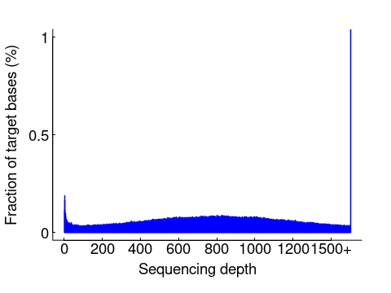
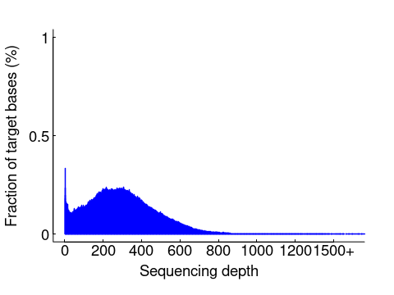
HistPlot

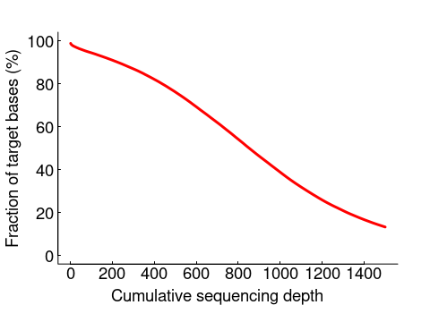
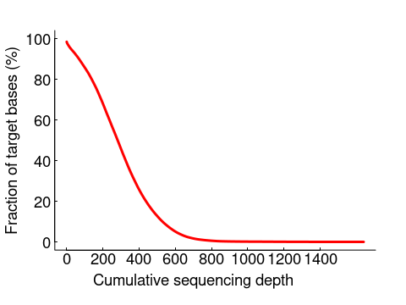
CumuPlot

HLA
HLA-A | HET
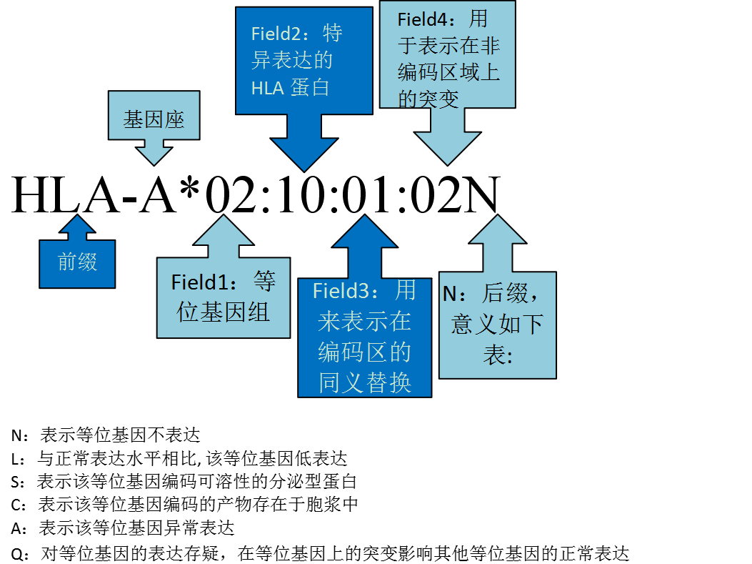
[Type 1] | 24:02:01:03 | EX3_132.091_100 | EX2_73.8222_100 | EX4_136.301_100 | EX5_40.5385_100
[Type 2] | 24:02:83 | EX3_132.091_100 | EX2_73.8222_100 | EX4_69.5797_100 | EX5_40.5385_100

HLA-B | HET

[Type 1] | 40:02:01 | EX3_73.9855_100 | EX2_52.6852_100 | EX4_122.906_100 | EX5_39.6496_100
[Type 2] | 35:01:01:01 | EX3_58.0797_100 | EX2_40.663_100 | EX4_122.634_100 | EX5_38_100

HLA-C | HET

[Type 1] | 03:04:01:01 | EX3_59.7464_100 | EX2_72.7185_100 | EX4_106.478_100 | EX5_55.6_100
[Type 2] | 08:01:01 | EX3_68.1594_100 | EX2_54.6148_100 | EX4_105.587_100 | EX5_30.6833_100

