Method1
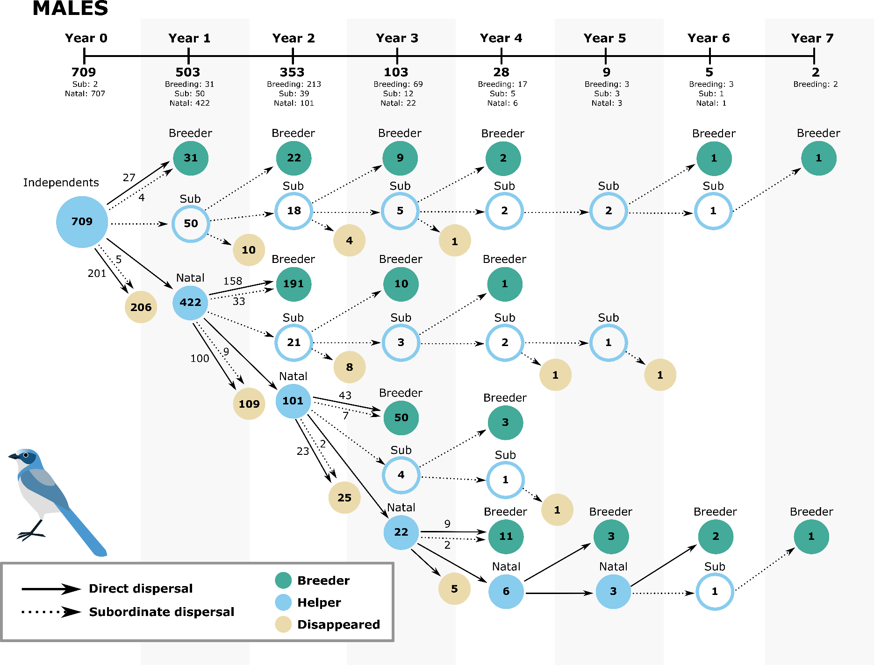
sex | strategy | year | type | year_1 | year_2 | pn
M | direct | year0to1 | survival | 709 | 422 | 0.5952045134
M | direct | year1to2 | survival | 422 | 292 | 0.69194312796
M | direct | year2to3 | survival | 101 | 72 | 0.71287128713
M | direct | year3to4 | survival | 22 | 17 | 0.77272727273
M | direct | year4to5 | survival | 6 | 6 | 1
M | direct | year5to6 | survival | 3 | 2 | 0.66666666667
M | subordinate | year0to1 | survival | 709 | 50 | 0.070521861777
M | subordinate | year1to2 | survival | 50 | 40 | 0.8
M | subordinate | year2to3 | survival | 39 | 27 | 0.69230769231
M | subordinate | year3to4 | survival | 12 | 11 | 0.91666666667
M | subordinate | year4to5 | survival | 5 | 3 | 0.6
M | subordinate | year5to6 | survival | 3 | 2 | 0.66666666667
M | subordinate | year6to7 | survival | 2 | 2 | 1
F | direct | year0to1 | survival | 692 | 410 | 0.59248554913
F | direct | year1to2 | survival | 410 | 198 | 0.48292682927
F | direct | year2to3 | survival | 98 | 62 | 0.63265306122
F | direct | year3to4 | survival | 14 | 9 | 0.64285714286
F | direct | year4to5 | survival | 2 | 0 | 0
F | subordinate | year0to1 | survival | 692 | 50 | 0.07225433526
F | subordinate | year1to2 | survival | 50 | 28 | 0.56
F | subordinate | year2to3 | survival | 29 | 18 | 0.62068965517
F | subordinate | year3to4 | survival | 6 | 2 | 0.33333333333
F | subordinate | year4to5 | survival | 3 | 2 | 0.66666666667
F | subordinate | year5to6 | survival | 1 | 0 | 0
M | direct | year0to1 | breeding | 709 | 31 | 0.043723554302
M | direct | year1to2 | breeding | 422 | 191 | 0.45260663507
M | direct | year2to3 | breeding | 101 | 50 | 0.49504950495
M | direct | year3to4 | breeding | 22 | 11 | 0.5
M | direct | year4to5 | breeding | 6 | 3 | 0.5
M | direct | year5to6 | breeding | 3 | 2 | 0.66666666667
M | subordinate | year0to1 | breeding | 709 | NA | #VALUE!
M | subordinate | year1to2 | breeding | 50 | 22 | 0.44
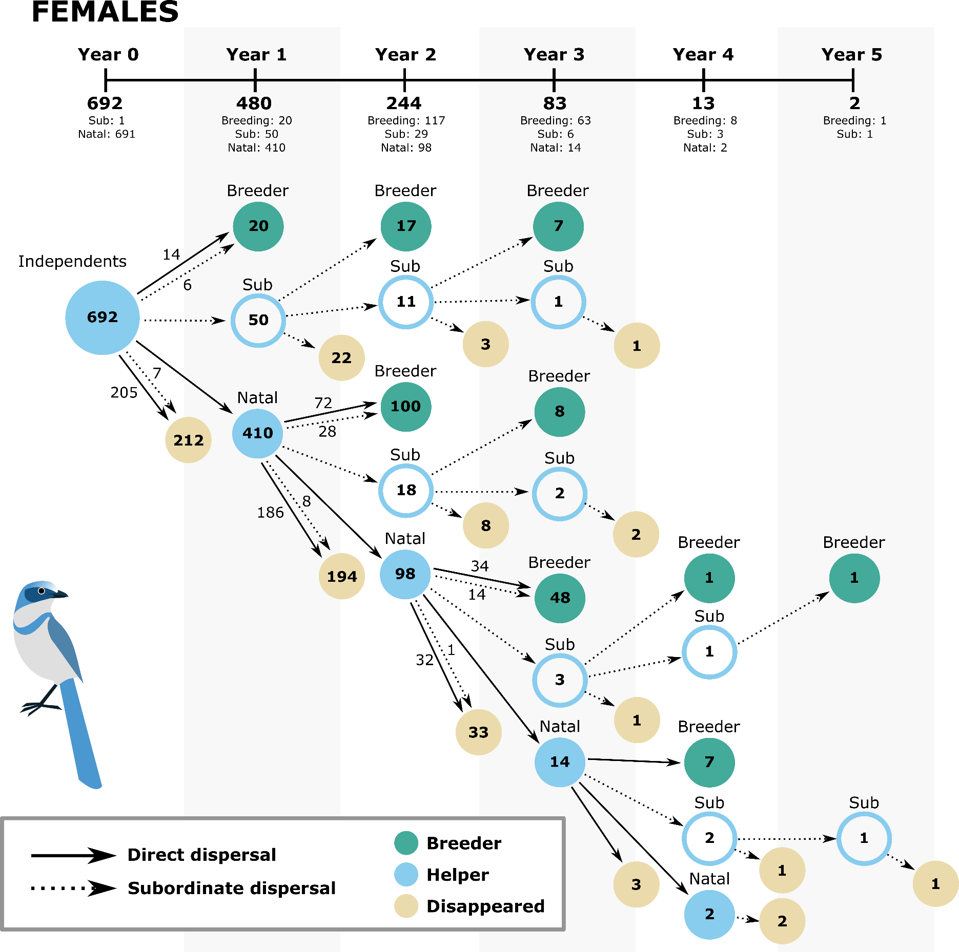
M | subordinate | year2to3 | breeding | 39 | 19 | 0.48717948718
M | subordinate | year3to4 | breeding | 12 | 6 | 0.5
M | subordinate | year4to5 | breeding | 5 | 0 | 0
M | subordinate | year5to6 | breeding | 3 | 1 | 0.33333333333
M | subordinate | year6to7 | breeding | 2 | 2 | 1
F | direct | year0to1 | breeding | 692 | 20 | 0.028901734104
F | direct | year1to2 | breeding | 410 | 100 | 0.24390243902
F | direct | year2to3 | breeding | 98 | 48 | 0.48979591837
F | direct | year3to4 | breeding | 14 | 7 | 0.5
F | direct | year4to5 | breeding | 2 | 0 | 0
F | subordinate | year0to1 | breeding | 692 | NA | #VALUE!
F | subordinate | year1to2 | breeding | 50 | 17 | 0.34
F | subordinate | year2to3 | breeding | 29 | 15 | 0.51724137931
F | subordinate | year3to4 | breeding | 6 | 1 | 0.16666666667
F | subordinate | year4to5 | breeding | 3 | 1 | 0.33333333333
F | subordinate | year5to6 | breeding | 1 | 0 | 0

