Sheet1
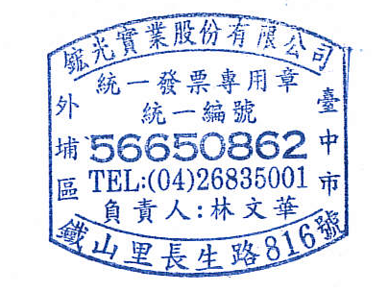
COMMERCIAL INVOICE
Invoice date: |  | 2015-10-01 | Invoice no: |  | 299493 | 15100101
FROM(Seller)： |  |  | VP COMPONENTS CO., LTD
鋐光實業股份有限公司 |  |  | 鋐光實業股份有限公司
 |  |  | TEL：886-4-26835001 |  | Tax ID | 56650862
 |  |  | FAX：886-4-26835838
TO： |  |  | Transport Details： |  | Export sales
Desipro Pte. Ltd. |  |  | Terms of payment： |  | 75 days end of month
 |  |  | Shipping date： |  | 2015-10-01
 | Order number | Description of goods | item code | Quantity | Unit Price | Amounts
 |  |  |  | PCS | TWD | TWD
1 | ${detail.orderNum} | ${detail.productName} | ${detail.cusProductNum} | ${detail.qty} | ${detail.unitPrice} | #VALUE!
2
3
4
5
6
7
8
9
10
11
12
13
14
15
 |  |  |  |  | TOTAL | #VALUE!

