Screen Layout
Document No |  | dev-app-XXXXXX-001 | System Name | ITOP |  | Version | 第 | 1.2 |  | 版 | Created Date | 2022-12-26
Document Name |  | Spec | Feature | Screen Layout |  | PIC | 佐藤 |  |  |  | Updated Date | 2023-02-02
Link
ID | Layout

SR1 | Login
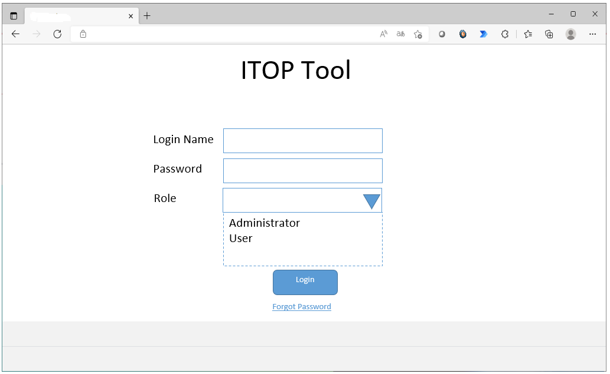
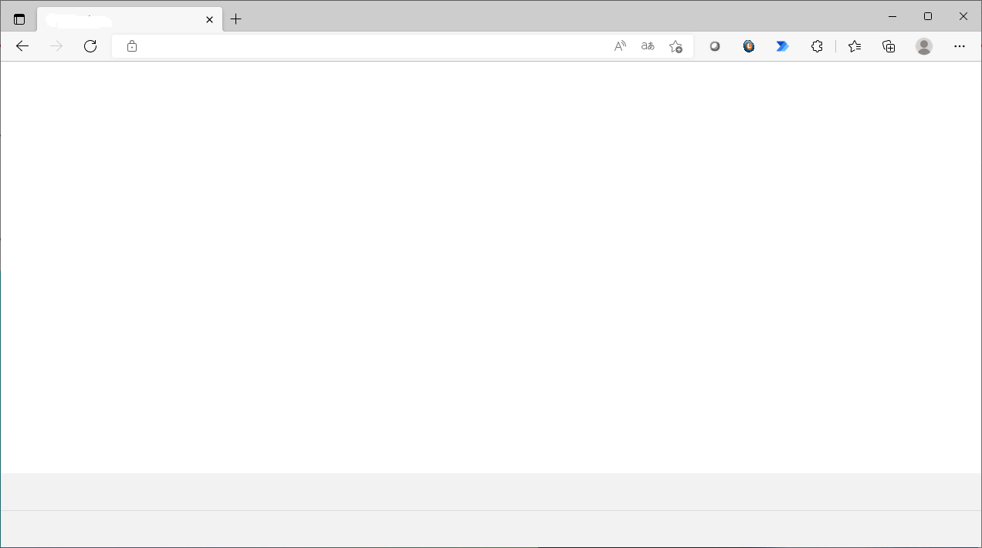
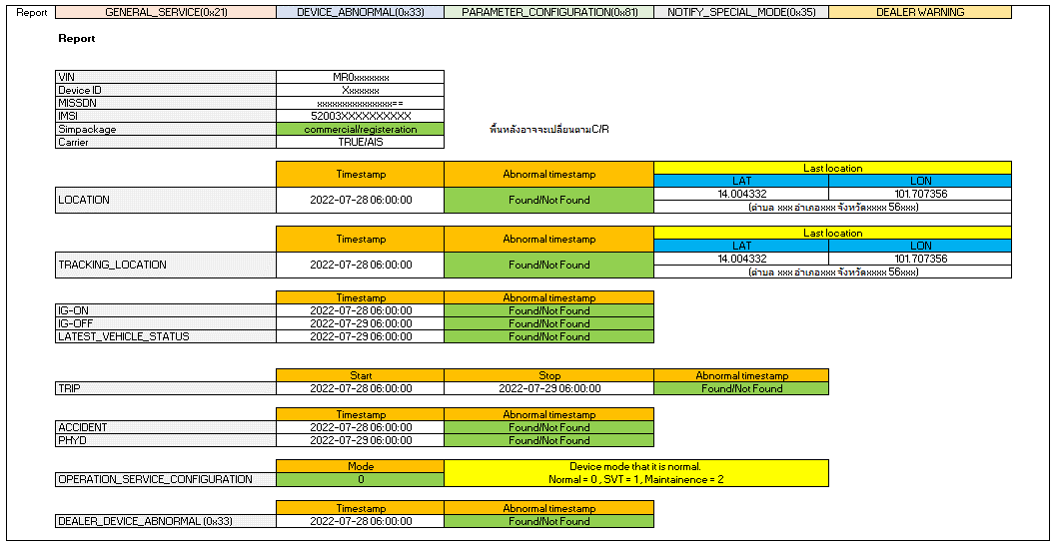
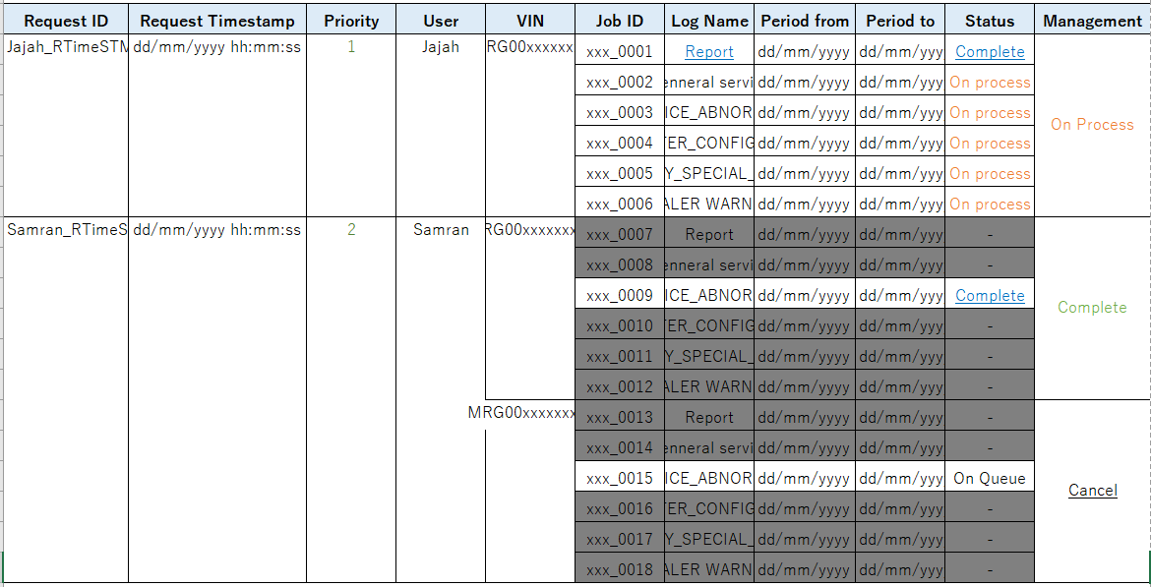
Send
Email recovery :
ITOP Tool
test@example.com
ITOP Tool
New password :
Confirm new password :
*****************
*****************
Update
Total LDCM Vehicle as of xx xxx xxxx: 2xx,xxx vehicles
Total CAL Lost Communication as of dd/mm/yyyy : 1,xxx vehicles
ITOP Tool
Login: xxxxx
Login Time:
Main menu
Search
Reporting
Raw log
Queue
Log out
Search
Reporting
Queue
RAW Log
Login: xxxxx
Login Time:
Main menu
Search
Reporting
Raw log
Queue
Log out
Login: xxxxx
Login Time:
Main menu
Search
Reporting
Raw log
Queue
Log out
Snap Report
-Select-
Input VIN
Search
-Select-
Input VIN1, VIN2, VIN3, ...
Gen Log
Report
GENERAL_SERVICE
⁄
DEVICE_ABNORMAL
⁄
PARAMETER_CONFIGURATION
NOTIFY_SPECIAL_MODE
DEALER WARNING
Gen Log Data
Login: xxxxx
Login Time:
Main menu
Search
Reporting
Raw log
Queue
Log out
Search
fields @timestamp, @message
| sort @timestamp desc
-Select Log Group
Gen Log Data
>
>
>
>
>
Search the report
Status
-select-
User
user
Request date
Vin Number
vin
Search
Total LDCM Vehicle as of xx xxx xxxx: 2xx,xxx vehicles
Total CAL Lost Communication as of dd/mm/yyyy : 1,xxx vehicles
Total LDCM Vehicle as of dd/mm/yyyy : 2xx,xxx vehicles
ITOP Tool
ITOP Tool
ITOP Tool
ITOP Tool
I
T
O
P
T
o
o
l

SR2 | Forgot Password

SR3 | Change password

SR4 | Main menu

 |  |  |  |  |  |  |  |  |  |  |  |  | 0.8
 |  |  |  |  |  |  |  |  |  |  |  |  | 0.8
 |  |  |  |  | dd/mm/yyyy : Current Date |  |  |  |  |  |  |  | 0.8

SR5 | Retrieve Snap Short (Single Search by VIN/DeviceID/IMSI/IMEI)

SR6 | Generate Report

SR7 | Generate Custom Report

SR8 | Report Monitoring

TMT want to add COLUMN of DeviceId, IMSI, IMEI after VIN
 |  |  |  |  |  |  |  |  |  |  |  |  | 1.0

 |  |  |  |  |  |  | s3/public
 |  |  |  |  |  |  |  | requestid (folder)
 |  |  |  |  |  |  |  |  | vin1
 |  |  |  |  |  |  |  |  | vin2
 |  |  |  |  |  |  |  |  | custom

FLowchart
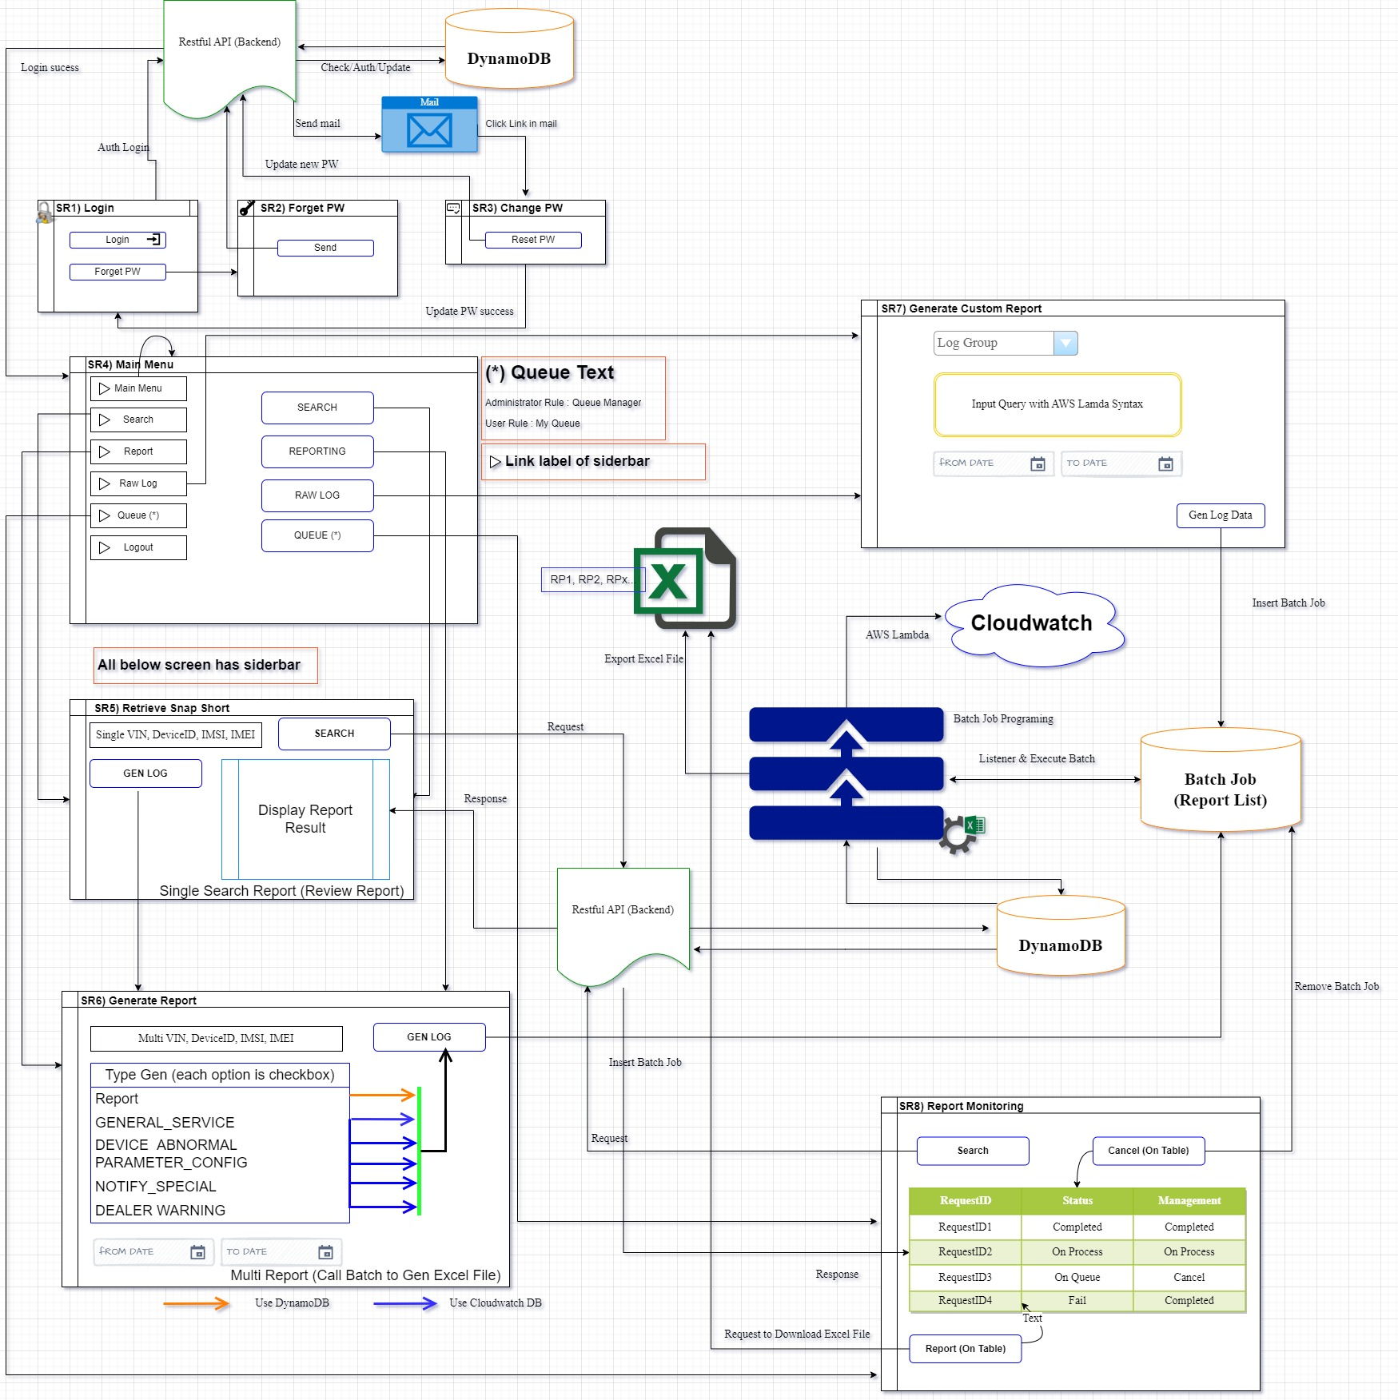
Link

SR6-Generate Report
Document No |  |  |  |  |  |  |  |  |  | dev-app-XXXXXX-001 |  |  |  |  | System Name |  |  | ITOP |  |  | Version | 第 | 1.2 | 版 | Created Date | 2022-12-26
Document Name |  |  |  |  |  |  |  |  |  | SR6 |  |  |  |  | Feature |  |  | Generate Report |  |  | PIC | 佐藤 |  |  | Updated Date | 2023-02-02
Link
 | Feature detail

 |  | Init page

 |  |  | （１） |  | Fill parameter received from SR5 to items of this screen.
 |  |  |  |  | No. 1 = parameter.Select Type Search
 |  |  |  |  | No. 2 = parameter.Value Search
 |  |  | （２） |  | Sider bar expended

 |  | ＜Click [Gen Log Data] button＞

 |  |  | （１） |  | Check input |  |  |  | 「Only Check For (Report = CHECKED)」 |  |  |  |  |  |  |  |  |  |  |  |  |  |  |  |  |  | 0.5
 |  |  |  | Not Input : Throw message ERR_COM_NOT_INPUT with parameter = item name.
 |  |  |  | Split value of [Value Search] item by comma [,]
 |  |  |  |  | Keyword Not Allow : Throw message ERR_KW_NOT_ALLOW with parameter = item name.
 |  |  |  | If Check Report Type = Checked , check range date. If invalid, show ERR_COM_RDATE_INVALID with parameter = item name of Report Type
 |  |  |  | ※Reference [Message List.xlsx」
 |  |  | （２） |  | Register batch job to export excel report
 |  |  |  |  | 1) |  | Lock screen (show modal to lock screen)
 |  |  |  |  | 2) |  | Call API No. 9 to regist batch job (report list) |  |  |  |  | Register batch job |  |  |  |  |  |  |  |  |  |  |  |  |  |  | 0.5

 |  |  |  |  |  |  | CloudwatchMap table |  |  |  |  |  |  |  |  |  |  |  |  |  |  |  |  |  |  |  | 0.5 | 0.7
 |  |  |  |  |  |  | No | Log Group Name |  |  |  |  |  | URI |  |  |  |  |  | Query |  |  |  |  |  |  | 0.5 | 0.7
 |  |  |  |  |  |  | 1 | GENERAL_SERVICE |  |  |  |  |  | /aws/lambda/com-PRECNV_GENERAL_SERVICE |  |  |  |  |  | fields @timestamp, @message | sort @timestamp desc | limit 10000 | filter @message like /MRxxxxxxxxxxxxxxx/ and @message like 'Common header":{' |  |  |  |  |  |  | 0.5 | 0.7
 |  |  |  |  |  |  | 2 | DEVICE_ABNORMAL |  |  |  |  |  | /aws/lambda/com-DEALER_DEVICE_ABNORMAL |  |  |  |  |  | fields @timestamp, @message | sort @timestamp desc | limit 10000 | filter @message like /MRxxxxxxxxxxxxxxx/ and @message like 'Common header' |  |  |  |  |  |  | 0.5 | 0.7
 |  |  |  |  |  |  | 3 | PARAMETER_CONFIGURATION |  |  |  |  |  | /aws/lambda/com-PRECNV_PARAMETER_CONFIGRATION |  |  |  |  |  | fields @timestamp, @message | sort @timestamp desc | limit 10000 | filter @message like /MRxxxxxxxxxxxxxxx/ and @message like /Device response data.|Failed/ |  |  |  |  |  |  | 0.5 | 0.7
 |  |  |  |  |  |  | 4 | NOTIFY_SPECIAL_MODE |  |  |  |  |  | /aws/lambda/com-PRECNV_NOTIFY_SPECIAL_MODE |  |  |  |  |  | fields @timestamp, @message | sort @timestamp desc | limit 10000 | filter @message like /MRxxxxxxxxxxxxxxx/ and @message like 'Notify DCM Mode change.' |  |  |  |  |  |  | 0.5 | 0.7
 |  |  |  |  |  |  | 5 | DEALER WARNING |  |  |  |  |  | QA |  |  |  |  |  |  |  |  |  |  |  |  | 0.5 | 0.7

 |  |  |  |  |  | Set request common. |  |  |  |  |  |  |  |  |  |  |  |  |  |  |  |  |  |  |  |  | 0.2
 |  |  |  |  |  |  |  |  |  | Parameter Name | Type |  |  |  | Explain |  |  |  | Notes
 |  |  |  |  |  |  |  |  |  | username | LoginUser.username |  |  |  |  |  |  |  |  |  |  |  |  |  |  |  | 0.2 | 0.7
 |  |  |  |  |  |  |  |  |  | requestTimestamp | Current Timestamp |  |  |  |  |  |  |  |  |  |  |  |  |  |  |  | 0.2 | 0.7
 |  |  |  |  |  |  |  |  |  | USERNAME | LoginUser.username |  |  |  |  |  |  |  |  |  |  |  |  |  |  |  | 0.2 | 0.7
 |  |  |  |  |  |  |  |  |  | REQUEST_TIMESTAMP | Current Timestamp |  |  |  |  |  |  |  |  |  |  |  |  |  |  |  | 0.2 | 0.7

 |  |  |  |  |  | Split [Value Search] to Value Array. |  |  |  |  |  |  |  |  |  |  |  |  |  |  |  |  |  |  |  |  | 0.5
 |  |  |  |  |  | Loop Array ↓ |  |  |  |  |  |  |  |  |  |  |  |  |  |  |  |  |  |  |  |  | 0.5
 |  |  |  |  |  |  |  | Result_9 = Call API No.9 to get VIN | Result_9 = Call API No.9 to get VIN |  |  |  |  |  |  |  |  |  |  |  |  |  |  |  |  |  | 0.5
 |  |  |  |  |  |  |  |  |  |  |  |  |  |  |  |  |  |  |  |  |  |  |  |  |  |  | 0.5
 |  |  |  |  |  |  | Case Report = Checked :
 |  |  |  |  |  |  |  |  |  | Parameter Name |  |  |  |  | Explain |  |  |  | Notes |  |  |  |  |  |  |  | 0.7
 |  |  |  |  |  |  |  |  |  | VIN | Result_9.VIN |  |  |  |  |  |  |  |  |  |  |  |  |  |  |  | 0.7
 |  |  |  |  |  |  |  |  |  | DeviceID | Result_9.DeviceID |  |  |  |  |  |  |  |  |  |  |  |  |  |  |  | 1.0
 |  |  |  |  |  |  |  |  |  | IMSI | Result_9.IMSI |  |  |  |  |  |  |  |  |  |  |  |  |  |  |  | 1.0
 |  |  |  |  |  |  |  |  |  | IMEI | Result_9.IMEI |  |  |  |  |  |  |  |  |  |  |  |  |  |  |  | 1.0
 |  |  |  |  |  |  |  |  |  | TYPE_REPORT | 1 |  |  |  |  |  |  |  |  |  |  |  |  |  |  |  | 1.1
 |  |  |  |  |  |  |  |  |  | URI | " " |  |  |  |  |  |  |  |  |  |  |  |  |  |  |  | 1.1
 |  |  |  |  |  |  |  |  |  | LOG_NAME | "Report" |  |  |  |  |  |  |  |  |  |  |  |  |  |  |  | 0.7
 |  |  |  |  |  |  |  |  |  | PERIOD_FROM | NULL |  |  |  |  |  |  |  |  |  |  |  |  |  |  |  | 0.7
 |  |  |  |  |  |  |  |  |  | PERIOD_TO | NULL |  |  |  |  |  |  |  |  |  |  |  |  |  |  |  | 0.7
` |  |  |  |  |  |  | Case GENERAL_SERVICE = Checked : |  |  |  |  |  |  |  |  |  |  |  |  |  |  |  |  |  |  |  | 0.7
 |  |  |  |  |  |  |  |  |  | Parameter Name |  |  |  |  | Explain |  |  |  | Notes |  |  |  |  |  |  |  | 0.7
 |  |  |  |  |  |  |  |  |  | VIN | Result_9.VIN |  |  |  |  |  |  |  |  |  |  |  |  |  |  |  | 0.7
 |  |  |  |  |  |  |  |  |  | DeviceID | Result_9.DeviceID |  |  |  |  |  |  |  |  |  |  |  |  |  |  |  | 1.0
 |  |  |  |  |  |  |  |  |  | IMSI | Result_9.IMSI |  |  |  |  |  |  |  |  |  |  |  |  |  |  |  | 1.0
 |  |  |  |  |  |  |  |  |  | IMEI | Result_9.IMEI |  |  |  |  |  |  |  |  |  |  |  |  |  |  |  | 1.0
 |  |  |  |  |  |  |  |  |  | TYPE_REPORT | 2 |  |  |  |  |  |  |  |  |  |  |  |  |  |  |  | 1.1
 |  |  |  |  |  |  |  |  |  | URI | MASTER_CODE.ITEM_CODE |  |  |  |  |  |  |  | MASTER_CODE = 'LOG_GROUP' |  |  |  |  |  |  |  | 1.1
 |  |  |  |  |  |  |  |  |  | LOG_NAME | "GENERAL_SERVICE" MASTER_CODE.ITEM_NAME |  |  |  |  |  |  |  |  |  |  |  |  |  |  |  | 0.7 | 1.1
 |  |  |  |  |  |  |  |  |  | PERIOD_FROM | From Date corresponding with this checkbox |  |  |  |  |  |  |  |  |  |  |  |  |  |  |  | 0.7
 |  |  |  |  |  |  |  |  |  | PERIOD_TO | To Date corresponding with this checkbox |  |  |  |  |  |  |  |  |  |  |  |  |  |  |  | 0.7
 |  |  |  |  |  |  | Case DEVICE_ABNORMAL= Checked : |  |  |  |  |  |  |  |  |  |  |  |  |  |  |  |  |  |  |  | 0.7
 |  |  |  |  |  |  |  |  |  | Parameter Name |  |  |  |  | Explain |  |  |  | Notes |  |  |  |  |  |  |  | 0.7
 |  |  |  |  |  |  |  |  |  | VIN | Result_9.VIN |  |  |  |  |  |  |  |  |  |  |  |  |  |  |  | 0.7
 |  |  |  |  |  |  |  |  |  | DeviceID | Result_9.DeviceID |  |  |  |  |  |  |  |  |  |  |  |  |  |  |  | 1.0
 |  |  |  |  |  |  |  |  |  | IMSI | Result_9.IMSI |  |  |  |  |  |  |  |  |  |  |  |  |  |  |  | 1.0
 |  |  |  |  |  |  |  |  |  | IMEI | Result_9.IMEI |  |  |  |  |  |  |  |  |  |  |  |  |  |  |  | 1.0
 |  |  |  |  |  |  |  |  |  | TYPE_REPORT | 3 |  |  |  |  |  |  |  |  |  |  |  |  |  |  |  | 1.1
 |  |  |  |  |  |  |  |  |  | URI | MASTER_CODE.ITEM_CODE |  |  |  |  |  |  |  | MASTER_CODE = 'LOG_GROUP' |  |  |  |  |  |  |  | 1.1
 |  |  |  |  |  |  |  |  |  | LOG_NAME | "DEVICE_ABNORMAL" MASTER_CODE.ITEM_NAME |  |  |  |  |  |  |  |  |  |  |  |  |  |  |  | 0.7 | 1.1
 |  |  |  |  |  |  |  |  |  | PERIOD_FROM | From Date corresponding with this checkbox |  |  |  |  |  |  |  |  |  |  |  |  |  |  |  | 0.7
 |  |  |  |  |  |  |  |  |  | PERIOD_TO | To Date corresponding with this checkbox |  |  |  |  |  |  |  |  |  |  |  |  |  |  |  | 0.7
 |  |  |  |  |  |  | Case PARAMETER_CONFIGURATION = Checked : |  |  |  |  |  |  |  |  |  |  |  |  |  |  |  |  |  |  |  | 0.7
 |  |  |  |  |  |  |  |  |  | Parameter Name |  |  |  |  | Explain |  |  |  | Notes |  |  |  |  |  |  |  | 0.7
 |  |  |  |  |  |  |  |  |  | VIN | Result_9.VIN |  |  |  |  |  |  |  |  |  |  |  |  |  |  |  | 0.7
 |  |  |  |  |  |  |  |  |  | DeviceID | Result_9.DeviceID |  |  |  |  |  |  |  |  |  |  |  |  |  |  |  | 1.0
 |  |  |  |  |  |  |  |  |  | IMSI | Result_9.IMSI |  |  |  |  |  |  |  |  |  |  |  |  |  |  |  | 1.0
 |  |  |  |  |  |  |  |  |  | IMEI | Result_9.IMEI |  |  |  |  |  |  |  |  |  |  |  |  |  |  |  | 1.0
 |  |  |  |  |  |  |  |  |  | TYPE_REPORT | 4 |  |  |  |  |  |  |  |  |  |  |  |  |  |  |  | 1.1
 |  |  |  |  |  |  |  |  |  | URI | MASTER_CODE.ITEM_CODE |  |  |  |  |  |  |  | MASTER_CODE = 'LOG_GROUP' |  |  |  |  |  |  |  | 1.1
 |  |  |  |  |  |  |  |  |  | LOG_NAME | "PARAMETER_CONFIGURATION" MASTER_CODE.ITEM_NAME |  |  |  |  |  |  |  |  |  |  |  |  |  |  |  | 0.7 | 1.1
 |  |  |  |  |  |  |  |  |  | PERIOD_FROM | From Date corresponding with this checkbox |  |  |  |  |  |  |  |  |  |  |  |  |  |  |  | 0.7
 |  |  |  |  |  |  |  |  |  | PERIOD_TO | To Date corresponding with this checkbox |  |  |  |  |  |  |  |  |  |  |  |  |  |  |  | 0.7
 |  |  |  |  |  |  | Case NOTIFY_SPECIAL_MODE = Checked : |  |  |  |  |  |  |  |  |  |  |  |  |  |  |  |  |  |  |  | 0.7
 |  |  |  |  |  |  |  |  |  | Parameter Name |  |  |  |  | Explain |  |  |  | Notes |  |  |  |  |  |  |  | 0.7
 |  |  |  |  |  |  |  |  |  | VIN | Result_9.VIN |  |  |  |  |  |  |  |  |  |  |  |  |  |  |  | 0.7
 |  |  |  |  |  |  |  |  |  | DeviceID | Result_9.DeviceID |  |  |  |  |  |  |  |  |  |  |  |  |  |  |  | 1.0
 |  |  |  |  |  |  |  |  |  | IMSI | Result_9.IMSI |  |  |  |  |  |  |  |  |  |  |  |  |  |  |  | 1.0
 |  |  |  |  |  |  |  |  |  | IMEI | Result_9.IMEI |  |  |  |  |  |  |  |  |  |  |  |  |  |  |  | 1.0
 |  |  |  |  |  |  |  |  |  | TYPE_REPORT | 5 |  |  |  |  |  |  |  |  |  |  |  |  |  |  |  | 1.1
 |  |  |  |  |  |  |  |  |  | URI | MASTER_CODE.ITEM_CODE |  |  |  |  |  |  |  | MASTER_CODE = 'LOG_GROUP' |  |  |  |  |  |  |  | 1.1
 |  |  |  |  |  |  |  |  |  | LOG_NAME | "NOTIFY_SPECIAL_MODE" MASTER_CODE.ITEM_NAME |  |  |  |  |  |  |  |  |  |  |  |  |  |  |  | 0.7 | 1.1
 |  |  |  |  |  |  |  |  |  | PERIOD_FROM | From Date corresponding with this checkbox |  |  |  |  |  |  |  |  |  |  |  |  |  |  |  | 0.7
 |  |  |  |  |  |  |  |  |  | PERIOD_TO | To Date corresponding with this checkbox |  |  |  |  |  |  |  |  |  |  |  |  |  |  |  | 0.7
 |  |  |  |  |  |  | Case DEALER WARNING = Checked : |  |  |  |  |  |  |  |  |  |  |  |  |  |  |  |  |  |  |  | 0.7
 |  |  |  |  |  |  |  |  |  | Parameter Name |  |  |  |  | Explain |  |  |  | Notes |  |  |  |  |  |  |  | 0.7
 |  |  |  |  |  |  |  |  |  | VIN | Result_9.VIN |  |  |  |  |  |  |  |  |  |  |  |  |  |  |  | 0.7
 |  |  |  |  |  |  |  |  |  | DeviceID | Result_9.DeviceID |  |  |  |  |  |  |  |  |  |  |  |  |  |  |  | 1.0
 |  |  |  |  |  |  |  |  |  | IMSI | Result_9.IMSI |  |  |  |  |  |  |  |  |  |  |  |  |  |  |  | 1.0
 |  |  |  |  |  |  |  |  |  | IMEI | Result_9.IMEI |  |  |  |  |  |  |  |  |  |  |  |  |  |  |  | 1.0
 |  |  |  |  |  |  |  |  |  | TYPE_REPORT | 6 |  |  |  |  |  |  |  |  |  |  |  |  |  |  |  | 1.1
 |  |  |  |  |  |  |  |  |  | URI | MASTER_CODE.ITEM_CODE |  |  |  |  |  |  |  | MASTER_CODE = 'LOG_GROUP' |  |  |  |  |  |  |  | 1.1
 |  |  |  |  |  |  |  |  |  | LOG_NAME | "DEALER WARNING" MASTER_CODE.ITEM_NAME |  |  |  |  |  |  |  |  |  |  |  |  |  |  |  | 0.7 | 1.1
 |  |  |  |  |  |  |  |  |  | PERIOD_FROM | From Date corresponding with this checkbox |  |  |  |  |  |  |  |  |  |  |  |  |  |  |  | 0.7
 |  |  |  |  |  |  |  |  |  | PERIOD_TO | To Date corresponding with this checkbox |  |  |  |  |  |  |  |  |  |  |  |  |  |  |  | 0.7

DELETED
 |  |  |  |  |  |  |  | Split [Value Search] to Array. |  |  |  |  |  |  |  |  |  |  |  |  |  |  |  |  |  |  | 0.5 | 0.7
 |  |  |  |  |  |  |  | Loop Array |  |  |  |  |  |  |  |  |  |  |  |  |  |  |  |  |  |  | 0.5 | 0.7
 |  |  |  |  |  |  |  |  |  | Result_9 = Call API No.9 to get VIN |  |  | ※Reference API No.09 of file [API List.xlsx」 |  |  |  |  |  |  |  |  |  |  |  |  |  | 0.5 | 0.7
 |  |  |  |  |  |  |  |  |  | Parameter Name | Type |  |  |  | Explain |  |  |  | Notes |  |  |  |  |  |  |  | 0.2 | 0.7
 |  |  |  |  |  |  |  |  |  | vinList |  |  |  |  |  |  |  |  | List |  |  |  |  |  |  |  | 0.2 | 0.7
 |  |  |  |  |  |  |  |  |  | VIN | Result_9.VIN |  |  |  |  |  |  |  |  |  |  |  |  |  |  |  | 0.2 | 0.7
 |  |  |  |  |  |  |  |  |  | jobList |  |  |  |  |  |  |  |  | List |  |  |  |  |  |  |  | 0.2 | 0.7
 |  |  |  |  |  |  |  |  |  | executorClass | "SnapshotReportExecutor" |  |  |  |  |  |  |  |  |  |  |  |  |  |  |  | 0.2 | 0.7
 |  |  |  |  |  |  |  |  |  | logName | "Report" |  |  |  |  |  |  |  |  |  |  |  |  |  |  |  | 0.2 | 0.7
 |  |  |  |  |  |  |  |  |  | CWQuery | NULL |  |  |  |  |  |  |  |  |  |  |  |  |  |  |  | 0.5 | 0.7
 |  |  |  |  |  |  |  |  |  | PeriodFrom | NULL |  |  |  |  |  |  |  |  |  |  |  |  |  |  |  | 0.5 | 0.7
 |  |  |  |  |  |  |  |  |  | PeriodTo | NULL |  |  |  |  |  |  |  |  |  |  |  |  |  |  |  | 0.5 | 0.7
 |  |  |  |  |  |  |  |  |  | parameters |  |  |  |  |  |  |  |  | List |  |  |  |  |  |  |  | 0.5 | 0.7
 |  |  |  |  |  |  |  |  |  | p1 | Result_9.VIN |  |  |  |  |  |  |  |  |  |  |  |  |  |  |  | 0.5 | 0.7
 |  |  |  |  |  |  |  |  |  | p2 |  |  |  |  |  |  |  |  |  |  |  |  |  |  |  |  | 0.5 | 0.7
 |  |  |  |  |  |  |  |  |  | p3 |  |  |  |  |  |  |  |  |  |  |  |  |  |  |  |  | 0.5 | 0.7
 |  |  |  |  |  |  |  |  |  | p4 |  |  |  |  |  |  |  |  |  |  |  |  |  |  |  |  | 0.5 | 0.7
 |  |  |  |  |  |  |  |  |  |  |  |  |  |  |  |  |  |  |  |  |  |  |  |  |  |  | 0.5 | 0.7
 |  |  |  |  |  |  |  |  |  |  |  |  |  |  |  |  |  |  |  |  |  |  |  |  |  |  | 0.5 | 0.7
 |  |  |  |  |  |  | Case GENERAL_SERVICE = Checked : |  |  |  |  |  |  |  |  |  |  |  |  |  |  |  |  |  |  |  | 0.2 | 0.7
 |  |  |  |  |  |  |  |  |  |  |  |  |  |  |  |  |  |  |  |  |  |  |  |  |  |  | 0.5 | 0.7
 |  |  |  |  |  |  |  |  |  | Parameter Name | Type |  |  |  | Explain |  |  |  | Notes |  |  |  |  |  |  |  | 0.2 | 0.7
 |  |  |  |  |  |  |  |  |  | vinList |  |  |  |  |  |  |  |  | List |  |  |  |  |  |  |  | 0.2 | 0.7
 |  |  |  |  |  |  |  |  |  | VIN | Result_9.VIN |  |  |  |  |  |  |  |  |  |  |  |  |  |  |  | 0.5 | 0.7
 |  |  |  |  |  |  |  |  |  | jobList |  |  |  |  |  |  |  |  | List |  |  |  |  |  |  |  | 0.2 | 0.7
 |  |  |  |  |  |  |  |  |  | executorClass | "GeneralServiceExecutor" |  |  |  |  |  |  |  |  |  |  |  |  |  |  |  | 0.2 | 0.7
 |  |  |  |  |  |  |  |  |  | logName | "GENERAL_SERVICE" |  |  |  | URI of No.1 at above CloudwatchMap table |  |  |  |  |  |  |  |  |  |  |  | 0.5 | 0.7
 |  |  |  |  |  |  |  |  |  | CWQuery | Query of No.1 at above CloudwatchMap table |  |  |  |  |  |  |  |  |  |  |  |  |  |  |  | 0.5 | 0.7
 |  |  |  |  |  |  |  |  |  | PeriodFrom | FromDate |  |  |  |  |  |  |  |  |  |  |  |  |  |  |  | 0.5 | 0.7
 |  |  |  |  |  |  |  |  |  | PeriodTo | ToDate |  |  |  |  |  |  |  |  |  |  |  |  |  |  |  | 0.5 | 0.7
 |  |  |  |  |  |  |  |  |  | parameters |  |  |  |  |  |  |  |  | List |  |  |  |  |  |  |  | 0.5 | 0.7
 |  |  |  |  |  |  |  |  |  | p1 | /aws/lambda/com-PRECNV_GENERAL_SERVICE |  |  |  |  |  |  |  | AWS Lambda |  |  |  |  |  |  |  | 0.5 | 0.7
 |  |  |  |  |  |  |  |  |  | p2 | EMPTY |  |  |  |  |  |  |  | Query EMPTY = SEARCH ALL |  |  |  |  |  |  |  | 0.5 | 0.7
 |  |  |  |  |  |  |  |  |  | p3 | FromDate |  |  |  |  |  |  |  |  |  |  |  |  |  |  |  | 0.5 | 0.7
 |  |  |  |  |  |  |  |  |  | p4 | ToDate |  |  |  |  |  |  |  |  |  |  |  |  |  |  |  | 0.5 | 0.7
 |  |  |  |  |  |  |  |  |  |  |  |  |  |  |  |  |  |  |  |  |  |  |  |  |  |  | 0.5 | 0.7
 |  |  |  |  |  |  |  |  |  |  |  |  |  |  |  |  |  |  |  |  |  |  |  |  |  |  | 0.5 | 0.7
 |  |  |  |  |  |  | Case DEVICE_ABNORMAL= Checked : |  |  |  |  |  |  |  |  |  |  |  |  |  |  |  |  |  |  |  | 0.2 | 0.7
 |  |  |  |  |  |  |  |  |  |  |  |  |  |  |  |  |  |  |  |  |  |  |  |  |  |  | 0.5 | 0.7
 |  |  |  |  |  |  |  |  |  | Parameter Name | Type |  |  |  | Explain |  |  |  | Notes |  |  |  |  |  |  |  | 0.2 | 0.7
 |  |  |  |  |  |  |  |  |  | vinList |  |  |  |  |  |  |  |  | List |  |  |  |  |  |  |  | 0.2 | 0.7
 |  |  |  |  |  |  |  |  |  | VIN | Result_9.VIN |  |  |  |  |  |  |  |  |  |  |  |  |  |  |  | 0.5 | 0.7
 |  |  |  |  |  |  |  |  |  | jobList |  |  |  |  |  |  |  |  | List |  |  |  |  |  |  |  | 0.2 | 0.7
 |  |  |  |  |  |  |  |  |  | executorClass | "DeviceAbnormalExecutor" |  |  |  |  |  |  |  |  |  |  |  |  |  |  |  | 0.2 | 0.7
 |  |  |  |  |  |  |  |  |  | logName | "DEVICE_ABNORMAL" |  |  |  | URI of No.2 at above CloudwatchMap table |  |  |  |  |  |  |  |  |  |  |  | 0.5 | 0.7
 |  |  |  |  |  |  |  |  |  | CWQuery | Query of No.2 at above CloudwatchMap table |  |  |  |  |  |  |  |  |  |  |  |  |  |  |  | 0.5 | 0.7
 |  |  |  |  |  |  |  |  |  | PeriodFrom | FromDate |  |  |  |  |  |  |  |  |  |  |  |  |  |  |  | 0.5 | 0.7
 |  |  |  |  |  |  |  |  |  | PeriodTo | ToDate |  |  |  |  |  |  |  |  |  |  |  |  |  |  |  | 0.5 | 0.7
 |  |  |  |  |  |  |  |  |  | parameters |  |  |  |  |  |  |  |  | List |  |  |  |  |  |  |  | 0.5 | 0.7
 |  |  |  |  |  |  |  |  |  | p1 | /aws/lambda/com-DEALER_DEVICE_ABNORMAL |  |  |  |  |  |  |  | AWS Lambda |  |  |  |  |  |  |  | 0.5 | 0.7
 |  |  |  |  |  |  |  |  |  | p2 | EMPTY |  |  |  |  |  |  |  | Query EMPTY = SEARCH ALL |  |  |  |  |  |  |  | 0.5 | 0.7
 |  |  |  |  |  |  |  |  |  | p3 | FromDate |  |  |  |  |  |  |  |  |  |  |  |  |  |  |  | 0.5 | 0.7
 |  |  |  |  |  |  |  |  |  | p4 | ToDate |  |  |  |  |  |  |  |  |  |  |  |  |  |  |  | 0.5 | 0.7
 |  |  |  |  |  |  |  |  |  |  |  |  |  |  |  |  |  |  |  |  |  |  |  |  |  |  | 0.5 | 0.7
 |  |  |  |  |  |  |  |  |  |  |  |  |  |  |  |  |  |  |  |  |  |  |  |  |  |  | 0.5 | 0.7
 |  |  |  |  |  |  | Case PARAMETER_CONFIGURATION = Checked : |  |  |  |  |  |  |  |  |  |  |  |  |  |  |  |  |  |  |  | 0.2 | 0.7
 |  |  |  |  |  |  |  |  |  |  |  |  |  |  |  |  |  |  |  |  |  |  |  |  |  |  | 0.5 | 0.7
 |  |  |  |  |  |  |  |  |  | Parameter Name | Type |  |  |  | Explain |  |  |  | Notes |  |  |  |  |  |  |  | 0.2 | 0.7
 |  |  |  |  |  |  |  |  |  | vinList |  |  |  |  |  |  |  |  | List |  |  |  |  |  |  |  | 0.2 | 0.7
 |  |  |  |  |  |  |  |  |  | VIN | Result_9.VIN |  |  |  |  |  |  |  |  |  |  |  |  |  |  |  | 0.5 | 0.7
 |  |  |  |  |  |  |  |  |  | jobList |  |  |  |  |  |  |  |  | List |  |  |  |  |  |  |  | 0.2 | 0.7
 |  |  |  |  |  |  |  |  |  | executorClass | "ParameterConfExecutor" |  |  |  |  |  |  |  |  |  |  |  |  |  |  |  | 0.2 | 0.7
 |  |  |  |  |  |  |  |  |  | logName | "PARAMETER_CONFIGURATION" |  |  |  |  |  | URI of No.3 at above CloudwatchMap table |  |  |  |  |  |  |  |  |  | 0.5 | 0.7
 |  |  |  |  |  |  |  |  |  | CWQuery | Query of No.3 at above CloudwatchMap table |  |  |  |  |  |  |  |  |  |  |  |  |  |  |  | 0.5 | 0.7
 |  |  |  |  |  |  |  |  |  | PeriodFrom | FromDate |  |  |  |  |  |  |  |  |  |  |  |  |  |  |  | 0.5 | 0.7
 |  |  |  |  |  |  |  |  |  | PeriodTo | ToDate |  |  |  |  |  |  |  |  |  |  |  |  |  |  |  | 0.5 | 0.7
 |  |  |  |  |  |  |  |  |  | parameters |  |  |  |  |  |  |  |  | List |  |  |  |  |  |  |  | 0.5 | 0.7
 |  |  |  |  |  |  |  |  |  | p1 | /aws/lambda/com-PARAMETER_CONFIGURATION |  |  |  |  |  |  |  | AWS Lambda |  |  |  |  |  |  |  | 0.5 | 0.7
 |  |  |  |  |  |  |  |  |  | p2 | EMPTY |  |  |  |  |  |  |  | Query EMPTY = SEARCH ALL |  |  |  |  |  |  |  | 0.5 | 0.7
 |  |  |  |  |  |  |  |  |  | p3 | FromDate |  |  |  |  |  |  |  |  |  |  |  |  |  |  |  | 0.5 | 0.7
 |  |  |  |  |  |  |  |  |  | p4 | ToDate |  |  |  |  |  |  |  |  |  |  |  |  |  |  |  | 0.5 | 0.7
 |  |  |  |  |  |  |  |  |  |  |  |  |  |  |  |  |  |  |  |  |  |  |  |  |  |  | 0.5 | 0.7
 |  |  |  |  |  |  |  |  |  |  |  |  |  |  |  |  |  |  |  |  |  |  |  |  |  |  | 0.5 | 0.7
 |  |  |  |  |  |  | Case NOTIFY_SPECIAL_MODE = Checked : |  |  |  |  |  |  |  |  |  |  |  |  |  |  |  |  |  |  |  | 0.2 | 0.7
 |  |  |  |  |  |  |  |  |  |  |  |  |  |  |  |  |  |  |  |  |  |  |  |  |  |  | 0.5 | 0.7
 |  |  |  |  |  |  |  |  |  | Parameter Name | Type |  |  |  | Explain |  |  |  | Notes |  |  |  |  |  |  |  | 0.2 | 0.7
 |  |  |  |  |  |  |  |  |  | vinList |  |  |  |  |  |  |  |  | List |  |  |  |  |  |  |  | 0.2 | 0.7
 |  |  |  |  |  |  |  |  |  | VIN | Result_9.VIN |  |  |  |  |  |  |  |  |  |  |  |  |  |  |  | 0.5 | 0.7
 |  |  |  |  |  |  |  |  |  | jobList |  |  |  |  |  |  |  |  | List |  |  |  |  |  |  |  | 0.2 | 0.7
 |  |  |  |  |  |  |  |  |  | executorClass | "NotifySpecialModeExecutor" |  |  |  |  |  |  |  |  |  |  |  |  |  |  |  | 0.2 | 0.7
 |  |  |  |  |  |  |  |  |  | logName | "NOTIFY_SPECIAL_MODE" |  |  |  |  | URI of No.4 at above CloudwatchMap table |  |  |  |  |  |  |  |  |  |  | 0.5 | 0.7
 |  |  |  |  |  |  |  |  |  | CWQuery | Query of No.4 at above CloudwatchMap table |  |  |  |  |  |  |  |  |  |  |  |  |  |  |  | 0.5 | 0.7
 |  |  |  |  |  |  |  |  |  | PeriodFrom | FromDate |  |  |  |  |  |  |  |  |  |  |  |  |  |  |  | 0.5 | 0.7
 |  |  |  |  |  |  |  |  |  | PeriodTo | ToDate |  |  |  |  |  |  |  |  |  |  |  |  |  |  |  | 0.5 | 0.7
 |  |  |  |  |  |  |  |  |  | parameters |  |  |  |  |  |  |  |  | List |  |  |  |  |  |  |  | 0.5 | 0.7
 |  |  |  |  |  |  |  |  |  | p1 | /aws/lambda/com-PRECNV_NOTIFY_SPECIAL_MODE |  |  |  |  |  |  |  | AWS Lambda |  |  |  |  |  |  |  | 0.5 | 0.7
 |  |  |  |  |  |  |  |  |  | p2 | EMPTY |  |  |  |  |  |  |  | Query EMPTY = SEARCH ALL |  |  |  |  |  |  |  | 0.5 | 0.7
 |  |  |  |  |  |  |  |  |  | p3 | FromDate |  |  |  |  |  |  |  |  |  |  |  |  |  |  |  | 0.5 | 0.7
 |  |  |  |  |  |  |  |  |  | p4 | ToDate |  |  |  |  |  |  |  |  |  |  |  |  |  |  |  | 0.5 | 0.7
 |  |  |  |  |  |  |  |  |  |  |  |  |  |  |  |  |  |  |  |  |  |  |  |  |  |  | 0.5 | 0.7
 |  |  |  |  |  |  |  |  |  |  |  |  |  |  |  |  |  |  |  |  |  |  |  |  |  |  | 0.5 | 0.7
 |  |  |  |  |  |  | Case DEALER WARNING = Checked : |  |  |  |  |  |  |  |  |  |  |  |  |  |  |  |  |  |  |  | 0.2 | 0.7
 |  |  |  |  |  |  |  |  |  |  |  |  |  |  |  |  |  |  |  |  |  |  |  |  |  |  | 0.5 | 0.7
 |  |  |  |  |  |  |  |  |  | Parameter Name | Type |  |  |  | Explain |  |  |  | Notes |  |  |  |  |  |  |  | 0.2 | 0.7
 |  |  |  |  |  |  |  |  |  | vinList |  |  |  |  |  |  |  |  | List |  |  |  |  |  |  |  | 0.2 | 0.7
 |  |  |  |  |  |  |  |  |  | VIN | Result_9.VIN |  |  |  |  |  |  |  |  |  |  |  |  |  |  |  | 0.5 | 0.7
 |  |  |  |  |  |  |  |  |  | jobList |  |  |  |  |  |  |  |  | List |  |  |  |  |  |  |  | 0.2 | 0.7
 |  |  |  |  |  |  |  |  |  | executorClass | "DealerWarningExecutor" |  |  |  |  |  |  |  |  |  |  |  |  |  |  |  | 0.2 | 0.7
 |  |  |  |  |  |  |  |  |  | logName | "DEALER WARNING " |  |  |  | URI of No.5 at above CloudwatchMap table |  |  |  |  |  |  |  |  |  |  |  | 0.5 | 0.7
 |  |  |  |  |  |  |  |  |  | CWQuery | Query of No.5 at above CloudwatchMap table |  |  |  |  |  |  |  |  |  |  |  |  |  |  |  | 0.5 | 0.7
 |  |  |  |  |  |  |  |  |  | PeriodFrom | FromDate |  |  |  |  |  |  |  |  |  |  |  |  |  |  |  | 0.5 | 0.7
 |  |  |  |  |  |  |  |  |  | PeriodTo | ToDate |  |  |  |  |  |  |  |  |  |  |  |  |  |  |  | 0.5 | 0.7
 |  |  |  |  |  |  |  |  |  | parameters |  |  |  |  |  |  |  |  | List |  |  |  |  |  |  |  | 0.5 | 0.7
 |  |  |  |  |  |  |  |  |  | p1 | /aws/lambda/com-PRECNV_DEALER WARNING |  |  |  |  |  |  |  | AWS Lambda |  |  |  |  |  |  |  | 0.5 | 0.7
 |  |  |  |  |  |  |  |  |  | p2 | EMPTY |  |  |  |  |  |  |  | Query EMPTY = SEARCH ALL |  |  |  |  |  |  |  | 0.5 | 0.7
 |  |  |  |  |  |  |  |  |  | p3 | FromDate |  |  |  |  |  |  |  |  |  |  |  |  |  |  |  | 0.5 | 0.7
 |  |  |  |  |  |  |  |  |  | p4 | ToDate |  |  |  |  |  |  |  |  |  |  |  |  |  |  |  | 0.5 | 0.7
 |  |  |  |  |  |  |  |  |  |  |  |  |  |  |  |  |  |  |  |  |  |  |  |  |  |  | 0.5 | 0.7

 |  |  |  |  |  | Call API No. 10 to regist batch job (report list) |  |  |  |  |  |  |  |  |  |  |  |  |  |  |  |  |  |  |  |  | 0.2
 |  |  |  |  |  | ※Reference API No.10 of file [API List.xlsx」 |  |  |  |  |  |  |  |  |  |  |  |  |  |  |  |  |  |  |  |  | 0.2

 |  |  |  |  | 3) |  | Unlock screen

SR7-Generate Custom Report
Document No |  |  |  |  |  |  |  | dev-app-XXXXXX-001 |  |  |  |  |  |  |  | System Name |  | ITOP |  | Version | 第 | 1.2 | 版 | Created Date | 2022-12-26
Document Name |  |  |  |  |  |  |  | SR7 |  |  |  |  |  |  |  | Feature |  | Generate Custom Report |  | PIC | 佐藤 |  |  | Updated Date | 2023-02-02
Link
 | Feature detail

 |  | Init page

 |  |  | （１） |  | Set Item No.1, 2, 3, 4 to Empty
 |  |  | （２） |  | Sider bar expended

 |  | ＜Click [Gen Log Data] button＞

 |  |  | （１） |  | Check input
 |  |  |  | Not Input : Throw message ERR_COM_NOT_INPUT with parameter = item name.
 |  |  |  | Check Syntax AWS Lambda : If invalid, throw message ERR_SYNTAX_LAMBDA_INVALID |  |  |  |  |  |  |  |  |  |  |  |  |  |  |  |  |  |  |  |  |  | 0.5
 |  |  |  | Check range date. If invalid, show ERR_COM_RDATE_INVALID
 |  |  |  | ※Reference [Message List.xlsx」
 |  |  | （２） |  | Register batch job to export excel report
 |  |  |  |  | 1) | Lock screen (show modal to lock screen)
 |  |  |  |  | 2) | Encode keyword & call API No.10 to regist batch job (report list)
 |  |  |  |  |  |  |  | No | Item Param |  |  |  |  |  | Status On Screen |  |  |  | Transfer
 |  |  |  |  |  |  |  | 1 | Select Log Group |  |  |  |  |  | Selected |  |  |  | Value
 |  |  |  |  |  |  |  | 2 | Query Input |  |  |  |  |  | Inputted |  |  |  | Value

 |  |  |  |  |  | CloudwatchMap table |  |  |  |  |  |  |  |  |  |  |  |  |  |  |  |  |  |  |  | 0.5
 |  |  |  |  |  | No | Log Group Name |  |  |  |  | URI |  |  |  |  |  | Query |  |  |  |  |  |  |  | 0.5
 |  |  |  |  |  | 1 | GENERAL_SERVICE |  |  |  |  | /aws/lambda/com-PRECNV_GENERAL_SERVICE |  |  |  |  |  | User input |  |  |  |  |  |  |  | 0.5
 |  |  |  |  |  | 2 | DEVICE_ABNORMAL |  |  |  |  | /aws/lambda/com-DEALER_DEVICE_ABNORMAL |  |  |  |  |  | User input |  |  |  |  |  |  |  | 0.5
 |  |  |  |  |  | 3 | PARAMETER_CONFIGURATION |  |  |  |  | /aws/lambda/com-PRECNV_PARAMETER_CONFIGRATION |  |  |  |  |  | User input |  |  |  |  |  |  |  | 0.5
 |  |  |  |  |  | 4 | NOTIFY_SPECIAL_MODE |  |  |  |  | /aws/lambda/com-PRECNV_NOTIFY_SPECIAL_MODE |  |  |  |  |  | User input |  |  |  |  |  |  |  | 0.5
 |  |  |  |  |  | 5 | DEALER WARNING |  |  |  |  | QA |  |  |  |  |  |  |  |  |  |  |  |  |  | 0.5
 |  |  |  |  |  | Set request common. |  |  |  |  |  |  |  |  |  |  |  |  |  |  |  |  |  |  |  | 0.2
 |  |  |  |  |  |  |  |  | Parameter Name |  | Type |  |  | Explain |  |  |  | Notes |  |  |  |  |  |  |  | 0.2
 |  |  |  |  |  |  |  |  | username |  | LoginUser.username |  |  |  |  |  |  |  |  |  |  |  |  |  |  | 0.2 | 0.7
 |  |  |  |  |  |  |  |  | requestTimestamp |  | Current Timestamp |  |  |  |  |  |  |  |  |  |  |  |  |  |  | 0.2 | 0.7
 |  |  |  |  |  |  |  |  | USERNAME |  | LoginUser.username |  |  |  |  |  |  |  |  |  |  |  |  |  |  |  | 0.7
 |  |  |  |  |  |  |  |  | REQUEST_TIMESTAMP |  | Current Timestamp |  |  |  |  |  |  |  |  |  |  |  |  |  |  |  | 0.7

` |  |  |  |  |  | Case GENERAL_SERVICE = Selected : |  |  |  |  |  |  |  |  |  |  |  |  |  |  |  |  |  |  |  | 0.7
 |  |  |  |  |  |  |  | Parameter Name |  |  |  |  | Explain |  |  |  | Notes |  |  |  |  |  |  |  |  | 0.7
 |  |  |  |  |  |  |  | VIN |  | NULL |  |  |  |  |  |  |  |  |  |  |  |  |  |  |  | 0.7
 |  |  |  |  |  |  |  | DeviceID |  | NULL |  |  |  |  |  |  |  |  |  |  |  |  |  |  |  | 1.0
 |  |  |  |  |  |  |  | IMSI |  | NULL |  |  |  |  |  |  |  |  |  |  |  |  |  |  |  | 1.0
 |  |  |  |  |  |  |  | IMEI |  | NULL |  |  |  |  |  |  |  |  |  |  |  |  |  |  |  | 1.0
 |  |  |  |  |  |  |  | TYPE_REPORT |  | 2 |  |  |  |  |  |  |  |  |  |  |  |  |  |  |  | 1.1
 |  |  |  |  |  |  |  | URI |  | MASTER_CODE.ITEM_CODE |  |  |  |  |  |  | MASTER_CODE = 'LOG_GROUP' |  |  |  |  |  |  |  |  | 1.1
 |  |  |  |  |  |  |  | LOG_NAME |  | "GENERAL_SERVICE" MASTER_CODE.ITEM_NAME |  |  |  |  |  |  |  |  |  |  |  |  |  |  |  | 0.7 | 1.1
 |  |  |  |  |  |  |  | CWQUERY |  | Screen.Query Input |  |  |  |  |  |  |  |  |  |  |  |  |  |  |  | 0.7
 |  |  |  |  |  |  |  | PERIOD_FROM |  | Screen.From Date |  |  |  |  |  |  |  |  |  |  |  |  |  |  |  | 0.7
 |  |  |  |  |  |  |  | PERIOD_TO |  | Screen.To Date |  |  |  |  |  |  |  |  |  |  |  |  |  |  |  | 0.7
 |  |  |  |  |  | Case DEVICE_ABNORMAL= Selected : |  |  |  |  |  |  |  |  |  |  |  |  |  |  |  |  |  |  |  | 0.7
 |  |  |  |  |  |  |  | Parameter Name |  |  |  |  | Explain |  |  |  | Notes |  |  |  |  |  |  |  |  | 0.7
 |  |  |  |  |  |  |  | VIN |  | NULL |  |  |  |  |  |  |  |  |  |  |  |  |  |  |  | 0.7
 |  |  |  |  |  |  |  | DeviceID |  | NULL |  |  |  |  |  |  |  |  |  |  |  |  |  |  |  | 1.0
 |  |  |  |  |  |  |  | IMSI |  | NULL |  |  |  |  |  |  |  |  |  |  |  |  |  |  |  | 1.0
 |  |  |  |  |  |  |  | IMEI |  | NULL |  |  |  |  |  |  |  |  |  |  |  |  |  |  |  | 1.0
 |  |  |  |  |  |  |  | TYPE_REPORT |  | 3 |  |  |  |  |  |  |  |  |  |  |  |  |  |  |  | 1.1
 |  |  |  |  |  |  |  | URI |  | MASTER_CODE.ITEM_CODE |  |  |  |  |  |  | MASTER_CODE = 'LOG_GROUP' |  |  |  |  |  |  |  |  | 1.1
 |  |  |  |  |  |  |  | LOG_NAME |  | "DEVICE_ABNORMAL" MASTER_CODE.ITEM_NAME |  |  |  |  |  |  |  |  |  |  |  |  |  |  |  | 0.7 | 1.1
 |  |  |  |  |  |  |  | CWQUERY |  | Screen.Query Input |  |  |  |  |  |  |  |  |  |  |  |  |  |  |  | 0.7
 |  |  |  |  |  |  |  | PERIOD_FROM |  | Screen.From Date |  |  |  |  |  |  |  |  |  |  |  |  |  |  |  | 0.7
 |  |  |  |  |  |  |  | PERIOD_TO |  | Screen.To Date |  |  |  |  |  |  |  |  |  |  |  |  |  |  |  | 0.7
 |  |  |  |  |  | Case PARAMETER_CONFIGURATION = Selected : |  |  |  |  |  |  |  |  |  |  |  |  |  |  |  |  |  |  |  | 0.7
 |  |  |  |  |  |  |  | Parameter Name |  |  |  |  | Explain |  |  |  | Notes |  |  |  |  |  |  |  |  | 0.7
 |  |  |  |  |  |  |  | VIN |  | NULL |  |  |  |  |  |  |  |  |  |  |  |  |  |  |  | 0.7
 |  |  |  |  |  |  |  | DeviceID |  | NULL |  |  |  |  |  |  |  |  |  |  |  |  |  |  |  | 1.0
 |  |  |  |  |  |  |  | IMSI |  | NULL |  |  |  |  |  |  |  |  |  |  |  |  |  |  |  | 1.0
 |  |  |  |  |  |  |  | IMEI |  | NULL |  |  |  |  |  |  |  |  |  |  |  |  |  |  |  | 1.0
 |  |  |  |  |  |  |  | TYPE_REPORT |  | 4 |  |  |  |  |  |  |  |  |  |  |  |  |  |  |  | 1.1
 |  |  |  |  |  |  |  | URI |  | MASTER_CODE.ITEM_CODE |  |  |  |  |  |  | MASTER_CODE = 'LOG_GROUP' |  |  |  |  |  |  |  |  | 1.1
 |  |  |  |  |  |  |  | LOG_NAME |  | "PARAMETER_CONFIGURATION" MASTER_CODE.ITEM_NAME |  |  |  |  |  |  |  |  |  |  |  |  |  |  |  | 0.7 | 1.1
 |  |  |  |  |  |  |  | CWQUERY |  | Screen.Query Input |  |  |  |  |  |  |  |  |  |  |  |  |  |  |  | 0.7
 |  |  |  |  |  |  |  | PERIOD_FROM |  | Screen.From Date |  |  |  |  |  |  |  |  |  |  |  |  |  |  |  | 0.7
 |  |  |  |  |  |  |  | PERIOD_TO |  | Screen.To Date |  |  |  |  |  |  |  |  |  |  |  |  |  |  |  | 0.7
 |  |  |  |  |  | Case NOTIFY_SPECIAL_MODE = Selected : |  |  |  |  |  |  |  |  |  |  |  |  |  |  |  |  |  |  |  | 0.7
 |  |  |  |  |  |  |  | Parameter Name |  |  |  |  | Explain |  |  |  | Notes |  |  |  |  |  |  |  |  | 0.7
 |  |  |  |  |  |  |  | VIN |  | NULL |  |  |  |  |  |  |  |  |  |  |  |  |  |  |  | 0.7
 |  |  |  |  |  |  |  | DeviceID |  | NULL |  |  |  |  |  |  |  |  |  |  |  |  |  |  |  | 1.0
 |  |  |  |  |  |  |  | IMSI |  | NULL |  |  |  |  |  |  |  |  |  |  |  |  |  |  |  | 1.0
 |  |  |  |  |  |  |  | IMEI |  | NULL |  |  |  |  |  |  |  |  |  |  |  |  |  |  |  | 1.0
 |  |  |  |  |  |  |  | TYPE_REPORT |  | 5 |  |  |  |  |  |  |  |  |  |  |  |  |  |  |  | 1.1
 |  |  |  |  |  |  |  | URI |  | MASTER_CODE.ITEM_CODE |  |  |  |  |  |  | MASTER_CODE = 'LOG_GROUP' |  |  |  |  |  |  |  |  | 1.1
 |  |  |  |  |  |  |  | LOG_NAME |  | "NOTIFY_SPECIAL_MOD" MASTER_CODE.ITEM_NAME |  |  |  |  |  |  |  |  |  |  |  |  |  |  |  | 0.7 | 1.1
 |  |  |  |  |  |  |  | CWQUERY |  | Screen.Query Input |  |  |  |  |  |  |  |  |  |  |  |  |  |  |  | 0.7
 |  |  |  |  |  |  |  | PERIOD_FROM |  | Screen.From Date |  |  |  |  |  |  |  |  |  |  |  |  |  |  |  | 0.7
 |  |  |  |  |  |  |  | PERIOD_TO |  | Screen.To Date |  |  |  |  |  |  |  |  |  |  |  |  |  |  |  | 0.7
 |  |  |  |  |  | Case DEALER WARNING = Selected : |  |  |  |  |  |  |  |  |  |  |  |  |  |  |  |  |  |  |  | 0.7
 |  |  |  |  |  |  |  | Parameter Name |  |  |  |  | Explain |  |  |  | Notes |  |  |  |  |  |  |  |  | 0.7
 |  |  |  |  |  |  |  | VIN |  | NULL |  |  |  |  |  |  |  |  |  |  |  |  |  |  |  | 0.7
 |  |  |  |  |  |  |  | DeviceID |  | NULL |  |  |  |  |  |  |  |  |  |  |  |  |  |  |  | 1.0
 |  |  |  |  |  |  |  | IMSI |  | NULL |  |  |  |  |  |  |  |  |  |  |  |  |  |  |  | 1.0
 |  |  |  |  |  |  |  | IMEI |  | NULL |  |  |  |  |  |  |  |  |  |  |  |  |  |  |  | 1.0
 |  |  |  |  |  |  |  | TYPE_REPORT |  | 6 |  |  |  |  |  |  |  |  |  |  |  |  |  |  |  | 1.1
 |  |  |  |  |  |  |  | URI |  | MASTER_CODE.ITEM_CODE |  |  |  |  |  |  | MASTER_CODE = 'LOG_GROUP' |  |  |  |  |  |  |  |  | 1.1
 |  |  |  |  |  |  |  | LOG_NAME |  | "DEALER WARNING" MASTER_CODE.ITEM_NAME |  |  |  |  |  |  |  |  |  |  |  |  |  |  |  | 0.7 | 1.1
 |  |  |  |  |  |  |  | CWQUERY |  | Screen.Query Input |  |  |  |  |  |  |  |  |  |  |  |  |  |  |  | 0.7
 |  |  |  |  |  |  |  | PERIOD_FROM |  | Screen.From Date |  |  |  |  |  |  |  |  |  |  |  |  |  |  |  | 0.7
 |  |  |  |  |  |  |  | PERIOD_TO |  | Screen.To Date |  |  |  |  |  |  |  |  |  |  |  |  |  |  |  | 0.7

DELETED
 |  |  |  |  |  | Case GENERAL_SERVICE = Selected |  |  |  |  |  |  |  |  |  |  |  |  |  |  |  |  |  |  |  | 0.2 | 0.7
 |  |  |  |  |  |  |  |  |  |  |  |  |  |  |  |  |  |  |  |  |  |  |  |  |  |  | 0.7
 |  |  |  |  |  |  |  | Parameter Name |  | Type |  |  | Explain |  |  |  | Notes |  |  |  |  |  |  |  |  | 0.2 | 0.7
 |  |  |  |  |  |  |  | vinList |  |  |  |  |  |  |  |  | List |  |  |  |  |  |  |  |  | 0.2 | 0.7
 |  |  |  |  |  |  |  | VIN |  | NULL |  |  |  |  |  |  |  |  |  |  |  |  |  |  |  | 0.2 | 0.7
 |  |  |  |  |  |  |  | jobList |  |  |  |  |  |  |  |  | List |  |  |  |  |  |  |  |  | 0.2 | 0.7
 |  |  |  |  |  |  |  | executorClass |  | "GeneralServiceExecutor" |  |  |  |  |  |  |  |  |  |  |  |  |  |  |  | 0.2 | 0.7
 |  |  |  |  |  |  |  | logName |  | "GENERAL_SERVICE" |  |  | URI of No.1 at above CloudwatchMap table |  |  |  |  |  |  |  |  |  |  |  |  | 0.5 | 0.7
 |  |  |  |  |  |  |  | parameters |  |  |  |  |  |  |  |  | List |  |  |  |  |  |  |  |  | 0.2 | 0.7
 |  |  |  |  |  |  |  | CWQuery |  | SR7.Item No.2 (Query Item) |  |  |  |  |  |  | Query EMPTY = SEARCH ALL |  |  |  |  |  |  |  |  | 0.5 | 0.7
 |  |  |  |  |  |  |  | PeriodFrom |  | FromDate |  |  |  |  |  |  |  |  |  |  |  |  |  |  |  | 0.5 | 0.7
 |  |  |  |  |  |  |  | PeriodTo |  | ToDate |  |  |  |  |  |  |  |  |  |  |  |  |  |  |  | 0.5 | 0.7
 |  |  |  |  |  |  |  | parameters |  |  |  |  |  |  |  |  | List |  |  |  |  |  |  |  |  | 0.5 | 0.7
 |  |  |  |  |  |  |  | p1 |  | /aws/lambda/com-PRECNV_GENERAL_SERVICE |  |  |  |  |  |  | AWS Lambda |  |  |  |  |  |  |  |  | 0.5 | 0.7
 |  |  |  |  |  |  |  | p2 |  | Query of No.1 at above URL table |  |  |  |  |  |  | Query EMPTY = SEARCH ALL |  |  |  |  |  |  |  |  | 0.5 | 0.7
 |  |  |  |  |  |  |  | p3 |  | FromDate |  |  |  |  |  |  |  |  |  |  |  |  |  |  |  | 0.5 | 0.7
 |  |  |  |  |  |  |  | p4 |  | ToDate |  |  |  |  |  |  |  |  |  |  |  |  |  |  |  | 0.5 | 0.7
 |  |  |  |  |  |  |  |  |  |  |  |  |  |  |  |  |  |  |  |  |  |  |  |  |  | 0.2 | 0.7
 |  |  |  |  |  |  |  |  |  |  |  |  |  |  |  |  |  |  |  |  |  |  |  |  |  | 0.2 | 0.7
 |  |  |  |  |  | Case DEVICE_ABNORMAL= Selected |  |  |  |  |  |  |  |  |  |  |  |  |  |  |  |  |  |  |  | 0.2 | 0.7
 |  |  |  |  |  |  |  |  |  |  |  |  |  |  |  |  |  |  |  |  |  |  |  |  |  | 0.2 | 0.7
 |  |  |  |  |  |  |  | Parameter Name |  | Type |  |  | Explain |  |  |  | Notes |  |  |  |  |  |  |  |  | 0.2 | 0.7
 |  |  |  |  |  |  |  | vinList |  |  |  |  |  |  |  |  | List |  |  |  |  |  |  |  |  | 0.2 | 0.7
 |  |  |  |  |  |  |  | VIN |  | NULL |  |  |  |  |  |  |  |  |  |  |  |  |  |  |  | 0.2 | 0.7
 |  |  |  |  |  |  |  | jobList |  |  |  |  |  |  |  |  | List |  |  |  |  |  |  |  |  | 0.2 | 0.7
 |  |  |  |  |  |  |  | executorClass |  | "DeviceAbnormalExecutor" |  |  |  |  |  |  |  |  |  |  |  |  |  |  |  | 0.2 | 0.7
 |  |  |  |  |  |  |  | logName |  | "DEVICE_ABNORMAL" |  |  | URI of No.2 at above CloudwatchMap table |  |  |  |  |  |  |  |  |  |  |  |  | 0.5 | 0.7
 |  |  |  |  |  |  |  | CWQuery |  | SR7.Item No.2 (Query Item) |  |  |  |  |  |  | Query EMPTY = SEARCH ALL |  |  |  |  |  |  |  |  | 0.5 | 0.7
 |  |  |  |  |  |  |  | PeriodFrom |  | FromDate |  |  |  |  |  |  |  |  |  |  |  |  |  |  |  | 0.5 | 0.7
 |  |  |  |  |  |  |  | PeriodTo |  | ToDate |  |  |  |  |  |  |  |  |  |  |  |  |  |  |  | 0.5 | 0.7
 |  |  |  |  |  |  |  | parameters |  |  |  |  |  |  |  |  | List |  |  |  |  |  |  |  |  | 0.5 | 0.7
 |  |  |  |  |  |  |  | p1 |  | /aws/lambda/com-DEALER_DEVICE_ABNORMAL |  |  |  |  |  |  | AWS Lambda |  |  |  |  |  |  |  |  | 0.5 | 0.7
 |  |  |  |  |  |  |  | p2 |  | Query of No.2 at above URL table |  |  |  |  |  |  | Query EMPTY = SEARCH ALL |  |  |  |  |  |  |  |  | 0.5 | 0.7
 |  |  |  |  |  |  |  | p3 |  | FromDate |  |  |  |  |  |  |  |  |  |  |  |  |  |  |  | 0.5 | 0.7
 |  |  |  |  |  |  |  | p4 |  | ToDate |  |  |  |  |  |  |  |  |  |  |  |  |  |  |  | 0.5 | 0.7
 |  |  |  |  |  |  |  |  |  |  |  |  |  |  |  |  |  |  |  |  |  |  |  |  |  | 0.2 | 0.7
 |  |  |  |  |  |  |  |  |  |  |  |  |  |  |  |  |  |  |  |  |  |  |  |  |  | 0.2 | 0.7
 |  |  |  |  |  | Case PARAMETER_CONFIGURATION = Selected |  |  |  |  |  |  |  |  |  |  |  |  |  |  |  |  |  |  |  | 0.2 | 0.7
 |  |  |  |  |  |  |  |  |  |  |  |  |  |  |  |  |  |  |  |  |  |  |  |  |  | 0.2 | 0.7
 |  |  |  |  |  |  |  | Parameter Name |  | Type |  |  | Explain |  |  |  | Notes |  |  |  |  |  |  |  |  | 0.2 | 0.7
 |  |  |  |  |  |  |  | vinList |  |  |  |  |  |  |  |  | List |  |  |  |  |  |  |  |  | 0.2 | 0.7
 |  |  |  |  |  |  |  | VIN |  | NULL |  |  |  |  |  |  |  |  |  |  |  |  |  |  |  | 0.2 | 0.7
 |  |  |  |  |  |  |  | jobList |  |  |  |  |  |  |  |  | List |  |  |  |  |  |  |  |  | 0.2 | 0.7
 |  |  |  |  |  |  |  | executorClass |  | "ParameterConfExecutor" |  |  |  |  |  |  |  |  |  |  |  |  |  |  |  | 0.2 | 0.7
 |  |  |  |  |  |  |  | logName |  | "PARAMETER_CONFIGURATION" |  |  |  |  |  | URI of No.3 at above CloudwatchMap table |  |  |  |  |  |  |  |  |  | 0.5 | 0.7
 |  |  |  |  |  |  |  | CWQuery |  | SR7.Item No.2 (Query Item) |  |  |  |  |  |  | Query EMPTY = SEARCH ALL |  |  |  |  |  |  |  |  | 0.5 | 0.7
 |  |  |  |  |  |  |  | PeriodFrom |  | FromDate |  |  |  |  |  |  |  |  |  |  |  |  |  |  |  | 0.5 | 0.7
 |  |  |  |  |  |  |  | PeriodTo |  | ToDate |  |  |  |  |  |  |  |  |  |  |  |  |  |  |  | 0.5 | 0.7
 |  |  |  |  |  |  |  | parameters |  |  |  |  |  |  |  |  | List |  |  |  |  |  |  |  |  | 0.5 | 0.7
 |  |  |  |  |  |  |  | p1 |  | /aws/lambda/com-PARAMETER_CONFIGURATION |  |  |  |  |  |  | AWS Lambda |  |  |  |  |  |  |  |  | 0.5 | 0.7
 |  |  |  |  |  |  |  | p2 |  | Query of No.3 at above URL table |  |  |  |  |  |  | Query EMPTY = SEARCH ALL |  |  |  |  |  |  |  |  | 0.5 | 0.7
 |  |  |  |  |  |  |  | p3 |  | FromDate |  |  |  |  |  |  |  |  |  |  |  |  |  |  |  | 0.5 | 0.7
 |  |  |  |  |  |  |  | p4 |  | ToDate |  |  |  |  |  |  |  |  |  |  |  |  |  |  |  | 0.5 | 0.7
 |  |  |  |  |  |  |  |  |  |  |  |  |  |  |  |  |  |  |  |  |  |  |  |  |  | 0.2 | 0.7
 |  |  |  |  |  |  |  |  |  |  |  |  |  |  |  |  |  |  |  |  |  |  |  |  |  | 0.2 | 0.7
 |  |  |  |  |  | Case NOTIFY_SPECIAL_MODE = Selected |  |  |  |  |  |  |  |  |  |  |  |  |  |  |  |  |  |  |  | 0.2 | 0.7
 |  |  |  |  |  |  |  |  |  |  |  |  |  |  |  |  |  |  |  |  |  |  |  |  |  | 0.2 | 0.7
 |  |  |  |  |  |  |  | Parameter Name |  | Type |  |  | Explain |  |  |  | Notes |  |  |  |  |  |  |  |  | 0.2 | 0.7
 |  |  |  |  |  |  |  | vinList |  |  |  |  |  |  |  |  | List |  |  |  |  |  |  |  |  | 0.2 | 0.7
 |  |  |  |  |  |  |  | VIN |  | NULL |  |  |  |  |  |  |  |  |  |  |  |  |  |  |  | 0.2 | 0.7
 |  |  |  |  |  |  |  | jobList |  |  |  |  |  |  |  |  | List |  |  |  |  |  |  |  |  | 0.2 | 0.7
 |  |  |  |  |  |  |  | executorClass |  | "NotifySpecialModeExecutor" |  |  |  |  |  |  |  |  |  |  |  |  |  |  |  | 0.2 | 0.7
 |  |  |  |  |  |  |  | logName |  | "NOTIFY_SPECIAL_MODE" |  |  |  | URI of No.4 at above CloudwatchMap table |  |  |  |  |  |  |  |  |  |  |  | 0.5 | 0.7
 |  |  |  |  |  |  |  | CWQuery |  | SR7.Item No.2 (Query Item) |  |  |  |  |  |  | Query EMPTY = SEARCH ALL |  |  |  |  |  |  |  |  | 0.5 | 0.7
 |  |  |  |  |  |  |  | PeriodFrom |  | FromDate |  |  |  |  |  |  |  |  |  |  |  |  |  |  |  | 0.5 | 0.7
 |  |  |  |  |  |  |  | PeriodTo |  | ToDate |  |  |  |  |  |  |  |  |  |  |  |  |  |  |  | 0.5 | 0.7
 |  |  |  |  |  |  |  | parameters |  |  |  |  |  |  |  |  | List |  |  |  |  |  |  |  |  | 0.5 | 0.7
 |  |  |  |  |  |  |  | p1 |  | /aws/lambda/com-PRECNV_NOTIFY_SPECIAL_MODE |  |  |  |  |  |  | AWS Lambda |  |  |  |  |  |  |  |  | 0.5 | 0.7
 |  |  |  |  |  |  |  | p2 |  | Query of No.4 at above URL table |  |  |  |  |  |  | Query EMPTY = SEARCH ALL |  |  |  |  |  |  |  |  | 0.5 | 0.7
 |  |  |  |  |  |  |  | p3 |  | FromDate |  |  |  |  |  |  |  |  |  |  |  |  |  |  |  | 0.5 | 0.7
 |  |  |  |  |  |  |  | p4 |  | ToDate |  |  |  |  |  |  |  |  |  |  |  |  |  |  |  | 0.5 | 0.7
 |  |  |  |  |  |  |  |  |  |  |  |  |  |  |  |  |  |  |  |  |  |  |  |  |  | 0.2 | 0.7
 |  |  |  |  |  |  |  |  |  |  |  |  |  |  |  |  |  |  |  |  |  |  |  |  |  | 0.2 | 0.7
 |  |  |  |  |  | Case DEALER WARNING = Selected |  |  |  |  |  |  |  |  |  |  |  |  |  |  |  |  |  |  |  | 0.2 | 0.7
 |  |  |  |  |  |  |  |  |  |  |  |  |  |  |  |  |  |  |  |  |  |  |  |  |  | 0.2 | 0.7
 |  |  |  |  |  |  |  | Parameter Name |  | Type |  |  | Explain |  |  |  | Notes |  |  |  |  |  |  |  |  | 0.2 | 0.7
 |  |  |  |  |  |  |  | vinList |  |  |  |  |  |  |  |  | List |  |  |  |  |  |  |  |  | 0.2 | 0.7
 |  |  |  |  |  |  |  | VIN |  | NULL |  |  |  |  |  |  |  |  |  |  |  |  |  |  |  | 0.2 | 0.7
 |  |  |  |  |  |  |  | jobList |  |  |  |  |  |  |  |  | List |  |  |  |  |  |  |  |  | 0.2 | 0.7
 |  |  |  |  |  |  |  | executorClass |  | "DealerWarningExecutor" |  |  |  |  |  |  |  |  |  |  |  |  |  |  |  | 0.2 | 0.7
 |  |  |  |  |  |  |  | logName |  | "DEALER WARNING " |  |  | URI of No.5 at above CloudwatchMap table |  |  |  |  |  |  |  |  |  |  |  |  | 0.5 | 0.7
 |  |  |  |  |  |  |  | CWQuery |  | SR7.Item No.2 (Query Item) |  |  |  |  |  |  | Query EMPTY = SEARCH ALL |  |  |  |  |  |  |  |  | 0.5 | 0.7
 |  |  |  |  |  |  |  | PeriodFrom |  | FromDate |  |  |  |  |  |  |  |  |  |  |  |  |  |  |  | 0.5 | 0.7
 |  |  |  |  |  |  |  | PeriodTo |  | ToDate |  |  |  |  |  |  |  |  |  |  |  |  |  |  |  | 0.5 | 0.7
 |  |  |  |  |  |  |  | parameters |  |  |  |  |  |  |  |  | List |  |  |  |  |  |  |  |  | 0.5 | 0.7
 |  |  |  |  |  |  |  | p1 |  | /aws/lambda/com-PRECNV_DEALER WARNING |  |  |  |  |  |  | AWS Lambda |  |  |  |  |  |  |  |  | 0.5 | 0.7
 |  |  |  |  |  |  |  | p2 |  |  |  |  |  |  |  |  | Query EMPTY = SEARCH ALL |  |  |  |  |  |  |  |  | 0.5 | 0.7
 |  |  |  |  |  |  |  | p3 |  | FromDate |  |  |  |  |  |  |  |  |  |  |  |  |  |  |  | 0.5 | 0.7
 |  |  |  |  |  |  |  | p4 |  | ToDate |  |  |  |  |  |  |  |  |  |  |  |  |  |  |  | 0.5 | 0.7
 |  |  |  |  |  |  |  |  |  |  |  |  |  |  |  |  |  |  |  |  |  |  |  |  |  | 0.2 | 0.7
 |  |  |  |  |  |  |  |  |  |  |  |  |  |  |  |  |  |  |  |  |  |  |  |  |  | 0.2
 |  |  |  |  |  | Call API No. 10 to regist batch job (report list) |  |  |  |  |  |  |  |  |  |  |  |  |  |  |  |  |  |  |  | 0.2
 |  |  |  |  |  |  | ※Reference API No.10 of file [API List.xlsx」 |  |  |  |  |  |  |  |  |  |  |  |  |  |  |  |  |  |  | 0.2
 |  |  |  |  |  |  |  |  |  |  |  |  |  |  |  |  |  |  |  |  |  |  |  |  |  | 0.2
 |  |  |  |  | 3) | Unlock screen

Edit Data
Document No |  | dev-app-XXXXXX-001 | System Name | ITOP |  | Version | 第 | 1.2 | 版 | Created Date | 2022-12-26
Document Name |  | Spec | Feature | - |  | PIC | 佐藤 |  |  | Updated Date | 2023-02-02
Link
ID

SR5
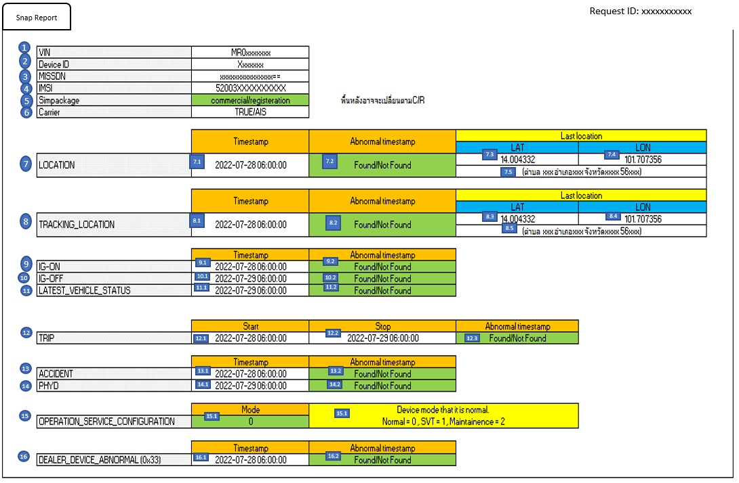

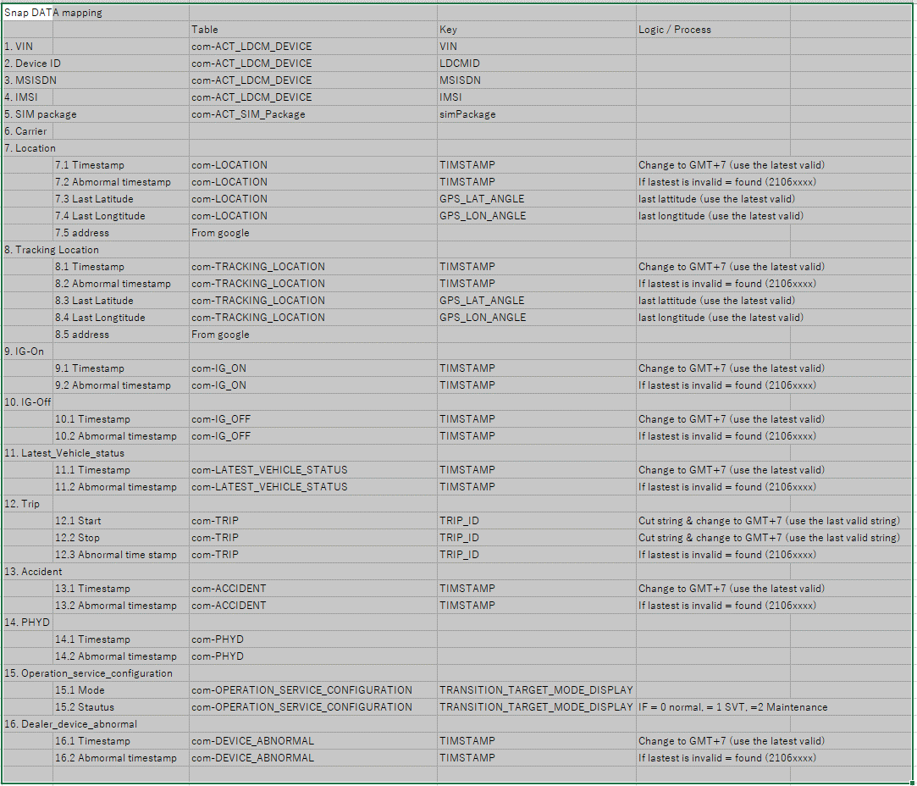

 |  |  |  |  | Item No. 7.2 , 8.2, 9.2, 10.2, 11.2, 12.3, 13.2, 16.2 : |  |  |  |  |  |  | 0.6
 |  |  |  |  | ⇒ | Invalid TimeStamp is Timestamp start with 2106XXXX |  |  |  |  |  | 0.6
 |  |  |  |  |  | => show [Found], else is [Not Found] |  |  |  |  |  | 0.6

SR8

 | Updating

