E-001
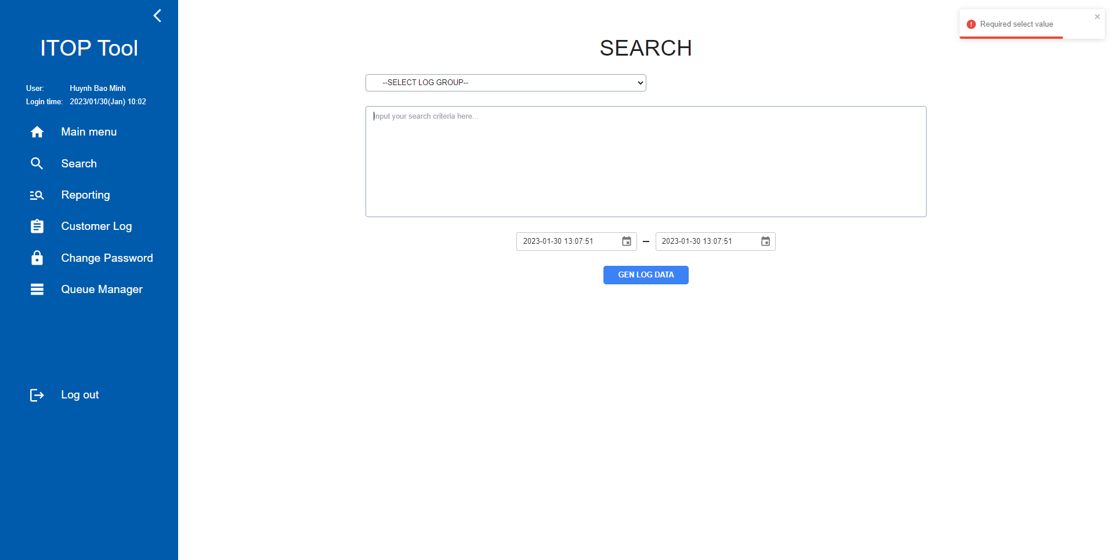
E-001

 | No select group
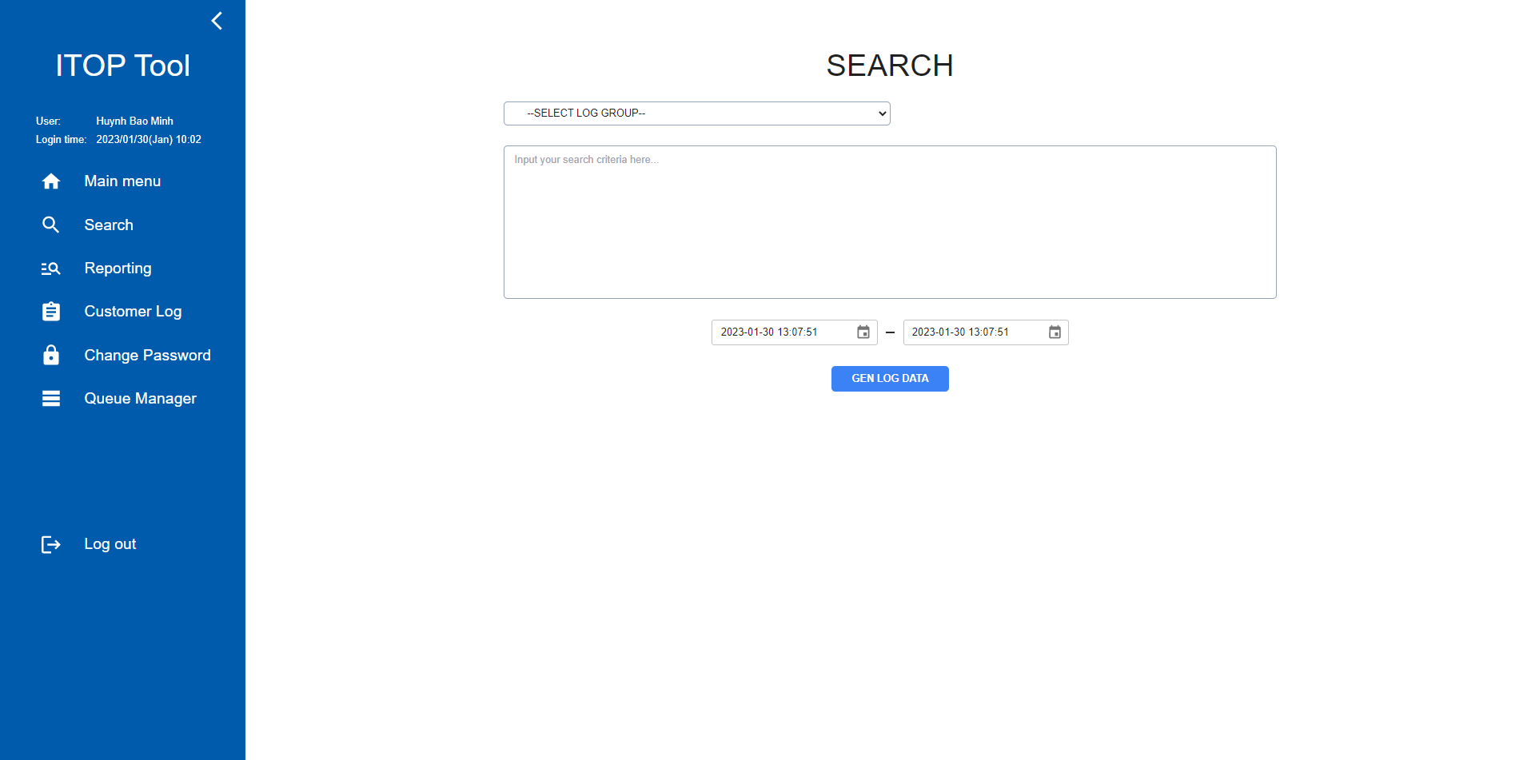

 | Click button GEN LOG DATA

E-002
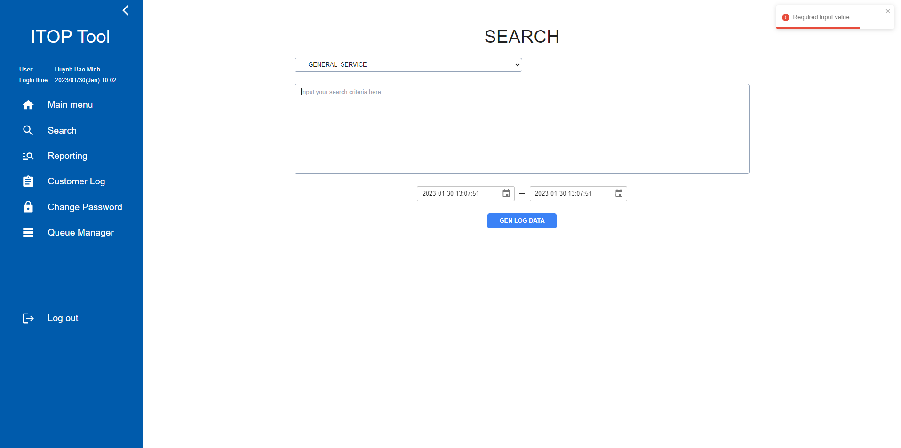
E-002

 | No input textarea

 | Click button GEN LOG DATA

E-003
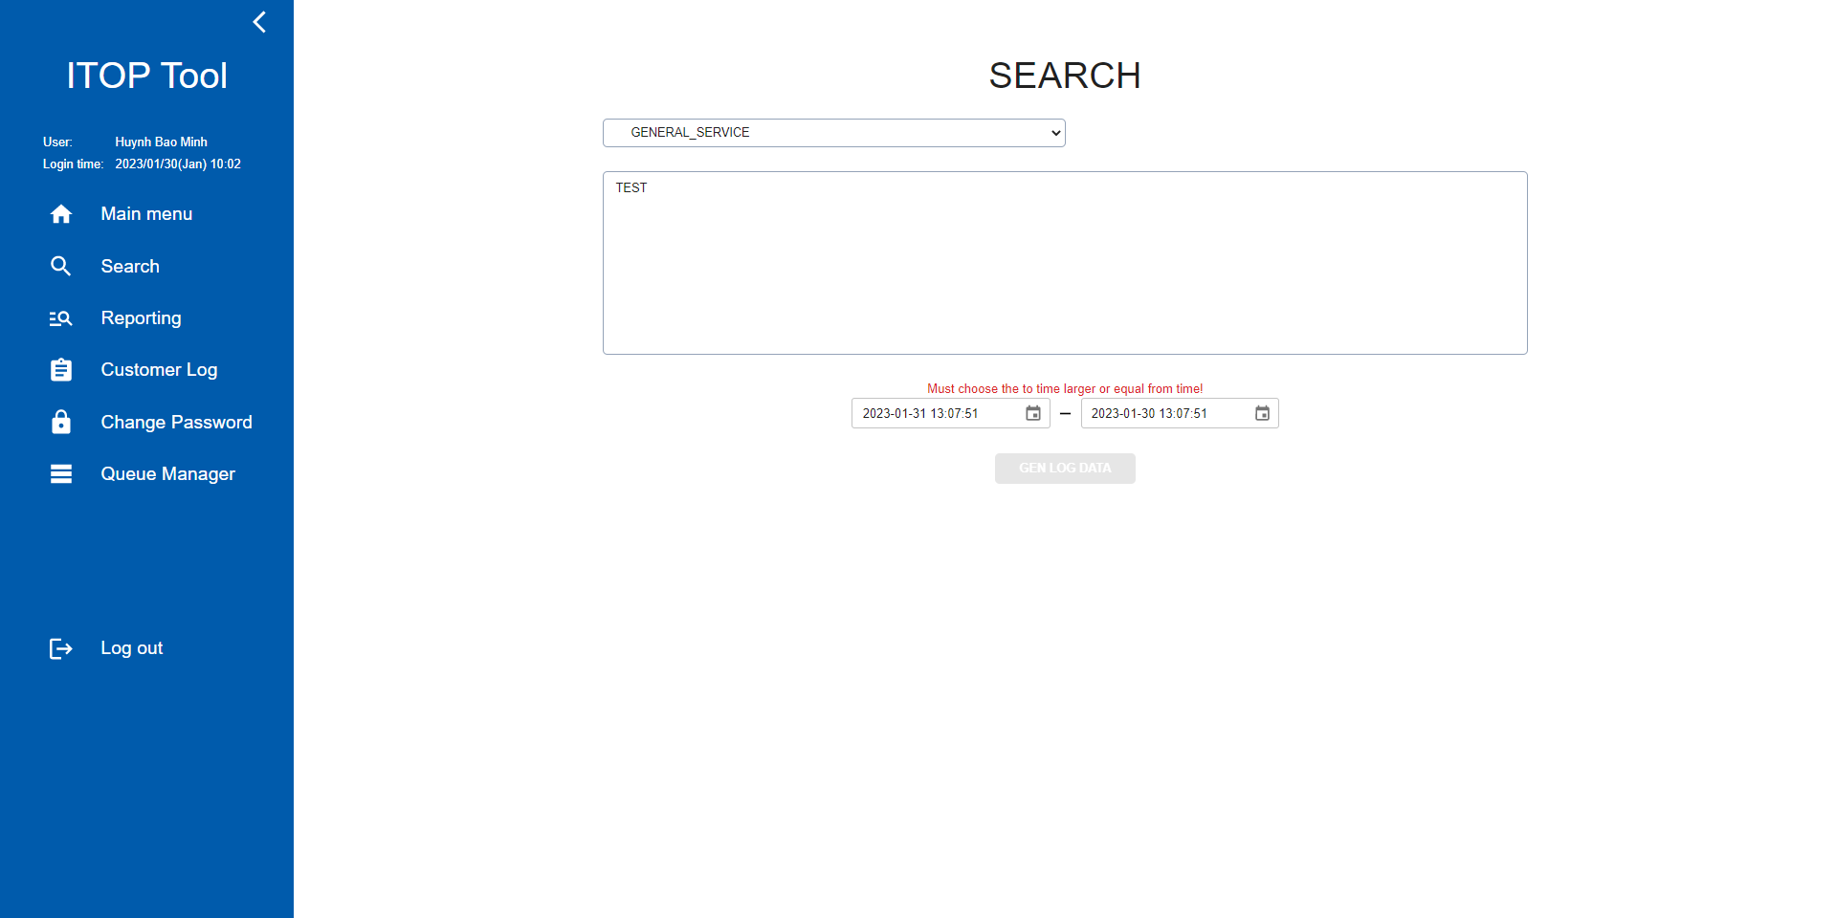
E-003

 | "Period from" > "Period to"

 | Hide button GEN DATA LOG and show messege

E-004
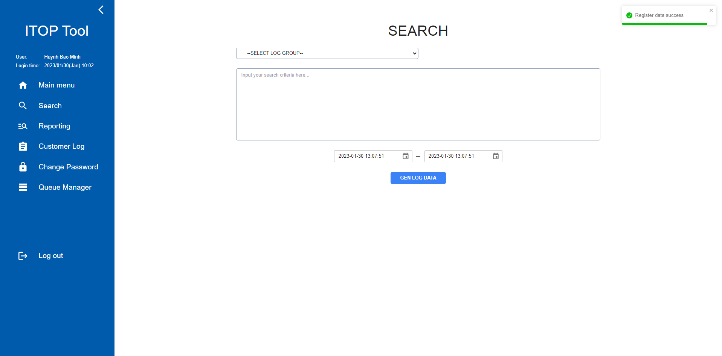
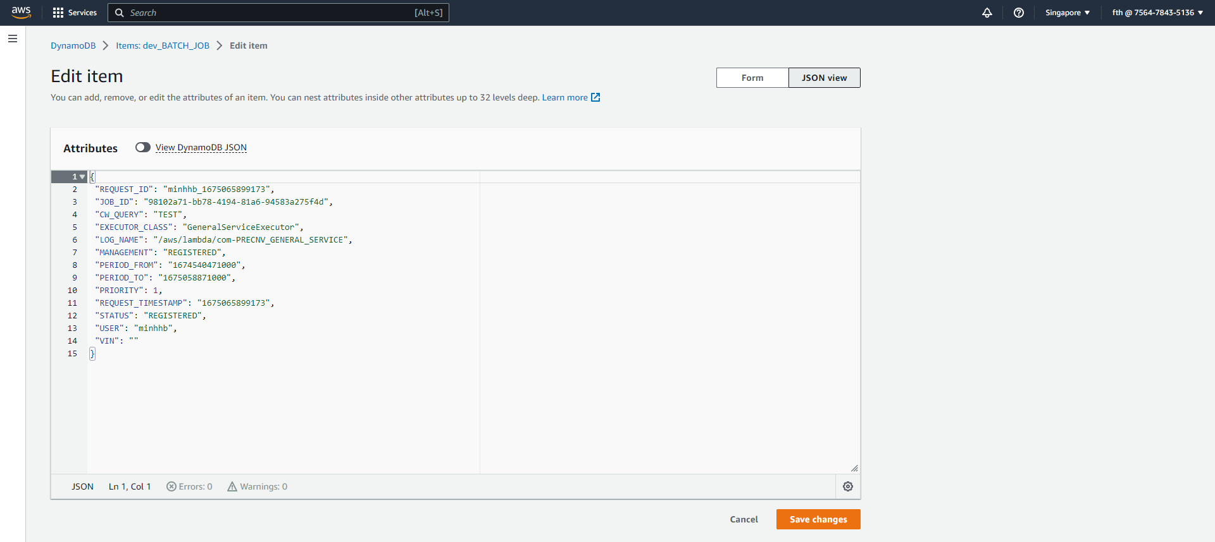
E-004

 | Select group, input textarea and "Period from" <= "Period to"

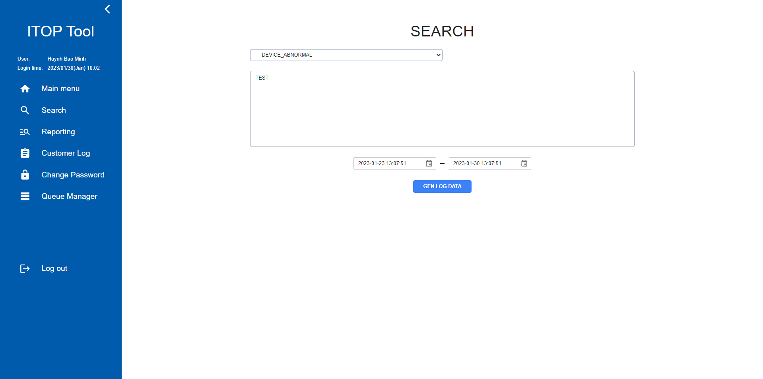

 |  | Click button GEN LOG DATA

