System Architecture
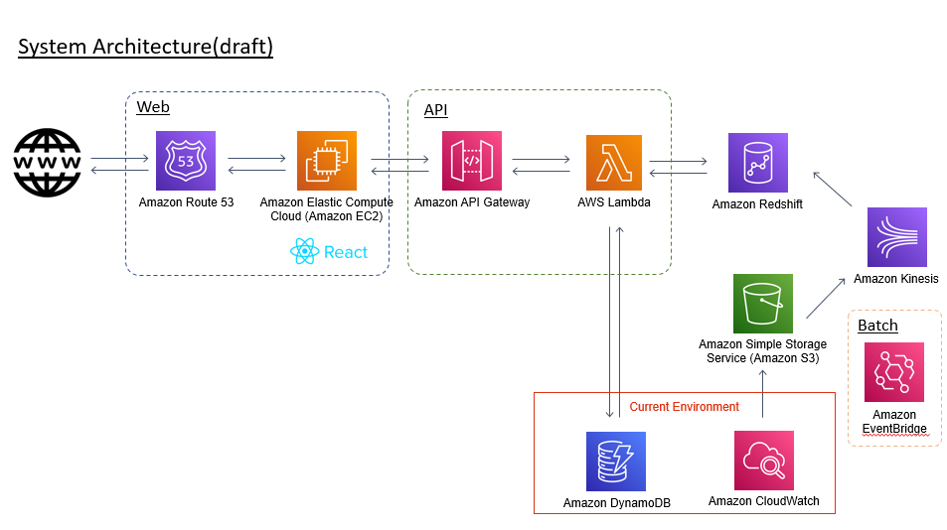

Suggest to consider Fargate?

Suggest to consider Fargate?
Môi trường phát triển 12/20
Book họp (có Tuấn/Long)

Confirmation
Dynamo của ứng dụng riêng hay chung DB khách hàng

