Screen Layout
Document No |  | dev-app-XXXXXX-001 | System Name | ITOP | Version | 第 | 0.6 | 版 | Created Date | 2022-12-26
Document Name |  | Spec | Feature | Screen Layout | PIC | 佐藤 |  |  | Updated Date | 2023-01-06
Link
ID | Layout

SR1 | Login
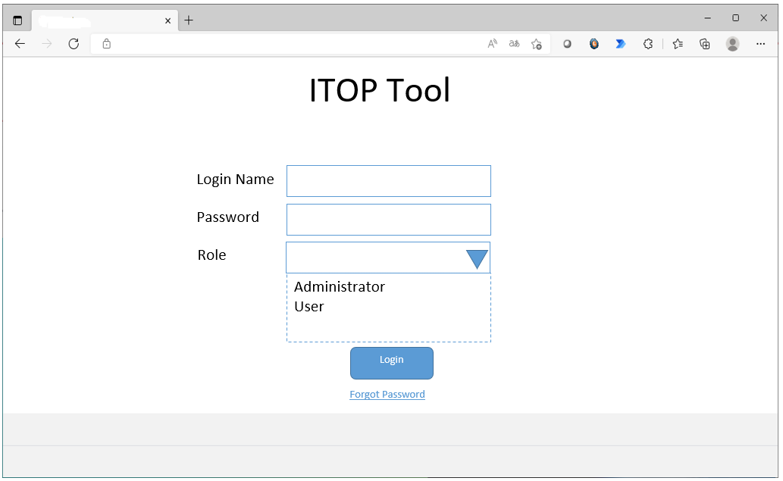
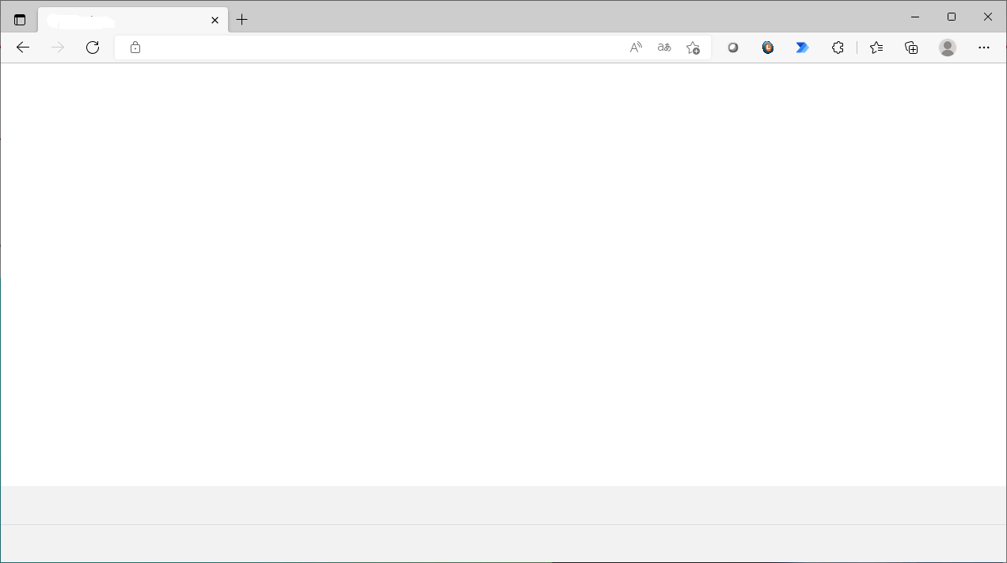
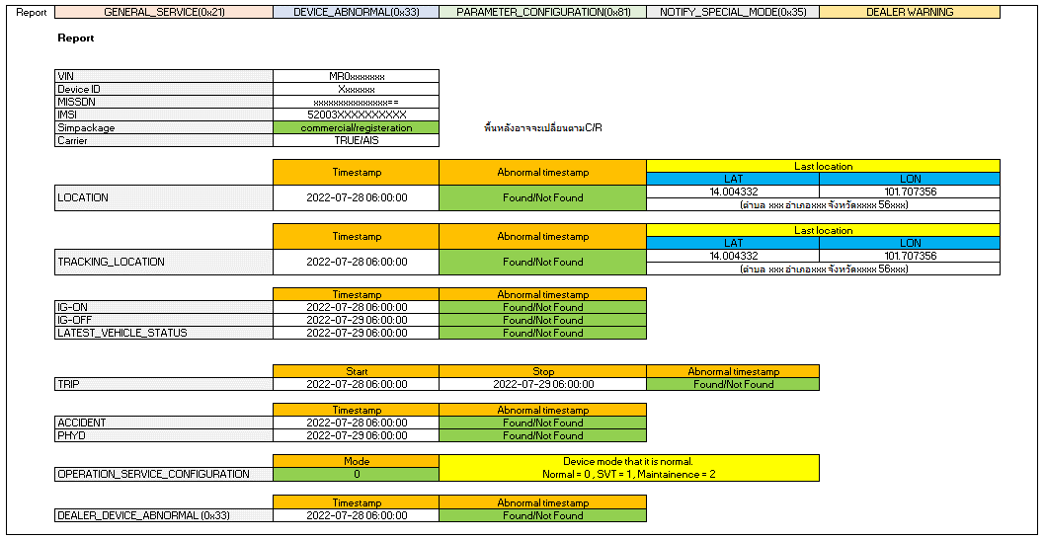
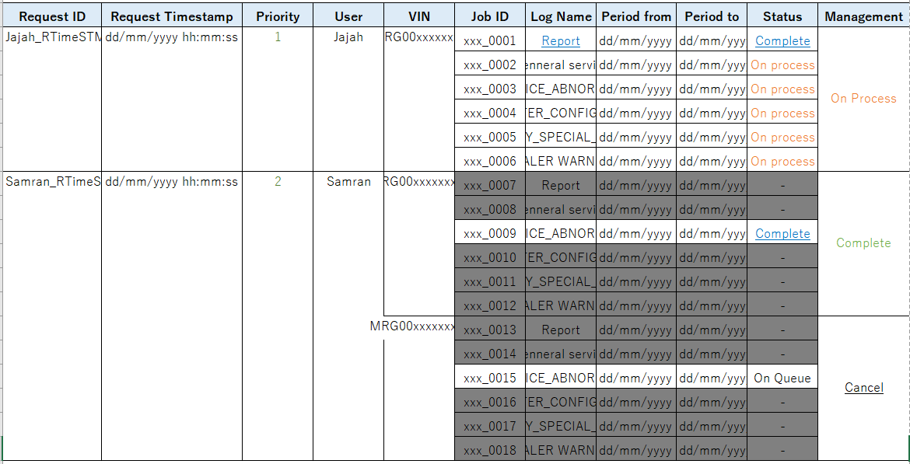
Send
Email recovery :
ITOP Tool
test@example.com
ITOP Tool
New password :
Confirm new password :
*****************
*****************
Update
Total LDCM Vehicle as of xx xxx xxxx: 2xx,xxx vehicles
Total CAL Lost Communication as of dd/mm/yyyy : 1,xxx vehicles
ITOP Tool
Login: xxxxx
Login Time:
Main menu
Search
Reporting
Raw log
Queue
Log out
Search
Reporting
Queue
RAW Log
Login: xxxxx
Login Time:
Main menu
Search
Reporting
Raw log
Queue
Log out
Login: xxxxx
Login Time:
Main menu
Search
Reporting
Raw log
Queue
Log out
Snap Report
-Select-
Input VIN
Search
-Select-
Input VIN1, VIN2, VIN3, ...
Gen Log
Report
GENERAL_SERVICE
⁄
DEVICE_ABNORMAL
⁄
PARAMETER_CONFIGURATION
NOTIFY_SPECIAL_MODE
DEALER WARNING
Gen Log Data
Login: xxxxx
Login Time:
Main menu
Search
Reporting
Raw log
Queue
Log out
Search
fields @timestamp, @message
| sort @timestamp desc
-Select Log Group
Gen Log Data
>
>
>
>
>
Search the report
Status
-select-
User
user
Request date
Vin Number
vin
Search
Total LDCM Vehicle as of xx xxx xxxx: 2xx,xxx vehicles
Total CAL Lost Communication as of dd/mm/yyyy : 1,xxx vehicles
ITOP Tool
ITOP Tool
ITOP Tool
ITOP Tool
I
T
O
P
T
o
o
l

SR2 | Forgot Password

SR3 | Change password

SR4 | Main menu

SR5 | Retrieve Snap Short (Single Search by VIN/DeviceID/IMSI/IMEI)

SR6 | Generate Report

SR7 | Generate Custom Report

SR8 | Report Monitoring

FLowchart
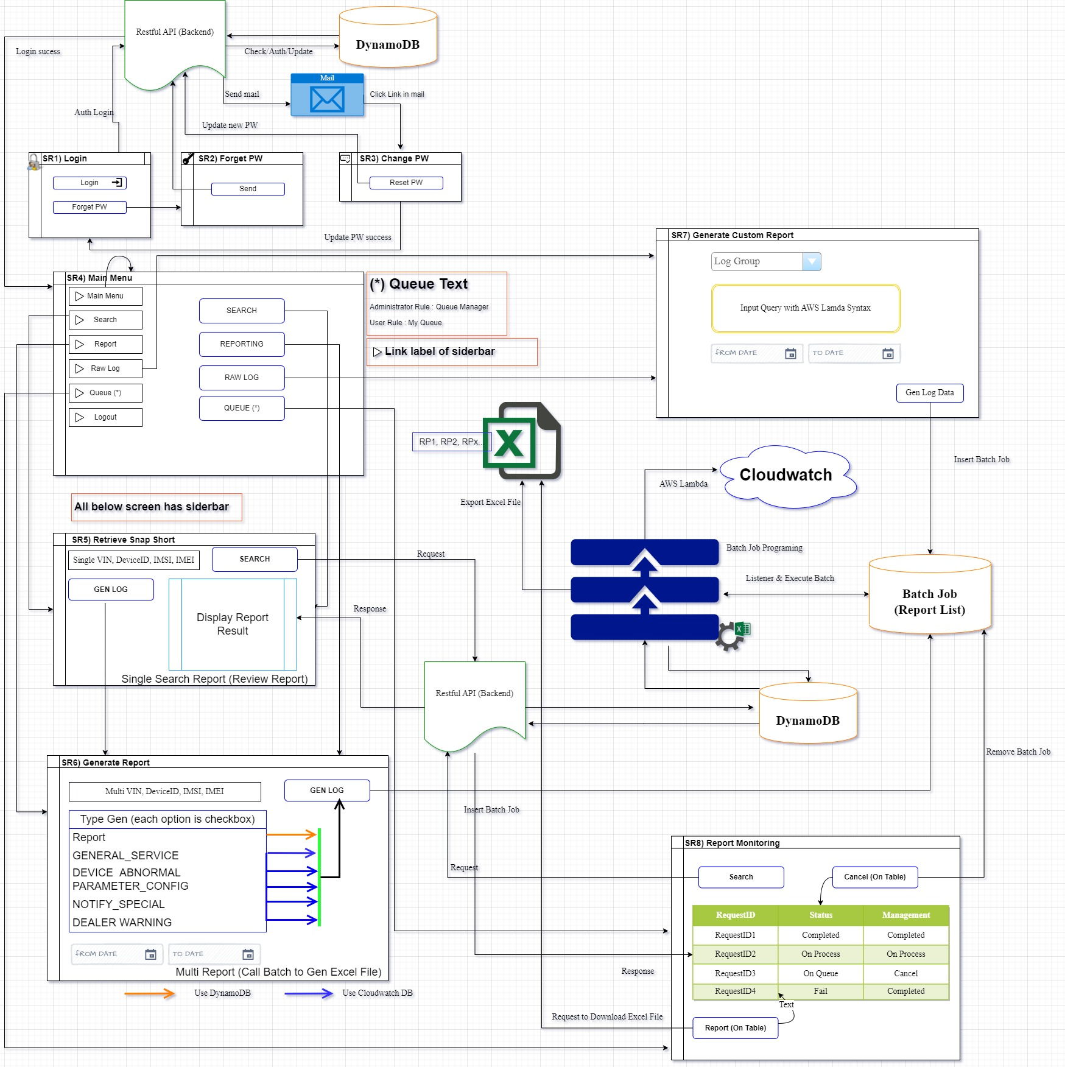
Link

Edit Data
Document No |  | dev-app-XXXXXX-001 | System Name | ITOP |  | Version | 第 | 0.6 | 版 | Created Date | 2022-12-26
Document Name |  | Spec | Feature | - |  | PIC | 佐藤 |  |  | Updated Date | 2023-01-06
Link
ID

SR5
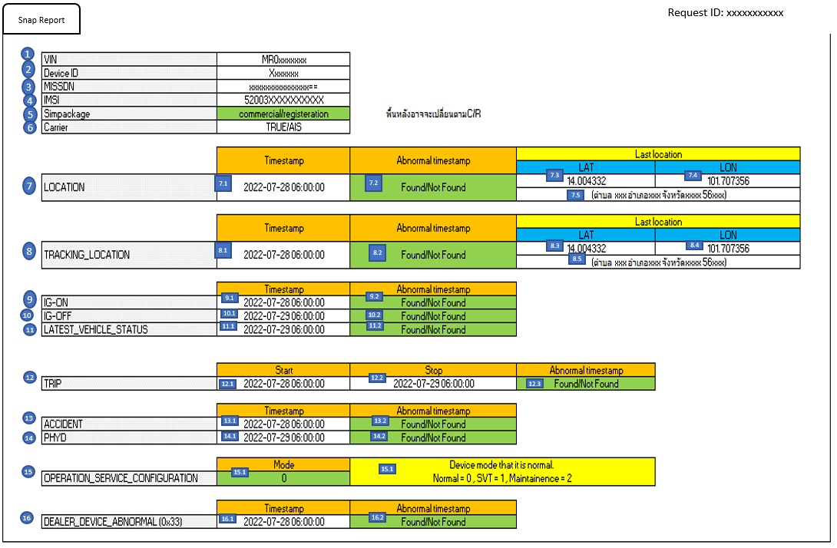

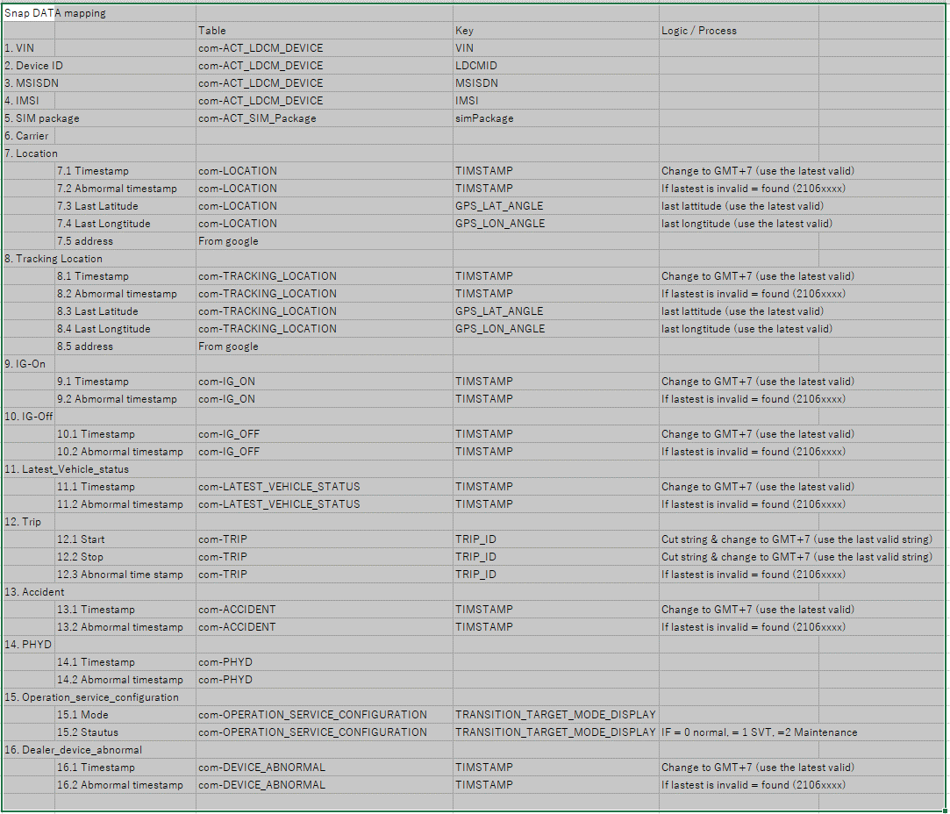

 |  |  |  |  | Item No. 7.2 , 8.2, 9.2, 10.2, 11.2, 12.3, 13.2, 16.2 : |  |  |  |  |  |  | 0.6
 |  |  |  |  | ⇒ | Invalid TimeStamp is Timestamp start with 2106XXXX |  |  |  |  |  | 0.6
 |  |  |  |  |  | => show [Found], else is [Not Found] |  |  |  |  |  | 0.6

SR8

 | Updating

