E-001
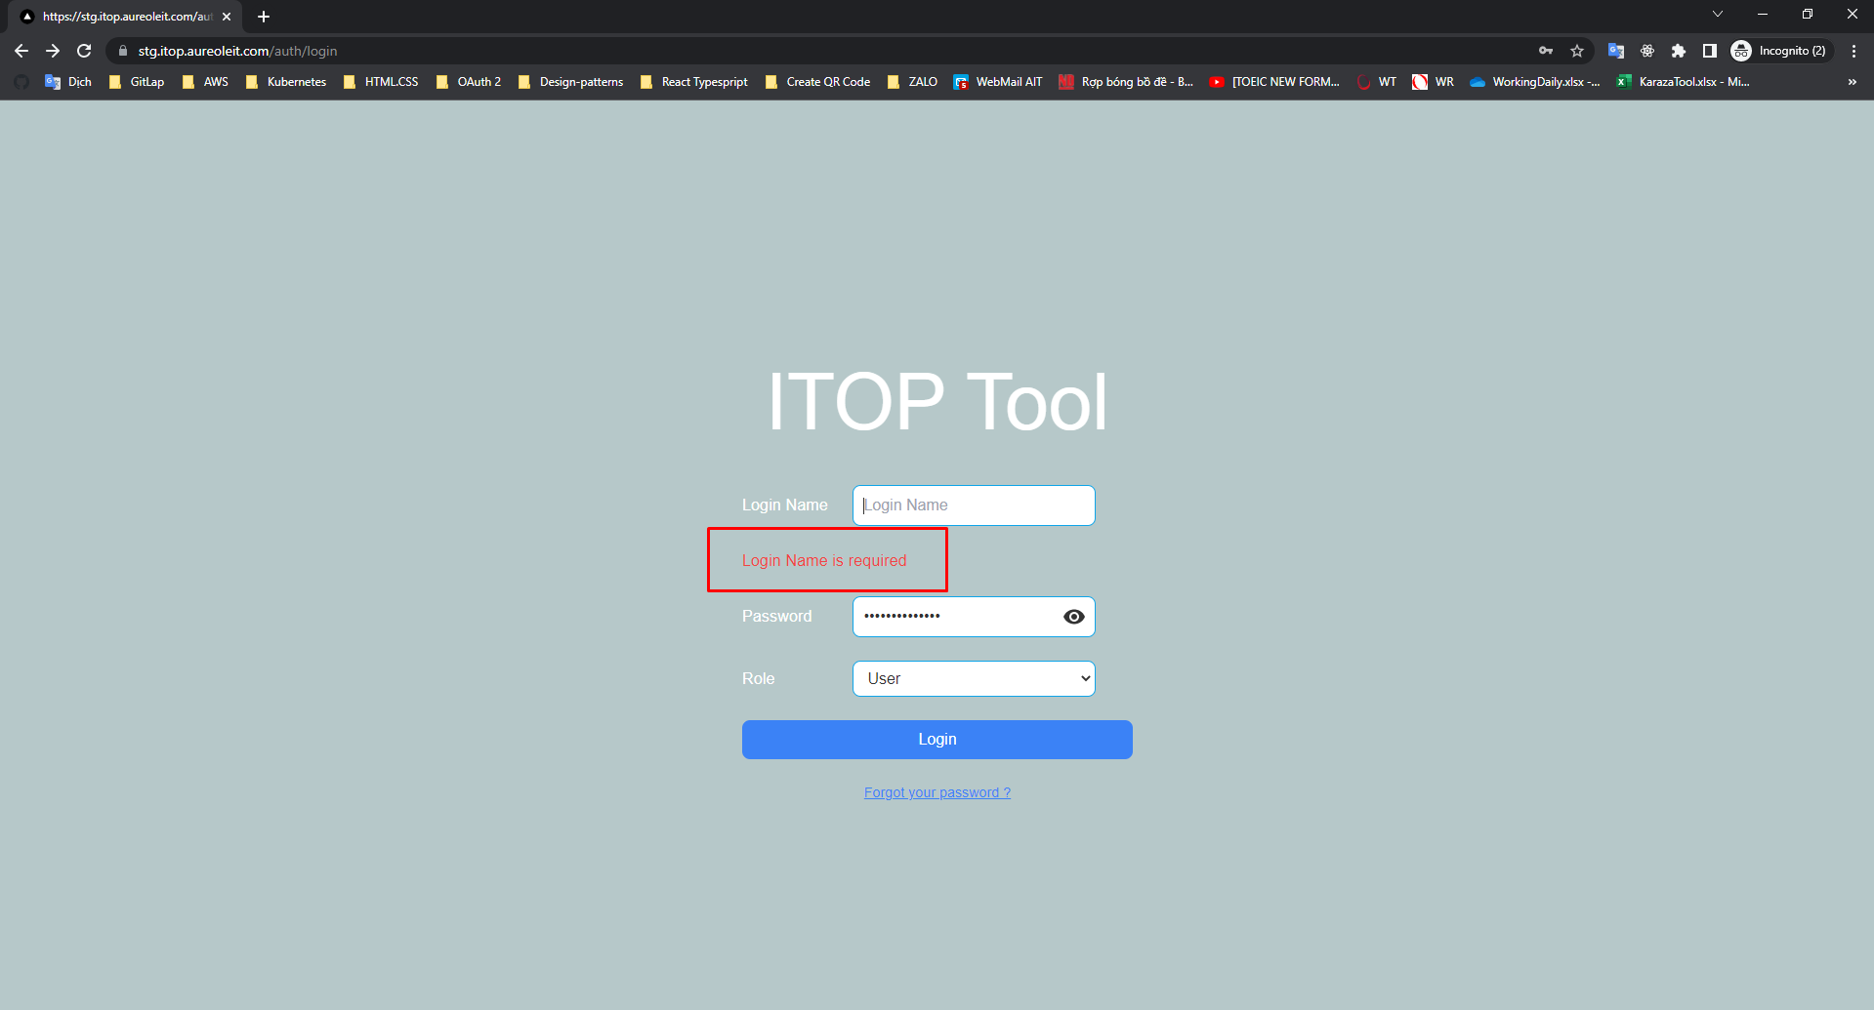
E-001

 | Login name is empty, password is not empty
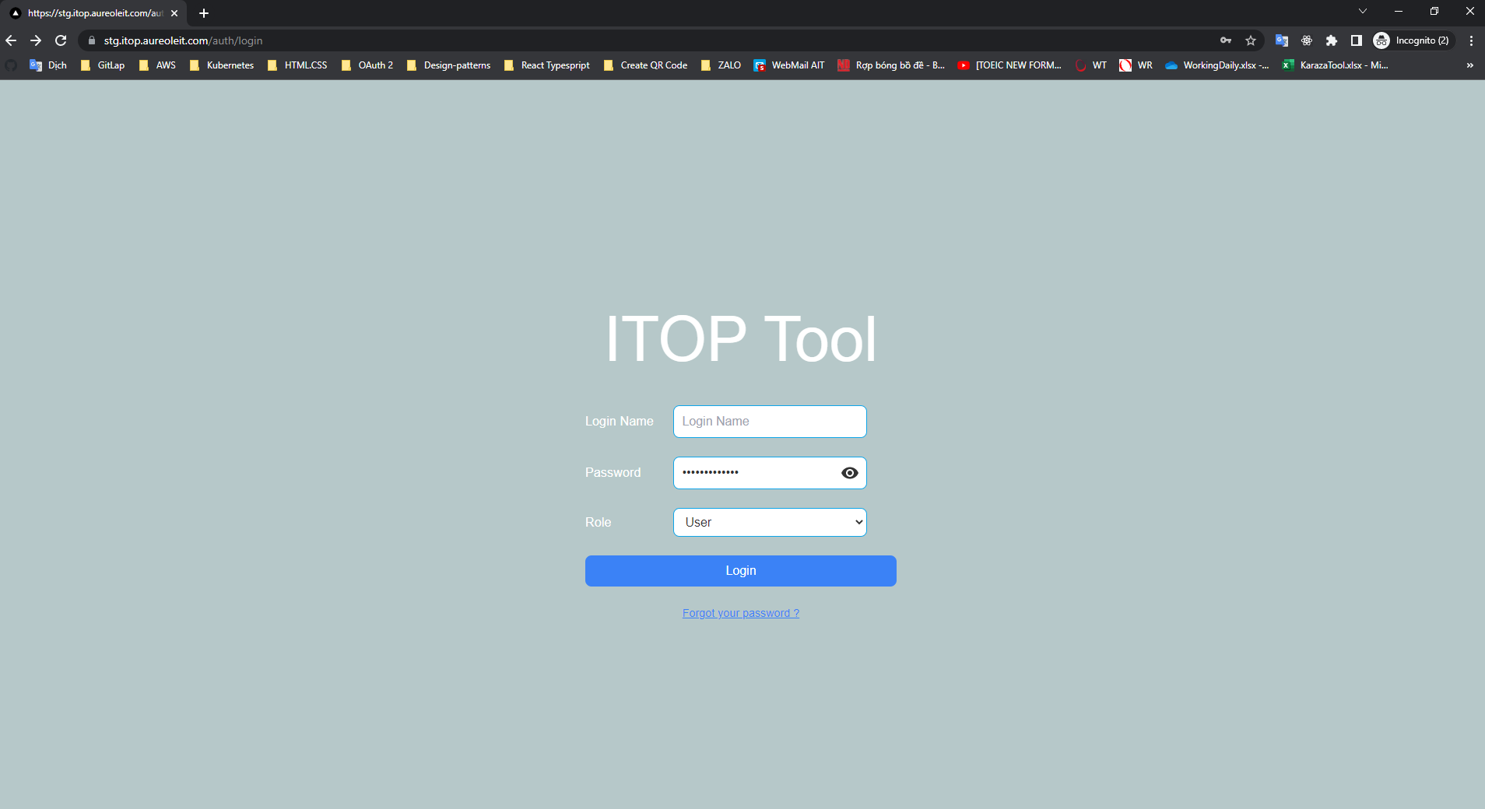

 | Click button Login

E-002
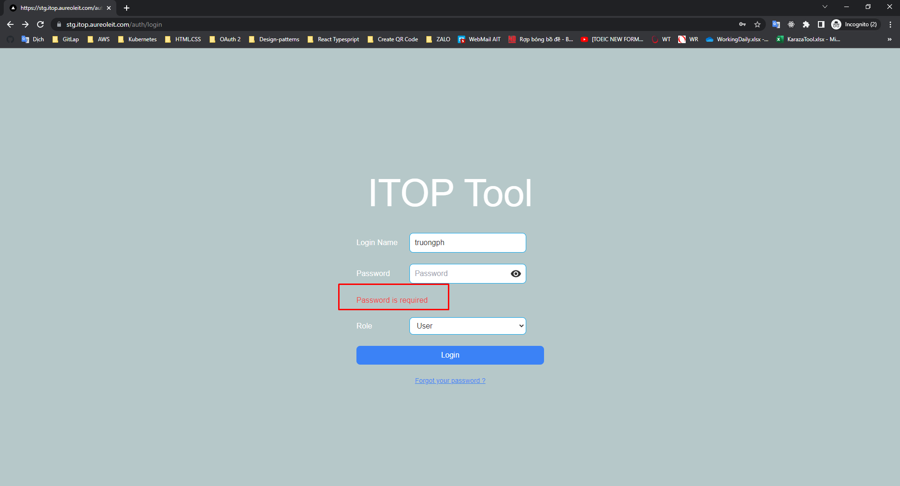
E-002

 | Login name is not empty, password is empty
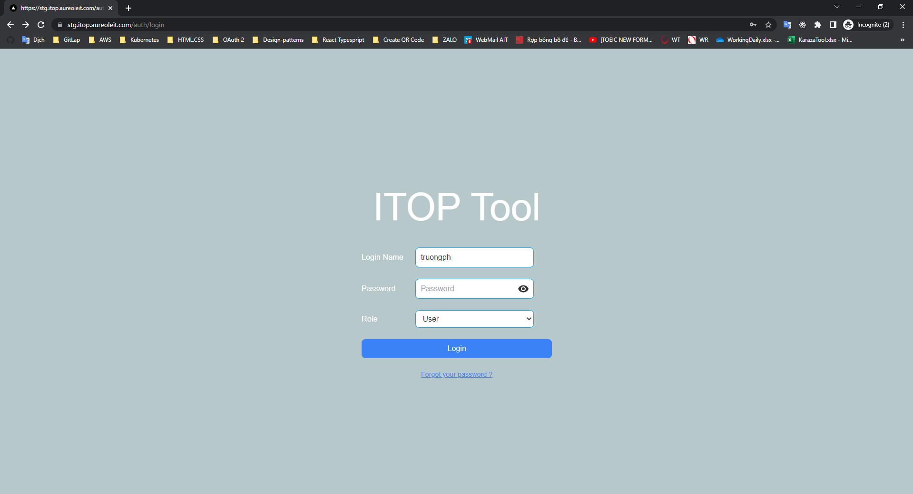

 | Click button Login

E-003
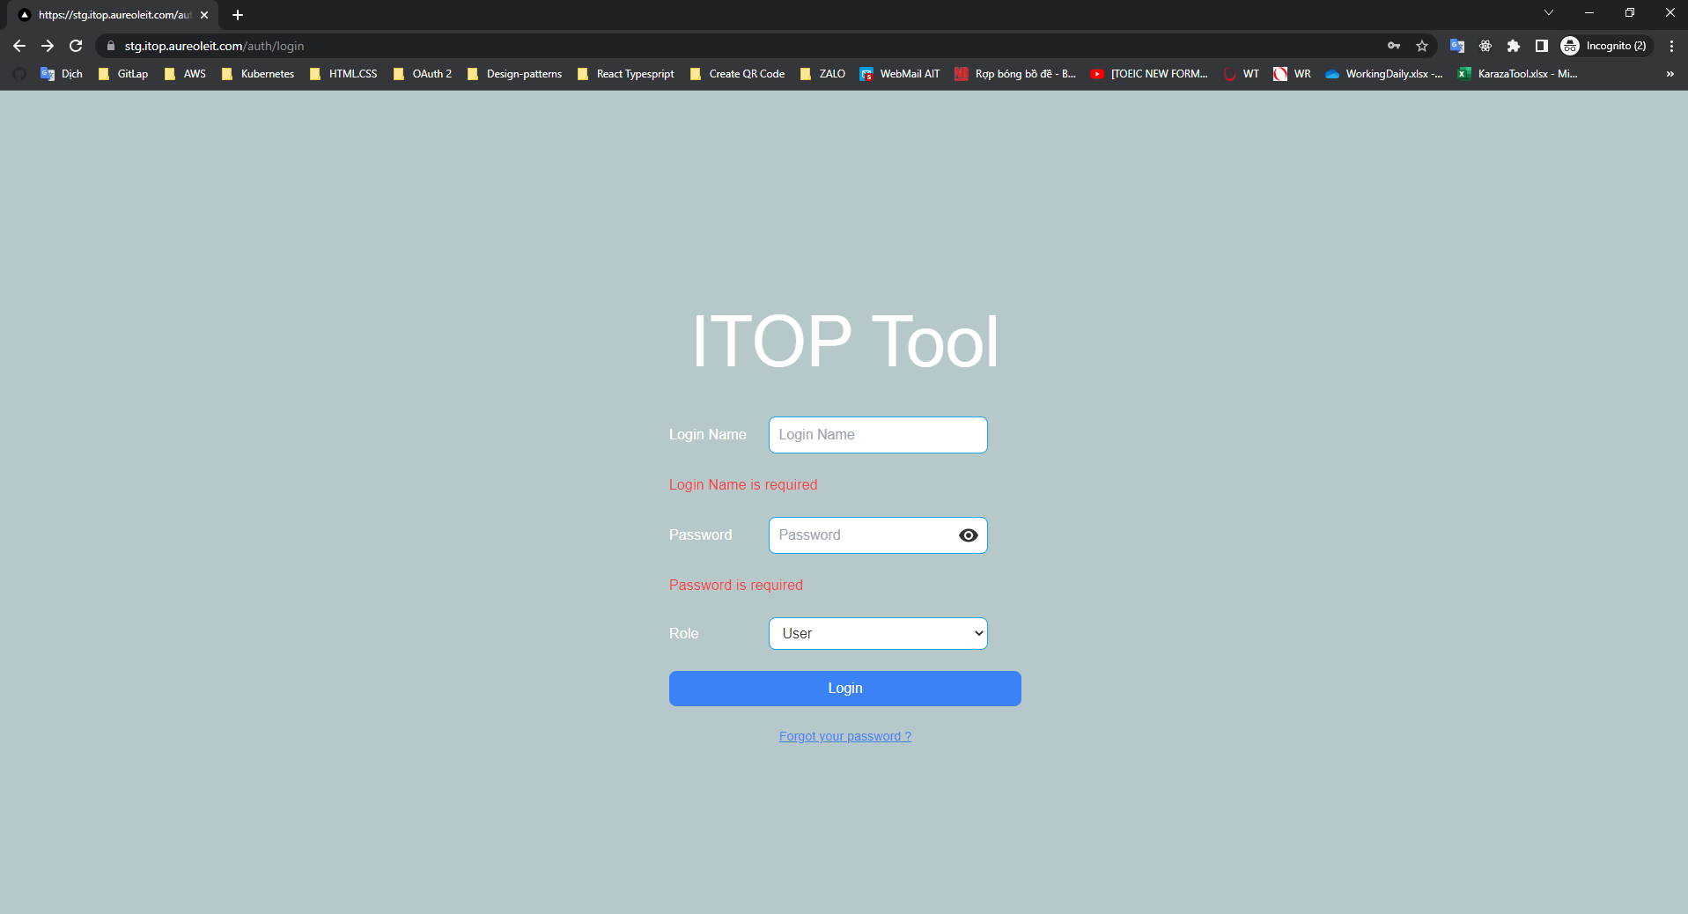
E-003

 | Login name and password are empty



 | Click button Login

E-004
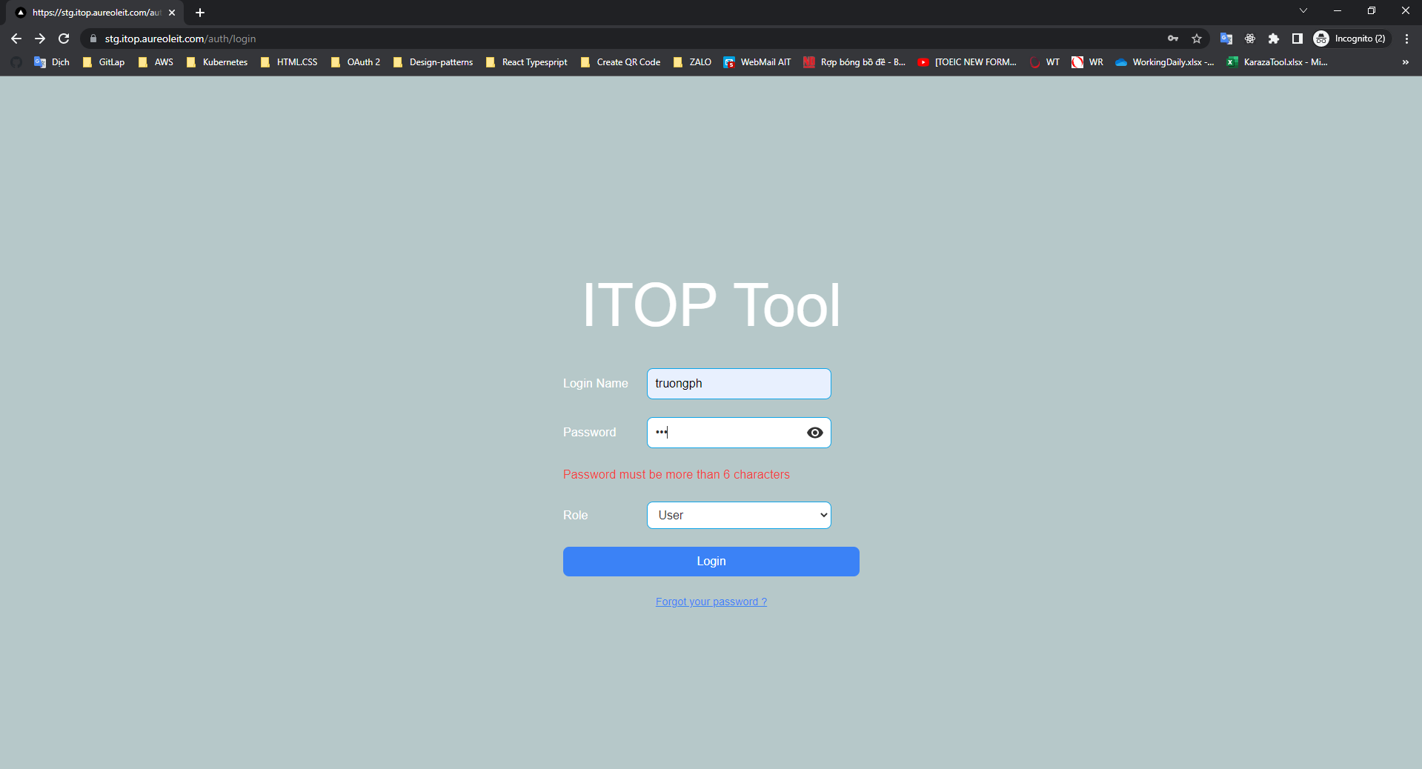
E-004

 | Password has 3 characters

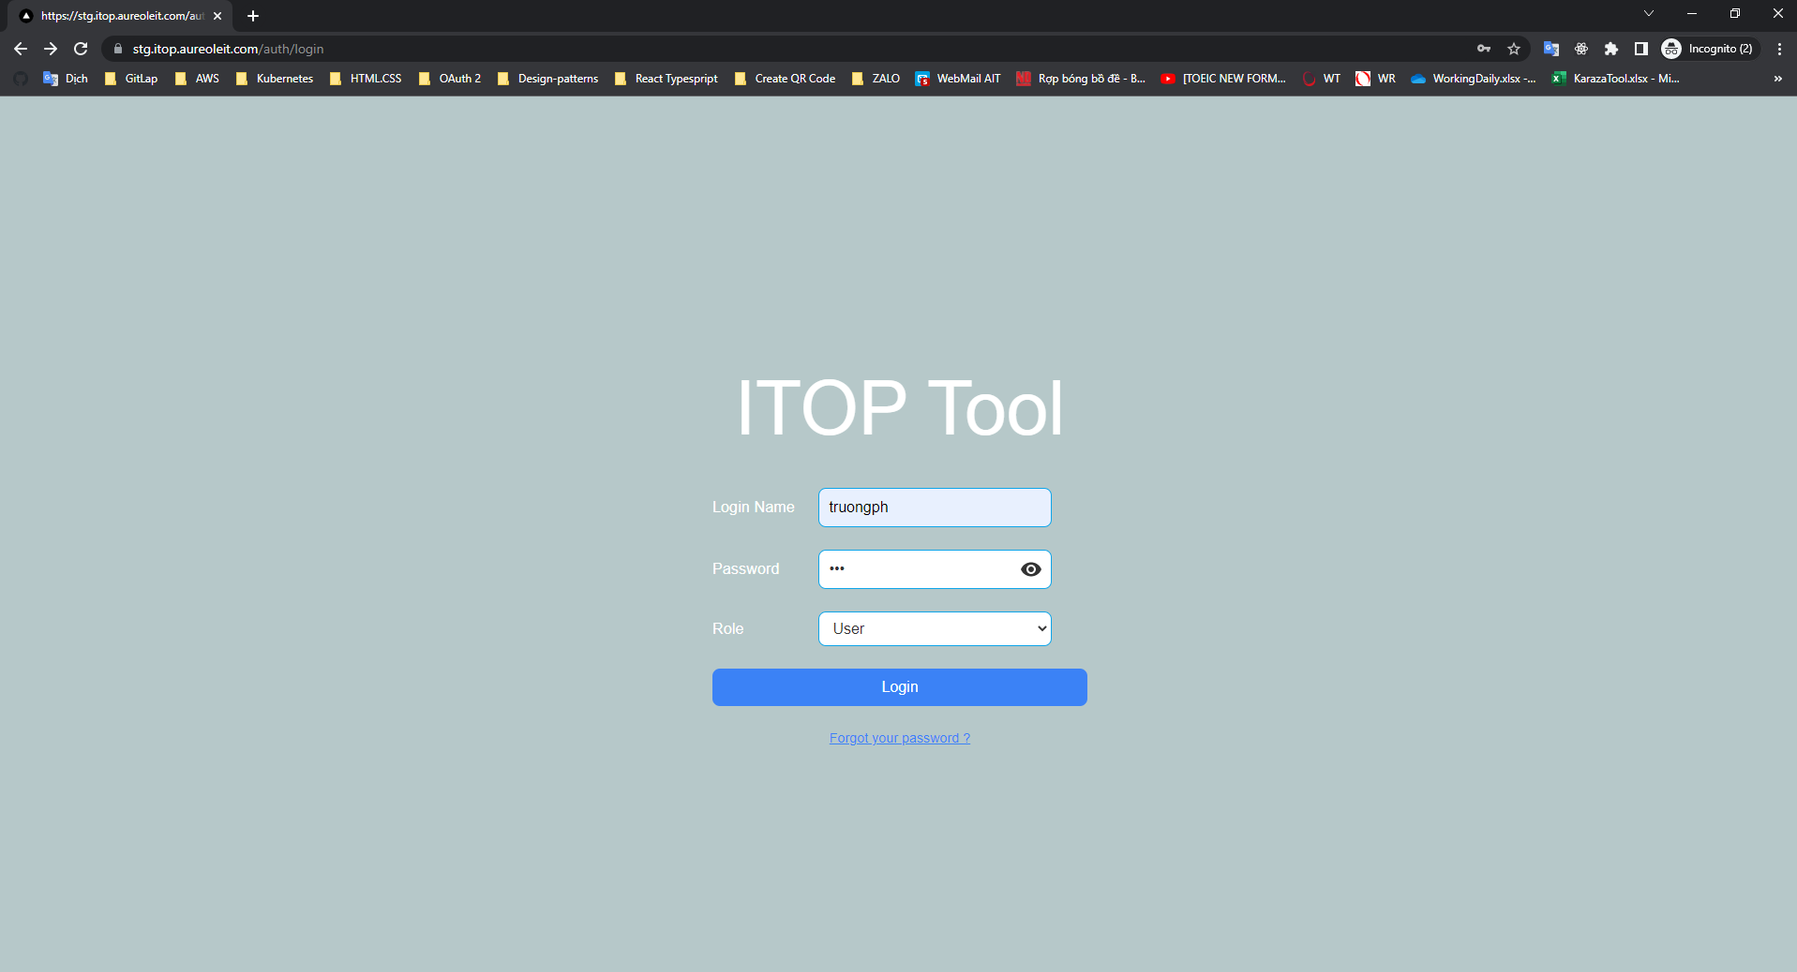

 | Click button Login

E-005
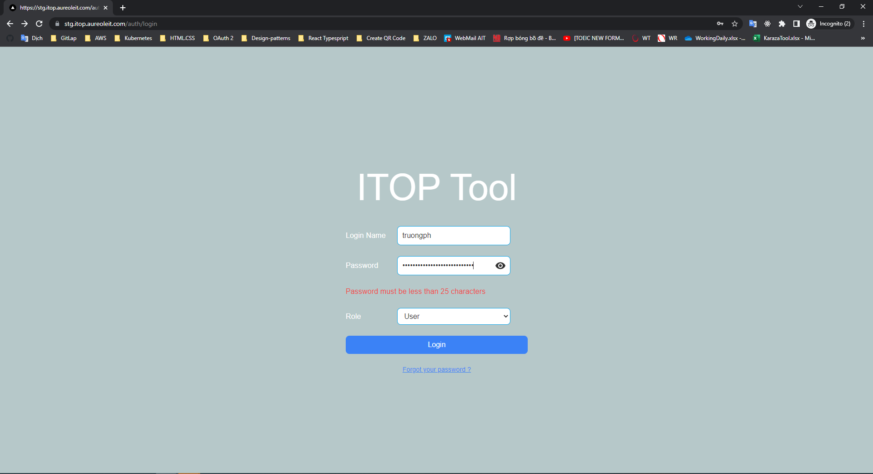
E-005

 | Password has 28 characters



 | Click button Login

E-006
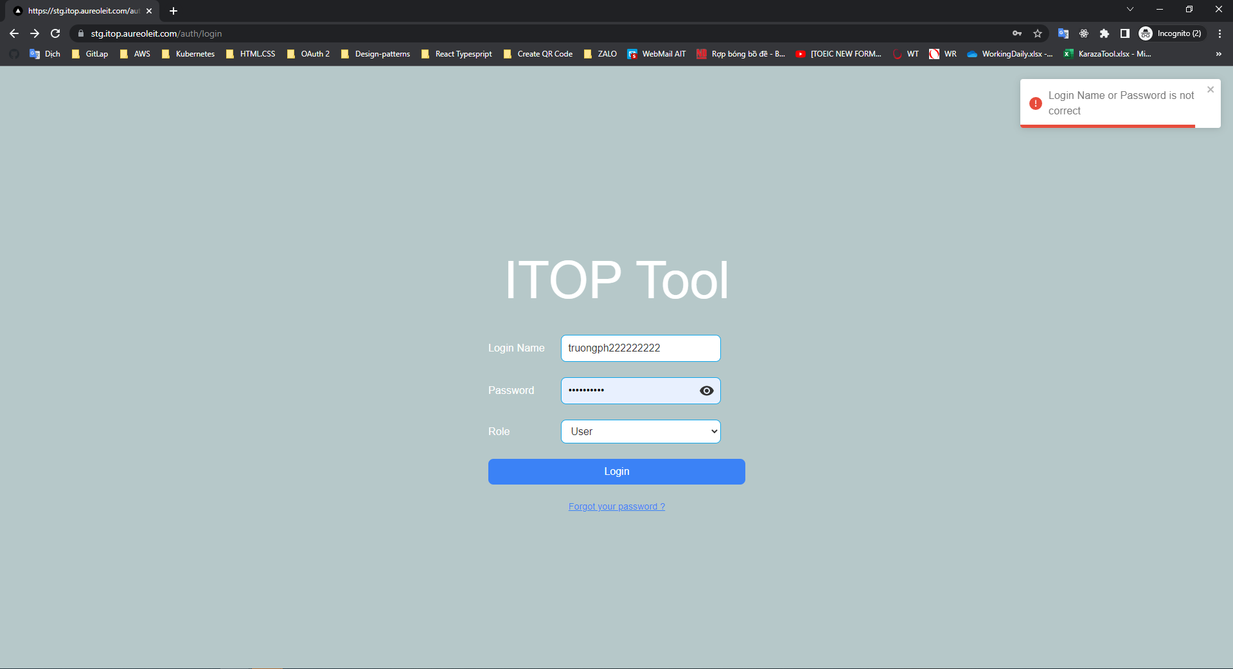
E-006

 | Login name is not correct

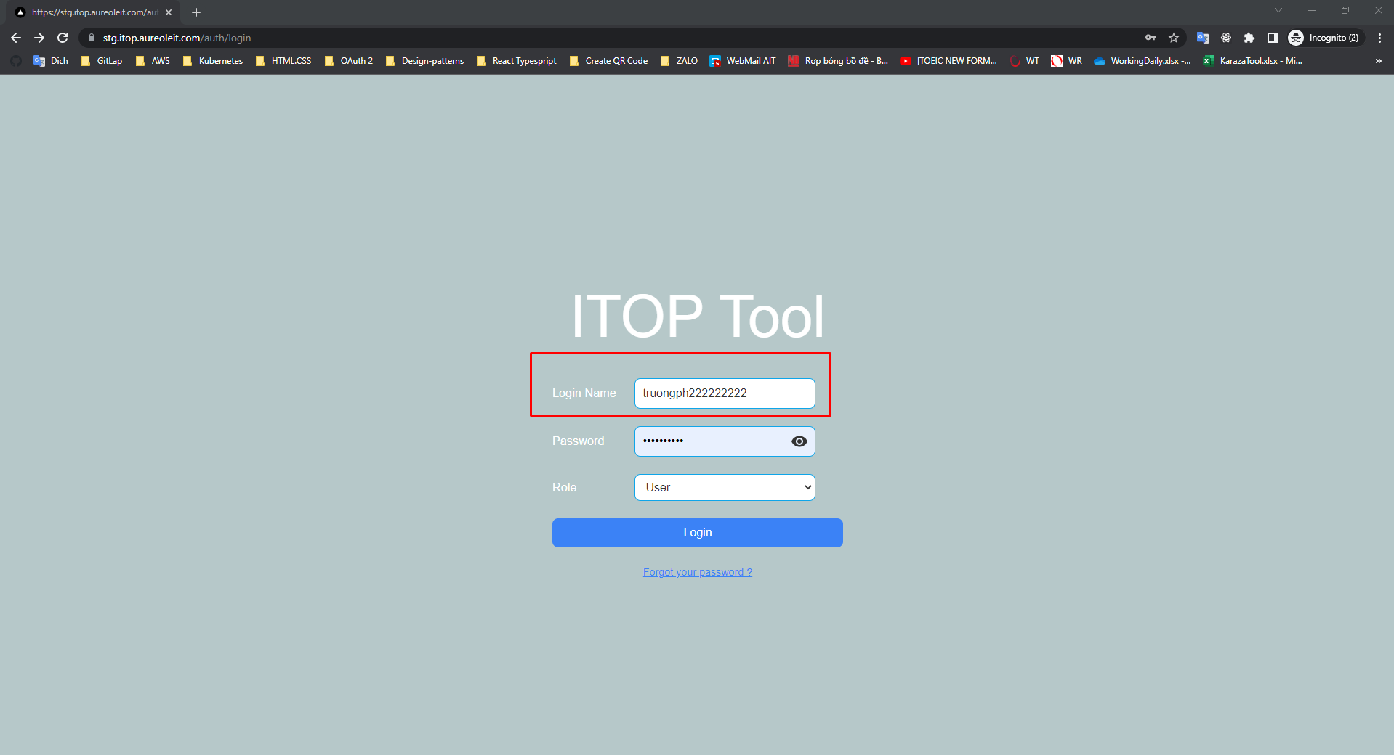

 | Click button Login. Call API login

E-007
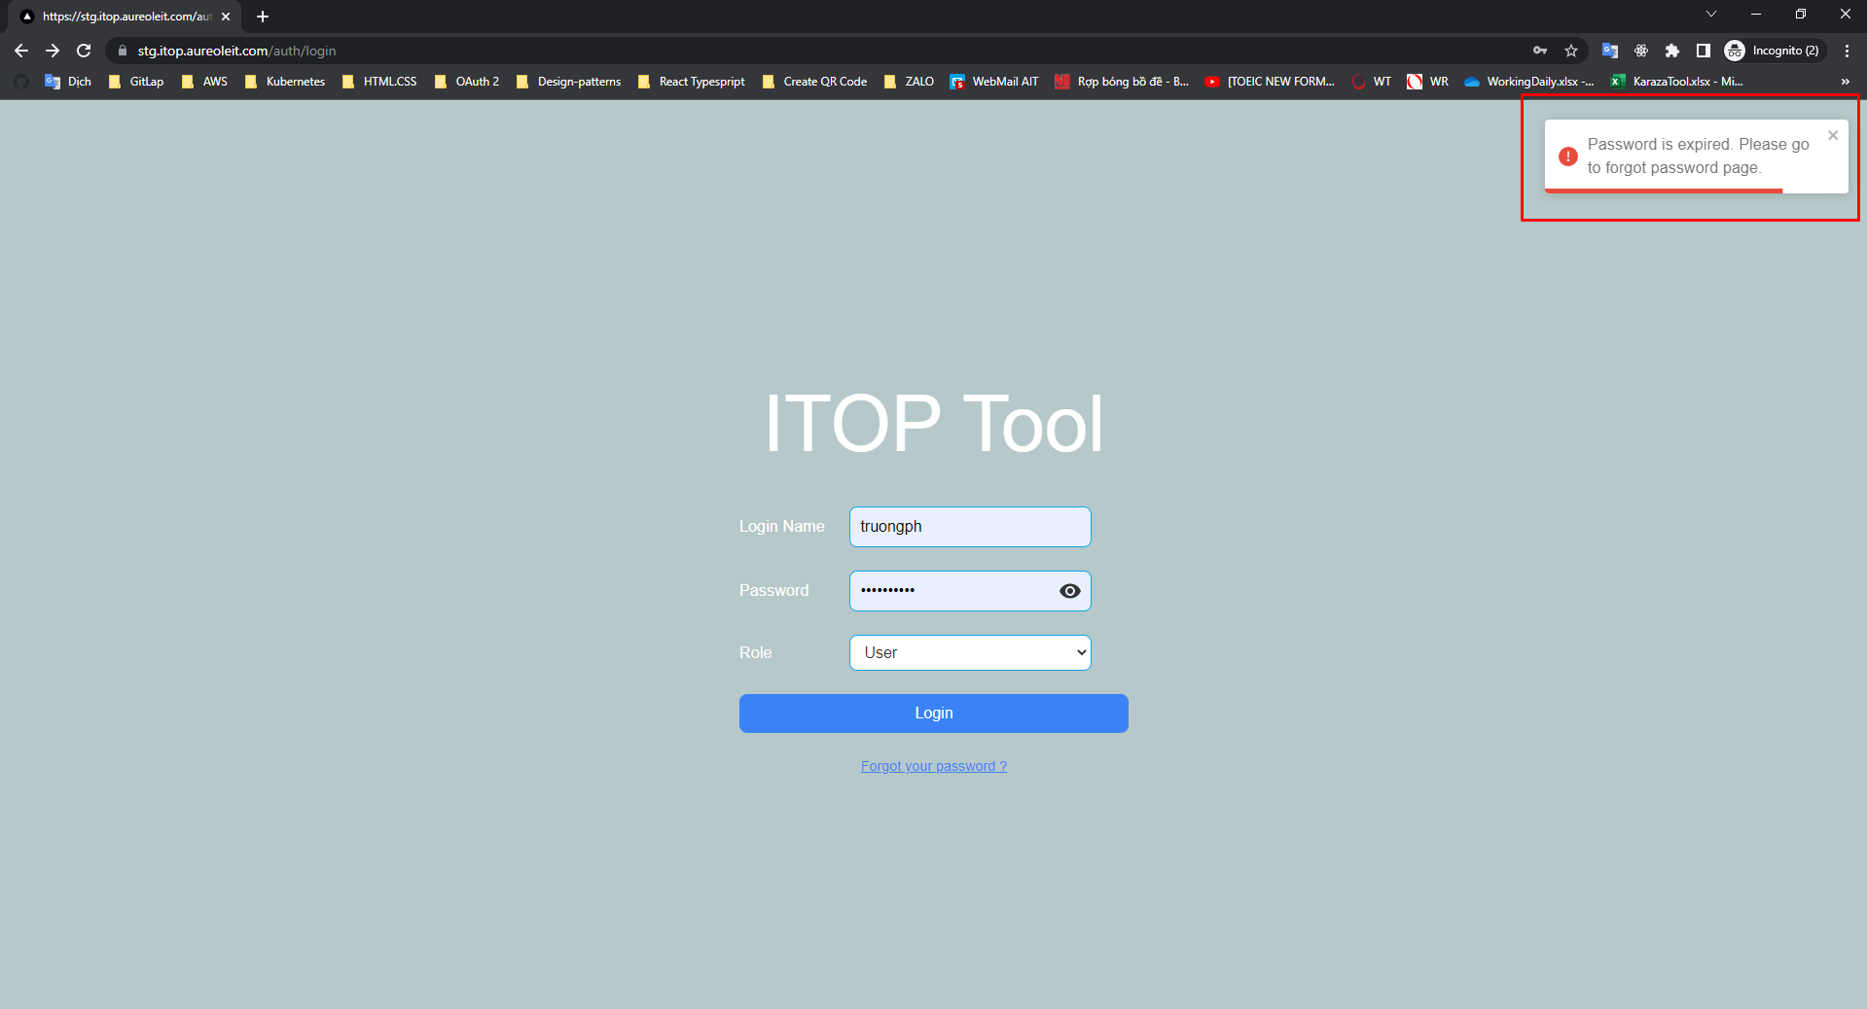
E-008

 | PASSWORD_EXPIRE in Database

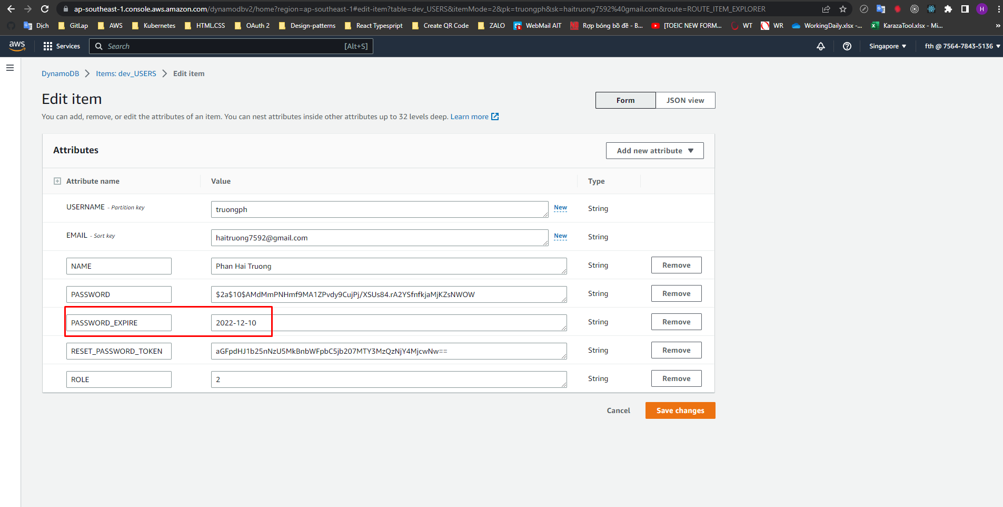

 | Now date is 2023/01/11

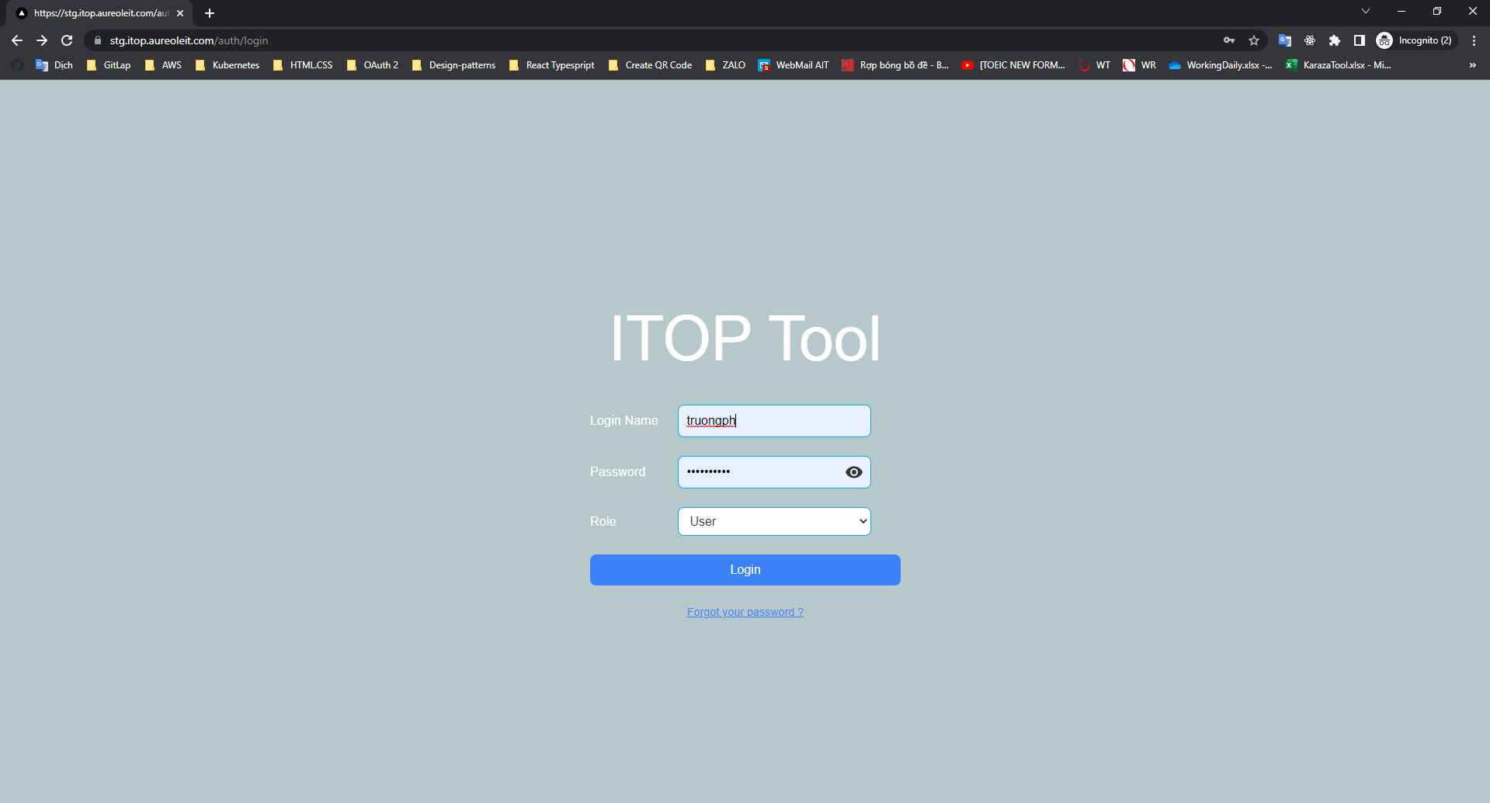

 | Click button Login. Call API login

E-008
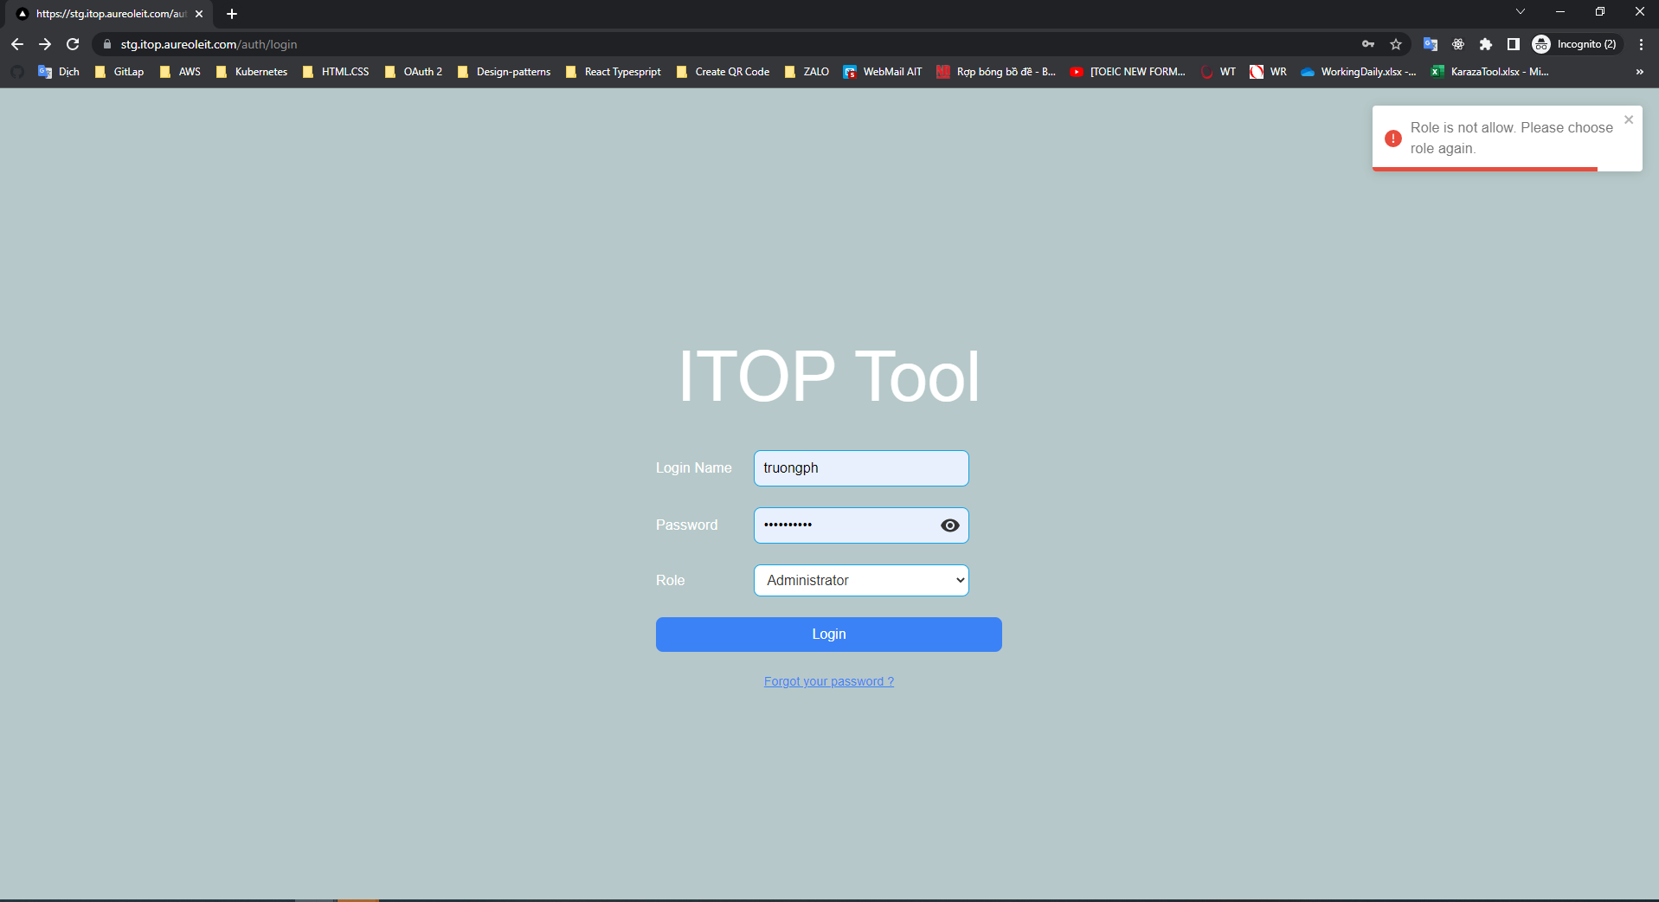
E-007

 | Role in Database is 2 (User)

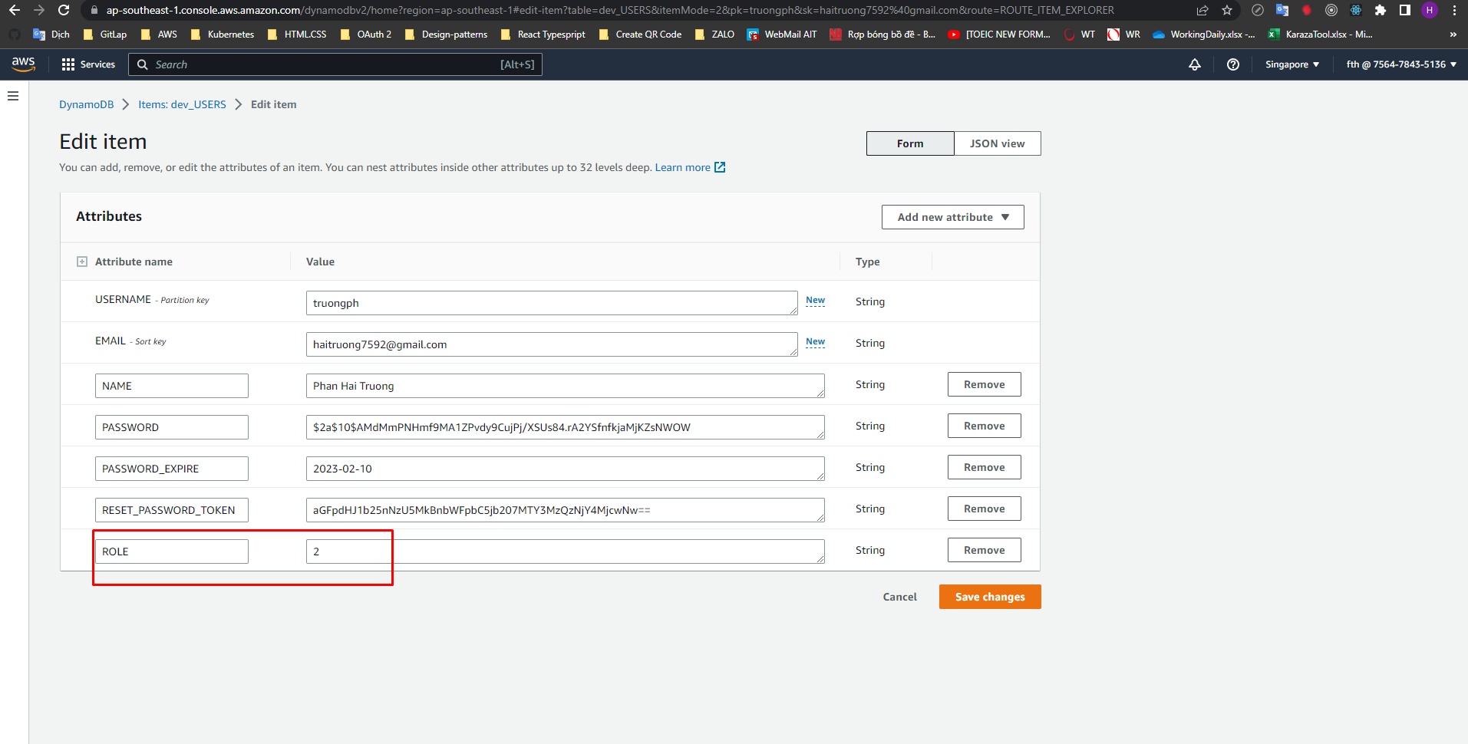

 | Login by Role is Administrator

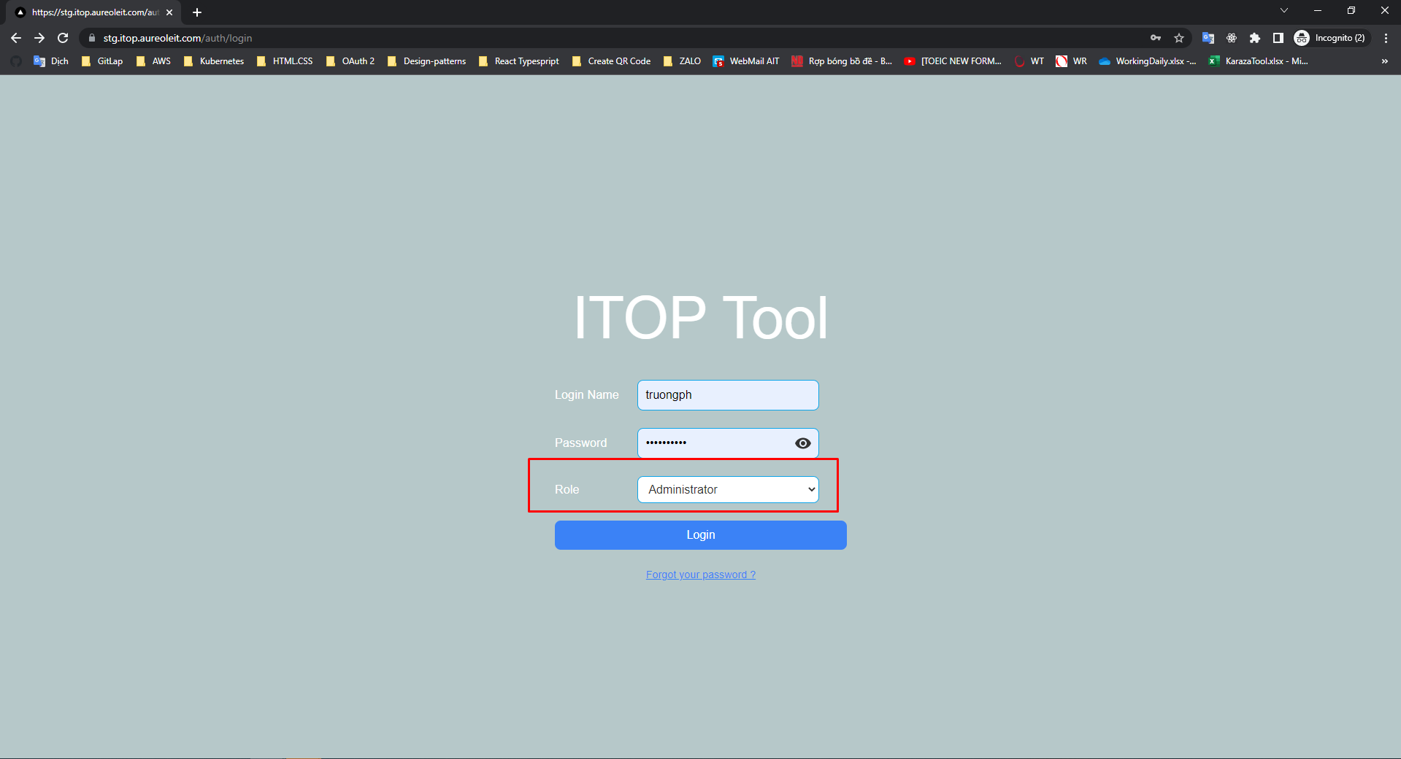

 | Click button Login. Call API login

E-009
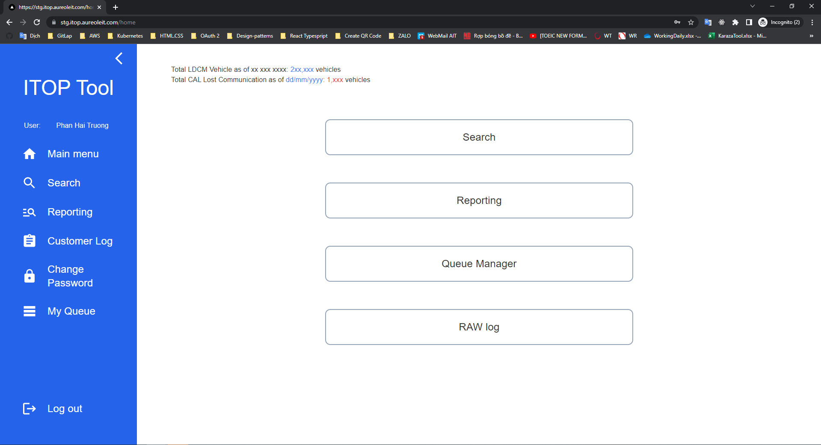
E-009

 | Log in with correct information

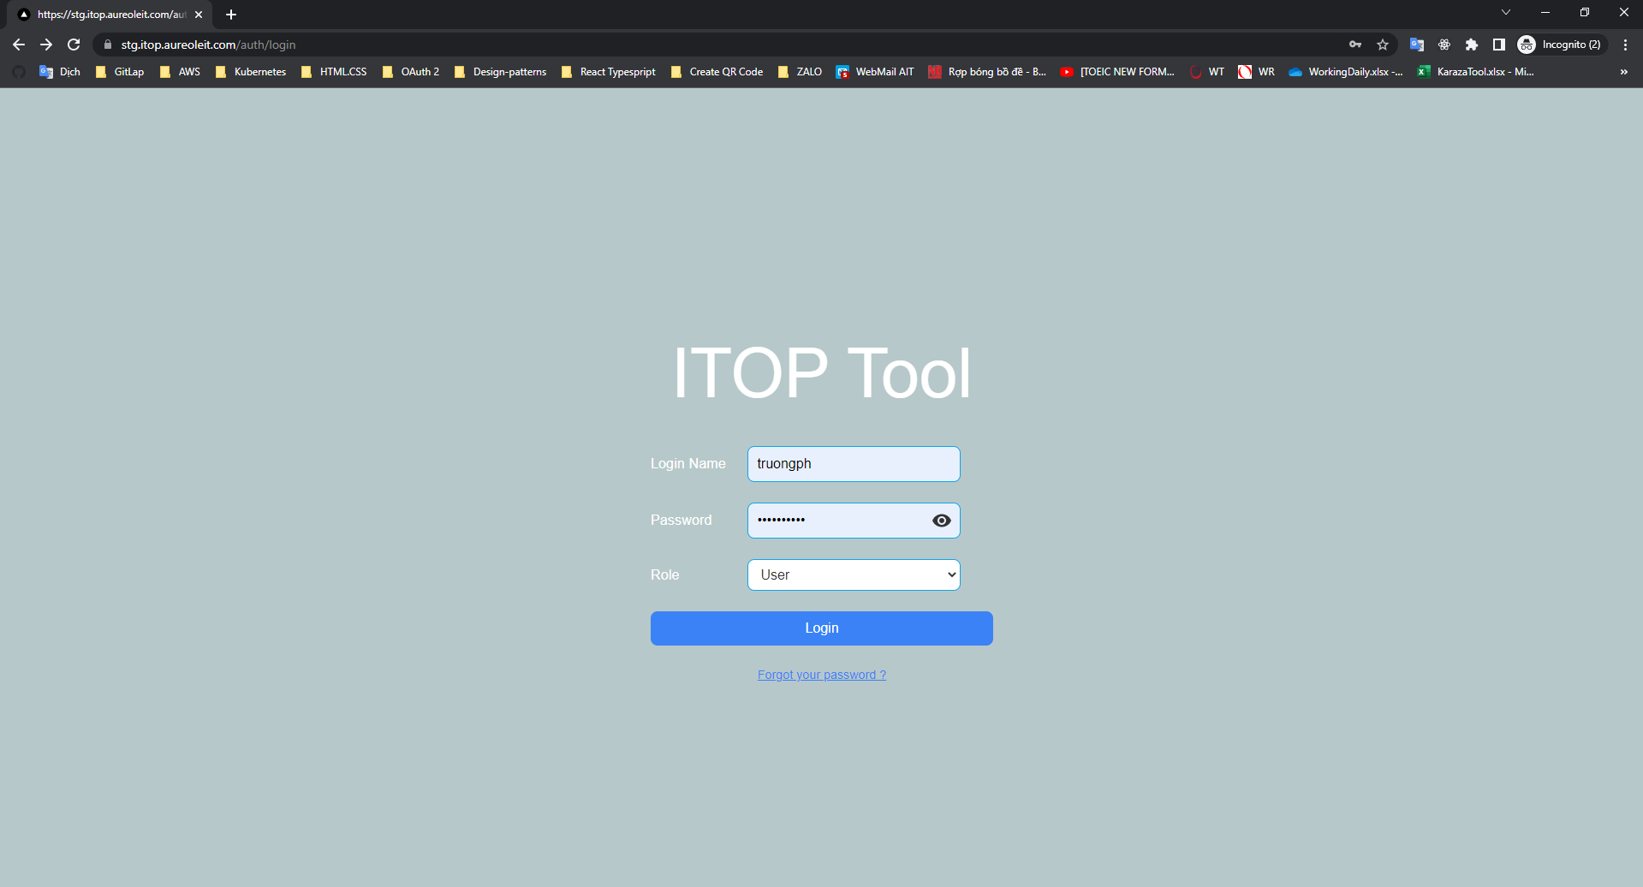

 | Click button Login. Call API login

