E-001
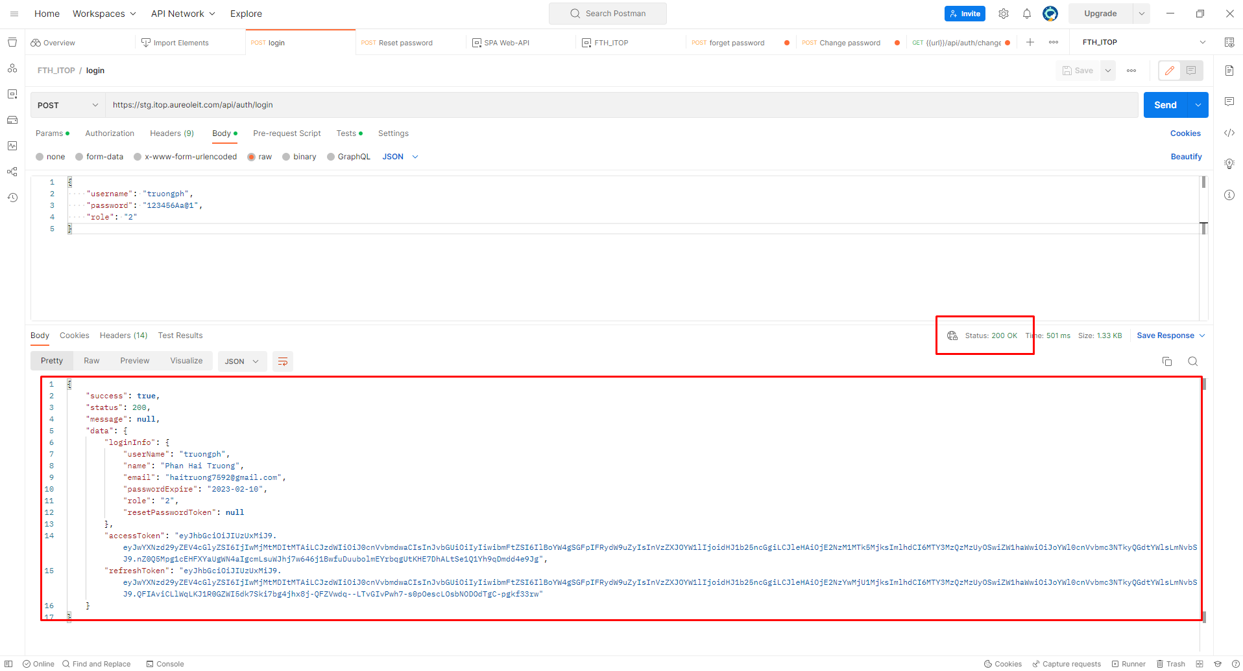
E-001

 | Test API by Postman

 | Prepare for Param input

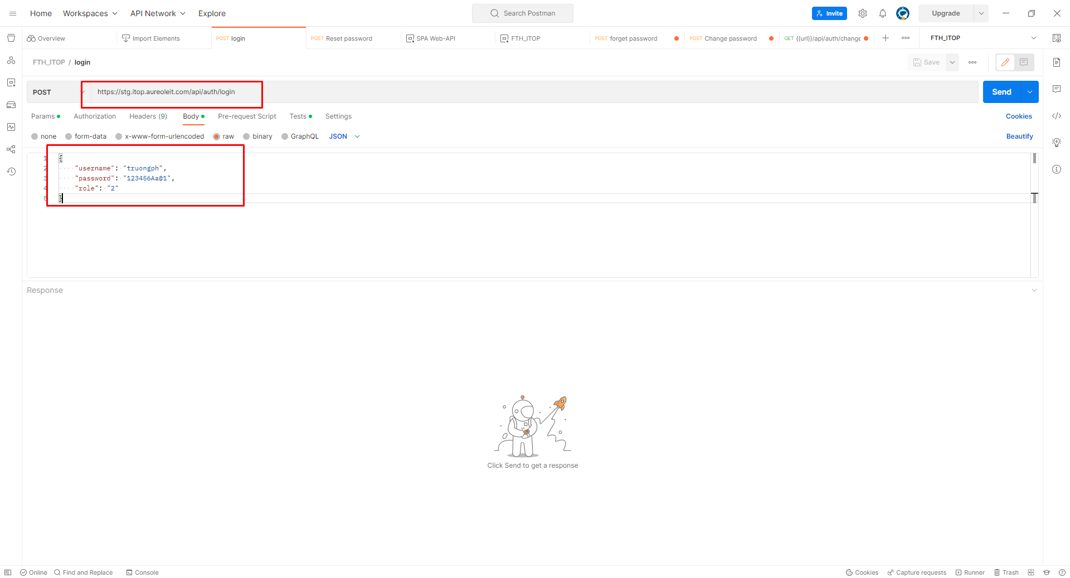

 | Click button Send in Postman will call API login

E-002
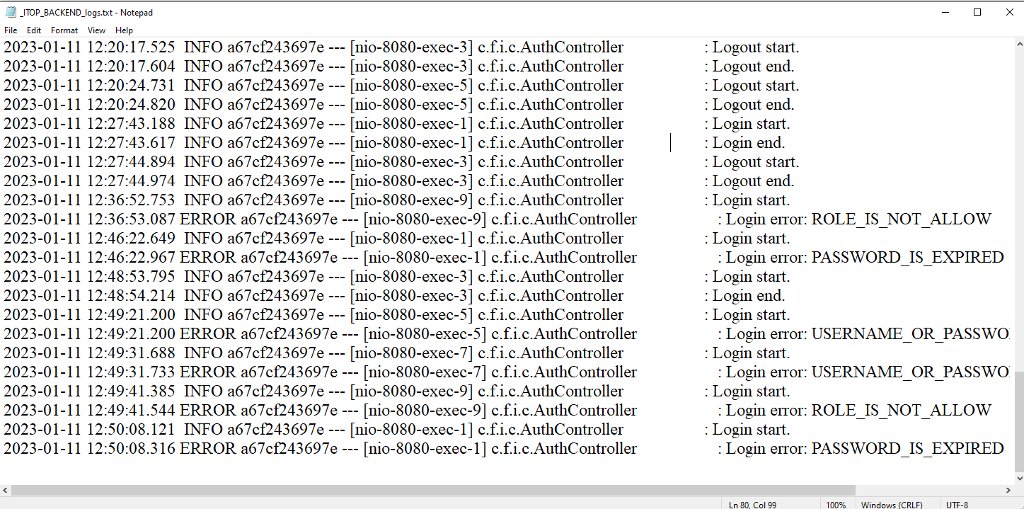
E-002
 | Test by Postman

 |  | Data User in DB

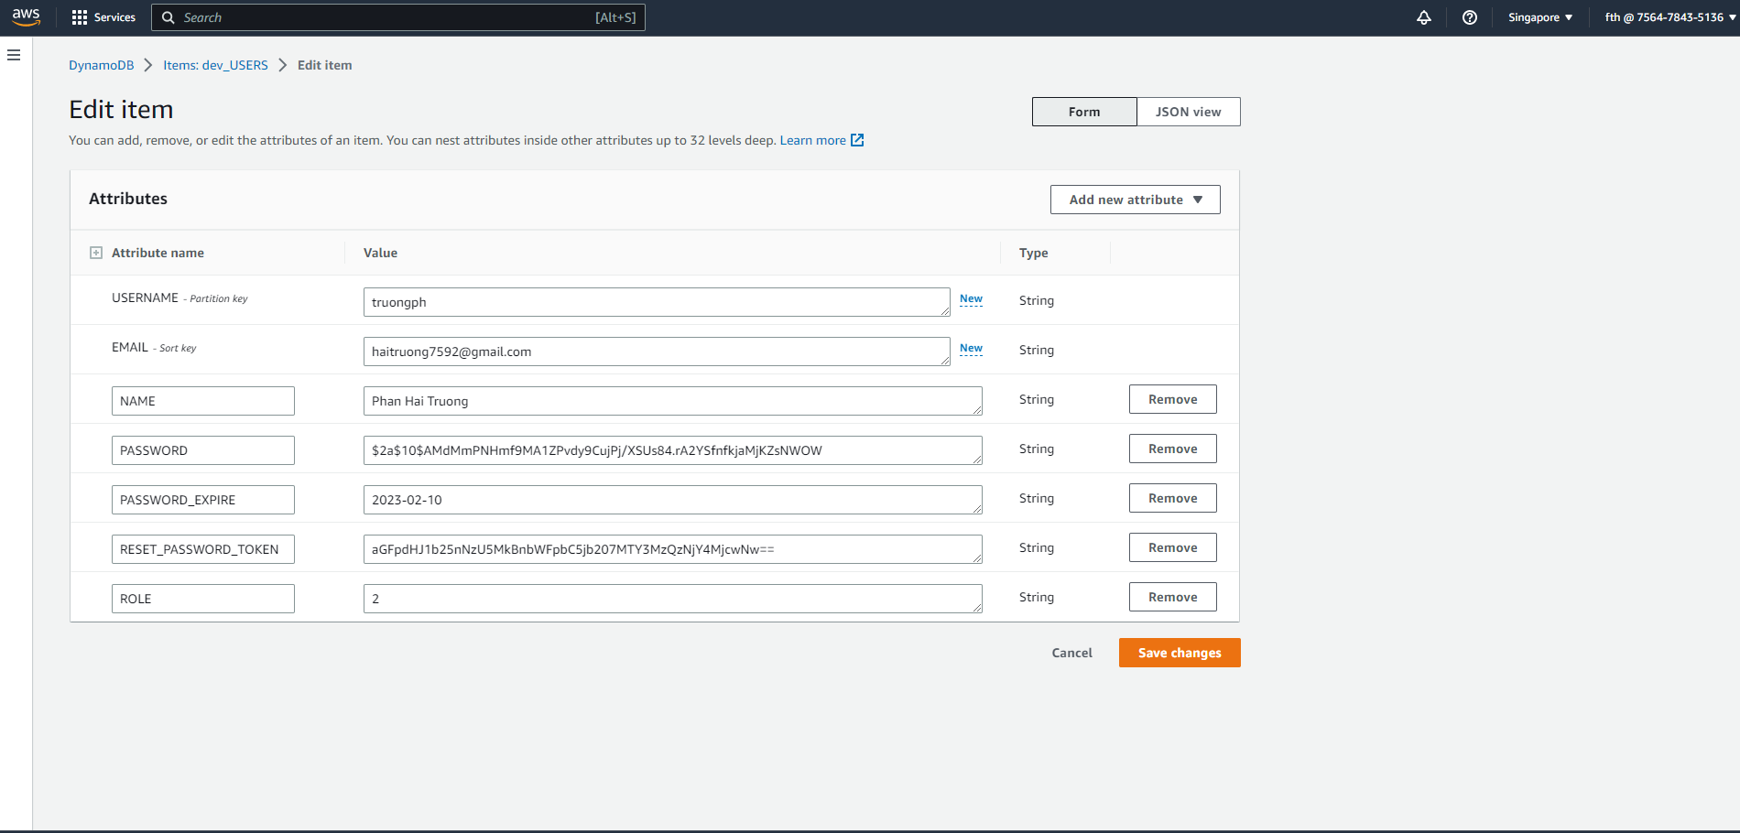

 | +) Username or password is empty
 |  |  | Password is empty



 |  |  |  | Click button Send in Postman will call API login

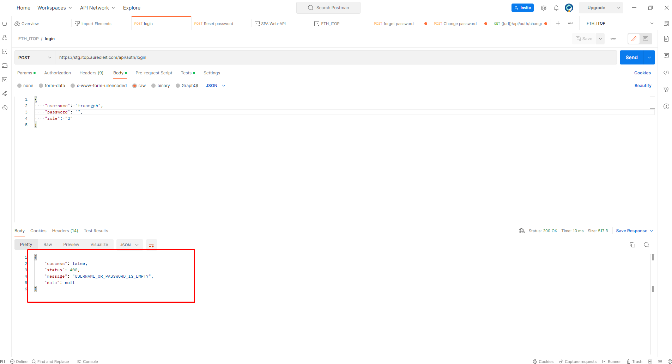

 | +) Username or password is not correct

 |  |  |  | Username is not correct

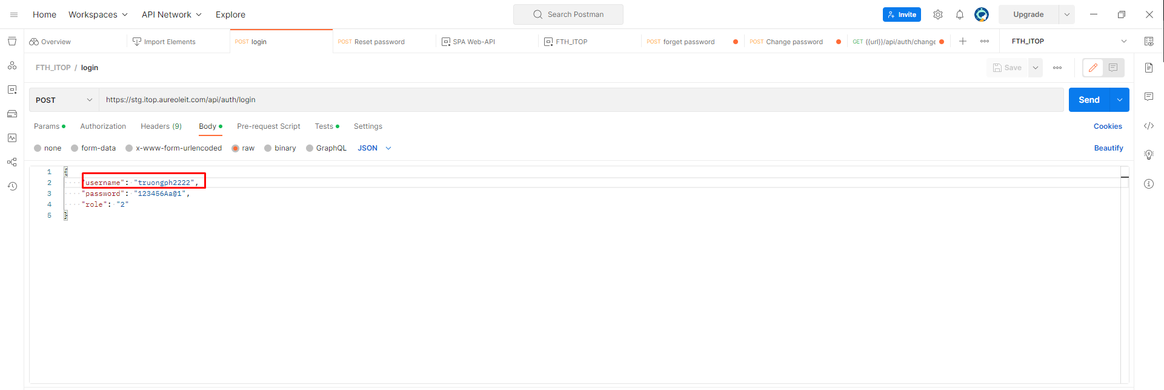

 |  |  |  | Click button Send in Postman will call API login
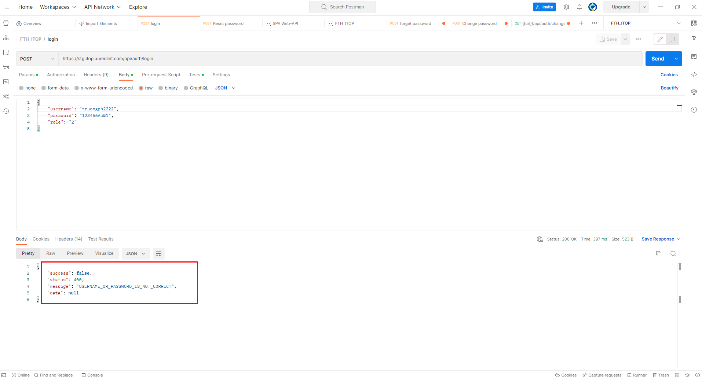

 | +) Role is not allow

 |  |  |  | Role in DB is 2, Role in Postman is 1
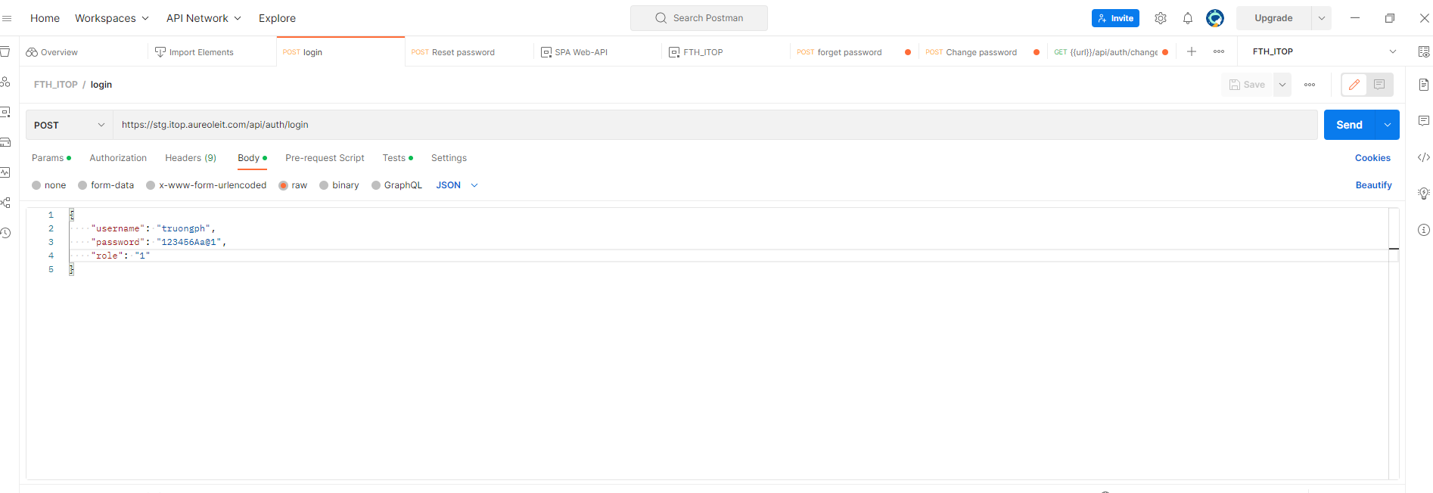

 |  |  |  | Click button Send in Postman will call API login


 | +) Password is expired

 |  |  |  | Now Date is 2023/01/11, PASSWORD_EXPIRE in Database is 2021/02/10

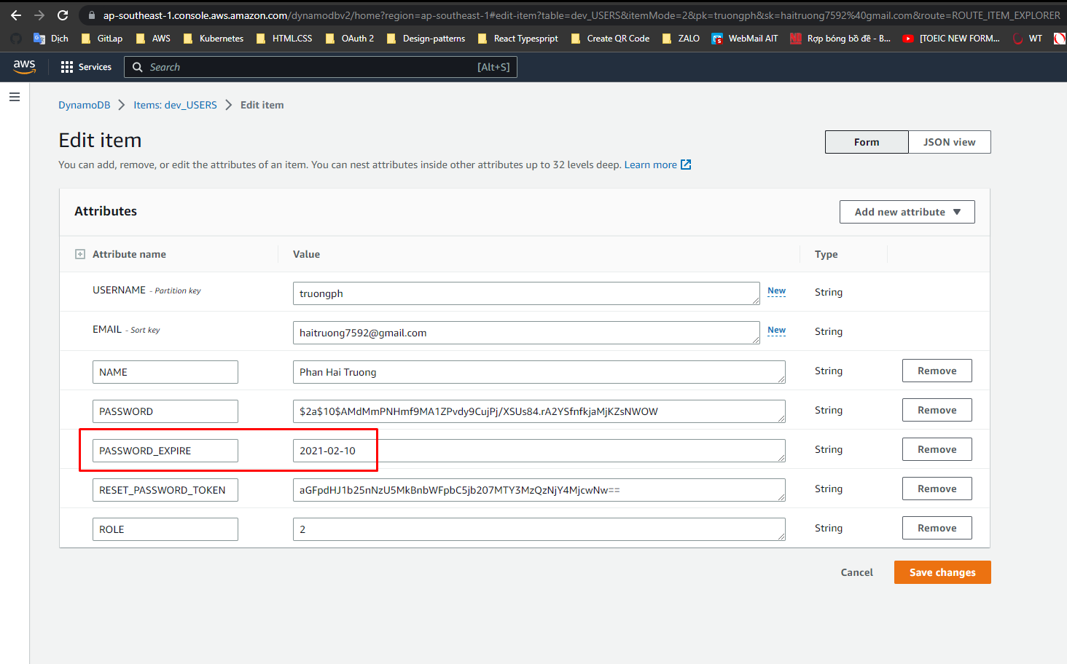

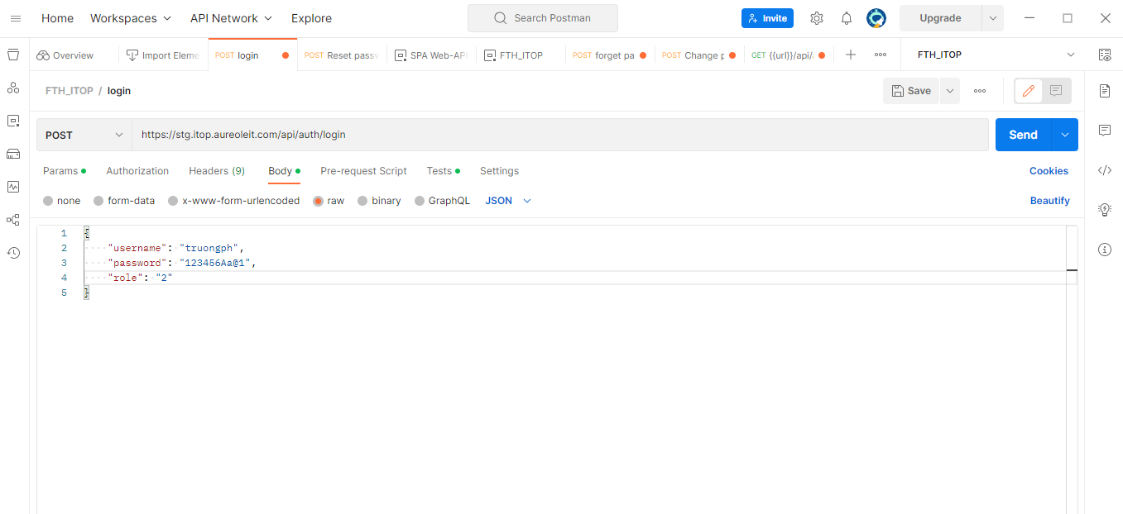

 |  |  |  | Click button Send in Postman will call API login

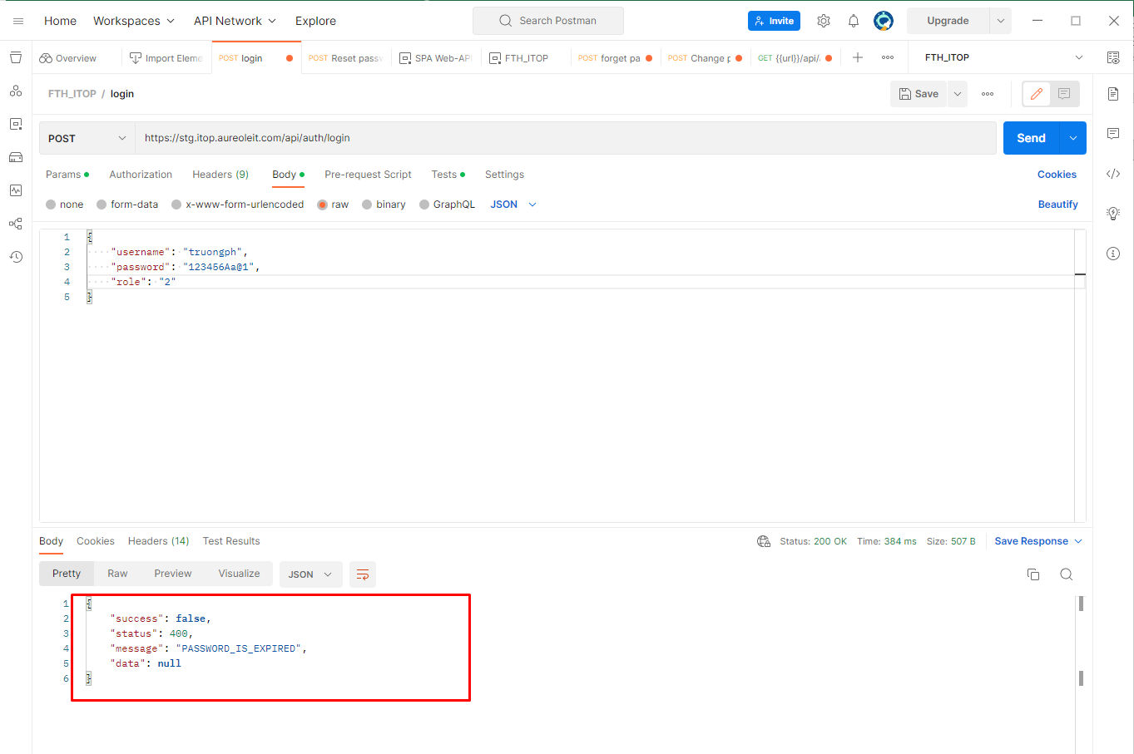

 | File log

E-003
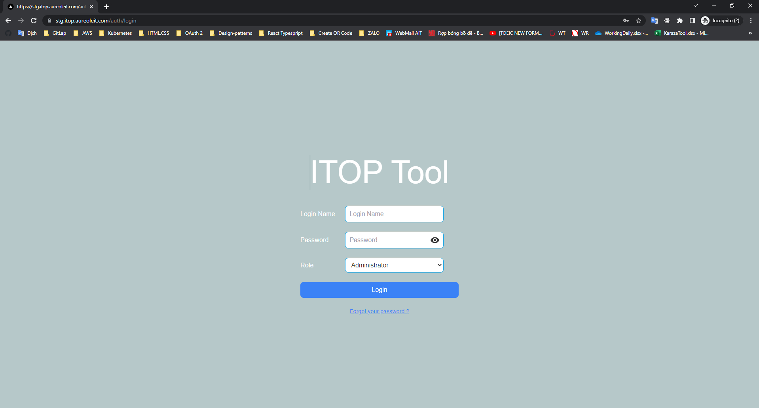
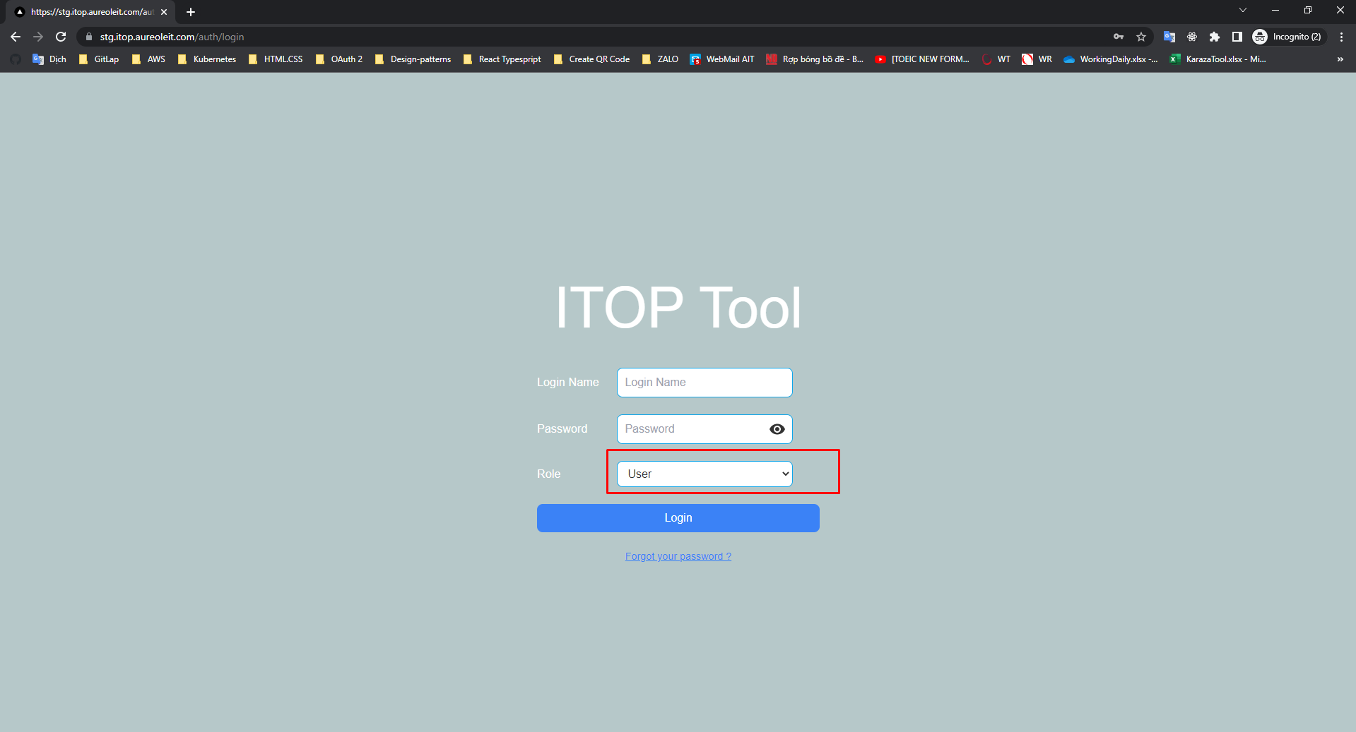
E-003

 | 1. Check login name and password is empty

 |  | +) Login name and password is empty

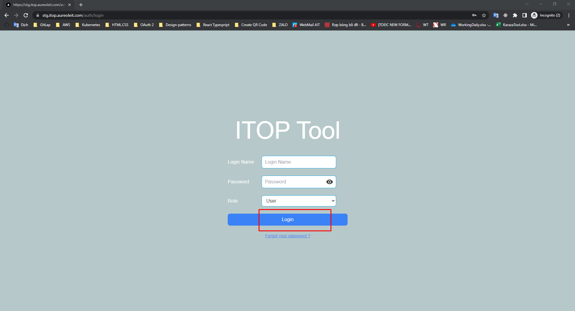
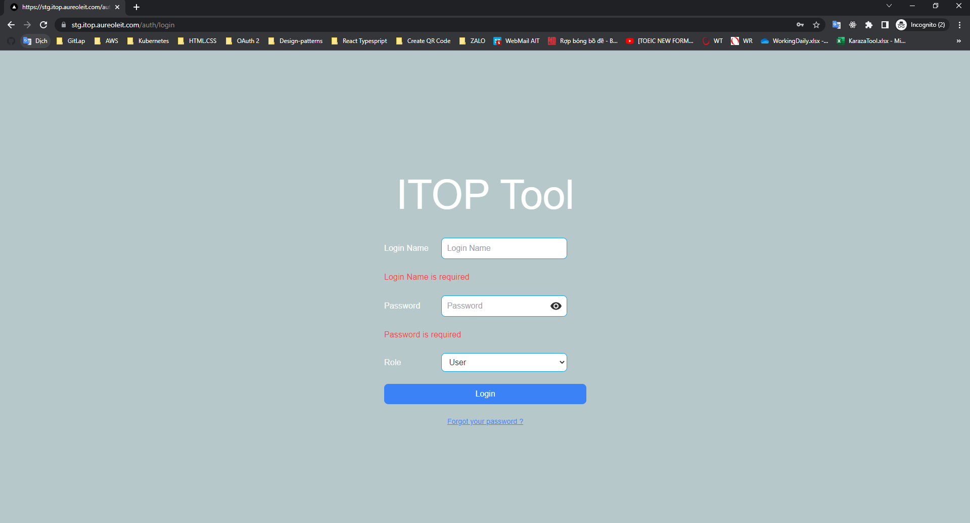

 |  |  | +) Only login name is empty

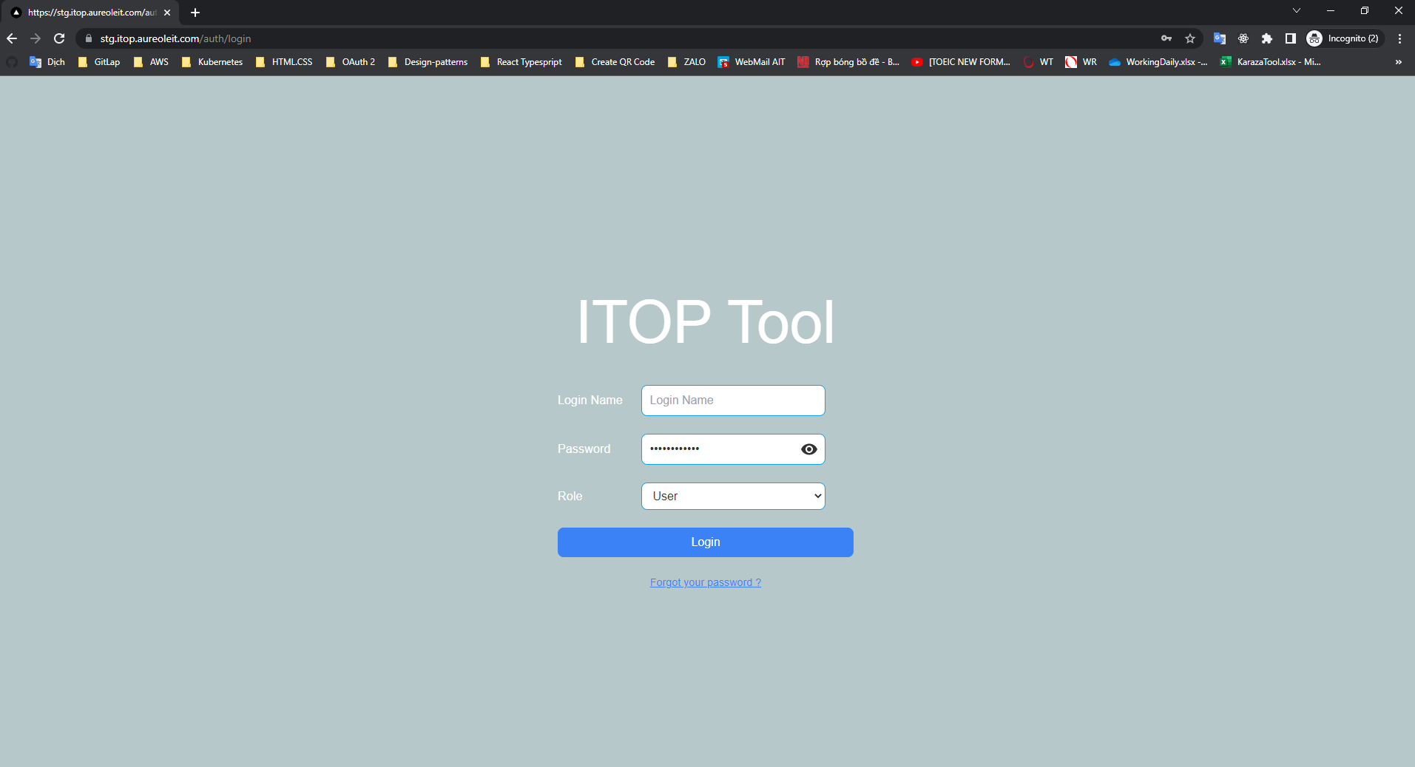
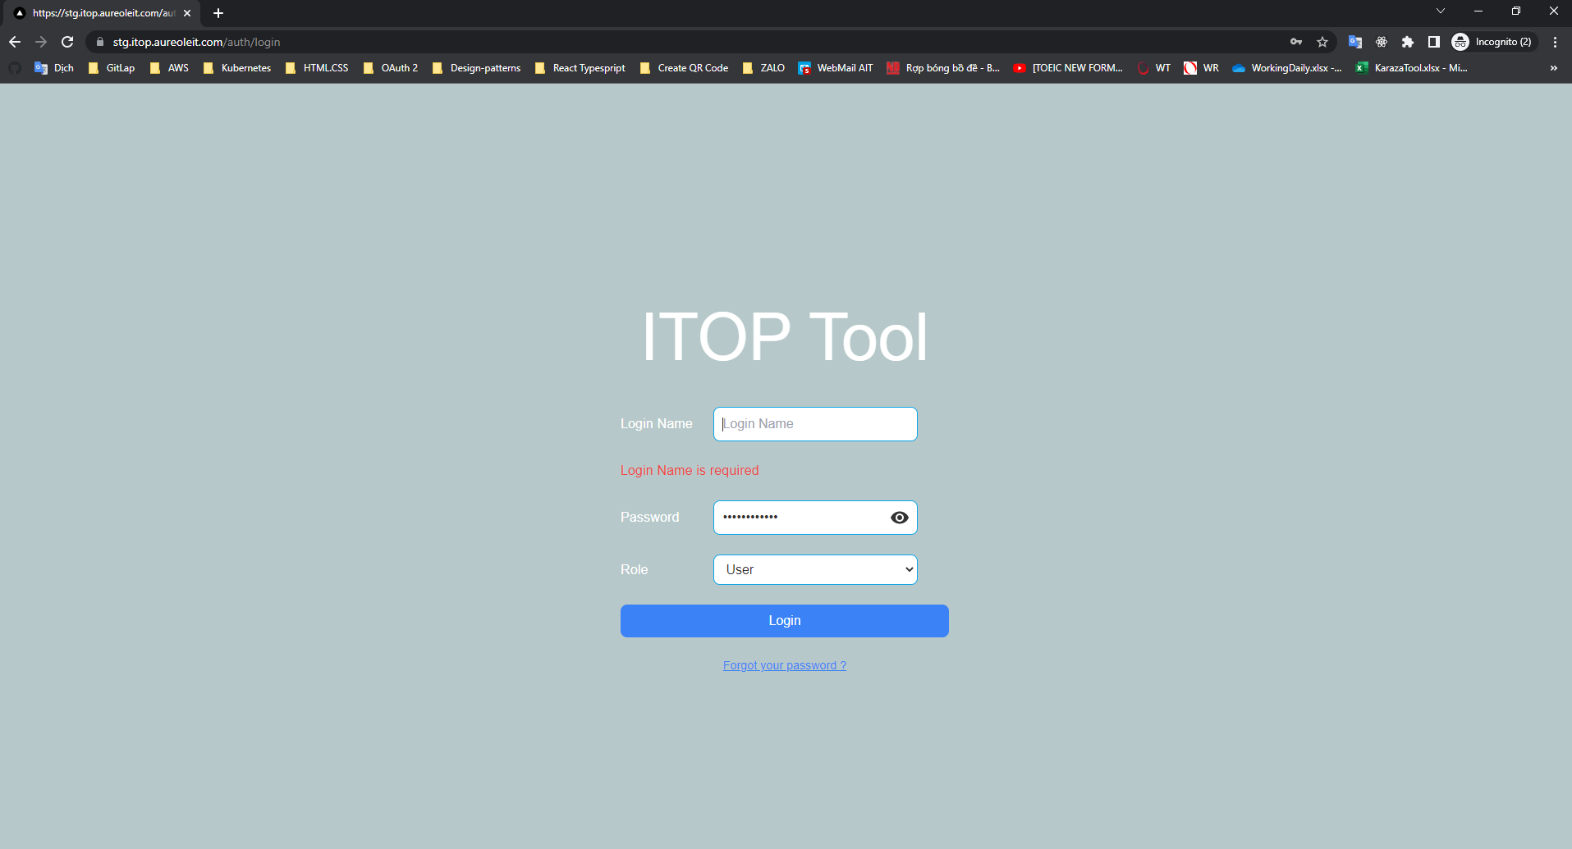

 |  |  | +) Only password is empty

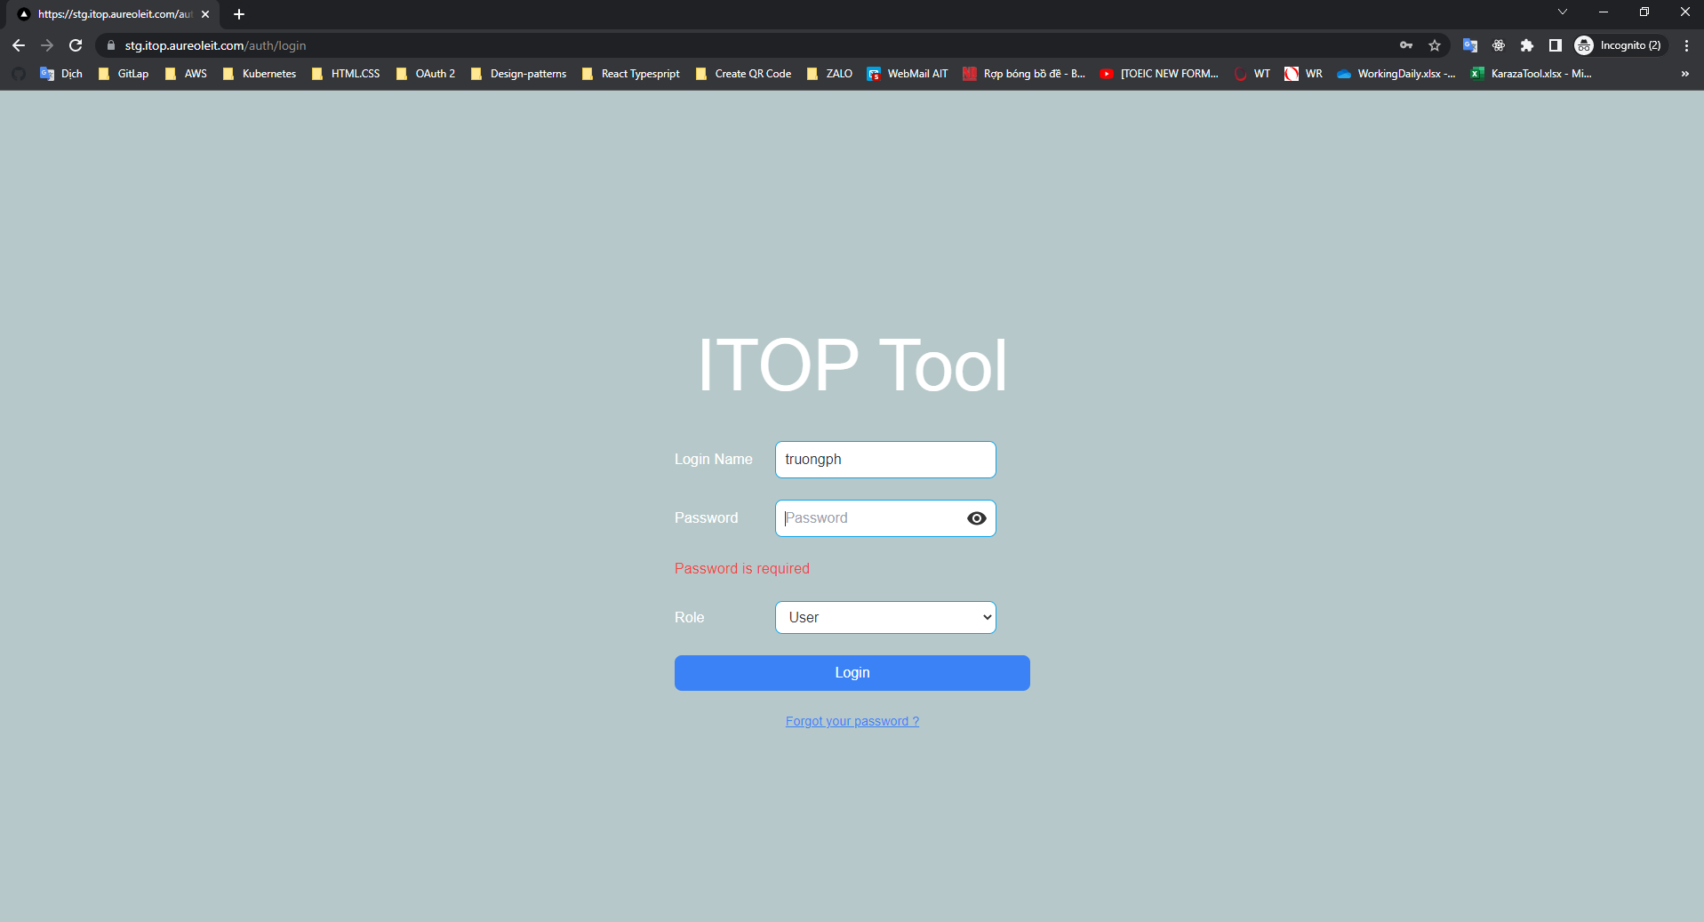


 | 2. Check password min len is 6 and max len is 25. There is a error

 |  |  | +) Password has 2 characters

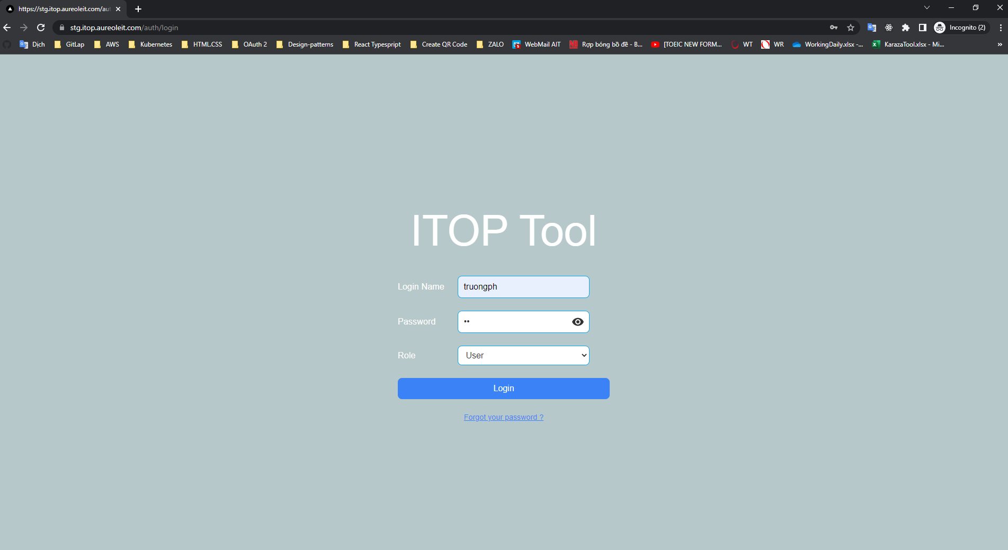
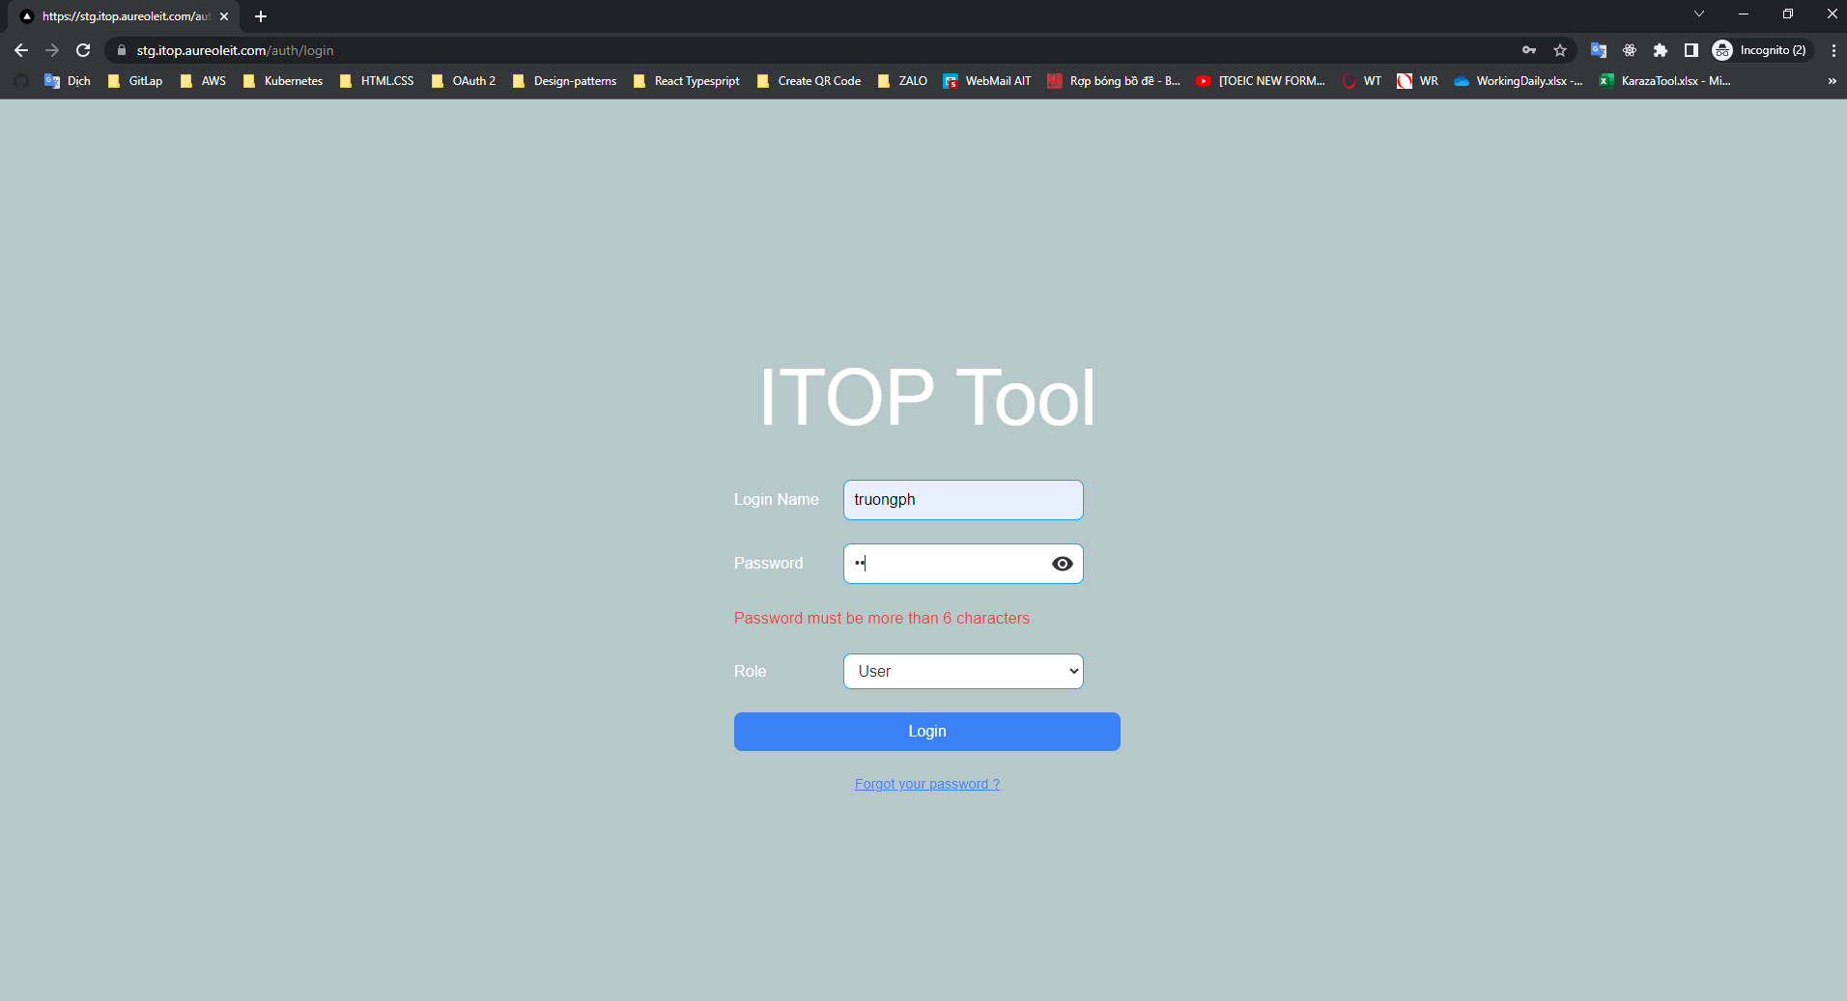

 |  |  | +) Password has 28 characters

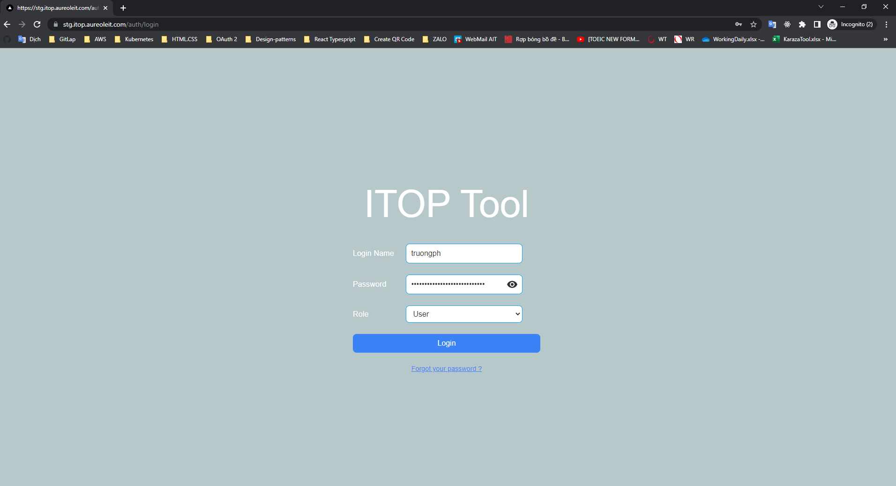
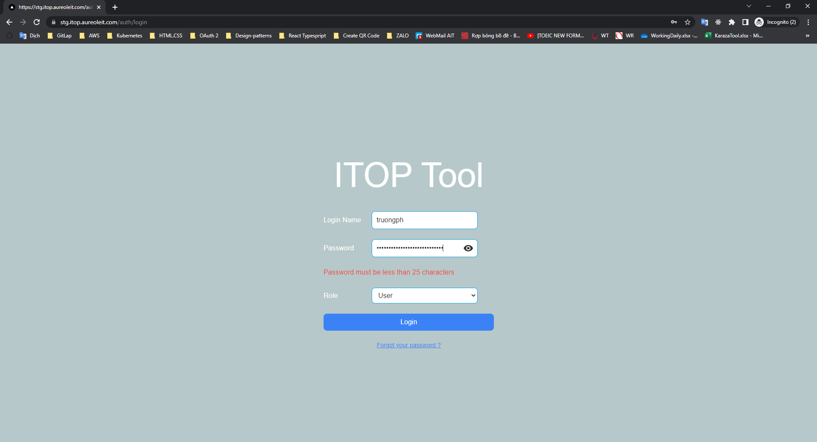

 | 3. Check role default is Userr

 |  |  | When press F5, Role User display

E-004
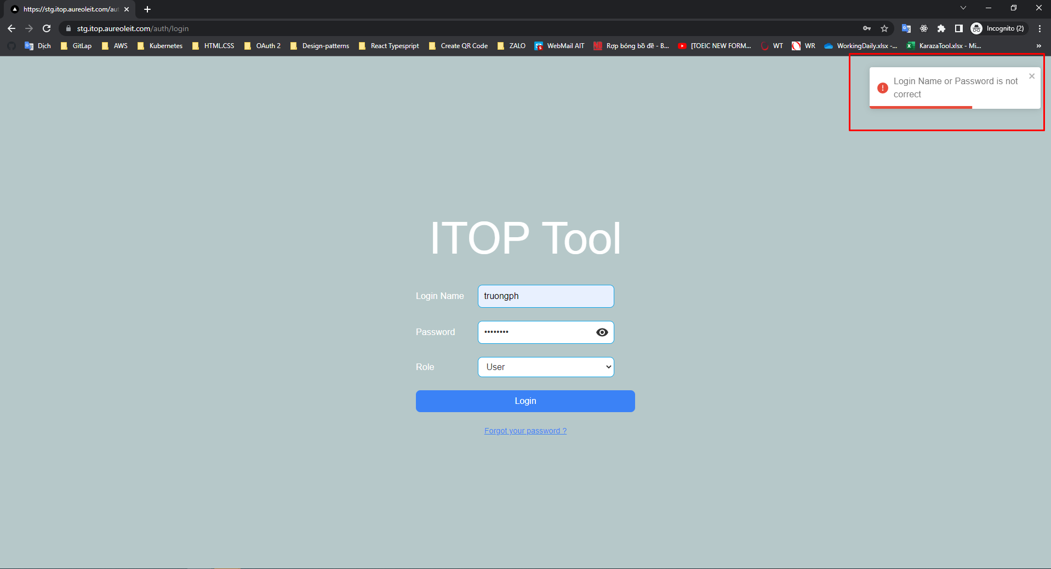
E-004

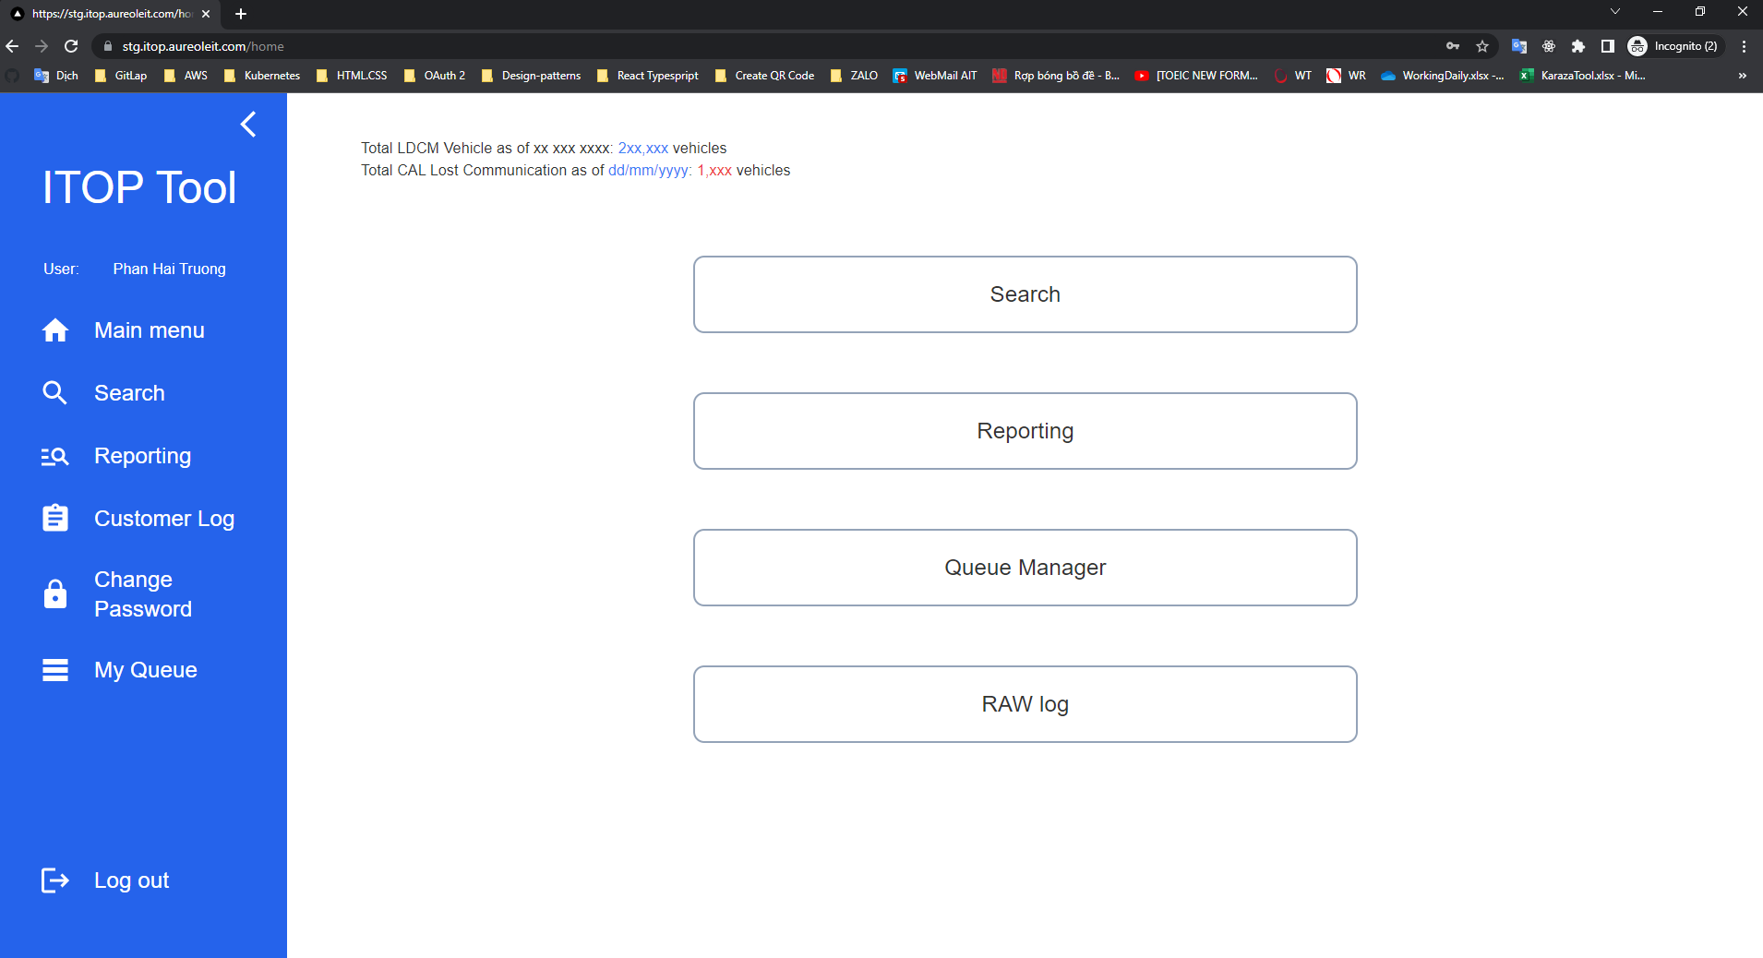
 | 1. If login is successful then redirect to home page

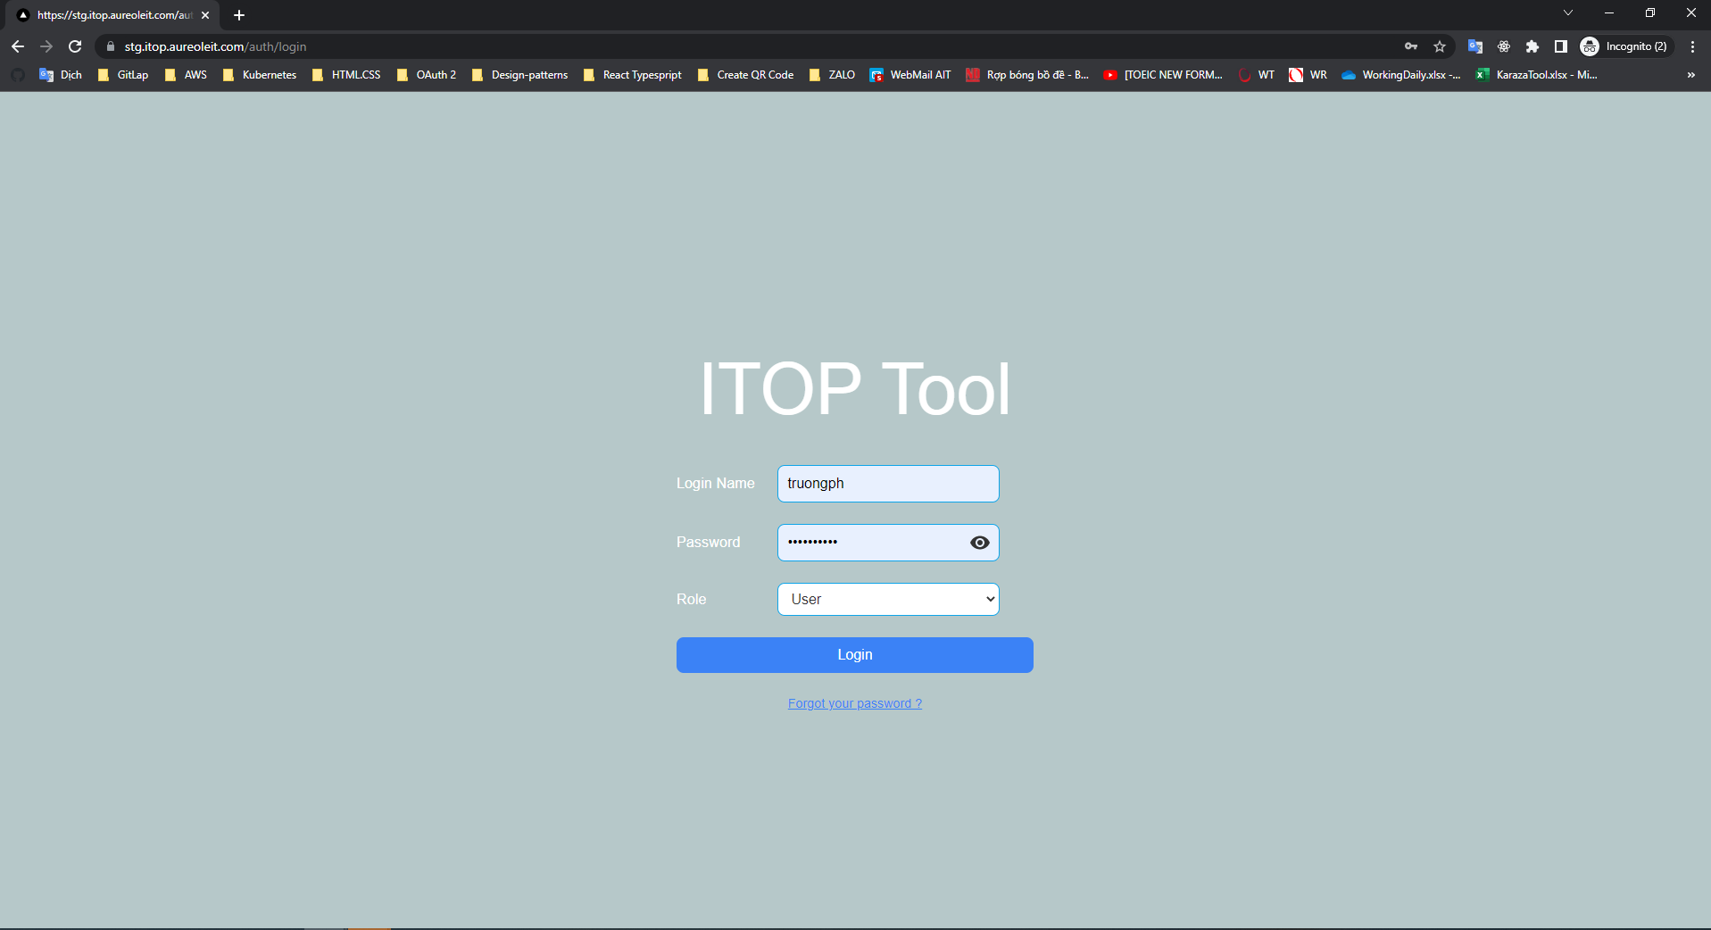

 | 2. If login error, only error message is displayed

E-005
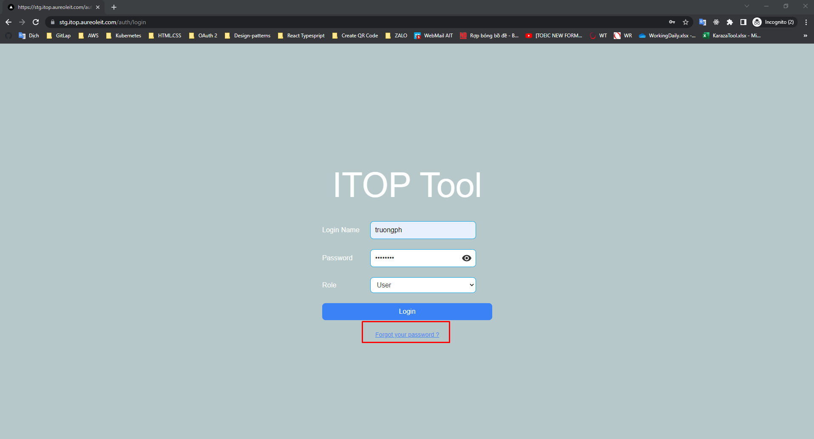
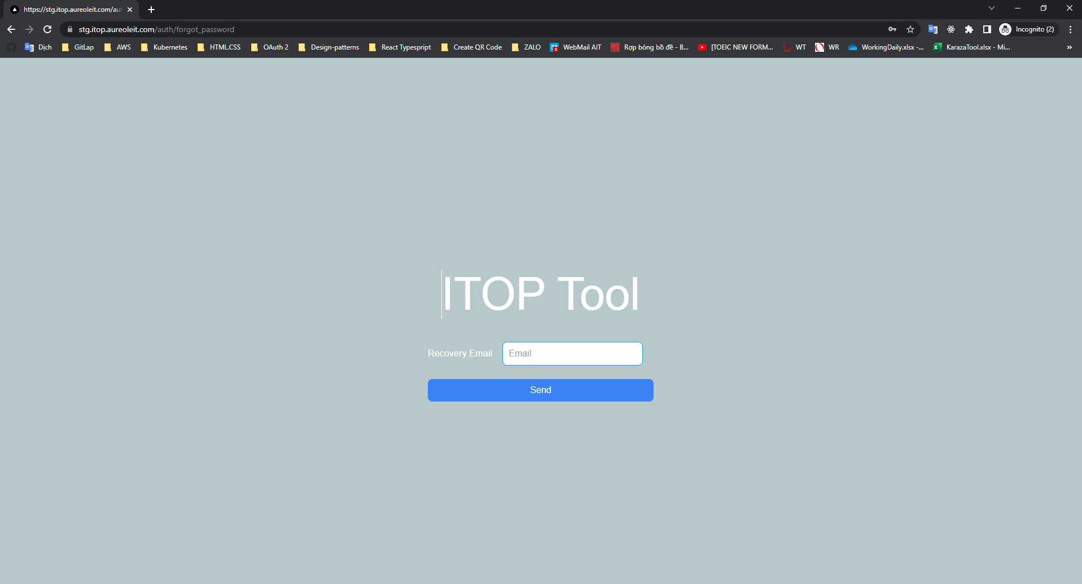
E-005

 | Link Forgot your password?

