About Data
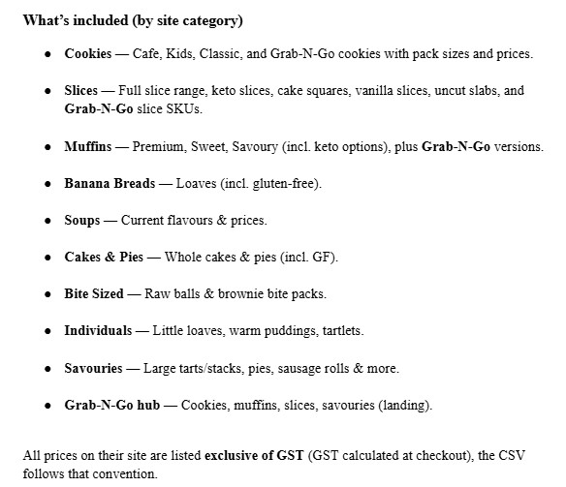
 |  | Attached is the catalog export in JSON format with developer-friendly fields (normalized slugs, inferred category IDs, and source URLs) for direct POS seeding.

 |  |  | cookie_barrel_catalog_devseed_2025-09-19.json

Website | https://www.cookiebarrel.com.au

