Validation Analytics
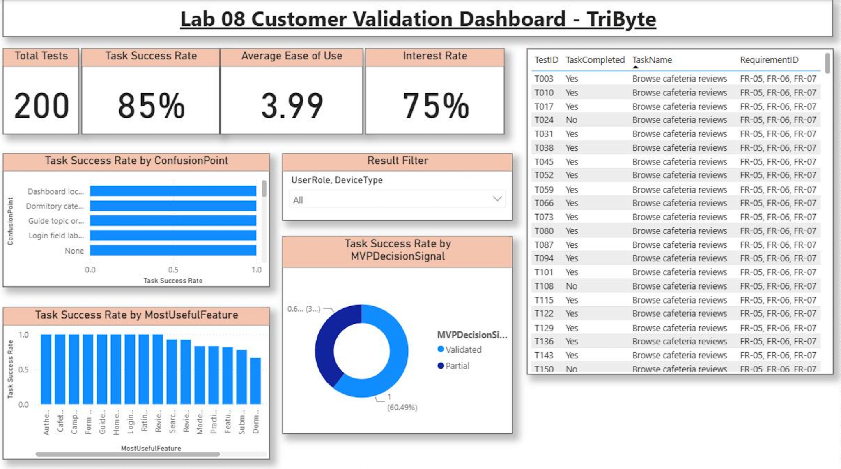
Power BI Validation Analytics Dashboard

Static screenshot from Lab08_TriByte_Validation_Analytics.pbix

