Excl. Guests Rooming List
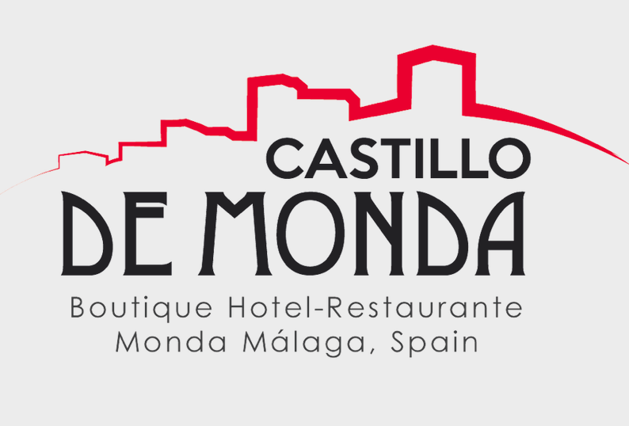
Group sheet Castillo de Monda

Accommodation allocation for exclusive events :
34 Rooms

1 Family rooms (You and Yours)
6 Junior Suites (Castillo Junior)
15 Superior rooms (Superior Comfy)
13 Standard rooms (Comfy) |  |  |  |  |  |  |  |  |  |  |  |  | EXCLUSIVITY DAY

Number of rooms | Room Number | Room Type | Room Location | Booking reference | Room additionals | Guest Name(s) and Surname(s) | Email address | First guest phone number | Adults | Kids (include the age) | DATES | 16th APRIL | 17th APRIL | 18th APRIL | 19th APRIL | Rate Euros No exclu. days Breakfast Incl. | Rate Euros Exclu. days Breakfast Incl. | Prices per day | amount guests to pay | Notes :

1 | 101* | Superior | It is on the 4th floor. Access is via stairs. |  | Terrace on the roof TWIN

2 | 201 | Standard double | It is on a stairs behind the reception

3 | 202 | Castillo Junior | It is on a stairs behind the reception. Terrace

4 | 301 | Standard Double | It is on 3rd floor

5 | 302 | Standard Double | It is on 3rd floor

6 | 303 | Standard Double | It is on 3rd floor
7 | 400* | Family room | It is on the 4th floor at the end of the corridor. |  | Twin Terrace 3 adults or 2 adults and 2 kids
8 | 400A |  | It is on the 4th floor at the end of the corridor. |  | Terrace
9 | 401* | Standard Double | It is on the 4th floor at the end of the corridor first stairs up |  | Twin
10 | 402* | Standard Double | It is on the 4th floor at the end of the corridor first stairs up |  | Twin
11 | 403* | Superior | It is on the 4th floor at the end of the corridor |  | Twin Terrace
12 | 404* | Superior | It is on the 4th floor at the end of the corridor |  | Twin + terrace+seating area
13 | 405* | Superior | It is on the 4th floor |  | Twin + terrace
14 | 406* | Superior | It is on the 4th floor |  | Seating area TWIN
15 | 407* | Superior | It is on the 4th floor |  | Terrace TWIN
16 | 408* | Superior | It is on the 4th floor |  | Seating area TWIN
17 | 409* | Superior | It is on the 4th floor a the begining of the corridor |  | Twin + spacious room
18 | 410* | Superior | It is on the 4th floor at the begining of the corridor |  | Twin + spacious room
19 | 501 | Standard Double | It is on the 4th floor, at the end of the corridor, on the seconds stairs up |  | nice view
20 | 502 | Standard Double | 4th floor, at the end of the corridor, on the second stairs up |  | nice view
21 | 503 | Standard Double | 6th floor, go through bar into garden |  | small room/nice view
22 | 505* | Family Room | 5th floor |  | TWIN 4 adults maximum 2 twin beds + 1 double bed
23 | 506 | Castillo Junior | It is on the 5th floor |  | Terrace
24 | 507 | Superior | It is on the 5th floor, on the left side |  | Seating area
25 | 508* | Standard Double | 5th floor on the left side once you exit the elevator |  | TWIN
26 | 601 | Standard Double | 6th floor, cross the bar, go to garden. |  | Views
27 | 602* | Standard Double | 6th floor, cross the bar, go to garden |  | TWIN + nice view
28 | 603 | Castillo Junior | 6th floor, cross the bar, go to garden and on the tower |  | Terrace / 4 poster
29 | 700 | Castillo Junior | 6th floor, once you go to the bar second door on the left |  | TERRACE
30 | 701* | Superior | 6th floor, go to the bar second door on left. |  | TWIN TERRACE
31 | 702 | Superior | 6th floor, go to the bar -second door on left. |  | Terrace
32 | 703* | Castillo Junior | 6th floor, cross the bar, go to gardenand on the tower |  | Terrace TWIN
33 | 704 | Standard Double | 6th floor, cross the bar and first door on the right
34 | 705 | Superior | 6th floor, cross the bar take the first door on the right |  | Terrace / 4 poster
35 | 706 | Castillo Junior | 6th floor, cross the bar take the first door on the right |  | Terrace
4 extra beds possible for children |  |  |  | 35 € / day | 101-408-409-410-506-507-508-602
2 sofa beds for a child each |  |  |  | 35 € / day
4 cots possible |  |  |  | 7.50 € / day

* Please advise if you have any kind of room request*

Notes .
There are 5 extra beds available which can be placed in every room type.

