BugReport of TC_Reg_003
ID Number | 1
Report Name | Registering a new user with empty name fields
Reporter | Youssef Zaafan Atya
Submit Date | 27/8/2025
Releated TestCase | TC_Reg_003
Summary | The application allows new users to register with empty name fields during account creation.
ScreenShots | 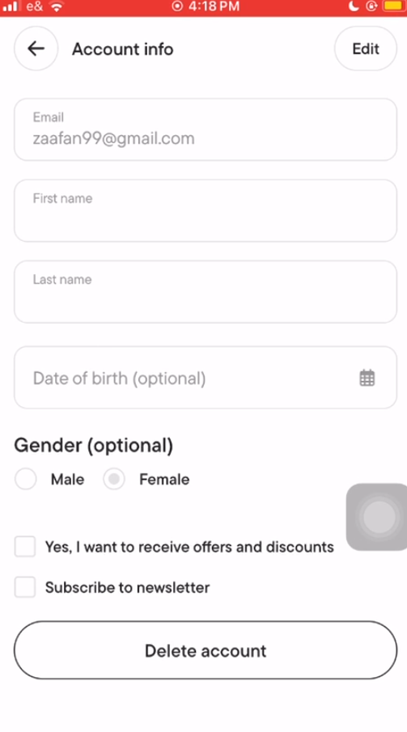 | ScreenRecored |  | Drive link
Environments | Platform: iPhone SE2 OpreatingSystem: iOS 18.5 Application: Talabat Mobile App Version: 12.90.0(6386) |  | Platform: HUAWEI Y7 Prime 2018 OpreatingSystem: EMUI 8.0.0 Application: Talabat Mobile App Version: 12.90.4(2118)

Severity | High
Assigned to | Talabat SW Testing team
Priority | High

Description | The application allows a new user to register with empty name fields. This illogical behavior can negatively impact partner brands and drivers, as they may be unable to properly identify or recognize the customer during order processing and delivery.

Steps to Reproduce | 1- Turn on location services on the device. 2- Intsall the app then open it 3- Select registeration option = "Continue with email" 4- Select "Creat new account" 5- Leave "First Name" and "Last Name" fields empty (enter spaces only) 6- Enter "Email" = "zaafan99@gmail.com" 7- Enter "Password " = " Z12345678z#" 8- Uncheck "recive offers" and "discounts" 9- Press on "Create account" 10- Confirm Pick point on map 11- Observe the results

Expected Result | The application should prevent users from registering with empty name fields.

Actual Result | The application allows users to register successfully with empty name fields.

BugReport of TC_AS_007
ID Number | 2
Report Name | Last Name Field in Account Settings Fails to Register User Input
Reporter | Youssef Zaafan Atya
Submit Date | 27/8/2025
Related TestCase | TC_AccountSetting_007
Summary | The Last Name field in Account Settings fails to register user input, preventing users from updating their name.
ScreenShots | 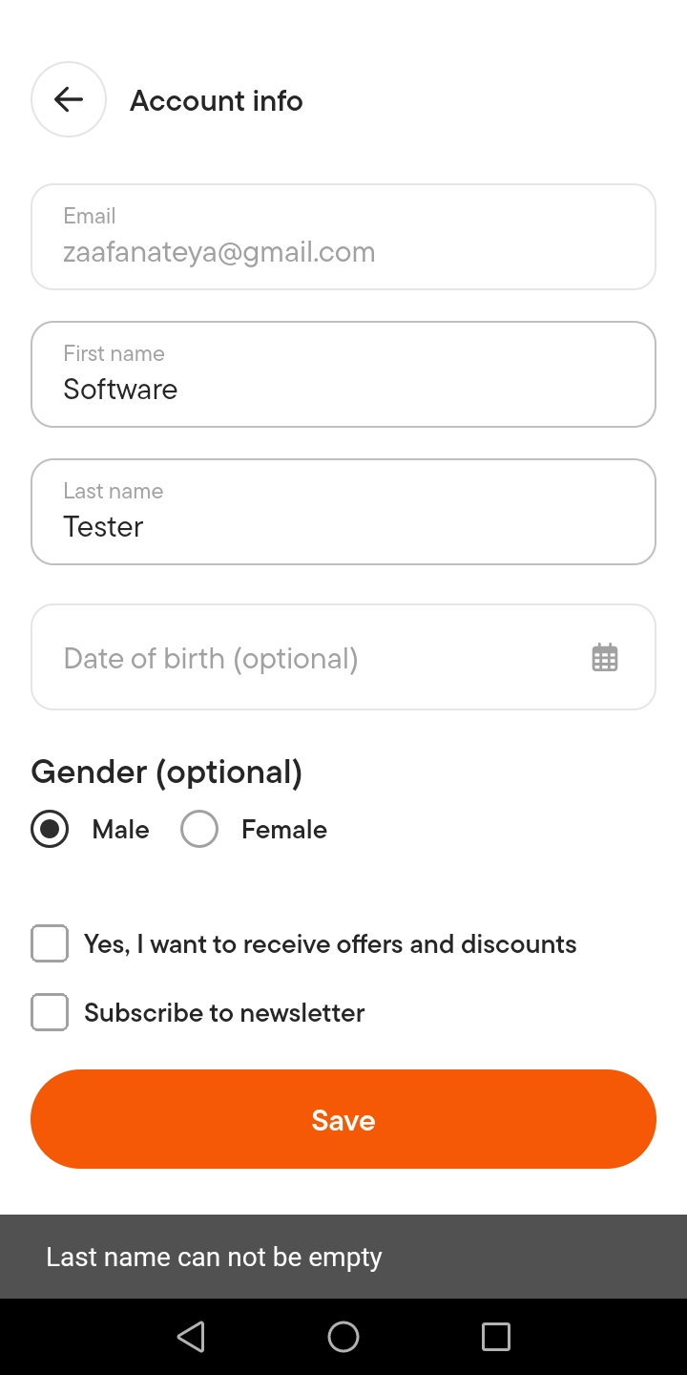 | ScreenRecored | Drive link
Environment | Platform: HUAWEI Y7 Prime 2018
 | Opreating System: EMUI 8.0.0
 | Application: Talabat Mobile App
 | Version: 12.90.4(2118)
Severity | Medium
Assigned to | Talabat SW Testing team
Priority | Low

Description | The application prevents users from updating their names due to a malfunction in the Last Name field within the Account Settings. When users enter their last name, the field fails to detect the input and triggers an error message stating that the field cannot be empty. As a result, users are unable to save changes to their name.

Steps to Reproduce | 1- Open the app and login with registered user 2- Press on "Account" 3- Press on "Setting " 4- Select "Account info" 5- Press on "Edit" 6- Enter "Software" to "First name" field 7- Enter "Tester" to "Second name" field 8- Press on "Save" 9- Observe the results

Expected Result | The application should let users update their name without any problems. and it should be saved successfully

Actual Result | The application doesn’t save the new name. Instead, it shows an error message saying “Last name cannot be empty” even when the user has typed something in.

BugReport of TC_AddressField_08
ID Number | 3
Report Name | No Restrictions Applied on Address Fields
Reporter | Youssef Zaafan Atya
Submit Date | 27/8/2025
Related TestCase | TC_AddressFileds_008
Summary | Address fields accept special characters and invalid data without validation, allowing incorrect information to be saved
ScreenShots | 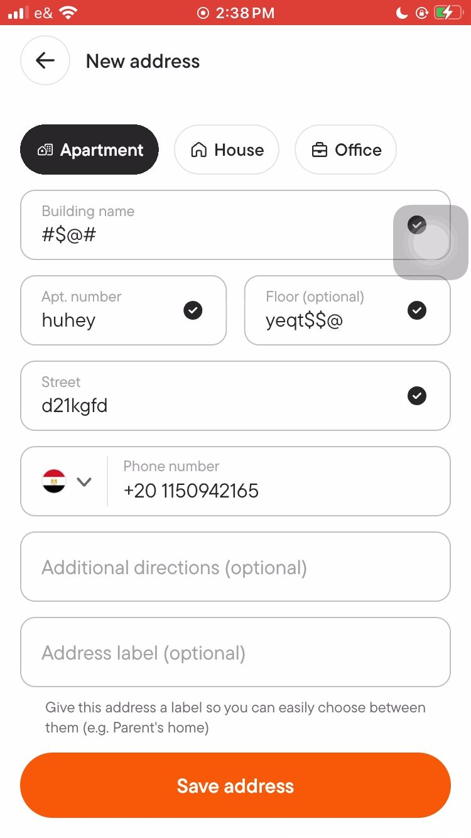 | ScreenRecored |  | Drive link
Environments | Platform: iPhone SE2 OpreatingSystem: iOS 18.5 Application: Talabat Mobile App Version: 12.90.0(6386) |  | Platform: HUAWEI Y7 Prime 2018 OpreatingSystem: EMUI 8.0.0 Application: Talabat Mobile App Version: 12.90.4(2118)

Severity | High
Assigned to | Talabat SW Testing team
Priority | Medium

Description | The application allows users to enter invalid data in the address fields without proper validation. Since the address is a critical part of the delivery process, this issue may lead to incorrect or unclear addresses, making it difficult for the driver to locate the customer and potentially delaying or failing the order delivery.

Steps to Reproduce | 1- Open the app and login with registered user 2- Cancel Choose delivery location option 3- Press on "Account " 4- Press on "setting" 5- Select "Saved Address" 6- Press on "Add" 7- Press on "Enter complete address" 8- Enter "Building name" = #$@# 9- Enter "Apt.number" = huhey 10- Enter "Floor number" = yeqt$$@ 11- Enter "Street" = d21kgfd 12- Press on "Save address" 13- Observe the results

Expected Result | 1- The application should enforce validation on the address fields. 2- Only valid characters should be accepted. 3- Special characters or irrelevant data should be restricted to ensure a clear and accurate delivery address.

Actual Result | 1- The application does not apply any validation or restrictions on the address fields. 2- Users can enter invalid data, including random symbols, numbers in incorrect places, or meaningless text. 3- Such invalid inputs are accepted and saved without any error message.

BugReport of TC_Ordering_016
ID Number | 4
Report Name | Placing orders with incomplete or invalid data.
Reporter | Youssef Zaafan Atya
Submit Date | 27/8/2025
Related TestCase | TC_Ordering_016
Summary | The application allows users placing an order even when the delivery address contains invalid or incomplete information, which may result in failed deliveries and poor user experience.
ScreenShots | 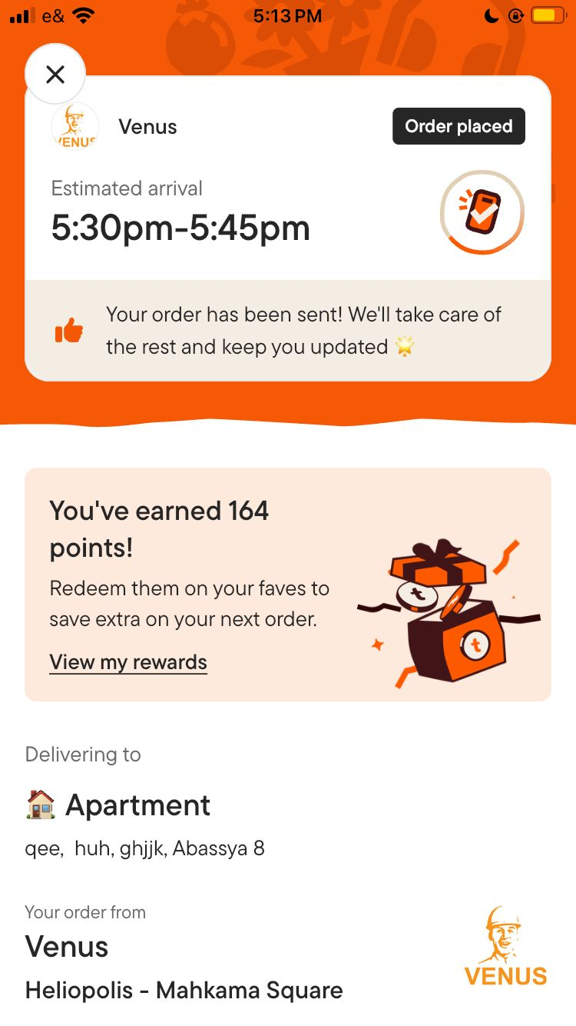 | ScreenRecored |  | Drive link
Environments | Platform: iPhone SE2 OpreatingSystem: iOS 18.5 Application: Talabat Mobile App Version: 12.90.0(6386) |  | Platform: HUAWEI Y7 Prime 2018 OpreatingSystem: EMUI 8.0.0 Application: Talabat Mobile App Version: 12.90.4(2118)

Severity | High
Assigned to | Talabat SW Testing team
Priority | High

Description | The application permits users to update their delivery address with invalid or incomplete details such as incorrect building name, street name, or apartment number. As a result, the only reliable piece of information available to the delivery driver may be the user's phone number, which could be unreachable or busy at the time of delivery. This increases the risk of failed deliveries and negatively affects user experience

Steps to Reproduce | 1- Turn on location services on the device 2- Open the app and login with registered user 3- Choose delivery location option = "Deliver to current location " 4- Press on icon = Stores 5- Select the shop = Venus 6- Select the items = 3 Steps Bulbs 7- Press on "View cart" 8- Press on "Checkout" 9- Press on "Change" button next to the selected address 10- Press on "Add" 11- Press on "Enter complete address" 12- Enter data to "Building name" box = "qee" 13- Enter data to "Apt. number" box = "huh" 14- Enter data to "Street" box = "ghjjk" 15- Select code then enter phone number = "+20 1150942165" 16- Press on "Save Address" 17- Press on "Place order" 18- Observe the results

Expected Result | The application should prevent the order to place without full valied inforamtion about the delivery point even prevent characters from input to Apt. number

Actual Result | The application allows order to place normaly with invalied information

BugReport of TC_Ordering_017_18
ID Number | 5
Report Name | Order Placement with Country Mismatch and Unsynced Phone Location
Reporter | Youssef Zaafan Atya
Submit Date | 27/8/2025
Related TestCase | TC_Ordering_017 /TC_Ordering_018
Summary | The app allows an Egyptian user to switch their country to another one without syncing with the phone’s actual location. This issue leads to inconsistent behavior: - On iOS: The problem occurs only when location services are turned ON. - On Android: The issue is already fixed when location services are ON. - On both platforms: The issue still exists when location services are turned OFF.
ScreenShots | 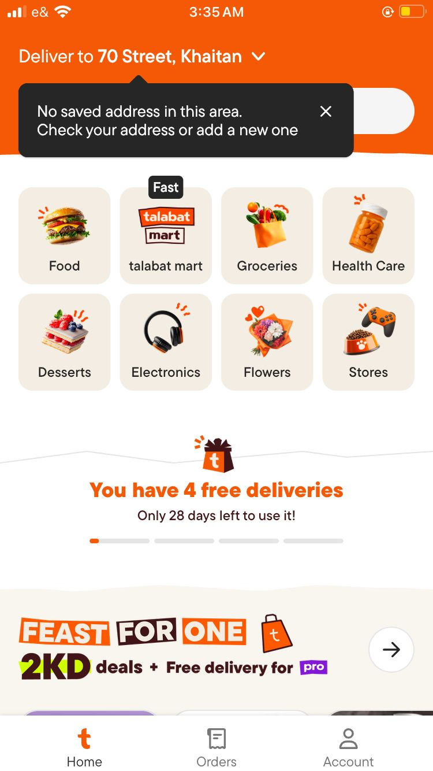 | ScreenRecored |  | Drive link
Environments | Platform: iPhone SE2 OpreatingSystem: iOS 18.5 Application: Talabat Mobile App Version: 12.90.0(6386) |  | Platform: HUAWEI Y7 Prime 2018 OpreatingSystem: EMUI 8.0.0 Application: Talabat Mobile App Version: 12.90.4(2118)

Severity | High
Assigned to | Talabat SW Testing team
Priority | High

Description | The application allows users to switch their country to another country without validating the phone’s actual location or requesting authentication. After switching, the users can place and confirm orders to addresses in the selected country. This represents a gap in location-based validation and could result in: - Incorrect deliveries - Misuse of the platform - Financial and reputational risks for partner restaurants

Steps to Reproduce | 1- Turn on the decvie location services 2- Open google chrome enter search data = "current location" 3- Observe the result 4- Enter the app and login with registered user 5- Press on "Account" 6- Press on "Setting" 7- Press on "Country" and Change it to new Country = " Kuwait" 8- Choose delivery location option = "Deliver to a different location" then select "70 Street, Khaitan" on map 9- Press on icon = "food" 10- Select the shop = "Kababji Al Jood" 11- Select the items = (e.g., "5 Hummus , 4 Shish Tawook Sandwich , 3 Half Griled Chiken") 12- Press on "View cart" 13- Press on "Checkout" 14- Press on "Change" address 15- Press on "Add" 16- Press on "Enter complete address" 17- Enter invalid data =(e.g., "70 Streetbn,jjn,nnnn,hhhn") 18- Select code and Enter phone number = "+20 1150942165" 19- Select Payment Method = "Cash" 20- Press on "Place order" 21- Observe the results

Expected Result | The application should validate the device’s actual location and users should not be able to switch countries or place cross-country orders without authentication

Actual Result | The app allows users to switch countries and place orders without validation. Issue behavior differs by platform: - iOS: Bug exists when location services ON. - Android: Bug fixed when location services ON. - Both: Bug exists when location services OFF.

Suggestions | 1- The app should enforce that location services are always ON during order placement. 2- Before order acceptance, the restaurant should confirm the order by contacting the customer, to avoid cross-country mismatches. 3- Introduce a stricter validation mechanism between app country setting and device location.

BugReport Of TC_Ordering_019
ID Number | 6
Report Name | Bad performance of order cancelation functionality
Reporter | Youssef Zaafan Atya
Submit Date | 27/8/2025
Related TestCase | TC_Ordering_019
Summary | The app don't provied the good performance of order cancelation functionality
ScreenShots | 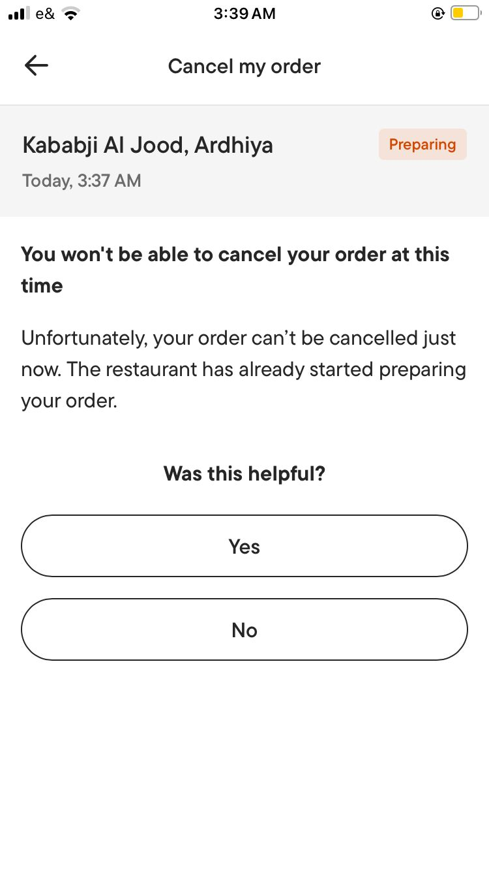 | 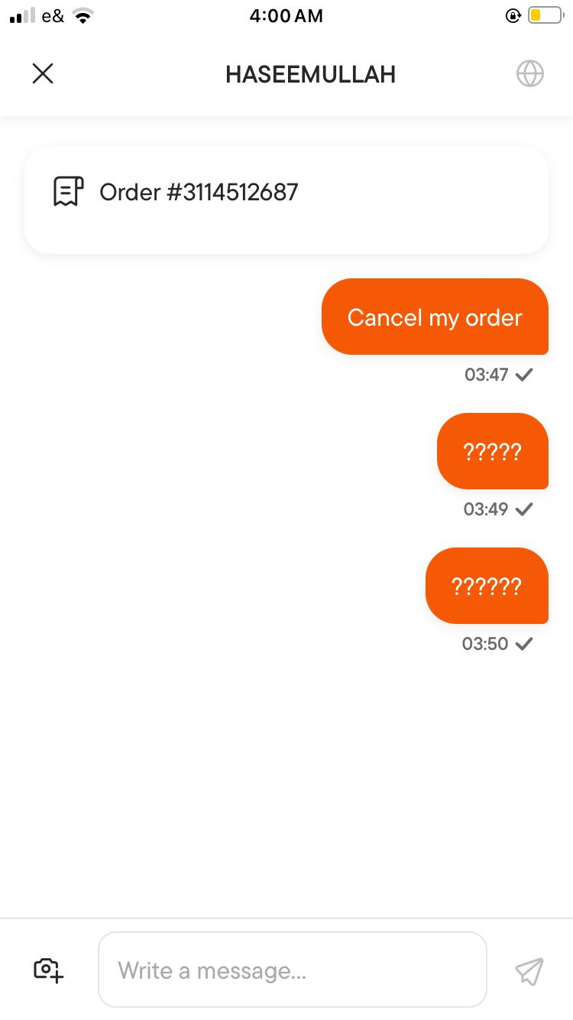 |  | سس
 | 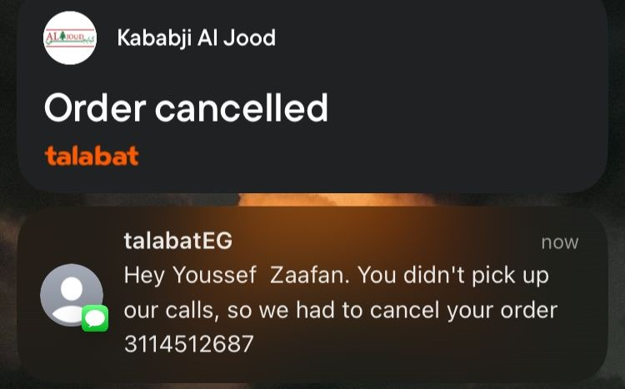 | ScreenRecored | Drive link
Environment | Platform: iPhone SE2
 | Opreating System: iOS verision 18.5
 | Application: Talabat Mobile App
 | Version: 12.90.0(6386)
Severity | High
Assigned to | Talabat SW Testing team
Priority | medium

Description | The application prevent user to cancel the wrong order untill the driver pick it from restruant and arrived to the wrong location then cancel it because the user didn’t pick it which's imapct in bad way to the restruant that prepared the food and didn’t get money

Steps to Reproduce | 1- Turn on location services on the device 2- Open the app and login with registered user 3- Press on "Account" 4- Press on "Setting" 5- Press on "Country" and Change it to new Country = " Kuwait" 6- Choose delivery location option= "Deliver to a different location" then select "70 Street, Khaitan" on map 7- Press on icon = "food" 8- Select the shop = "Kababji Al Jood" 9- Select the items = "5 Hummus , 4 Shish Tawook Sandwich , 3 Half Griled Chiken" 10- Press on "View cart" 11- Press on "Checkout" 12- Select Payment Method = "Cash" 13- Press on "Place order" 14- Press on "Cancel order" 15- Oberve the application response

Expected Result | the application should allow users to easily cancel the order in case ordering by mistake

Actual Result | The application prevent user to cancel the order until the driver pick the order from resurtant and arrived at the wrong location

BugReport of TC_UI_FQA_037
ID Number | 7
Report Name | UI Duplication in FAQ Section
Reporter | Youssef Zaafan Atya
Submit Date | 27/8/2025
Related TestCase | TC_UI_FQA_037
Summary | Duplicate question is displayed in the FAQ section, which affects the clarity and usability of the UI.
ScreenShots | 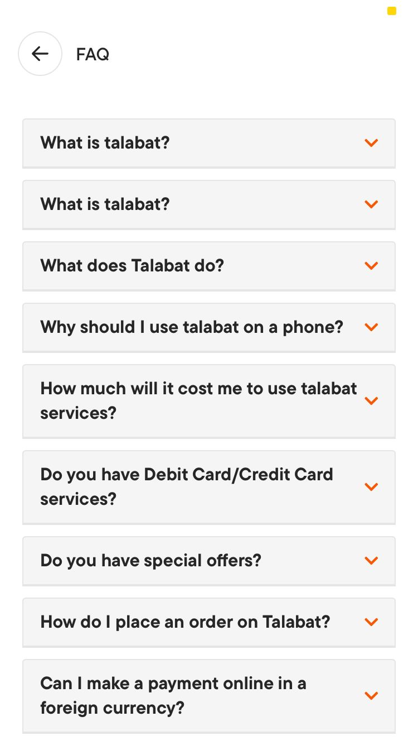 | ScreenRecored |  | Drive link
Environments | Platform: iPhone SE2 OpreatingSystem: iOS 18.5 Application: Talabat Mobile App Version: 12.90.0(6386) |  | Platform: HUAWEI Y7 Prime 2018 OpreatingSystem: EMUI 8.0.0 Application: Talabat Mobile App Version: 12.90.4(2118)

Severity | Low
Assigned to | Talabat SW Testing team
Priority | Low

Description | The FAQ section must display unique questions to ensure users can easily navigate and find answers without confusion. Currently, a duplicate question appears, which reduces the overall user experience.

Steps to Reproduce | 1- Open the app and login with registered user 2- Press on Account 3- Select About app 4- Select FQA 5- Observe the results

Expected Result | All questions in the FAQ section should be unique, with no duplicates visible in the UI.

Actual Result | The first question appears twice, causing duplication in the FAQ section.

BugReport of TC_UI_038
ID Number | 8
Report Name | Customer Service Chat Interface Loads Slowly and Messages Are Misaligned
Reporter | Youssef Zaafan Atya
Submit Date | 27/8/2025
Related TestCase | TC_UI_038
Summary | The customer service chat interface slow loading times and displays messages in a disorganized, misaligned manner, resulting in poor UI responsiveness and a confusing user experience.
ScreenShots | 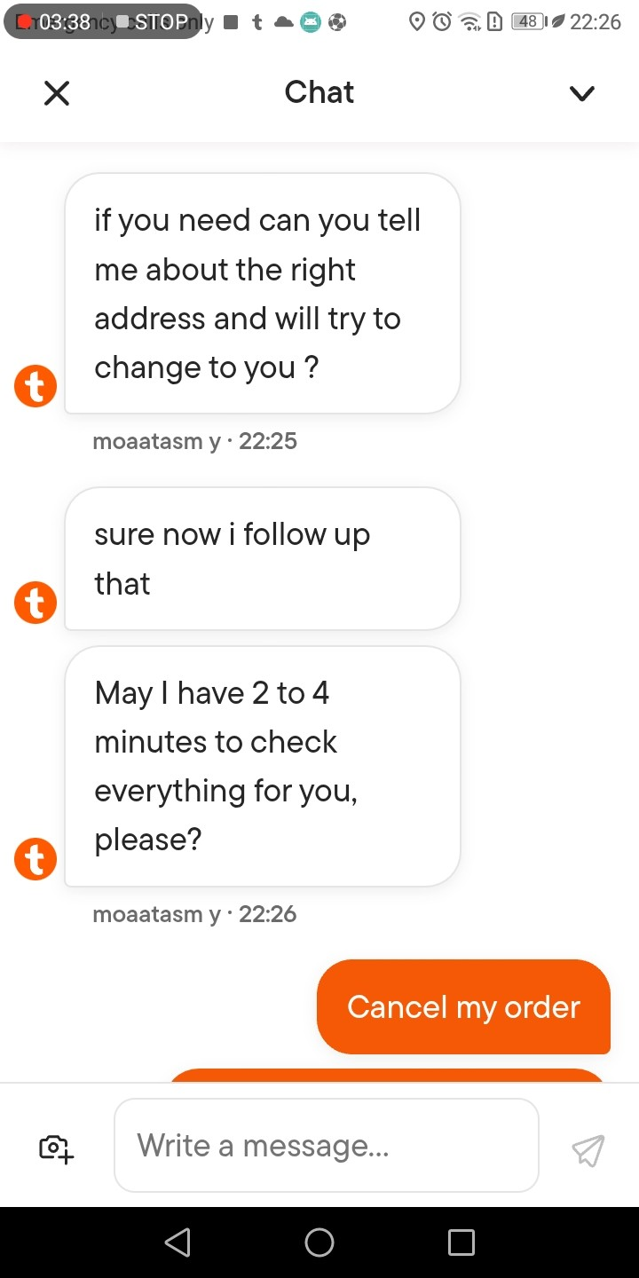 | ScreenRecored | Drive link
Environment | Platform: HUAWEI Y7 Prime 2018
 | Opreating System: EMUI 8.0.0
 | Application: Talabat Mobile App
 | Version: 12.90.4(2118)
Severity | High
Assigned to | Talabat SW Testing team
Priority | High

Description | The customer service chat interface is slow to load, causing delays when users try to access it. Once loaded, the messages are not properly aligned and appear disorganized, making it hard for users to follow the conversation. As a result, the overall responsiveness of the app feels poor, and users may struggle to interact with the chat smoothly or efficiently

Steps to Reproduce | 1- Turn on location services on the device 2- Open the app and login with registered user 3- Choose delivery location option = "Deliver to current location " 4- Press on icon = "Talabat mart" 5- Select the items = (e.g., "3 Elano water 1.5 L 6 Pcs") 6- Press on "View cart" 7- Press on "Checkout" 8- Press on "Place order " 9- Press on "Cancel order" 10- Press on "Help center" 11- Select "Cancel my order" 12- Press on "Chat with talabat" 13- Select "language" = English then Press on "continue" 14- Observe the performance and responsiveness of the chat interface.

Expected Result | The customer service chat should load smoothly. The chat interface should be fully interactive and responsive. Messages should appear clearly, properly aligned, and without delays or misalignment.

Actual Result | The chat interface loads slowly. Messages appear unarranged and misaligned. Overall UI responsiveness is poor.

BugReport of TC_CS_039
ID Number | 9
Report Name | Chat Delay for Order Cancellation Request
Reporter | Youssef Zaafan Atya
Submit Date | 27/8/2025
Related TestCase | TC_CustomerSerivce_039
Summary | The application’s customer service chat takes 5–10 minutes to process simple order cancellation requests, causing unnecessary delays and poor user experience.
ScreenShots | 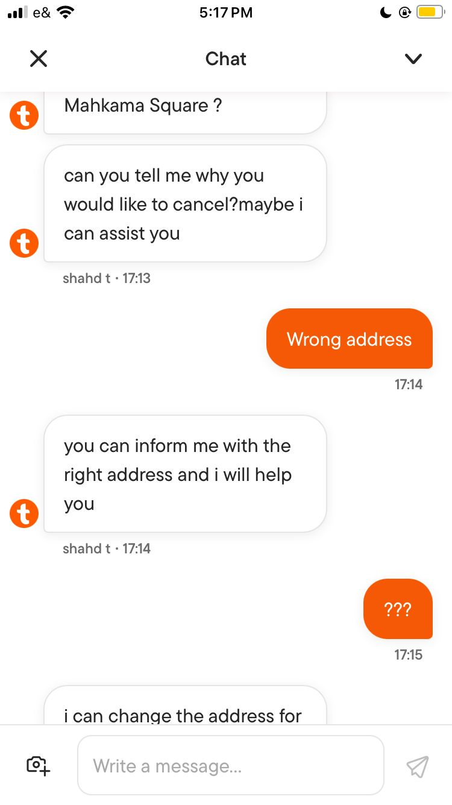 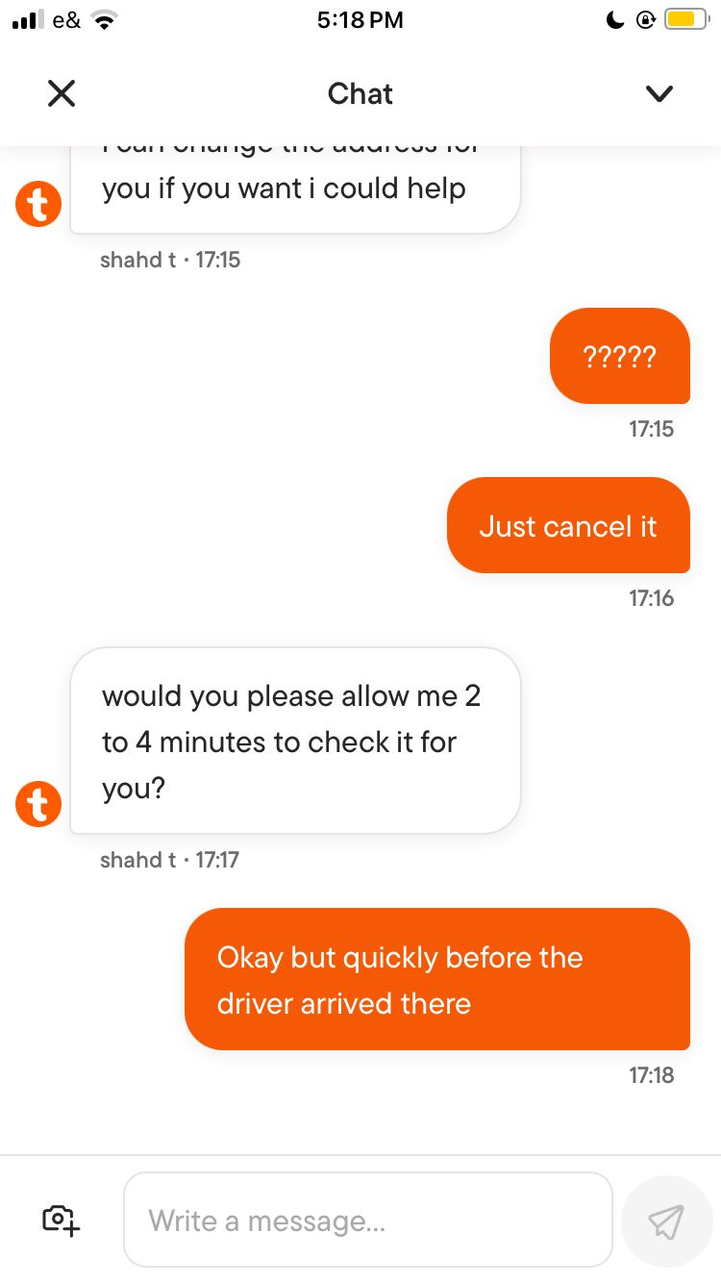 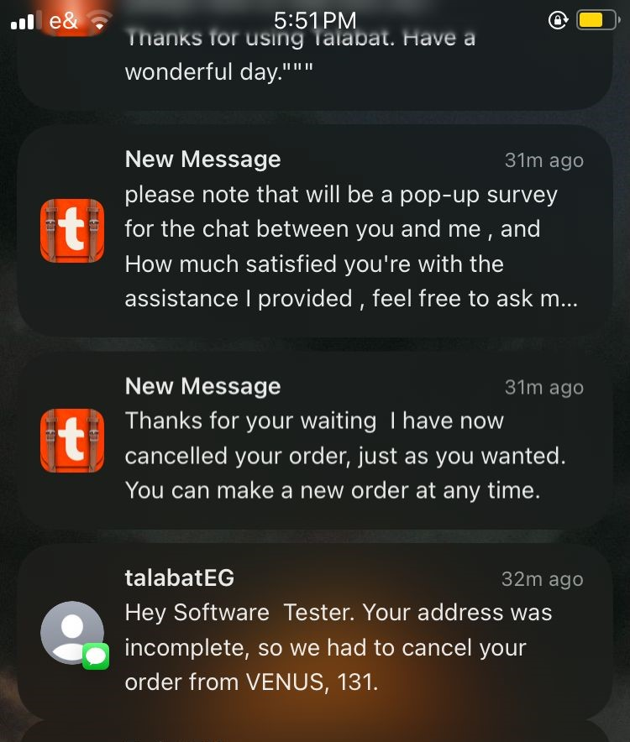
Environments | Platform: iPhone SE2 OpreatingSystem: iOS 18.5 Application: Talabat Mobile App Version: 12.90.0(6386) | Platform: HUAWEI Y7 Prime 2018 OpreatingSystem: EMUI 8.0.0 Application: Talabat Mobile App Version: 12.90.4(2118)

Severity | High
Assigned to | Talabat SW Testing team
Priority | Medium

Description | The application provides customer service through chat, but users face delays of around 5–10 minutes when requesting to cancel an order placed by mistake. This long waiting time negatively impacts the user experience and may lead to customer dissatisfaction.

Steps to Reproduce | 1- Turn on location services 2- Open the app and login with registered user 3- Choose delivery location option 4- Press on "icon" = Stores 5- Select the "shop" = Venus 6- Select the "items" = 3 Steps Bulbs 7- Press on "View cart" 8- Press on "Checkout" 9- Press on "Place order " 10- Wait couple of minutes untill the order accepted 11- Press on "Help Center" 12-Select "Cancel order" 13-Press on "Chat with talabat" 14 - Select the "language" = English then press on "continue" 15- Observe the results

Expected Result | The application should allow users to cancel an order instantly or within a very short time (e.g., less than 1 minute) through the customer service chat. The system should provide a quick response to cancellation requests without long waiting times.

Actual Result | The customer service chat takes around 5–10 minutes to process a simple order cancellation request. Users are left waiting unnecessarily, leading to poor user experience.

