Fig1_1U-Combined
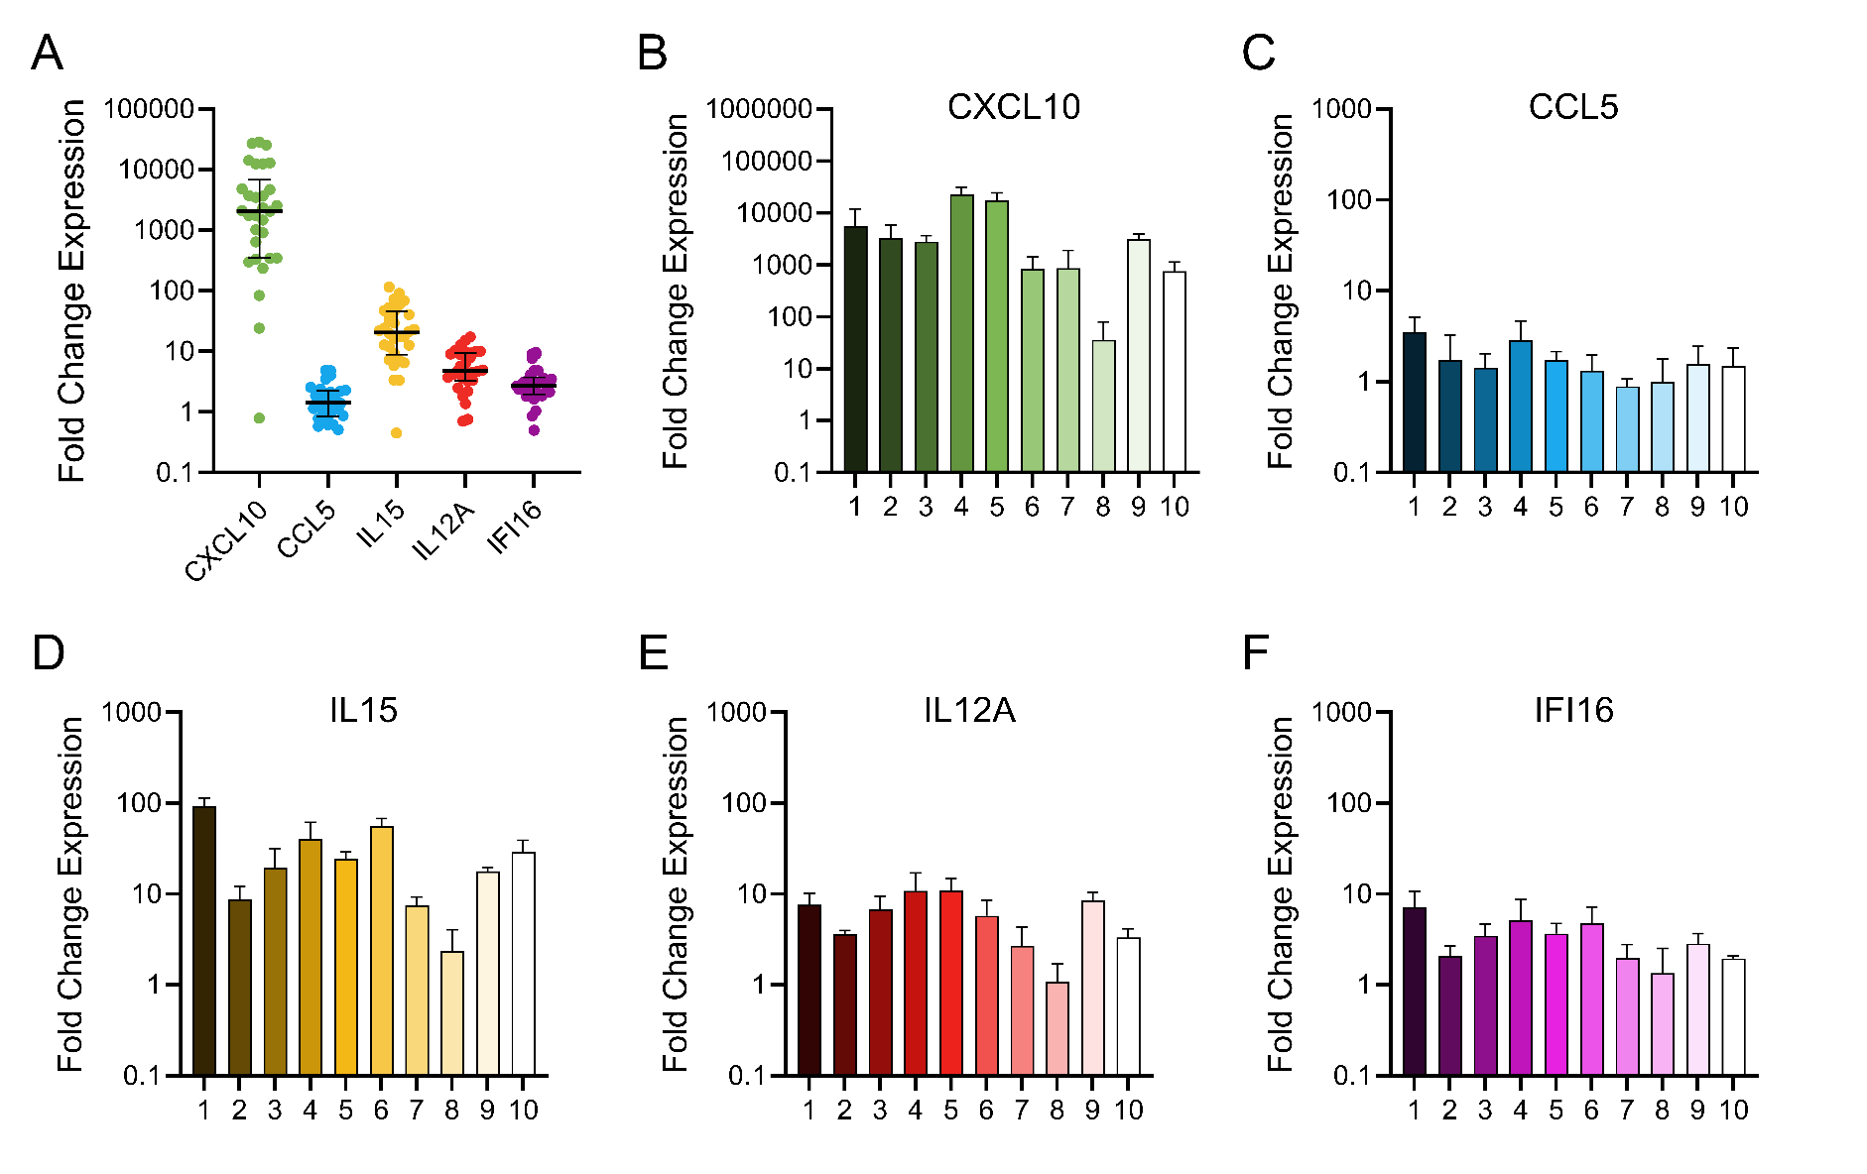

Panel A | Treated with 1U/mL IFNg |  |  |  |  |  |  |  |  |  |  |  |  |  |  |  |  |  |  |  |  |  |  |  |  |  |  |  |  |  | Untreated
 | Donor 1 |  |  | Donor 2 |  |  | Donor 3 |  |  | Donor 4 |  |  | Donor 5 |  |  | Donor 6 |  |  | Donor 7 |  |  | Donor 8 |  |  | Donor 9 |  |  | Donor 10 |  |  | Donor 1 |  |  | Donor 2 |  |  | Donor 3 |  |  | Donor 4 |  |  | Donor 5 |  |  | Donor 6 |  |  | Donor 7 |  |  | Donor 8 |  |  | Donor 9 |  |  | Donor 10
 | BR1 | BR2 | BR3 | BR1 | BR2 | BR3 | BR1 | BR2 | BR3 | BR1 | BR2 | BR3 | BR1 | BR2 | BR3 | BR1 | BR2 | BR3 | BR1 | BR2 | BR3 | BR1 | BR2 | BR3 | BR1 | BR2 | BR3 | BR1 | BR2 | BR3 | BR1 | BR2 | BR3 | BR1 | BR2 | BR3 | BR1 | BR2 | BR3 | BR1 | BR2 | BR3 | BR1 | BR2 | BR3 | BR1 | BR2 | BR3 | BR1 | BR2 | BR3 | BR1 | BR2 | BR3 | BR1 | BR2 | BR3 | BR1 | BR2 | BR3
CXCL10 | 1739.23 | 1744.66 | 13020.57 | 343.43 | 4830.67 | 4692.5 | 3753.83 | 2558.85 | 2093.43 | 28530.23 | 27083.67 | 12586.26 | 12585.91 | 14156.97 | 25568.11 | 348.15 | 639.28 | 1478.43 | 235.63 | 301.61 | 2052.49 | 24.23 | 84.06 | 0.79 | 3664.02 | 3499.44 | 2324.89 | 332.48 | 1017.19 | 910.91 | 0.48 | 0.97 | 2.14 | 0.67 | 0.95 | 1.58 | 1.31 | 1.08 | 0.71 | 1.53 | 0.99 | 0.66 | 0.82 | 1.41 | 0.86 | 1.73 | 0.42 | 1.38 | 0.96 | 1.46 | 0.71 | 1.44 | 0.61 | 1.14 | 0.78 | 1.09 | 1.17 | 0.78 | 0.81 | 1.59
CCL5 | 3.99 | 1.78 | 4.81 | 0.61 | 3.5 | 1.07 | 1.14 | 2.13 | 1.03 | 4.88 | 2.29 | 1.47 | 1.56 | 1.39 | 2.21 | 1.49 | 0.62 | 1.87 | 1.1 | 0.78 | 0.78 | 0.51 | 1.9 | 0.58 | 1.32 | 2.55 | 0.87 | 0.66 | 1.39 | 2.39 | 1.3 | 1.59 | 0.49 | 1.26 | 0.75 | 1.06 | 0.78 | 2.15 | 0.6 | 1.86 | 1.11 | 0.48 | 1.04 | 1.06 | 0.91 | 3.15 | 0.35 | 0.91 | 0.7 | 1.05 | 1.36 | 1.6 | 0.51 | 1.23 | 0.86 | 1.26 | 0.93 | 0.75 | 0.88 | 1.52
IL15 | 115.49 | 72.51 | 91.14 | 7.3 | 12.68 | 6.49 | 12.01 | 33.72 | 12.87 | 17.6 | 58.86 | 44.78 | 23.11 | 21.24 | 29.51 | 47.21 | 52.89 | 69.05 | 7.14 | 5.87 | 9.42 | 3.37 | 3.32 | 0.45 | 16.11 | 17.48 | 19.93 | 22.09 | 40.65 | 24.03 | 1.27 | 0.48 | 1.08 | 1.09 | 1.25 | 0.73 | 0.65 | 1.47 | 1.05 | 1.01 | 1.01 | 0.98 | 0.72 | 1.35 | 1.03 | 1.93 | 0.48 | 1.08 | 1.3 | 0.85 | 0.9 | 1.13 | 1.31 | 0.68 | 1.06 | 1.1 | 0.86 | 0.72 | 1.42 | 0.98
IL12A | 9.38 | 3.55 | 12.83 | 3.2 | 3.73 | 3.88 | 4.9 | 9.79 | 5.71 | 4.83 | 17.33 | 10.39 | 15.23 | 9.97 | 7.86 | 3.86 | 4.68 | 8.85 | 1.37 | 2.19 | 4.55 | 0.75 | 1.81 | 0.7 | 6.29 | 10.07 | 9.11 | 3.33 | 2.5 | 4.16 | 1.21 | 0.4 | 1.37 | 0.96 | 0.94 | 1.1 | 0.81 | 1.14 | 1.08 | 1.01 | 1.18 | 0.85 | 0.84 | 1.65 | 0.72 | 1.82 | 0.4 | 1.37 | 0.52 | 1.26 | 1.52 | 0.98 | 0.75 | 1.37 | 0.79 | 1.21 | 1.05 | 0.93 | 0.81 | 1.34
IFI16 | 8.93 | 3.11 | 9.6 | 1.85 | 2.76 | 1.63 | 2.43 | 4.84 | 3.14 | 2.14 | 9.08 | 4.11 | 4.79 | 2.67 | 3.6 | 3.22 | 3.47 | 7.62 | 1.04 | 2.39 | 2.5 | 0.5 | 2.68 | 0.86 | 1.94 | 3.13 | 3.49 | 1.81 | 1.96 | 2.09 | 1.48 | 1.15 | 0.59 | 1.1 | 1.05 | 0.87 | 0.81 | 1.13 | 1.1 | 0.96 | 1.39 | 0.75 | 0.81 | 1.42 | 0.87 | 1.75 | 0.35 | 1.64 | 0.64 | 1.43 | 1.09 | 1.11 | 0.73 | 1.23 | 0.75 | 1.1 | 1.21 | 0.95 | 0.99 | 1.06

Question: Is there a statistically significant difference between the treated group and its assocaited untreated control? E.g. Treated CXCL10 versus untreated CXCL10, treated CCL5 versus untreated CCL5

Panel B |  |  |  |  | Panel C |  |  |  |  | Panel D |  |  |  |  | Panel E |  |  |  |  | Panel F
 | BR1 | BR2 | BR3 |  |  | BR1 | BR2 | BR3 |  |  | BR1 | BR2 | BR3 |  |  | BR1 | BR2 | BR3 |  |  | BR1 | BR2 | BR3
Donor 1 | 1739.23 | 1744.66 | 13020.57 |  | Donor 1 | 3.99 | 1.78 | 4.81 |  | Donor 1 | 115.49 | 72.51 | 91.14 |  | Donor 1 | 9.38 | 4.68 | 8.85 |  | Donor 1 | 8.93 | 3.11 | 9.6
Donor 2 | 343.43 | 4830.67 | 4692.5 |  | Donor 2 | 0.61 | 3.5 | 1.07 |  | Donor 2 | 7.3 | 12.68 | 6.49 |  | Donor 2 | 3.2 | 3.73 | 3.88 |  | Donor 2 | 1.85 | 2.76 | 1.63
Donor 3 | 3753.83 | 2558.85 | 2093.43 |  | Donor 3 | 1.14 | 2.13 | 1.03 |  | Donor 3 | 12.01 | 33.72 | 12.87 |  | Donor 3 | 4.9 | 9.79 | 5.71 |  | Donor 3 | 2.43 | 4.84 | 3.14
Donor 4 | 28530.23 | 27083.67 | 12586.26 |  | Donor 4 | 4.88 | 2.29 | 1.47 |  | Donor 4 | 17.6 | 58.86 | 44.78 |  | Donor 4 | 4.83 | 17.33 | 10.39 |  | Donor 4 | 2.14 | 9.08 | 4.11
Donor 5 | 12585.91 | 14156.97 | 25568.11 |  | Donor 5 | 1.56 | 1.39 | 2.21 |  | Donor 5 | 23.11 | 21.24 | 29.51 |  | Donor 5 | 15.23 | 9.97 | 7.86 |  | Donor 5 | 4.79 | 2.67 | 3.6
Donor 6 | 348.15 | 639.28 | 1478.43 |  | Donor 6 | 1.49 | 0.62 | 1.87 |  | Donor 6 | 47.21 | 52.89 | 69.05 |  | Donor 6 | 3.86 | 4.68 | 8.85 |  | Donor 6 | 3.22 | 3.47 | 7.62
Donor 7 | 235.63 | 301.61 | 2052.49 |  | Donor 7 | 1.1 | 0.78 | 0.78 |  | Donor 7 | 7.14 | 5.87 | 9.42 |  | Donor 7 | 1.37 | 2.19 | 4.55 |  | Donor 7 | 1.04 | 2.39 | 2.5
Donor 8 | 24.23 | 84.06 | 0.79 |  | Donor 8 | 0.51 | 1.9 | 0.58 |  | Donor 8 | 3.37 | 3.32 | 0.45 |  | Donor 8 | 0.75 | 1.81 | 0.7 |  | Donor 8 | 0.5 | 2.68 | 0.86
Donor 9 | 3664.02 | 3499.44 | 2324.89 |  | Donor 9 | 1.32 | 2.55 | 0.87 |  | Donor 9 | 16.11 | 17.48 | 19.93 |  | Donor 9 | 6.29 | 10.07 | 9.11 |  | Donor 9 | 1.94 | 3.13 | 3.49
Donor 10 | 332.48 | 1017.19 | 910.91 |  | Donor 10 | 0.66 | 1.39 | 2.39 |  | Donor 10 | 22.09 | 40.65 | 24.03 |  | Donor 10 | 3.33 | 2.5 | 4.16 |  | Donor 10 | 1.81 | 1.96 | 2.09

Question: | Is there a way to examine the general donor-specific response across all cytokines tested? Notice how each graph has a similar shape, where a given donor may be a relatively high responder for all cytokines while another donor may generally be a low responder in all cytokines. Is there a model that can consider this? If not, we will focus on general variability by cytokine using descriptive statistics like range, %CV, etc

Fig2_Combined-dCt-ddCt
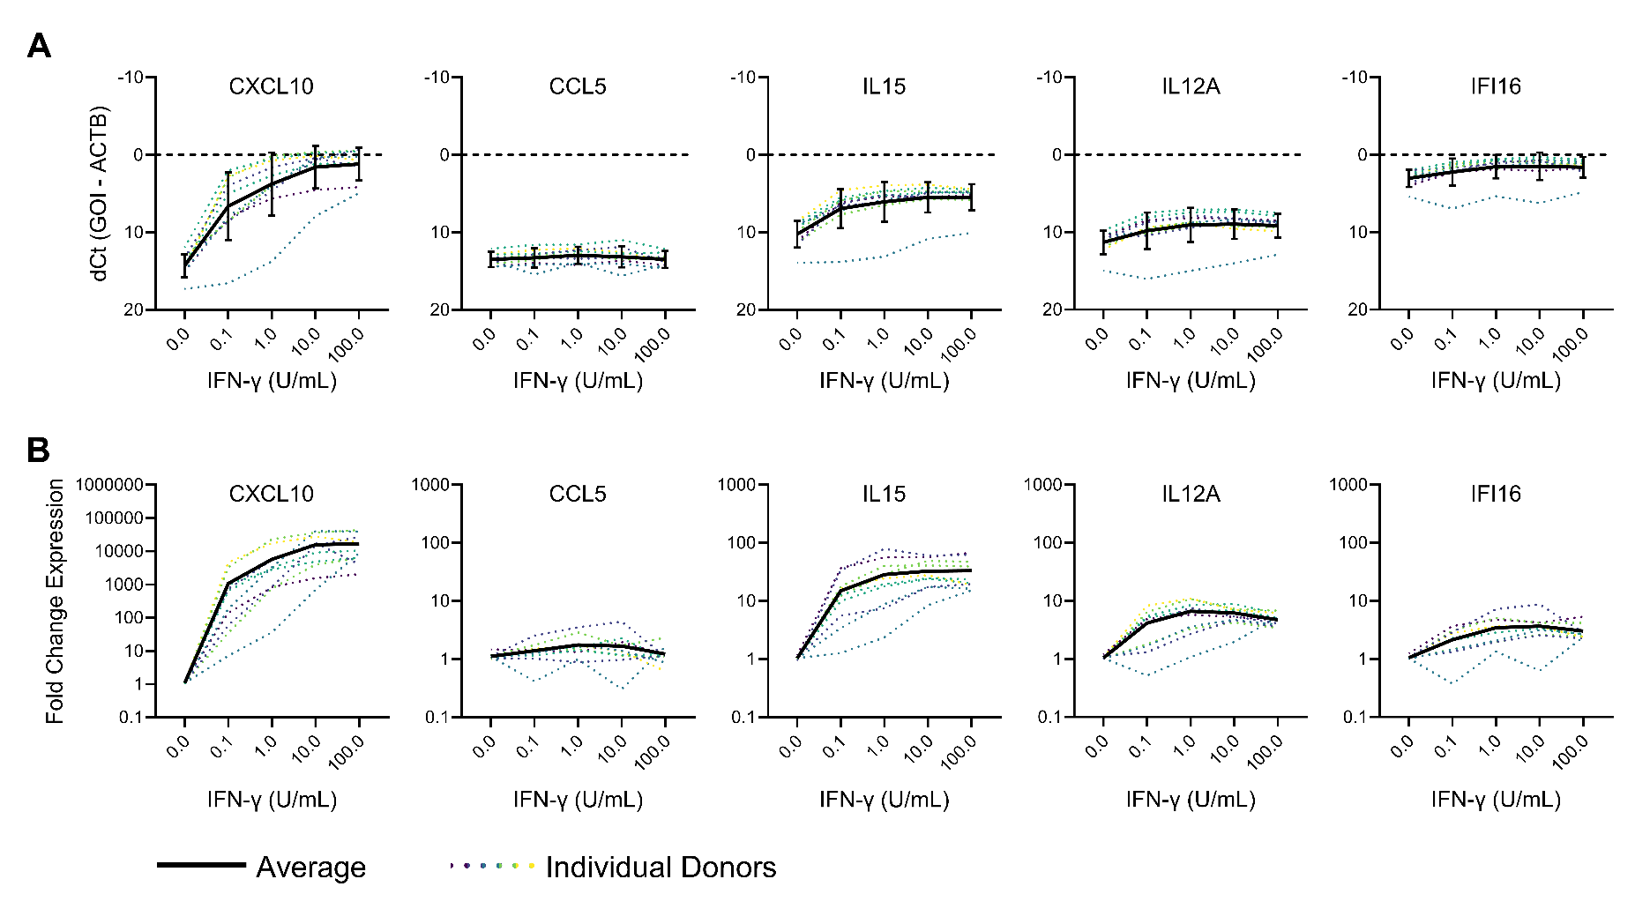

Panel A | dCt, or raw quantity of transcripts
 | CXCL10 |  |  |  |  |  |  |  |  |  |  |  |  |  |  |  |  |  |  |  |  |  |  |  |  |  |  |  |  |  | CCL5 |  |  |  |  |  |  |  |  |  |  |  |  |  |  |  |  |  |  |  |  |  |  |  |  |  |  |  |  |  | IL15 |  |  |  |  |  |  |  |  |  |  |  |  |  |  |  |  |  |  |  |  |  |  |  |  |  |  |  |  |  | IL12A |  |  |  |  |  |  |  |  |  |  |  |  |  |  |  |  |  |  |  |  |  |  |  |  |  |  |  |  |  | IFI16
 | Donor 1 |  |  | Donor 2 |  |  | Donor 3 |  |  | Donor 4 |  |  | Donor 5 |  |  | Donor 6 |  |  | Donor 7 |  |  | Donor 8 |  |  | Donor 9 |  |  | Donor 10 |  |  | Donor 1 |  |  | Donor 2 |  |  | Donor 3 |  |  | Donor 4 |  |  | Donor 5 |  |  | Donor 6 |  |  | Donor 7 |  |  | Donor 8 |  |  | Donor 9 |  |  | Donor 10 |  |  | Donor 1 |  |  | Donor 2 |  |  | Donor 3 |  |  | Donor 4 |  |  | Donor 5 |  |  | Donor 6 |  |  | Donor 7 |  |  | Donor 8 |  |  | Donor 9 |  |  | Donor 10 |  |  | Donor 1 |  |  | Donor 2 |  |  | Donor 3 |  |  | Donor 4 |  |  | Donor 5 |  |  | Donor 6 |  |  | Donor 7 |  |  | Donor 8 |  |  | Donor 9 |  |  | Donor 10 |  |  | Donor 1 |  |  | Donor 2 |  |  | Donor 3 |  |  | Donor 4 |  |  | Donor 5 |  |  | Donor 6 |  |  | Donor 7 |  |  | Donor 8 |  |  | Donor 9 |  |  | Donor 10
Dose IFNg | BR1 | BR2 | BR3 | BR1 | BR2 | BR3 | BR1 | BR2 | BR3 | BR1 | BR2 | BR3 | BR1 | BR2 | BR3 | BR1 | BR2 | BR3 | BR1 | BR2 | BR3 | BR1 | BR2 | BR3 | BR1 | BR2 | BR3 | BR1 | BR2 | BR3 | BR1 | BR2 | BR3 | BR1 | BR2 | BR3 | BR1 | BR2 | BR3 | BR1 | BR2 | BR3 | BR1 | BR2 | BR3 | BR1 | BR2 | BR3 | BR1 | BR2 | BR3 | BR1 | BR2 | BR3 | BR1 | BR2 | BR3 | BR1 | BR2 | BR3 | BR1 | BR2 | BR3 | BR1 | BR2 | BR3 | BR1 | BR2 | BR3 | BR1 | BR2 | BR3 | BR1 | BR2 | BR3 | BR1 | BR2 | BR3 | BR1 | BR2 | BR3 | BR1 | BR2 | BR3 | BR1 | BR2 | BR3 | BR1 | BR2 | BR3 | BR1 | BR2 | BR3 | BR1 | BR2 | BR3 | BR1 | BR2 | BR3 | BR1 | BR2 | BR3 | BR1 | BR2 | BR3 | BR1 | BR2 | BR3 | BR1 | BR2 | BR3 | BR1 | BR2 | BR3 | BR1 | BR2 | BR3 | BR1 | BR2 | BR3 | BR1 | BR2 | BR3 | BR1 | BR2 | BR3 | BR1 | BR2 | BR3 | BR1 | BR2 | BR3 | BR1 | BR2 | BR3 | BR1 | BR2 | BR3 | BR1 | BR2 | BR3 | BR1 | BR2 | BR3 | BR1 | BR2 | BR3 | BR1 | BR2 | BR3
Untreated | 14.41 | 13.39 | 12.25 | 15.6 | 15.09 | 14.36 | 11.55 | 11.82 | 12.44 | 13.91 | 14.53 | 15.12 | 15.04 | 14.27 | 14.98 | 14.28 | 16.34 | 14.61 | 13.74 | 13.14 | 14.17 | 16.8 | 18.03 | 17.13 | 14.61 | 14.13 | 14.03 | 13.68 | 13.62 | 12.65 | 13.59 | 13.31 | 15.02 | 14.1 | 14.85 | 14.36 | 13.23 | 11.77 | 13.6 | 13.17 | 13.91 | 15.12 | 12.8 | 12.77 | 12.99 | 12.81 | 15.98 | 14.61 | 13.74 | 13.14 | 12.76 | 12.99 | 14.63 | 13.37 | 12.33 | 11.78 | 12.22 | 13.68 | 13.44 | 12.65 | 11.31 | 12.24 | 11.07 | 8.75 | 8.55 | 9.33 | 10.01 | 8.83 | 9.33 | 9.85 | 9.85 | 9.89 | 9.04 | 8.12 | 8.51 | 10.24 | 12.24 | 11.07 | 8.64 | 9.25 | 9.16 | 13.75 | 13.54 | 14.49 | 8.72 | 8.67 | 9.03 | 11.78 | 10.79 | 11.32 | 10.57 | 11.92 | 10.14 | 10.66 | 10.69 | 10.46 | 10.09 | 9.61 | 9.68 | 11.9 | 11.68 | 12.15 | 12.56 | 11.57 | 12.77 | 9.73 | 11.92 | 10.14 | 11.63 | 10.35 | 10.09 | 14.99 | 15.37 | 14.5 | 10.84 | 10.23 | 10.44 | 11.11 | 11.31 | 10.58 | 3.04 | 3.4 | 4.37 | 2.42 | 2.5 | 2.77 | 2.73 | 2.25 | 2.29 | 2.96 | 2.42 | 3.3 | 2.93 | 2.12 | 2.83 | 3.2 | 5.53 | 3.3 | 2.65 | 1.49 | 1.88 | 5.27 | 5.87 | 5.13 | 2.43 | 1.88 | 1.75 | 2.78 | 2.72 | 2.62
0.1 | 4.85 | 3.59 | 3.43 | 9.94 | 6.94 | 7.02 | 2 | 2.43 | 1.64 | 2.64 | 2.4 | 3.81 | 3.61 | 2.16 | 2.36 | 8.28 | 8.53 | 7.32 | 10.26 | 8.89 | 6.55 | 17.51 | 19.23 | 12.97 | 4.64 | 4.86 | 5.45 | 10.07 | 7.76 | 7.75 | 12.71 | 11.92 | 13.86 | 14.87 | 13.68 | 14.04 | 13.3 | 12.05 | 12.94 | 12.38 | 13.53 | 14.85 | 12.04 | 12.38 | 12.4 | 13.99 | 13.81 | 14.09 | 13.95 | 13.18 | 12.69 | 13.79 | 16.19 | 16.31 | 10.89 | 11.75 | 12.23 | 13.81 | 13.12 | 11.94 | 6.15 | 6.93 | 5.98 | 7.22 | 6.65 | 7.59 | 6.53 | 5.15 | 5.75 | 6.81 | 4.89 | 6.07 | 4.84 | 4.27 | 4.55 | 5.41 | 6.93 | 5.98 | 6.83 | 6.57 | 6.25 | 14.17 | 14.53 | 12.73 | 5.58 | 5.53 | 5.38 | 7.96 | 7.26 | 7.91 | 8.62 | 9.45 | 8.2 | 9.81 | 10.06 | 9.73 | 8 | 7.03 | 7.41 | 10.4 | 8.28 | 9.87 | 9.21 | 8.75 | 10.09 | 7.75 | 9.45 | 8.2 | 11.12 | 10.59 | 9.6 | 15.47 | 16.94 | 15.67 | 8.28 | 7.75 | 8.22 | 10.14 | 10.55 | 9.84 | 1.62 | 1.88 | 3.08 | 1.96 | 1.85 | 2.31 | 1.67 | 0.83 | 1.33 | 2.5 | 0.26 | 2.19 | 0.99 | 0.91 | 1.66 | 1.69 | 3.36 | 1.83 | 2.4 | 1.32 | 1.32 | 6.11 | 7.49 | 7.31 | 1.22 | 1.02 | 0.67 | 2.12 | 2.27 | 2.01
1 | 2.58 | 2.58 | -0.32 | 6.59 | 2.78 | 2.82 | 0.06 | 0.61 | 0.9 | -0.28 | -0.21 | 0.9 | 1.14 | 0.97 | 0.12 | 6.63 | 5.76 | 4.55 | 5.8 | 5.44 | 2.68 | 12.72 | 10.92 | 17.66 | 2.42 | 2.48 | 3.07 | 4.94 | 3.33 | 3.49 | 11.98 | 13.15 | 11.71 | 15.16 | 12.63 | 14.33 | 12.68 | 11.78 | 12.82 | 11.78 | 12.87 | 13.51 | 12.21 | 12.38 | 11.71 | 13.89 | 15.16 | 13.56 | 13.08 | 13.57 | 13.56 | 14.64 | 12.74 | 14.45 | 11.71 | 10.76 | 12.31 | 13.85 | 12.79 | 12 | 4.79 | 5.46 | 5.08 | 6.01 | 5.21 | 6.18 | 5.8 | 4.31 | 5.7 | 5.72 | 3.98 | 4.38 | 4.02 | 4.15 | 3.67 | 5.62 | 5.46 | 5.08 | 6.18 | 6.46 | 5.78 | 12.17 | 12.2 | 15.07 | 4.8 | 4.68 | 4.49 | 6.83 | 5.95 | 6.71 | 7.61 | 8.37 | 7.45 | 8.92 | 8.7 | 8.64 | 7.5 | 6.5 | 7.28 | 9.64 | 7.79 | 8.53 | 8.37 | 8.98 | 9.32 | 8.65 | 8.37 | 7.45 | 10.23 | 9.56 | 8.5 | 15.36 | 14.1 | 15.47 | 7.85 | 7.17 | 7.32 | 9.27 | 9.68 | 8.94 | 0.45 | 1.97 | 0.34 | 1.67 | 1.1 | 1.86 | 1.14 | 0.15 | 0.77 | 1.79 | -0.29 | 0.85 | 0.37 | 1.21 | 0.78 | 2.32 | 2.21 | 1.08 | 1.95 | 0.75 | 0.68 | 6.44 | 4 | 5.64 | 1.06 | 0.38 | 0.22 | 1.85 | 1.73 | 1.65
10 | 2.03 | 1.38 | -2.14 | 2.58 | -0.86 | -0.75 | -0.89 | 0.33 | -0.11 | -1.38 | -0.6 | 0.92 | 1.03 | -0.23 | -0.4 | 4.45 | 5.04 | 4.11 | 1.83 | 1.41 | -1.45 | 7.79 | 8.37 | 7.59 | 0.6 | 1.19 | 1.72 | 2.15 | 1.06 | 1.09 | 12.4 | 11.97 | 11.32 | 14.77 | 13.33 | 14.12 | 13.39 | 12 | 12.85 | 13.19 | 12.6 | 14.87 | 13.61 | 12.11 | 11.95 | 12.83 | 14.34 | 13.71 | 12.81 | 13.41 | 13.66 | 14.47 | 16.18 | 16.19 | 10.63 | 10.67 | 11.67 | 13.64 | 13.36 | 12.47 | 5.11 | 6.15 | 5.37 | 4.8 | 4.32 | 5.24 | 5.45 | 4.28 | 4.81 | 5.38 | 3.73 | 4.94 | 4.64 | 3.41 | 3.49 | 4.84 | 6.15 | 5.37 | 4.76 | 5.31 | 4.67 | 10.86 | 11 | 10.68 | 3.95 | 4.48 | 4.27 | 5.74 | 5.19 | 6.29 | 8.22 | 8.14 | 8.41 | 8.25 | 8.32 | 8.5 | 7.61 | 6.74 | 6.84 | 9.73 | 8.26 | 9.64 | 9.73 | 8.95 | 9.99 | 8.05 | 8.14 | 8.41 | 9.08 | 8.8 | 7.81 | 13.61 | 14.47 | 13.98 | 7.26 | 7.26 | 7.56 | 8.61 | 9.3 | 8.92 | 0.99 | 1.73 | -0.43 | 0.81 | 0.7 | 1.28 | 1.03 | 0.36 | 0.41 | 1.85 | -0.12 | 1.6 | 1.27 | 0.35 | 0.83 | 1.55 | 3.09 | 1.59 | 1.12 | 0.59 | 0.35 | 5.44 | 7.01 | 6.26 | 0.34 | 0.42 | 0.1 | 1.12 | 1.45 | 1.42
100 | 2.05 | 1.96 | 0.59 | 2.2 | -0.6 | -0.86 | -1.64 | 0.5 | -0.21 | -1.6 | -1 | 0.9 | 1.11 | -0.01 | 0.87 | 3.85 | 4.81 | 3.8 | 0.18 | -0.03 | -2.11 | 6.51 | 3 | 5.3 | 0.07 | 1.36 | 1.89 | 2.46 | 0.3 | 0.26 | 13.46 | 13.81 | 14.32 | 14.8 | 14.58 | 14.52 | 12.53 | 12.38 | 12.96 | 12.39 | 12.4 | 14.71 | 13.97 | 12.84 | 14.25 | 13.87 | 14.64 | 14.2 | 12.24 | 13.87 | 13.45 | 15.72 | 11.55 | 15.15 | 12.17 | 11.63 | 12.69 | 13.27 | 13.81 | 12.57 | 5.33 | 5.76 | 5.14 | 4.8 | 4.62 | 5.2 | 5.63 | 4.29 | 4.84 | 5.33 | 3.85 | 4.95 | 4.87 | 3.64 | 4.83 | 4.61 | 5.76 | 5.14 | 4.43 | 4.97 | 4.83 | 10.32 | 9.47 | 10.39 | 4.09 | 4.81 | 4.58 | 5.88 | 5.27 | 6.21 | 8.69 | 9.29 | 8.19 | 8.47 | 9.08 | 8.47 | 8.11 | 7.12 | 7.25 | 10.04 | 8.28 | 9.8 | 9.84 | 8.91 | 10.9 | 7.99 | 9.29 | 8.19 | 9.19 | 8.96 | 8.48 | 13.93 | 11.62 | 13.1 | 7.81 | 8.14 | 7.82 | 8.95 | 9.51 | 9.27 | 1.5 | 2.36 | 2.65 | 1.04 | 1.03 | 1.33 | 1.4 | 0.61 | 0.52 | 1.81 | -0.12 | 1.64 | 1.5 | 0.74 | 2.25 | 1.43 | 2.55 | 1.14 | 1.34 | 0.48 | 0.78 | 6.16 | 2.96 | 5.32 | 0.48 | 0.86 | 0.52 | 1.16 | 1.66 | 1.45

Question: Is there a statistically significant difference between each dose and untreated? The goal of this question is to verify genes were induced with IFNg treatment. CCL5 and IFI16 are two genes with low induction that may not be statistically different from untreated
Question: Is there a statistically significant difference between each dose and the next lower dose? IE is there a difference between 0.1 and 1, 1 and 10, 10 and 100? The goal of this question is to establish what dose is the peak response

Panel B | ddCt, or relative fold increase of transcripts compared to untreated
 | CXCL10 |  |  |  |  |  |  |  |  |  |  |  |  |  |  |  |  |  |  |  |  |  |  |  |  |  |  |  |  |  | CCL5 |  |  |  |  |  |  |  |  |  |  |  |  |  |  |  |  |  |  |  |  |  |  |  |  |  |  |  |  |  | IL15 |  |  |  |  |  |  |  |  |  |  |  |  |  |  |  |  |  |  |  |  |  |  |  |  |  |  |  |  |  | IL12A |  |  |  |  |  |  |  |  |  |  |  |  |  |  |  |  |  |  |  |  |  |  |  |  |  |  |  |  |  | IFI16
 | Donor 1 |  |  | Donor 2 |  |  | Donor 3 |  |  | Donor 4 |  |  | Donor 5 |  |  | Donor 6 |  |  | Donor 7 |  |  | Donor 8 |  |  | Donor 9 |  |  | Donor 10 |  |  | Donor 1 |  |  | Donor 2 |  |  | Donor 3 |  |  | Donor 4 |  |  | Donor 5 |  |  | Donor 6 |  |  | Donor 7 |  |  | Donor 8 |  |  | Donor 9 |  |  | Donor 10 |  |  | Donor 1 |  |  | Donor 2 |  |  | Donor 3 |  |  | Donor 4 |  |  | Donor 5 |  |  | Donor 6 |  |  | Donor 7 |  |  | Donor 8 |  |  | Donor 9 |  |  | Donor 10 |  |  | Donor 1 |  |  | Donor 2 |  |  | Donor 3 |  |  | Donor 4 |  |  | Donor 5 |  |  | Donor 6 |  |  | Donor 7 |  |  | Donor 8 |  |  | Donor 9 |  |  | Donor 10 |  |  | Donor 1 |  |  | Donor 2 |  |  | Donor 3 |  |  | Donor 4 |  |  | Donor 5 |  |  | Donor 6 |  |  | Donor 7 |  |  | Donor 8 |  |  | Donor 9 |  |  | Donor 10
Dose IFNg | BR1 | BR2 | BR3 | BR1 | BR2 | BR3 | BR1 | BR2 | BR3 | BR1 | BR2 | BR3 | BR1 | BR2 | BR3 | BR1 | BR2 | BR3 | BR1 | BR2 | BR3 | BR1 | BR2 | BR3 | BR1 | BR2 | BR3 | BR1 | BR2 | BR3 | BR1 | BR2 | BR3 | BR1 | BR2 | BR3 | BR1 | BR2 | BR3 | BR1 | BR2 | BR3 | BR1 | BR2 | BR3 | BR1 | BR2 | BR3 | BR1 | BR2 | BR3 | BR1 | BR2 | BR3 | BR1 | BR2 | BR3 | BR1 | BR2 | BR3 | BR1 | BR2 | BR3 | BR1 | BR2 | BR3 | BR1 | BR2 | BR3 | BR1 | BR2 | BR3 | BR1 | BR2 | BR3 | BR1 | BR2 | BR3 | BR1 | BR2 | BR3 | BR1 | BR2 | BR3 | BR1 | BR2 | BR3 | BR1 | BR2 | BR3 | BR1 | BR2 | BR3 | BR1 | BR2 | BR3 | BR1 | BR2 | BR3 | BR1 | BR2 | BR3 | BR1 | BR2 | BR3 | BR1 | BR2 | BR3 | BR1 | BR2 | BR3 | BR1 | BR2 | BR3 | BR1 | BR2 | BR3 | BR1 | BR2 | BR3 | BR1 | BR2 | BR3 | BR1 | BR2 | BR3 | BR1 | BR2 | BR3 | BR1 | BR2 | BR3 | BR1 | BR2 | BR3 | BR1 | BR2 | BR3 | BR1 | BR2 | BR3 | BR1 | BR2 | BR3 | BR1 | BR2 | BR3 | BR1 | BR2 | BR3
Untreated | 0.48 | 0.97 | 2.14 | 0.67 | 0.95 | 1.58 | 1.31 | 1.08 | 0.71 | 1.53 | 0.99 | 0.66 | 0.82 | 1.41 | 0.86 | 1.73 | 0.42 | 1.38 | 0.96 | 1.46 | 0.71 | 1.44 | 0.61 | 1.14 | 0.78 | 1.09 | 1.17 | 0.78 | 0.81 | 1.59 | 1.3 | 1.59 | 0.49 | 1.26 | 0.75 | 1.06 | 0.78 | 2.15 | 0.6 | 1.86 | 1.11 | 0.48 | 1.04 | 1.06 | 0.91 | 3.15 | 0.35 | 0.91 | 0.7 | 1.05 | 1.36 | 1.6 | 0.51 | 1.23 | 0.86 | 1.26 | 0.93 | 0.75 | 0.88 | 1.52 | 1.27 | 0.48 | 1.08 | 1.09 | 1.25 | 0.73 | 0.65 | 1.47 | 1.05 | 1.01 | 1.01 | 0.98 | 0.72 | 1.35 | 1.03 | 1.93 | 0.48 | 1.08 | 1.3 | 0.85 | 0.9 | 1.13 | 1.31 | 0.68 | 1.06 | 1.1 | 0.86 | 0.72 | 1.42 | 0.98 | 1.21 | 0.4 | 1.37 | 0.96 | 0.94 | 1.1 | 0.81 | 1.14 | 1.08 | 1.01 | 1.18 | 0.85 | 0.84 | 1.65 | 0.72 | 1.82 | 0.4 | 1.37 | 0.52 | 1.26 | 1.52 | 0.98 | 0.75 | 1.37 | 0.79 | 1.21 | 1.05 | 0.93 | 0.81 | 1.34 | 1.48 | 1.15 | 0.59 | 1.1 | 1.05 | 0.87 | 0.81 | 1.13 | 1.1 | 0.96 | 1.39 | 0.75 | 0.81 | 1.42 | 0.87 | 1.75 | 0.35 | 1.64 | 0.64 | 1.43 | 1.09 | 1.11 | 0.73 | 1.23 | 0.75 | 1.1 | 1.21 | 0.95 | 0.99 | 1.06
0.1 | 362.52 | 863.85 | 966.54 | 33.79 | 269.42 | 254.64 | 982.14 | 727.53 | 1257.76 | 3759.43 | 4446.72 | 1677.75 | 2279.19 | 6206.21 | 5429.72 | 111.2 | 93.43 | 216.33 | 10.72 | 27.68 | 139.67 | 0.87 | 0.27 | 20.33 | 786.16 | 675.66 | 447.41 | 9.47 | 46.99 | 47.4 | 2.39 | 4.14 | 1.08 | 0.74 | 1.69 | 1.32 | 0.74 | 1.77 | 0.95 | 3.22 | 1.45 | 0.58 | 1.76 | 1.39 | 1.37 | 1.39 | 1.58 | 1.3 | 0.6 | 1.02 | 1.43 | 0.92 | 0.17 | 0.16 | 2.33 | 1.29 | 0.92 | 0.68 | 1.1 | 2.49 | 45.19 | 19.06 | 36.81 | 3.16 | 4.68 | 2.45 | 7.24 | 18.83 | 12.44 | 8.29 | 31.46 | 13.86 | 13.16 | 19.46 | 16.07 | 54.56 | 19.06 | 36.81 | 4.53 | 5.45 | 6.78 | 0.85 | 0.66 | 2.3 | 9.37 | 9.69 | 10.78 | 10.06 | 16.36 | 10.44 | 4.68 | 2.22 | 5.28 | 4.68 | 4.18 | 1.74 | 3.47 | 6.79 | 5.22 | 2.84 | 12.39 | 4.1 | 8.49 | 11.75 | 4.63 | 7.18 | 2.22 | 5.28 | 0.74 | 1.07 | 2.13 | 0.7 | 0.25 | 0.61 | 4.68 | 6.77 | 4.89 | 1.81 | 1.37 | 2.24 | 3.95 | 3.31 | 1.44 | 1.52 | 1.65 | 1.19 | 1.68 | 3.02 | 2.13 | 1.32 | 6.2 | 1.63 | 3.12 | 3.28 | 1.96 | 4.97 | 1.57 | 4.53 | 0.76 | 1.61 | 1.61 | 0.62 | 0.24 | 0.27 | 1.74 | 2 | 2.56 | 1.5 | 1.35 | 1.62
1 | 1739.23 | 1744.66 | 13020.57 | 343.43 | 4830.67 | 4692.5 | 3753.83 | 2558.85 | 2093.43 | 28530.23 | 27083.67 | 12586.26 | 12585.91 | 14156.97 | 25568.11 | 348.15 | 639.28 | 1478.43 | 235.63 | 301.61 | 2052.49 | 24.23 | 84.06 | 0.79 | 3664.02 | 3499.44 | 2324.89 | 332.48 | 1017.19 | 910.91 | 3.99 | 1.78 | 4.81 | 0.61 | 3.5 | 1.07 | 1.14 | 2.13 | 1.03 | 4.88 | 2.29 | 1.47 | 1.56 | 1.39 | 2.21 | 1.49 | 0.62 | 1.87 | 1.1 | 0.78 | 0.78 | 0.51 | 1.9 | 0.58 | 1.32 | 2.55 | 0.87 | 0.66 | 1.39 | 2.39 | 115.49 | 52.89 | 69.05 | 7.3 | 12.68 | 6.49 | 12.01 | 33.72 | 12.87 | 17.6 | 58.86 | 44.78 | 23.11 | 21.24 | 29.51 | 47.21 | 52.89 | 69.05 | 7.14 | 5.87 | 9.42 | 3.37 | 3.32 | 0.45 | 16.11 | 17.48 | 19.93 | 22.09 | 40.65 | 24.03 | 9.38 | 4.68 | 8.85 | 9.38 | 3.55 | 12.83 | 4.9 | 9.79 | 5.71 | 4.83 | 17.33 | 10.39 | 15.23 | 9.97 | 7.86 | 3.86 | 4.68 | 8.85 | 1.37 | 2.19 | 4.55 | 0.75 | 1.81 | 0.7 | 6.29 | 10.07 | 9.11 | 3.33 | 2.5 | 4.16 | 8.93 | 3.11 | 9.6 | 1.85 | 2.76 | 1.63 | 2.43 | 4.84 | 3.14 | 2.14 | 9.08 | 4.11 | 4.79 | 2.67 | 3.6 | 3.22 | 3.47 | 7.62 | 1.04 | 2.39 | 2.5 | 0.5 | 2.68 | 0.86 | 1.94 | 3.13 | 3.49 | 1.81 | 1.96 | 2.09
10 | 2545.7 | 3999.76 | 45996.11 | 5541.19 | 59882.26 | 55714.36 | 7257.99 | 3121.83 | 4213.38 | 60956.57 | 35570.22 | 12423.38 | 13571.21 | 32589.53 | 36557.34 | 1587.17 | 1047.62 | 2009.68 | 3681.02 | 4937.99 | 35881.36 | 738.71 | 495.3 | 847.98 | 12937.42 | 8579.13 | 5955.4 | 2301.31 | 4888.6 | 4811.18 | 2.98 | 4.01 | 6.29 | 0.8 | 2.15 | 1.24 | 0.7 | 1.82 | 1.01 | 1.84 | 2.75 | 0.57 | 0.59 | 1.67 | 1.87 | 3.12 | 1.09 | 1.69 | 1.33 | 0.87 | 0.73 | 0.57 | 0.18 | 0.17 | 2.79 | 2.71 | 1.36 | 0.77 | 0.93 | 1.73 | 92.73 | 32.72 | 56.43 | 16.93 | 23.46 | 12.45 | 15.37 | 34.49 | 23.97 | 22.34 | 70.03 | 30.38 | 15.12 | 35.33 | 33.44 | 81.54 | 32.72 | 56.43 | 19.1 | 12.99 | 20.25 | 8.36 | 7.63 | 9.52 | 28.91 | 20.05 | 23.2 | 46.87 | 68.91 | 32.18 | 6.17 | 5.48 | 4.54 | 6.17 | 4.01 | 20.61 | 4.55 | 8.3 | 7.77 | 4.53 | 12.51 | 4.81 | 5.92 | 10.21 | 4.95 | 5.85 | 5.48 | 4.54 | 3.04 | 3.7 | 7.34 | 2.53 | 1.4 | 1.97 | 9.49 | 9.46 | 7.68 | 5.27 | 3.25 | 4.24 | 6.12 | 3.66 | 16.43 | 3.37 | 3.63 | 2.44 | 2.63 | 4.19 | 4.04 | 2.06 | 8.06 | 2.45 | 2.56 | 4.84 | 3.48 | 5.5 | 1.88 | 5.35 | 1.84 | 2.67 | 3.15 | 0.99 | 0.33 | 0.56 | 3.21 | 3.03 | 3.79 | 3.01 | 2.4 | 2.44
100 | 2525.64 | 2676.17 | 6913.55 | 7200.49 | 50194.69 | 60218.4 | 12164.56 | 2775.25 | 4529.03 | 71320.73 | 46990.52 | 12546.72 | 12897.89 | 28045.76 | 15247.94 | 2403.22 | 1234.36 | 2484.79 | 11621.34 | 13357.97 | 56563.11 | 1793.07 | 20447.57 | 4152.95 | 18669.75 | 7645.32 | 5263.99 | 1854.59 | 8272.75 | 8496.59 | 1.43 | 1.12 | 0.79 | 0.78 | 0.9 | 0.95 | 1.26 | 1.4 | 0.94 | 3.19 | 3.18 | 0.64 | 0.46 | 1.01 | 0.38 | 1.51 | 0.89 | 1.2 | 1.97 | 0.64 | 0.85 | 0.24 | 4.32 | 0.36 | 0.96 | 1.39 | 0.67 | 0.99 | 0.68 | 1.61 | 79.76 | 42.82 | 65.94 | 16.82 | 19.08 | 12.77 | 13.54 | 34.35 | 23.45 | 23.13 | 64.57 | 30.14 | 12.9 | 30.2 | 13.2 | 95.17 | 42.82 | 65.94 | 24.07 | 16.45 | 18.14 | 12.23 | 21.95 | 11.58 | 26.26 | 15.99 | 18.71 | 42.64 | 65 | 33.92 | 4.45 | 2.47 | 5.32 | 4.45 | 2.24 | 1.99 | 3.21 | 6.39 | 5.83 | 5.5 | 10.5 | 2.63 | 5.5 | 10.5 | 2.63 | 6.08 | 2.47 | 5.32 | 2.84 | 3.31 | 4.62 | 2.04 | 10.11 | 3.63 | 6.46 | 5.16 | 6.41 | 4.13 | 2.82 | 3.32 | 4.29 | 2.37 | 1.94 | 2.88 | 2.89 | 2.35 | 2.03 | 3.52 | 3.74 | 2.12 | 8.06 | 2.39 | 2.18 | 3.71 | 1.3 | 5.98 | 2.75 | 7.28 | 1.59 | 2.87 | 2.33 | 0.6 | 5.51 | 1.07 | 2.92 | 2.24 | 2.83 | 2.92 | 2.06 | 2.39

Question: Is there a statistically significant difference between each dose and untreated? The goal of this question is to verify genes induced with IFNg treatment. CCL5 and IFI16 are two genes with low induction that may not be statistically different from untreated
Question: Is there a statistically significant difference between each dose and the next lower dose? IE is there a difference between 0.1 and 1, 1 and 10, 10 and 100? The goal of this question is to establish what dose is the peak response

Fig3_Time
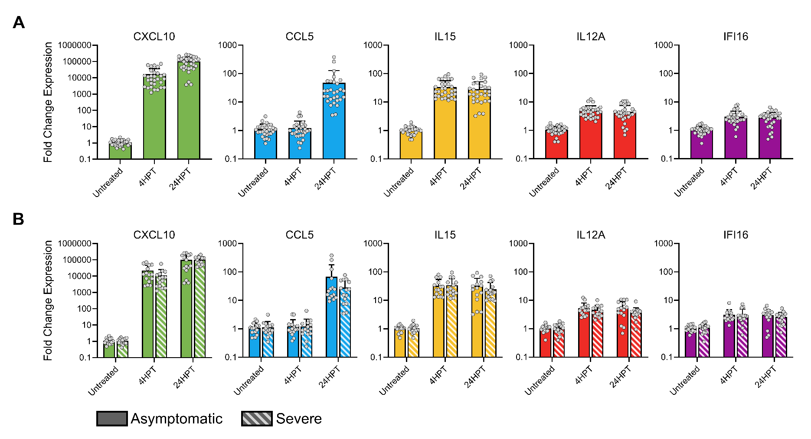

Panel A | All donors combined at 4HPT or 24HPT
 | CXCL10 |  |  |  |  |  |  |  |  |  |  |  |  |  |  |  |  |  |  |  |  |  |  |  |  |  |  |  |  |  | CCL5 |  |  |  |  |  |  |  |  |  |  |  |  |  |  |  |  |  |  |  |  |  |  |  |  |  |  |  |  |  | IL15 |  |  |  |  |  |  |  |  |  |  |  |  |  |  |  |  |  |  |  |  |  |  |  |  |  |  |  |  |  | IL12A |  |  |  |  |  |  |  |  |  |  |  |  |  |  |  |  |  |  |  |  |  |  |  |  |  |  |  |  |  | IFI16
 | Donor 1 |  |  | Donor 2 |  |  | Donor 3 |  |  | Donor 4 |  |  | Donor 5 |  |  | Donor 6 |  |  | Donor 7 |  |  | Donor 8 |  |  | Donor 9 |  |  | Donor 10 |  |  | Donor 1 |  |  | Donor 2 |  |  | Donor 3 |  |  | Donor 4 |  |  | Donor 5 |  |  | Donor 6 |  |  | Donor 7 |  |  | Donor 8 |  |  | Donor 9 |  |  | Donor 10 |  |  | Donor 1 |  |  | Donor 2 |  |  | Donor 3 |  |  | Donor 4 |  |  | Donor 5 |  |  | Donor 6 |  |  | Donor 7 |  |  | Donor 8 |  |  | Donor 9 |  |  | Donor 10 |  |  | Donor 1 |  |  | Donor 2 |  |  | Donor 3 |  |  | Donor 4 |  |  | Donor 5 |  |  | Donor 6 |  |  | Donor 7 |  |  | Donor 8 |  |  | Donor 9 |  |  | Donor 10 |  |  | Donor 1 |  |  | Donor 2 |  |  | Donor 3 |  |  | Donor 4 |  |  | Donor 5 |  |  | Donor 6 |  |  | Donor 7 |  |  | Donor 8 |  |  | Donor 9 |  |  | Donor 10
 | BR1 | BR2 | BR3 | BR1 | BR2 | BR3 | BR1 | BR2 | BR3 | BR1 | BR2 | BR3 | BR1 | BR2 | BR3 | BR1 | BR2 | BR3 | BR1 | BR2 | BR3 | BR1 | BR2 | BR3 | BR1 | BR2 | BR3 | BR1 | BR2 | BR3 | BR1 | BR2 | BR3 | BR1 | BR2 | BR3 | BR1 | BR2 | BR3 | BR1 | BR2 | BR3 | BR1 | BR2 | BR3 | BR1 | BR2 | BR3 | BR1 | BR2 | BR3 | BR1 | BR2 | BR3 | BR1 | BR2 | BR3 | BR1 | BR2 | BR3 | BR1 | BR2 | BR3 | BR1 | BR2 | BR3 | BR1 | BR2 | BR3 | BR1 | BR2 | BR3 | BR1 | BR2 | BR3 | BR1 | BR2 | BR3 | BR1 | BR2 | BR3 | BR1 | BR2 | BR3 | BR1 | BR2 | BR3 | BR1 | BR2 | BR3 | BR1 | BR2 | BR3 | BR1 | BR2 | BR3 | BR1 | BR2 | BR3 | BR1 | BR2 | BR3 | BR1 | BR2 | BR3 | BR1 | BR2 | BR3 | BR1 | BR2 | BR3 | BR1 | BR2 | BR3 | BR1 | BR2 | BR3 | BR1 | BR2 | BR3 | BR1 | BR2 | BR3 | BR1 | BR2 | BR3 | BR1 | BR2 | BR3 | BR1 | BR2 | BR3 | BR1 | BR2 | BR3 | BR1 | BR2 | BR3 | BR1 | BR2 | BR3 | BR1 | BR2 | BR3 | BR1 | BR2 | BR3 | BR1 | BR2 | BR3
Untreated | 0.48 | 0.97 | 2.14 | 0.67 | 0.95 | 1.58 | 1.31 | 1.08 | 0.71 | 1.53 | 0.99 | 0.66 | 0.82 | 1.41 | 0.86 | 1.73 | 0.42 | 1.38 | 0.96 | 1.46 | 0.71 | 1.44 | 0.61 | 1.14 | 0.78 | 1.09 | 1.17 | 0.78 | 0.81 | 1.59 | 1.3 | 1.59 | 0.49 | 1.26 | 0.75 | 1.06 | 0.78 | 2.15 | 0.6 | 1.86 | 1.11 | 0.48 | 1.04 | 1.06 | 0.91 | 3.15 | 0.35 | 0.91 | 0.7 | 1.05 | 1.36 | 1.6 | 0.51 | 1.23 | 0.86 | 1.26 | 0.93 | 0.75 | 0.88 | 1.52 | 1.27 | 0.48 | 1.08 | 1.09 | 1.25 | 0.73 | 0.65 | 1.47 | 1.05 | 1.01 | 1.01 | 0.98 | 0.72 | 1.35 | 1.03 | 1.93 | 0.48 | 1.08 | 1.3 | 0.85 | 0.9 | 1.13 | 1.31 | 0.68 | 1.06 | 1.1 | 0.86 | 0.72 | 1.42 | 0.98 | 1.21 | 0.4 | 1.37 | 0.96 | 0.94 | 1.1 | 0.81 | 1.14 | 1.08 | 1.01 | 1.18 | 0.85 | 0.84 | 1.65 | 0.72 | 1.82 | 0.4 | 1.37 | 0.52 | 1.26 | 1.52 | 0.98 | 0.75 | 1.37 | 0.79 | 1.21 | 1.05 | 0.93 | 0.81 | 1.34 | 1.48 | 1.15 | 0.59 | 1.1 | 1.05 | 0.87 | 0.81 | 1.13 | 1.1 | 0.96 | 1.39 | 0.75 | 0.81 | 1.42 | 0.87 | 1.75 | 0.35 | 1.64 | 0.64 | 1.43 | 1.09 | 1.11 | 0.73 | 1.23 | 0.75 | 1.1 | 1.21 | 0.95 | 0.99 | 1.06
4HPT | 2525.64 | 2676.17 | 6913.55 | 7200.49 | 50194.69 | 60218.4 | 12164.56 | 2775.25 | 4529.03 | 71320.73 | 46990.52 | 12546.72 | 12897.89 | 28045.76 | 15247.94 | 2403.22 | 1234.36 | 2484.79 | 11621.34 | 13357.97 | 56563.11 | 1793.07 | 20447.57 | 4152.95 | 18669.75 | 7645.32 | 5263.99 | 1854.59 | 8272.75 | 8496.59 | 1.43 | 1.12 | 0.79 | 0.78 | 0.9 | 0.95 | 1.26 | 1.4 | 0.94 | 3.19 | 3.18 | 0.64 | 0.46 | 1.01 | 0.38 | 1.51 | 0.89 | 1.2 | 1.97 | 0.64 | 0.85 | 0.24 | 4.32 | 0.36 | 0.96 | 1.39 | 0.67 | 0.99 | 0.68 | 1.61 | 79.76 | 42.82 | 65.94 | 16.82 | 19.08 | 12.77 | 13.54 | 34.35 | 23.45 | 23.13 | 64.57 | 30.14 | 12.9 | 30.2 | 13.2 | 95.17 | 42.82 | 65.94 | 24.07 | 16.45 | 18.14 | 12.23 | 21.95 | 11.58 | 26.26 | 15.99 | 18.71 | 42.64 | 65 | 33.92 | 4.45 | 2.47 | 5.32 | 4.39 | 2.87 | 4.39 | 3.21 | 6.39 | 5.83 | 3.66 | 12.36 | 4.31 | 5.5 | 10.5 | 2.63 | 6.08 | 2.47 | 5.32 | 2.84 | 3.31 | 4.62 | 2.04 | 10.11 | 3.63 | 6.46 | 5.16 | 6.41 | 4.13 | 2.82 | 3.32 | 4.29 | 2.37 | 1.94 | 2.88 | 2.89 | 2.35 | 2.03 | 3.52 | 3.74 | 2.12 | 8.06 | 2.39 | 2.18 | 3.71 | 1.3 | 5.98 | 2.75 | 7.28 | 1.59 | 2.87 | 2.33 | 0.6 | 5.51 | 1.07 | 2.92 | 2.24 | 2.83 | 2.92 | 2.06 | 2.39
24HPT | 22574.45 | 31069.06 | 34951.73 | 42818.48 | 40095.5 | 185330.92 | 3733.71 | 3882.08 | 5476.02 | 257955.8 | 253859.57 | 217626.34 | 191983.81 | 138219.56 | 98777.93 | 40851.24 | 72325.4 | 62945.28 | 105560.44 | 127402.2 | 71394.47 | 151204.31 | 163493.32 | 205184.37 | 139232.3 | 143298.79 | 124886.89 | 52418.01 | 50324.27 | 36399.67 | 10.72 | 15.8 | 14.02 | 27.58 | 24.69 | 59.27 | 9.2 | 12.5 | 12.12 | 378.03 | 264.23 | 123.05 | 24.98 | 21.24 | 15.88 | 23.5 | 14.94 | 7.56 | 44.32 | 50.2 | 15.57 | 3.67 | 3.45 | 11.28 | 53.54 | 77.55 | 54.92 | 24.7 | 26.71 | 7.62 | 67.92 | 92.85 | 73.55 | 10.68 | 15.67 | 36.4 | 3.23 | 3.89 | 3.95 | 27.21 | 33.1 | 18.55 | 44.49 | 31.77 | 23.9 | 50.77 | 71.16 | 47.17 | 23.41 | 29.65 | 10.84 | 9.95 | 13.43 | 9.63 | 17.59 | 17.12 | 19.12 | 19.02 | 22.71 | 10.87 | 3.54 | 3.67 | 2.97 | 4.87 | 5.62 | 10.71 | 1.09 | 1.24 | 0.69 | 8.77 | 10.55 | 4.59 | 10.46 | 7.53 | 5.41 | 1.71 | 3.54 | 2.72 | 4.51 | 4.31 | 3.98 | 4.14 | 3.99 | 9.06 | 3.15 | 3.68 | 3.13 | 4.09 | 2.43 | 0.95 | 3.42 | 4.39 | 3.62 | 2.67 | 3.26 | 6.49 | 0.58 | 0.84 | 0.49 | 3.03 | 3.45 | 2.04 | 4.99 | 3.78 | 2.56 | 3.23 | 5.18 | 3.26 | 2.78 | 3.32 | 1.79 | 1.33 | 1.26 | 3.97 | 2.69 | 3.08 | 2.44 | 1.97 | 1.42 | 0.74

Question: Is there a statistically significant difference between untreated and 4HPT for each cytokine?
Question: Is there a statistically significant difference between 4HPT and 24HPT for each cytokine?

Panel B | Comparing asymptomatic donors (green, Donors 1-5) to severe donors (pink, Donors 6-10)
 | CXCL10 |  |  |  |  |  |  |  |  |  |  |  |  |  |  |  |  |  |  |  |  |  |  |  |  |  |  |  |  |  | CCL5 |  |  |  |  |  |  |  |  |  |  |  |  |  |  |  |  |  |  |  |  |  |  |  |  |  |  |  |  |  | IL15 |  |  |  |  |  |  |  |  |  |  |  |  |  |  |  |  |  |  |  |  |  |  |  |  |  |  |  |  |  | IL12A |  |  |  |  |  |  |  |  |  |  |  |  |  |  |  |  |  |  |  |  |  |  |  |  |  |  |  |  |  | IFI16
 | Donor 1 |  |  | Donor 2 |  |  | Donor 3 |  |  | Donor 4 |  |  | Donor 5 |  |  | Donor 6 |  |  | Donor 7 |  |  | Donor 8 |  |  | Donor 9 |  |  | Donor 10 |  |  | Donor 1 |  |  | Donor 2 |  |  | Donor 3 |  |  | Donor 4 |  |  | Donor 5 |  |  | Donor 6 |  |  | Donor 7 |  |  | Donor 8 |  |  | Donor 9 |  |  | Donor 10 |  |  | Donor 1 |  |  | Donor 2 |  |  | Donor 3 |  |  | Donor 4 |  |  | Donor 5 |  |  | Donor 6 |  |  | Donor 7 |  |  | Donor 8 |  |  | Donor 9 |  |  | Donor 10 |  |  | Donor 1 |  |  | Donor 2 |  |  | Donor 3 |  |  | Donor 4 |  |  | Donor 5 |  |  | Donor 6 |  |  | Donor 7 |  |  | Donor 8 |  |  | Donor 9 |  |  | Donor 10 |  |  | Donor 1 |  |  | Donor 2 |  |  | Donor 3 |  |  | Donor 4 |  |  | Donor 5 |  |  | Donor 6 |  |  | Donor 7 |  |  | Donor 8 |  |  | Donor 9 |  |  | Donor 10
 | BR1 | BR2 | BR3 | BR1 | BR2 | BR3 | BR1 | BR2 | BR3 | BR1 | BR2 | BR3 | BR1 | BR2 | BR3 | BR1 | BR2 | BR3 | BR1 | BR2 | BR3 | BR1 | BR2 | BR3 | BR1 | BR2 | BR3 | BR1 | BR2 | BR3 | BR1 | BR2 | BR3 | BR1 | BR2 | BR3 | BR1 | BR2 | BR3 | BR1 | BR2 | BR3 | BR1 | BR2 | BR3 | BR1 | BR2 | BR3 | BR1 | BR2 | BR3 | BR1 | BR2 | BR3 | BR1 | BR2 | BR3 | BR1 | BR2 | BR3 | BR1 | BR2 | BR3 | BR1 | BR2 | BR3 | BR1 | BR2 | BR3 | BR1 | BR2 | BR3 | BR1 | BR2 | BR3 | BR1 | BR2 | BR3 | BR1 | BR2 | BR3 | BR1 | BR2 | BR3 | BR1 | BR2 | BR3 | BR1 | BR2 | BR3 | BR1 | BR2 | BR3 | BR1 | BR2 | BR3 | BR1 | BR2 | BR3 | BR1 | BR2 | BR3 | BR1 | BR2 | BR3 | BR1 | BR2 | BR3 | BR1 | BR2 | BR3 | BR1 | BR2 | BR3 | BR1 | BR2 | BR3 | BR1 | BR2 | BR3 | BR1 | BR2 | BR3 | BR1 | BR2 | BR3 | BR1 | BR2 | BR3 | BR1 | BR2 | BR3 | BR1 | BR2 | BR3 | BR1 | BR2 | BR3 | BR1 | BR2 | BR3 | BR1 | BR2 | BR3 | BR1 | BR2 | BR3 | BR1 | BR2 | BR3
Untreated | 0.48 | 0.97 | 2.14 | 0.67 | 0.95 | 1.58 | 1.31 | 1.08 | 0.71 | 1.53 | 0.99 | 0.66 | 0.82 | 1.41 | 0.86 | 1.73 | 0.42 | 1.38 | 0.96 | 1.46 | 0.71 | 1.44 | 0.61 | 1.14 | 0.78 | 1.09 | 1.17 | 0.78 | 0.81 | 1.59 | 1.3 | 1.59 | 0.49 | 1.26 | 0.75 | 1.06 | 0.78 | 2.15 | 0.6 | 1.86 | 1.11 | 0.48 | 1.04 | 1.06 | 0.91 | 3.15 | 0.35 | 0.91 | 0.7 | 1.05 | 1.36 | 1.6 | 0.51 | 1.23 | 0.86 | 1.26 | 0.93 | 0.75 | 0.88 | 1.52 | 1.27 | 0.48 | 1.08 | 1.09 | 1.25 | 0.73 | 0.65 | 1.47 | 1.05 | 1.01 | 1.01 | 0.98 | 0.72 | 1.35 | 1.03 | 1.93 | 0.48 | 1.08 | 1.3 | 0.85 | 0.9 | 1.13 | 1.31 | 0.68 | 1.06 | 1.1 | 0.86 | 0.72 | 1.42 | 0.98 | 1.21 | 0.4 | 1.37 | 0.96 | 0.94 | 1.1 | 0.81 | 1.14 | 1.08 | 1.01 | 1.18 | 0.85 | 0.84 | 1.65 | 0.72 | 1.82 | 0.4 | 1.37 | 0.52 | 1.26 | 1.52 | 0.98 | 0.75 | 1.37 | 0.79 | 1.21 | 1.05 | 0.93 | 0.81 | 1.34 | 1.48 | 1.15 | 0.59 | 1.1 | 1.05 | 0.87 | 0.81 | 1.13 | 1.1 | 0.96 | 1.39 | 0.75 | 0.81 | 1.42 | 0.87 | 1.75 | 0.35 | 1.64 | 0.64 | 1.43 | 1.09 | 1.11 | 0.73 | 1.23 | 0.75 | 1.1 | 1.21 | 0.95 | 0.99 | 1.06
4HPT | 2525.64 | 2676.17 | 6913.55 | 7200.49 | 50194.69 | 60218.4 | 12164.56 | 2775.25 | 4529.03 | 71320.73 | 46990.52 | 12546.72 | 12897.89 | 28045.76 | 15247.94 | 2403.22 | 1234.36 | 2484.79 | 11621.34 | 13357.97 | 56563.11 | 1793.07 | 20447.57 | 4152.95 | 18669.75 | 7645.32 | 5263.99 | 1854.59 | 8272.75 | 8496.59 | 1.43 | 1.12 | 0.79 | 0.78 | 0.9 | 0.95 | 1.26 | 1.4 | 0.94 | 3.19 | 3.18 | 0.64 | 0.46 | 1.01 | 0.38 | 1.51 | 0.89 | 1.2 | 1.97 | 0.64 | 0.85 | 0.24 | 4.32 | 0.36 | 0.96 | 1.39 | 0.67 | 0.99 | 0.68 | 1.61 | 79.76 | 42.82 | 65.94 | 16.82 | 19.08 | 12.77 | 13.54 | 34.35 | 23.45 | 23.13 | 64.57 | 30.14 | 12.9 | 30.2 | 13.2 | 95.17 | 42.82 | 65.94 | 24.07 | 16.45 | 18.14 | 12.23 | 21.95 | 11.58 | 26.26 | 15.99 | 18.71 | 42.64 | 65 | 33.92 | 4.45 | 2.47 | 5.32 | 4.39 | 2.87 | 4.39 | 3.21 | 6.39 | 5.83 | 3.66 | 12.36 | 4.31 | 5.5 | 10.5 | 2.63 | 6.08 | 2.47 | 5.32 | 2.84 | 3.31 | 4.62 | 2.04 | 10.11 | 3.63 | 6.46 | 5.16 | 6.41 | 4.13 | 2.82 | 3.32 | 4.29 | 2.37 | 1.94 | 2.88 | 2.89 | 2.35 | 2.03 | 3.52 | 3.74 | 2.12 | 8.06 | 2.39 | 2.18 | 3.71 | 1.3 | 5.98 | 2.75 | 7.28 | 1.59 | 2.87 | 2.33 | 0.6 | 5.51 | 1.07 | 2.92 | 2.24 | 2.83 | 2.92 | 2.06 | 2.39
24HPT | 22574.45 | 31069.06 | 34951.73 | 42818.48 | 40095.5 | 185330.92 | 3733.71 | 3882.08 | 5476.02 | 257955.8 | 253859.57 | 217626.34 | 191983.81 | 138219.56 | 98777.93 | 40851.24 | 72325.4 | 62945.28 | 105560.44 | 127402.2 | 71394.47 | 151204.31 | 163493.32 | 205184.37 | 139232.3 | 143298.79 | 124886.89 | 52418.01 | 50324.27 | 36399.67 | 10.72 | 15.8 | 14.02 | 27.58 | 24.69 | 59.27 | 9.2 | 12.5 | 12.12 | 378.03 | 264.23 | 123.05 | 24.98 | 21.24 | 15.88 | 23.5 | 14.94 | 7.56 | 44.32 | 50.2 | 15.57 | 3.67 | 3.45 | 11.28 | 53.54 | 77.55 | 54.92 | 24.7 | 26.71 | 7.62 | 67.92 | 92.85 | 73.55 | 10.68 | 15.67 | 36.4 | 3.23 | 3.89 | 3.95 | 27.21 | 33.1 | 18.55 | 44.49 | 31.77 | 23.9 | 50.77 | 71.16 | 47.17 | 23.41 | 29.65 | 10.84 | 9.95 | 13.43 | 9.63 | 17.59 | 17.12 | 19.12 | 19.02 | 22.71 | 10.87 | 3.54 | 3.67 | 2.97 | 4.87 | 5.62 | 10.71 | 1.09 | 1.24 | 0.69 | 8.77 | 10.55 | 4.59 | 10.46 | 7.53 | 5.41 | 1.71 | 3.54 | 2.72 | 4.51 | 4.31 | 3.98 | 4.14 | 3.99 | 9.06 | 3.15 | 3.68 | 3.13 | 4.09 | 2.43 | 0.95 | 3.42 | 4.39 | 3.62 | 2.67 | 3.26 | 6.49 | 0.58 | 0.84 | 0.49 | 3.03 | 3.45 | 2.04 | 4.99 | 3.78 | 2.56 | 3.23 | 5.18 | 3.26 | 2.78 | 3.32 | 1.79 | 1.33 | 1.26 | 3.97 | 2.69 | 3.08 | 2.44 | 1.97 | 1.42 | 0.74

Question: Is there a statistically significant difference between asymptomatic (green, donors 1-5) and severe (pink, donors 6-10) at each time point for each cytokine individually? EG Untreated vs Untreated, 4HPT vs 4HPT, 24HPT vs 24HPT

Fig4_AS-dCt-ddCt
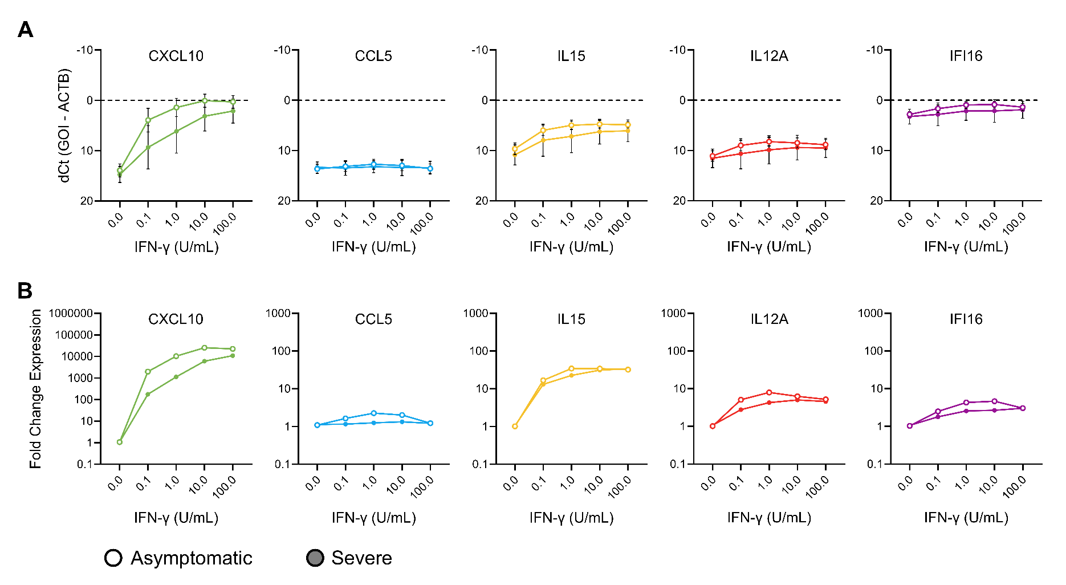

Panel A | dCt, or raw quantity of transcripts
 | CXCL10 |  |  |  |  |  |  |  |  |  |  |  |  |  |  |  |  |  |  |  |  |  |  |  |  |  |  |  |  |  | CCL5 |  |  |  |  |  |  |  |  |  |  |  |  |  |  |  |  |  |  |  |  |  |  |  |  |  |  |  |  |  | IL15 |  |  |  |  |  |  |  |  |  |  |  |  |  |  |  |  |  |  |  |  |  |  |  |  |  |  |  |  |  | IL12A |  |  |  |  |  |  |  |  |  |  |  |  |  |  |  |  |  |  |  |  |  |  |  |  |  |  |  |  |  | IFI16
 | Donor 1 |  |  | Donor 2 |  |  | Donor 3 |  |  | Donor 4 |  |  | Donor 5 |  |  | Donor 6 |  |  | Donor 7 |  |  | Donor 8 |  |  | Donor 9 |  |  | Donor 10 |  |  | Donor 1 |  |  | Donor 2 |  |  | Donor 3 |  |  | Donor 4 |  |  | Donor 5 |  |  | Donor 6 |  |  | Donor 7 |  |  | Donor 8 |  |  | Donor 9 |  |  | Donor 10 |  |  | Donor 1 |  |  | Donor 2 |  |  | Donor 3 |  |  | Donor 4 |  |  | Donor 5 |  |  | Donor 6 |  |  | Donor 7 |  |  | Donor 8 |  |  | Donor 9 |  |  | Donor 10 |  |  | Donor 1 |  |  | Donor 2 |  |  | Donor 3 |  |  | Donor 4 |  |  | Donor 5 |  |  | Donor 6 |  |  | Donor 7 |  |  | Donor 8 |  |  | Donor 9 |  |  | Donor 10 |  |  | Donor 1 |  |  | Donor 2 |  |  | Donor 3 |  |  | Donor 4 |  |  | Donor 5 |  |  | Donor 6 |  |  | Donor 7 |  |  | Donor 8 |  |  | Donor 9 |  |  | Donor 10
Dose IFNg | BR1 | BR2 | BR3 | BR1 | BR2 | BR3 | BR1 | BR2 | BR3 | BR1 | BR2 | BR3 | BR1 | BR2 | BR3 | BR1 | BR2 | BR3 | BR1 | BR2 | BR3 | BR1 | BR2 | BR3 | BR1 | BR2 | BR3 | BR1 | BR2 | BR3 | BR1 | BR2 | BR3 | BR1 | BR2 | BR3 | BR1 | BR2 | BR3 | BR1 | BR2 | BR3 | BR1 | BR2 | BR3 | BR1 | BR2 | BR3 | BR1 | BR2 | BR3 | BR1 | BR2 | BR3 | BR1 | BR2 | BR3 | BR1 | BR2 | BR3 | BR1 | BR2 | BR3 | BR1 | BR2 | BR3 | BR1 | BR2 | BR3 | BR1 | BR2 | BR3 | BR1 | BR2 | BR3 | BR1 | BR2 | BR3 | BR1 | BR2 | BR3 | BR1 | BR2 | BR3 | BR1 | BR2 | BR3 | BR1 | BR2 | BR3 | BR1 | BR2 | BR3 | BR1 | BR2 | BR3 | BR1 | BR2 | BR3 | BR1 | BR2 | BR3 | BR1 | BR2 | BR3 | BR1 | BR2 | BR3 | BR1 | BR2 | BR3 | BR1 | BR2 | BR3 | BR1 | BR2 | BR3 | BR1 | BR2 | BR3 | BR1 | BR2 | BR3 | BR1 | BR2 | BR3 | BR1 | BR2 | BR3 | BR1 | BR2 | BR3 | BR1 | BR2 | BR3 | BR1 | BR2 | BR3 | BR1 | BR2 | BR3 | BR1 | BR2 | BR3 | BR1 | BR2 | BR3 | BR1 | BR2 | BR3
Untreated | 14.41 | 13.39 | 12.25 | 15.6 | 15.09 | 14.36 | 11.55 | 11.82 | 12.44 | 13.91 | 14.53 | 15.12 | 15.04 | 14.27 | 14.98 | 14.28 | 16.34 | 14.61 | 13.74 | 13.14 | 14.17 | 16.8 | 18.03 | 17.13 | 14.61 | 14.13 | 14.03 | 13.68 | 13.62 | 12.65 | 13.59 | 13.31 | 15.02 | 14.1 | 14.85 | 14.36 | 13.23 | 11.77 | 13.6 | 13.17 | 13.91 | 15.12 | 12.8 | 12.77 | 12.99 | 12.81 | 15.98 | 14.61 | 13.74 | 13.14 | 12.76 | 12.99 | 14.63 | 13.37 | 12.33 | 11.78 | 12.22 | 13.68 | 13.44 | 12.65 | 11.31 | 12.24 | 11.07 | 8.75 | 8.55 | 9.33 | 10.01 | 8.83 | 9.33 | 9.85 | 9.85 | 9.89 | 9.04 | 8.12 | 8.51 | 10.24 | 12.24 | 11.07 | 8.64 | 9.25 | 9.16 | 13.75 | 13.54 | 14.49 | 8.72 | 8.67 | 9.03 | 11.78 | 10.79 | 11.32 | 10.57 | 11.92 | 10.14 | 10.66 | 10.69 | 10.46 | 10.09 | 9.61 | 9.68 | 11.9 | 11.68 | 12.15 | 12.56 | 11.57 | 12.77 | 9.73 | 11.92 | 10.14 | 11.63 | 10.35 | 10.09 | 14.99 | 15.37 | 14.5 | 10.84 | 10.23 | 10.44 | 11.11 | 11.31 | 10.58 | 3.04 | 3.4 | 4.37 | 2.42 | 2.5 | 2.77 | 2.73 | 2.25 | 2.29 | 2.96 | 2.42 | 3.3 | 2.93 | 2.12 | 2.83 | 3.2 | 5.53 | 3.3 | 2.65 | 1.49 | 1.88 | 5.27 | 5.87 | 5.13 | 2.43 | 1.88 | 1.75 | 2.78 | 2.72 | 2.62
0.1 | 4.85 | 3.59 | 3.43 | 9.94 | 6.94 | 7.02 | 2 | 2.43 | 1.64 | 2.64 | 2.4 | 3.81 | 3.61 | 2.16 | 2.36 | 8.28 | 8.53 | 7.32 | 10.26 | 8.89 | 6.55 | 17.51 | 19.23 | 12.97 | 4.64 | 4.86 | 5.45 | 10.07 | 7.76 | 7.75 | 12.71 | 11.92 | 13.86 | 14.87 | 13.68 | 14.04 | 13.3 | 12.05 | 12.94 | 12.38 | 13.53 | 14.85 | 12.04 | 12.38 | 12.4 | 13.99 | 13.81 | 14.09 | 13.95 | 13.18 | 12.69 | 13.79 | 16.19 | 16.31 | 10.89 | 11.75 | 12.23 | 13.81 | 13.12 | 11.94 | 6.15 | 6.93 | 5.98 | 7.22 | 6.65 | 7.59 | 6.53 | 5.15 | 5.75 | 6.81 | 4.89 | 6.07 | 4.84 | 4.27 | 4.55 | 5.41 | 6.93 | 5.98 | 6.83 | 6.57 | 6.25 | 14.17 | 14.53 | 12.73 | 5.58 | 5.53 | 5.38 | 7.96 | 7.26 | 7.91 | 8.62 | 9.45 | 8.2 | 9.81 | 10.06 | 9.73 | 8 | 7.03 | 7.41 | 10.4 | 8.28 | 9.87 | 9.21 | 8.75 | 10.09 | 7.75 | 9.45 | 8.2 | 11.12 | 10.59 | 9.6 | 15.47 | 16.94 | 15.67 | 8.28 | 7.75 | 8.22 | 10.14 | 10.55 | 9.84 | 1.62 | 1.88 | 3.08 | 1.96 | 1.85 | 2.31 | 1.67 | 0.83 | 1.33 | 2.5 | 0.26 | 2.19 | 0.99 | 0.91 | 1.66 | 1.69 | 3.36 | 1.83 | 2.4 | 1.32 | 1.32 | 6.11 | 7.49 | 7.31 | 1.22 | 1.02 | 0.67 | 2.12 | 2.27 | 2.01
1 | 2.58 | 2.58 | -0.32 | 6.59 | 2.78 | 2.82 | 0.06 | 0.61 | 0.9 | -0.28 | -0.21 | 0.9 | 1.14 | 0.97 | 0.12 | 6.63 | 5.76 | 4.55 | 5.8 | 5.44 | 2.68 | 12.72 | 10.92 | 17.66 | 2.42 | 2.48 | 3.07 | 4.94 | 3.33 | 3.49 | 11.98 | 13.15 | 11.71 | 15.16 | 12.63 | 14.33 | 12.68 | 11.78 | 12.82 | 11.78 | 12.87 | 13.51 | 12.21 | 12.38 | 11.71 | 13.89 | 15.16 | 13.56 | 13.08 | 13.57 | 13.56 | 14.64 | 12.74 | 14.45 | 11.71 | 10.76 | 12.31 | 13.85 | 12.79 | 12 | 4.79 | 5.46 | 5.08 | 6.01 | 5.21 | 6.18 | 5.8 | 4.31 | 5.7 | 5.72 | 3.98 | 4.38 | 4.02 | 4.15 | 3.67 | 5.62 | 5.46 | 5.08 | 6.18 | 6.46 | 5.78 | 12.17 | 12.2 | 15.07 | 4.8 | 4.68 | 4.49 | 6.83 | 5.95 | 6.71 | 7.61 | 8.37 | 7.45 | 8.92 | 8.7 | 8.64 | 7.5 | 6.5 | 7.28 | 9.64 | 7.79 | 8.53 | 8.37 | 8.98 | 9.32 | 8.65 | 8.37 | 7.45 | 10.23 | 9.56 | 8.5 | 15.36 | 14.1 | 15.47 | 7.85 | 7.17 | 7.32 | 9.27 | 9.68 | 8.94 | 0.45 | 1.97 | 0.34 | 1.67 | 1.1 | 1.86 | 1.14 | 0.15 | 0.77 | 1.79 | -0.29 | 0.85 | 0.37 | 1.21 | 0.78 | 2.32 | 2.21 | 1.08 | 1.95 | 0.75 | 0.68 | 6.44 | 4 | 5.64 | 1.06 | 0.38 | 0.22 | 1.85 | 1.73 | 1.65
10 | 2.03 | 1.38 | -2.14 | 2.58 | -0.86 | -0.75 | -0.89 | 0.33 | -0.11 | -1.38 | -0.6 | 0.92 | 1.03 | -0.23 | -0.4 | 4.45 | 5.04 | 4.11 | 1.83 | 1.41 | -1.45 | 7.79 | 8.37 | 7.59 | 0.6 | 1.19 | 1.72 | 2.15 | 1.06 | 1.09 | 12.4 | 11.97 | 11.32 | 14.77 | 13.33 | 14.12 | 13.39 | 12 | 12.85 | 13.19 | 12.6 | 14.87 | 13.61 | 12.11 | 11.95 | 12.83 | 14.34 | 13.71 | 12.81 | 13.41 | 13.66 | 14.47 | 16.18 | 16.19 | 10.63 | 10.67 | 11.67 | 13.64 | 13.36 | 12.47 | 5.11 | 6.15 | 5.37 | 4.8 | 4.32 | 5.24 | 5.45 | 4.28 | 4.81 | 5.38 | 3.73 | 4.94 | 4.64 | 3.41 | 3.49 | 4.84 | 6.15 | 5.37 | 4.76 | 5.31 | 4.67 | 10.86 | 11 | 10.68 | 3.95 | 4.48 | 4.27 | 5.74 | 5.19 | 6.29 | 8.22 | 8.14 | 8.41 | 8.25 | 8.32 | 8.5 | 7.61 | 6.74 | 6.84 | 9.73 | 8.26 | 9.64 | 9.73 | 8.95 | 9.99 | 8.05 | 8.14 | 8.41 | 9.08 | 8.8 | 7.81 | 13.61 | 14.47 | 13.98 | 7.26 | 7.26 | 7.56 | 8.61 | 9.3 | 8.92 | 0.99 | 1.73 | -0.43 | 0.81 | 0.7 | 1.28 | 1.03 | 0.36 | 0.41 | 1.85 | -0.12 | 1.6 | 1.27 | 0.35 | 0.83 | 1.55 | 3.09 | 1.59 | 1.12 | 0.59 | 0.35 | 5.44 | 7.01 | 6.26 | 0.34 | 0.42 | 0.1 | 1.12 | 1.45 | 1.42
100 | 2.05 | 1.96 | 0.59 | 2.2 | -0.6 | -0.86 | -1.64 | 0.5 | -0.21 | -1.6 | -1 | 0.9 | 1.11 | -0.01 | 0.87 | 3.85 | 4.81 | 3.8 | 0.18 | -0.03 | -2.11 | 6.51 | 3 | 5.3 | 0.07 | 1.36 | 1.89 | 2.46 | 0.3 | 0.26 | 13.46 | 13.81 | 14.32 | 14.8 | 14.58 | 14.52 | 12.53 | 12.38 | 12.96 | 12.39 | 12.4 | 14.71 | 13.97 | 12.84 | 14.25 | 13.87 | 14.64 | 14.2 | 12.24 | 13.87 | 13.45 | 15.72 | 11.55 | 15.15 | 12.17 | 11.63 | 12.69 | 13.27 | 13.81 | 12.57 | 5.33 | 5.76 | 5.14 | 4.8 | 4.62 | 5.2 | 5.63 | 4.29 | 4.84 | 5.33 | 3.85 | 4.95 | 4.87 | 3.64 | 4.83 | 4.61 | 5.76 | 5.14 | 4.43 | 4.97 | 4.83 | 10.32 | 9.47 | 10.39 | 4.09 | 4.81 | 4.58 | 5.88 | 5.27 | 6.21 | 8.69 | 9.29 | 8.19 | 8.47 | 9.08 | 8.47 | 8.11 | 7.12 | 7.25 | 10.04 | 8.28 | 9.8 | 9.84 | 8.91 | 10.9 | 7.99 | 9.29 | 8.19 | 9.19 | 8.96 | 8.48 | 13.93 | 11.62 | 13.1 | 7.81 | 8.14 | 7.82 | 8.95 | 9.51 | 9.27 | 1.5 | 2.36 | 2.65 | 1.04 | 1.03 | 1.33 | 1.4 | 0.61 | 0.52 | 1.81 | -0.12 | 1.64 | 1.5 | 0.74 | 2.25 | 1.43 | 2.55 | 1.14 | 1.34 | 0.48 | 0.78 | 6.16 | 2.96 | 5.32 | 0.48 | 0.86 | 0.52 | 1.16 | 1.66 | 1.45

Question: Is there a statistically significant difference between asymptomatic (green, donors 1-5) and severe (pink, donors 6-10) at each dose in each cytokine of interest?

Panel B | ddCt, or relative fold increase of transcripts compared to untreated
 | CXCL10 |  |  |  |  |  |  |  |  |  |  |  |  |  |  |  |  |  |  |  |  |  |  |  |  |  |  |  |  |  | CCL5 |  |  |  |  |  |  |  |  |  |  |  |  |  |  |  |  |  |  |  |  |  |  |  |  |  |  |  |  |  | IL15 |  |  |  |  |  |  |  |  |  |  |  |  |  |  |  |  |  |  |  |  |  |  |  |  |  |  |  |  |  | IL12A |  |  |  |  |  |  |  |  |  |  |  |  |  |  |  |  |  |  |  |  |  |  |  |  |  |  |  |  |  | IFI16
 | Donor 1 |  |  | Donor 2 |  |  | Donor 3 |  |  | Donor 4 |  |  | Donor 5 |  |  | Donor 6 |  |  | Donor 7 |  |  | Donor 8 |  |  | Donor 9 |  |  | Donor 10 |  |  | Donor 1 |  |  | Donor 2 |  |  | Donor 3 |  |  | Donor 4 |  |  | Donor 5 |  |  | Donor 6 |  |  | Donor 7 |  |  | Donor 8 |  |  | Donor 9 |  |  | Donor 10 |  |  | Donor 1 |  |  | Donor 2 |  |  | Donor 3 |  |  | Donor 4 |  |  | Donor 5 |  |  | Donor 6 |  |  | Donor 7 |  |  | Donor 8 |  |  | Donor 9 |  |  | Donor 10 |  |  | Donor 1 |  |  | Donor 2 |  |  | Donor 3 |  |  | Donor 4 |  |  | Donor 5 |  |  | Donor 6 |  |  | Donor 7 |  |  | Donor 8 |  |  | Donor 9 |  |  | Donor 10 |  |  | Donor 1 |  |  | Donor 2 |  |  | Donor 3 |  |  | Donor 4 |  |  | Donor 5 |  |  | Donor 6 |  |  | Donor 7 |  |  | Donor 8 |  |  | Donor 9 |  |  | Donor 10
Dose IFNg | BR1 | BR2 | BR3 | BR1 | BR2 | BR3 | BR1 | BR2 | BR3 | BR1 | BR2 | BR3 | BR1 | BR2 | BR3 | BR1 | BR2 | BR3 | BR1 | BR2 | BR3 | BR1 | BR2 | BR3 | BR1 | BR2 | BR3 | BR1 | BR2 | BR3 | BR1 | BR2 | BR3 | BR1 | BR2 | BR3 | BR1 | BR2 | BR3 | BR1 | BR2 | BR3 | BR1 | BR2 | BR3 | BR1 | BR2 | BR3 | BR1 | BR2 | BR3 | BR1 | BR2 | BR3 | BR1 | BR2 | BR3 | BR1 | BR2 | BR3 | BR1 | BR2 | BR3 | BR1 | BR2 | BR3 | BR1 | BR2 | BR3 | BR1 | BR2 | BR3 | BR1 | BR2 | BR3 | BR1 | BR2 | BR3 | BR1 | BR2 | BR3 | BR1 | BR2 | BR3 | BR1 | BR2 | BR3 | BR1 | BR2 | BR3 | BR1 | BR2 | BR3 | BR1 | BR2 | BR3 | BR1 | BR2 | BR3 | BR1 | BR2 | BR3 | BR1 | BR2 | BR3 | BR1 | BR2 | BR3 | BR1 | BR2 | BR3 | BR1 | BR2 | BR3 | BR1 | BR2 | BR3 | BR1 | BR2 | BR3 | BR1 | BR2 | BR3 | BR1 | BR2 | BR3 | BR1 | BR2 | BR3 | BR1 | BR2 | BR3 | BR1 | BR2 | BR3 | BR1 | BR2 | BR3 | BR1 | BR2 | BR3 | BR1 | BR2 | BR3 | BR1 | BR2 | BR3 | BR1 | BR2 | BR3
Untreated | 0.48 | 0.97 | 2.14 | 0.67 | 0.95 | 1.58 | 1.31 | 1.08 | 0.71 | 1.53 | 0.99 | 0.66 | 0.82 | 1.41 | 0.86 | 1.73 | 0.42 | 1.38 | 0.96 | 1.46 | 0.71 | 1.44 | 0.61 | 1.14 | 0.78 | 1.09 | 1.17 | 0.78 | 0.81 | 1.59 | 1.3 | 1.59 | 0.49 | 1.26 | 0.75 | 1.06 | 0.78 | 2.15 | 0.6 | 1.86 | 1.11 | 0.48 | 1.04 | 1.06 | 0.91 | 3.15 | 0.35 | 0.91 | 0.7 | 1.05 | 1.36 | 1.6 | 0.51 | 1.23 | 0.86 | 1.26 | 0.93 | 0.75 | 0.88 | 1.52 | 1.27 | 0.48 | 1.08 | 1.09 | 1.25 | 0.73 | 0.65 | 1.47 | 1.05 | 1.01 | 1.01 | 0.98 | 0.72 | 1.35 | 1.03 | 1.93 | 0.48 | 1.08 | 1.3 | 0.85 | 0.9 | 1.13 | 1.31 | 0.68 | 1.06 | 1.1 | 0.86 | 0.72 | 1.42 | 0.98 | 1.21 | 0.4 | 1.37 | 0.96 | 0.94 | 1.1 | 0.81 | 1.14 | 1.08 | 1.01 | 1.18 | 0.85 | 0.84 | 1.65 | 0.72 | 1.82 | 0.4 | 1.37 | 0.52 | 1.26 | 1.52 | 0.98 | 0.75 | 1.37 | 0.79 | 1.21 | 1.05 | 0.93 | 0.81 | 1.34 | 1.48 | 1.15 | 0.59 | 1.1 | 1.05 | 0.87 | 0.81 | 1.13 | 1.1 | 0.96 | 1.39 | 0.75 | 0.81 | 1.42 | 0.87 | 1.75 | 0.35 | 1.64 | 0.64 | 1.43 | 1.09 | 1.11 | 0.73 | 1.23 | 0.75 | 1.1 | 1.21 | 0.95 | 0.99 | 1.06
...

Fig5_FibroKert
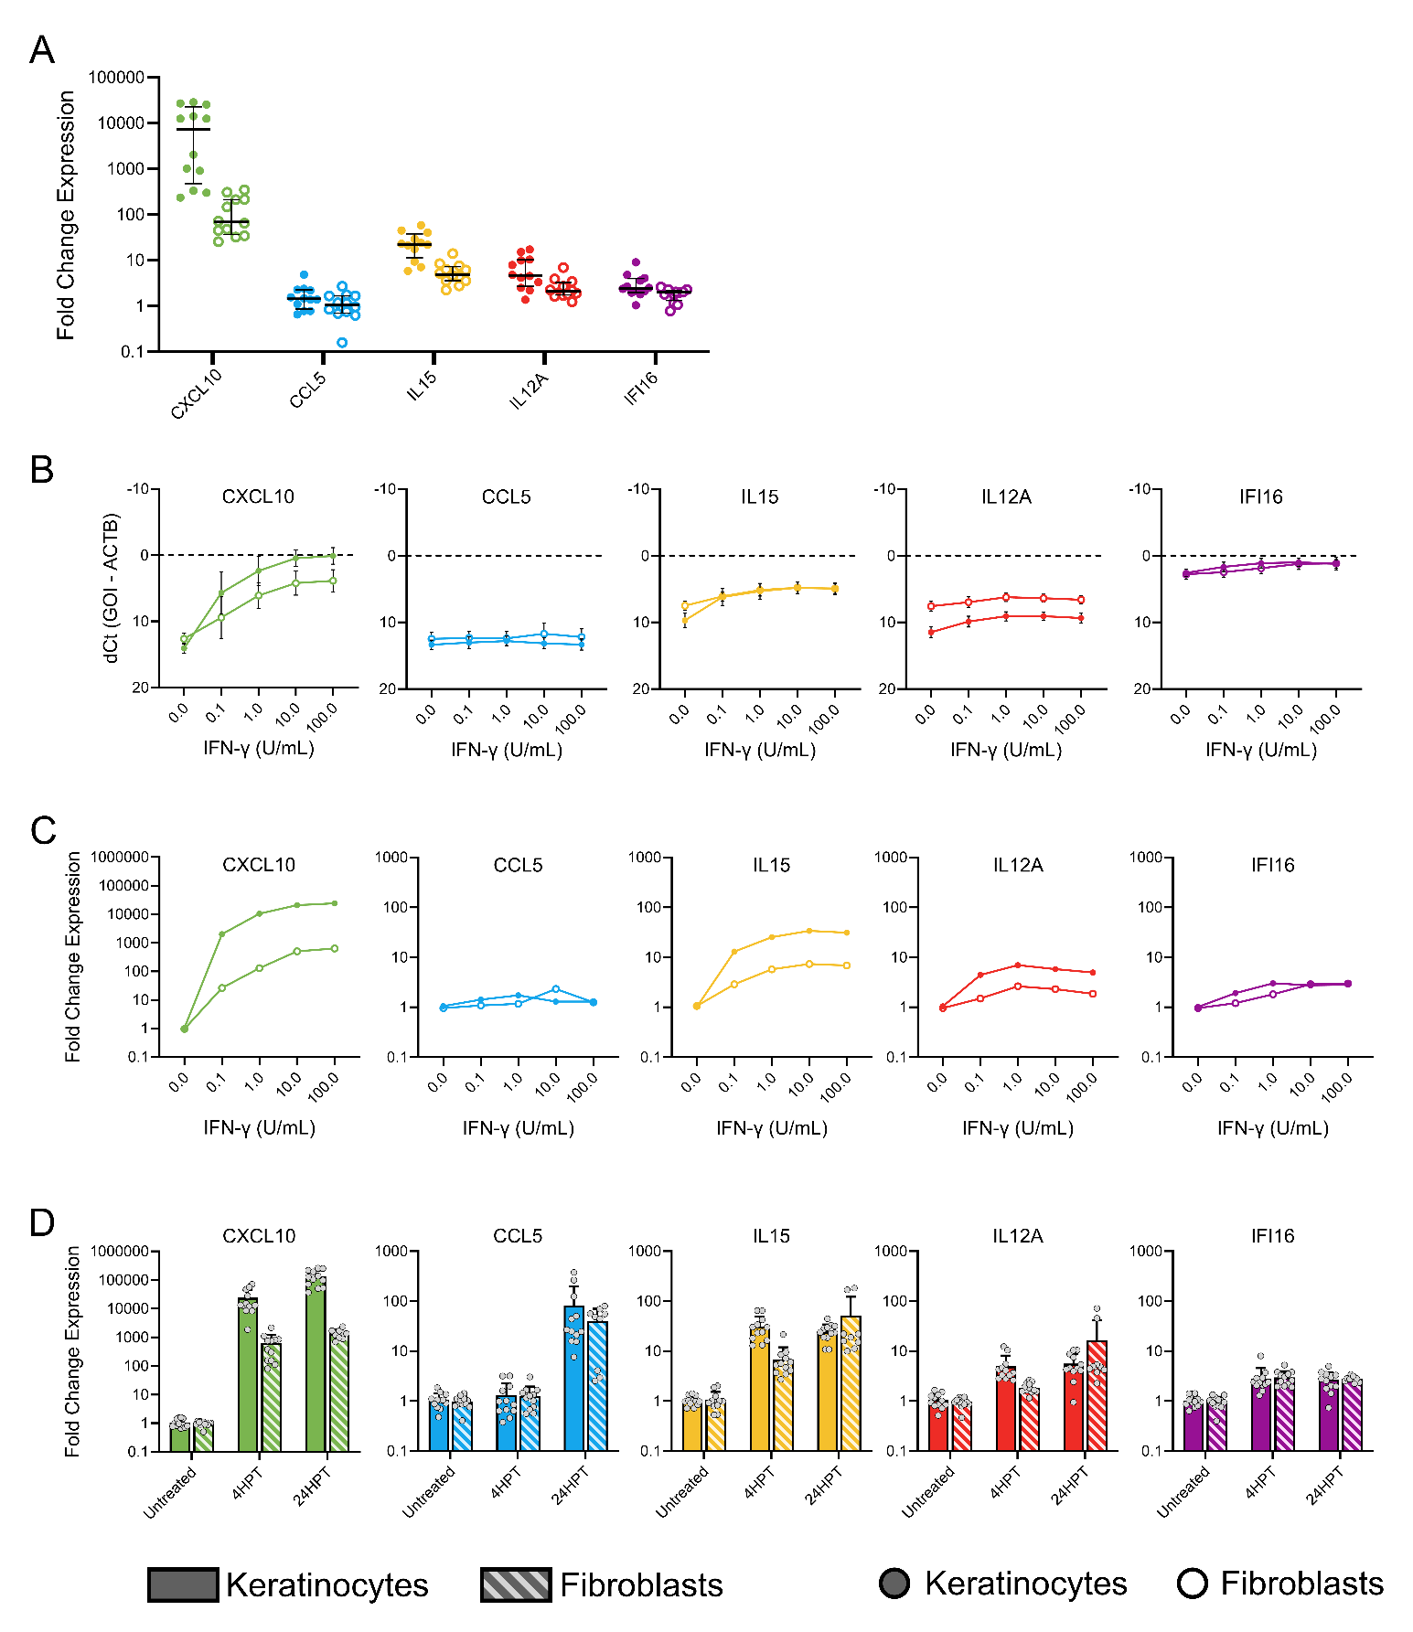
Panel A | Comparing keratinocytes (orange) and fibroblasts (blue) at 1U/mL. Note there are fewer donors
 | Keratinocytes Treated 1U/mL IFNg
 | Donor 4
 | BR1 | BR2 | BR3
CXCL10 | 28530.23 | 27083.67 | 12586.26
CCL5 | 4.88 | 2.29 | 1.47
IL15 | 17.6 | 58.86 | 44.78
IL12A | 4.83 | 17.33 | 10.39
IFI16 | 2.14 | 9.08 | 4.11

Question: Is there a statistically significant difference between the treated group and its associated untreated control? E.g. Treated fibroblast CXCL10 versus untreated fibroblast CXCL10, treated keratinocyte CCL5 versus untreated keratinocyte CCL5
Question: Is there a statistically significant difference between treated keratinocytes and treated fibroblasts

Panel B | Comparing raw quantity (dCt) between cell types (keratinocytes orange, fibroblasts blue)
 | Keratinocytes CXCL10
 | Donor 4
Dose IFNg | BR1 | BR2 | BR3
Untreated | 13.91 | 14.53 | 15.12
0.1 | 2.64 | 2.4 | 3.81
1 | -0.28 | -0.21 | 0.9
10 | -1.38 | -0.6 | 0.92
100 | -1.6 | -1 | 0.9

Question: Is there a statistically significant difference between keratinocytes (orange) and fibroblasts (blue) at each dose in each cytokine of interest?
Question: For fibroblasts, is there a statistically significant difference between each dose and the next lower dose? IE is there a difference between 0.1 and 1, 1 and 10, 10 and 100? The goal of this question is to establish what dose is the peak response

Panel C | Comparing fold change in expression (ddCt) between cell types (keratinocytes orange, fibroblasts blue)
 | Keratinocytes CXCL10
 | Donor 4
Dose IFNg | BR1 | BR2 | BR3
Untreated | 1.53 | 0.99 | 0.66
0.1 | 3759.43 | 4446.72 | 1677.75
1 | 28530.23 | 27083.67 | 12586.26
10 | 60956.57 | 35570.22 | 12423.38
100 | 71320.73 | 46990.52 | 12546.72

Question: Is there a statistically significant difference between keratinocytes (orange) and fibroblasts (blue) at each dose in each cytokine of interest?
Question: For fibroblasts, is there a statistically significant difference between each dose and the next lower dose? IE is there a difference between 0.1 and 1, 1 and 10, 10 and 100? The goal of this question is to establish what dose is the peak response

Panel D | Comparing fold change at 4HPT and 24HPT in keratinocytes and fibroblasts. Note there is no 24HPT Donor 7 for fibroblasts
 | Keratinocytes CXCL10
 | Donor 4
 | BR1 | BR2 | BR3
Untreated | 1.53 | 0.99 | 0.66
4HPT | 71320.73 | 46990.52 | 12546.72
24HPT | 257955.8 | 253859.57 | 217626.34

Question: For fibroblasts, is there a statistically significant difference between untreated and 4HPT for each cytokine?
...

