CCL5
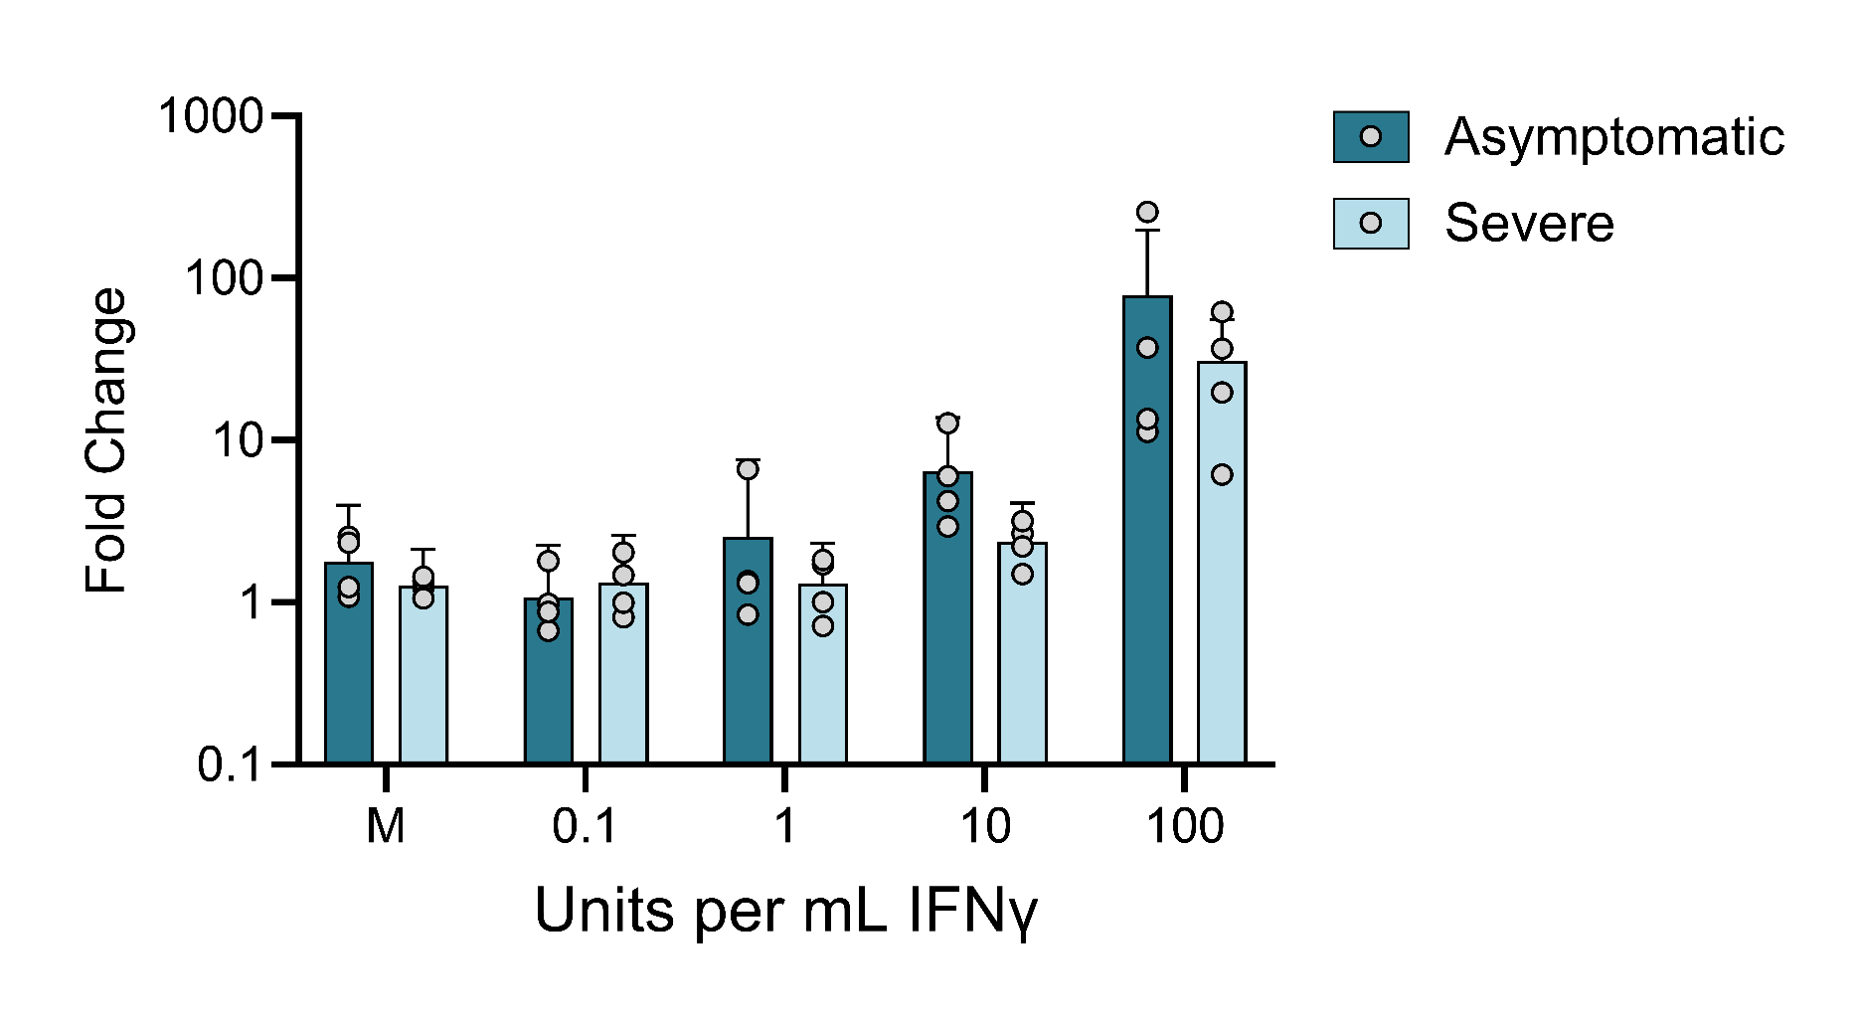
 | Question 1: Is there a difference between asymptomatic and severe at any dose?
 | Question 2: Is there a difference between asymptomatic and severe at any dose if we exclude D4?

 | Asymptomatic |  |  |  |  |  |  |  |  |  |  |  | Severe
 | D1 | D1 | D1 | D2 | D2 | D2 | D3 | D3 | D3 | D4 | D4 | D4 | D7 | D7 | D7 | D8 | D8 | D8 | D9 | D9 | D9 | D10 | D10 | D10
0U | 0.289939 | 0.56295 | 6.126655 | 0.380833 | 1.242422 | 2.113469 | 0.569089 | 1.495634 | 1.174882 | 0.178134 | 0.847249 | 6.625861 | 0.32192 | 1.050232 | 2.95779 | 0.632865 | 1.047254 | 1.508818 | 1.216514 | 2.505582 | 0.328076 | 2.069755 | 0.389715 | 1.23975
0.1U | 0.313489 | 0.126216 | 2.180117 | 0.419686 | 1.084691 | 1.436041 | 0.43639 | 0.92236 | 0.641597 | 0.174758 | 0.873565 | 4.337341 | 0.296902 | 0.959472 | 4.86761 | 0.712405 | 1.092092 | 1.173599 | 2.263161 | 1.766473 | 0.396246 | 1.55361 | 0.524416 | 0.355439
1U | 0.297925 | 1.205521 | 18.36825 | 0.407926 | 1.439514 | 2.091908 | 0.293897 | 1.248265 | 0.981723 | 0.164497 | 0.557872 | 3.325048 | 0.371277 | 1.381324 | 3.735045 | 0.801265 | 1.535419 | 0.671102 | 1.409842 | 2.928506 | 0.800263 | 0.834847 | 0.675274 | 0.638793
10U | 2.623012 | 7.262026 | 28.22849 | 1.021677 | 3.790761 | 4.008942 | 2.399804 | 7.335343 | 8.292927 | 0.791671 | 3.415363 | 8.436005 | 1.429253 | 4.830095 | 0.362094 | 2.949961 | 5.595201 | 1.009341 | 4.041027 | 3.124434 | 0.791722 | 2.461868 | 0.904605 | 1.130875
100U | 10.71671 | 15.80434 | 14.02252 | 27.5784 | 24.69245 | 59.26723 | 9.19991 | 12.49995 | 12.11508 | 378.0318 | 264.2267 | 123.0459 | 44.32081 | 50.19527 | 15.56643 | 3.667887 | 3.449396 | 11.27657 | 53.5355 | 77.55112 | 54.91967 | 24.70331 | 26.71129 | 7.617271

HSV1-GFP
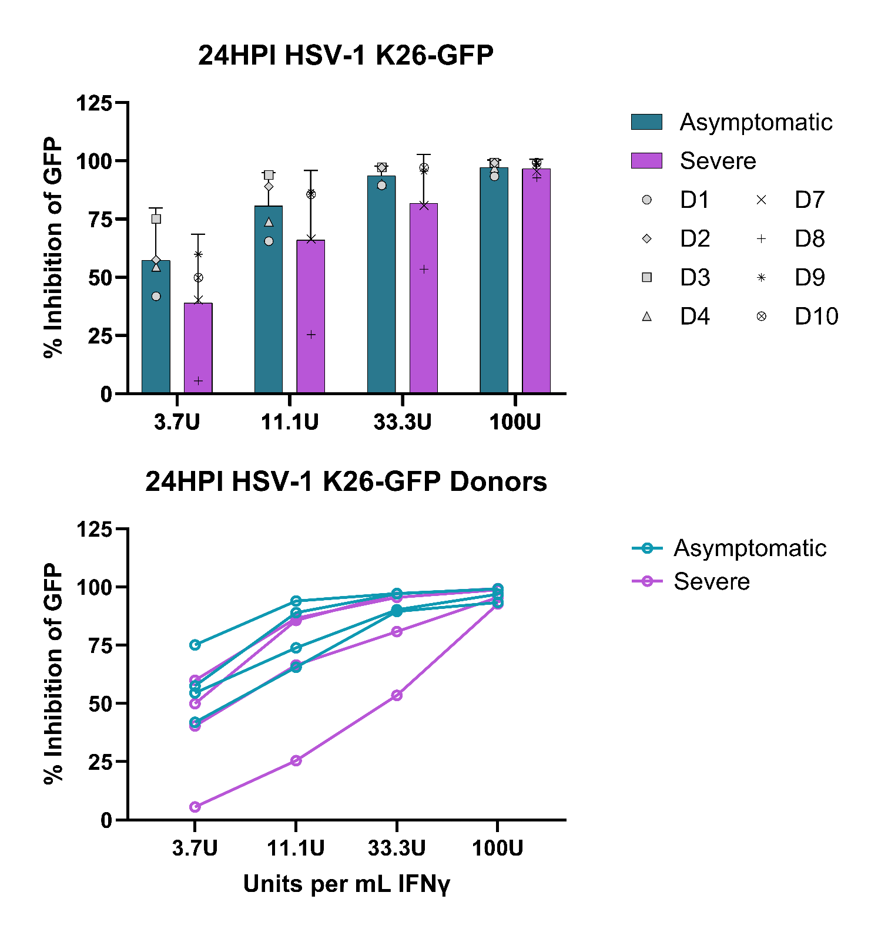
 | Question 1: Is there a difference between asymptomatic and severe at any dose?
 | Question 1: Is there a difference between asymptomatic and severe at any dose if D8 is removed?

 | Asymptomatic |  |  |  |  |  |  |  |  |  |  |  | Severe
Dose IFNg | D1 | D1 | D1 | D2 | D2 | D2 | D3 | D3 | D3 | D4 | D4 | D4 | D7 | D7 | D7 | D8 | D8 | D8 | D9 | D9 | D9 | D10 | D10 | D10
3.7U | 8.32 | 43.60 | 73.85 | 45.21 | 55.91 | 71.47 | 69.79 | 74.93 | 80.76 | 27.10 | 58.57 | 77.92 | 10.78 | 75.12 | 35.12 | 9.62 | 11.02 | -3.83 | 36.76 | 77.50 | 65.64 | 36.77 | 80.47 | 32.59
11.1U | 53.41 | 59.15 | 84.30 | 87.00 | 86.57 | 93.32 | 92.56 | 92.62 | 96.84 | 65.07 | 77.36 | 79.33 | 50.42 | 89.53 | 59.53 | 51.75 | 27.52 | -3.00 | 83.69 | 91.23 | 84.84 | 81.33 | 92.99 | 82.56
33.3U | 90.36 | 87.59 | 90.73 | 96.17 | 96.54 | 98.68 | 97.84 | 96.27 | 97.73 | 89.66 | 87.42 | 93.56 | 74.10 | 93.40 | 75.19 | 76.37 | 50.95 | 33.16 | 94.15 | 96.80 | 95.62 | 94.75 | 99.06 | 97.57
100U | 96.84 | 88.97 | 94.49 | 98.44 | 99.44 | 99.71 | 99.22 | 98.86 | 99.57 | 96.95 | 95.08 | 98.78 | 89.82 | 96.92 | 99.93 | 96.34 | 94.05 | 87.96 | 98.21 | 98.80 | 99.53 | 98.20 | 99.96 | 99.91

 | Asymptomatic |  |  |  |  |  |  |  |  |  |  |  | Severe
Dose IFNg | D1 | D1 | D1 | D2 | D2 | D2 | D3 | D3 | D3 | D4 | D4 | D4 | D7 | D7 | D7 | D8 | D8 | D8 | D9 | D9 | D9 | D10 | D10 | D10
3.7U | 21.21 | -0.38 | 1.88 | 21.80 | 18.17 | 16.27 | 53.49 | 25.67 | 14.88 | 37.50 | 38.83 | 13.36 | 37.23 | 15.87 | 32.42 | 31.59 | 7.52 | 16.55 | 58.22 | 4.32 | 31.65 | -1.47 | 14.56 | 7.04
11.1U | 45.55 | 18.59 | 20.60 | 53.90 | 43.52 | 47.21 | 71.41 | 13.99 | 45.28 | 69.33 | 59.48 | 35.62 | 60.10 | 19.27 | 41.51 | 42.84 | 16.93 | 26.56 | 70.73 | 20.89 | 56.81 | 27.21 | 39.97 | 30.54
33.3U | 78.51 | 38.88 | 47.08 | 73.15 | 83.41 | 87.56 | 96.03 | 42.17 | 66.01 | 95.67 | 60.75 | 59.73 | 92.68 | 71.32 | 75.97 | 84.58 | 50.45 | 58.81 | 92.19 | 56.98 | 96.05 | 89.48 | 56.61 | 49.17
100U | 90.66 | 77.46 | 89.70 | 96.96 | 99.51 | 96.53 | 94.45 | 89.49 | 95.54 | 98.57 | 98.94 | 84.26 | 98.20 | 92.65 | 97.29 | 90.22 | 84.29 | 91.02 | 98.72 | 89.69 | 98.75 | 97.57 | 92.25 | 75.18

 | Values are normalized percentages, where: (1) GFP fluoresence background in untreated samples is subtracted from GFP fluoresence at a given dose of IFNg, then (2) GFP at a given dose of IFNg is divided by the GFP at 0U IFNg to caluclated % max GFP

HSV2-GFP
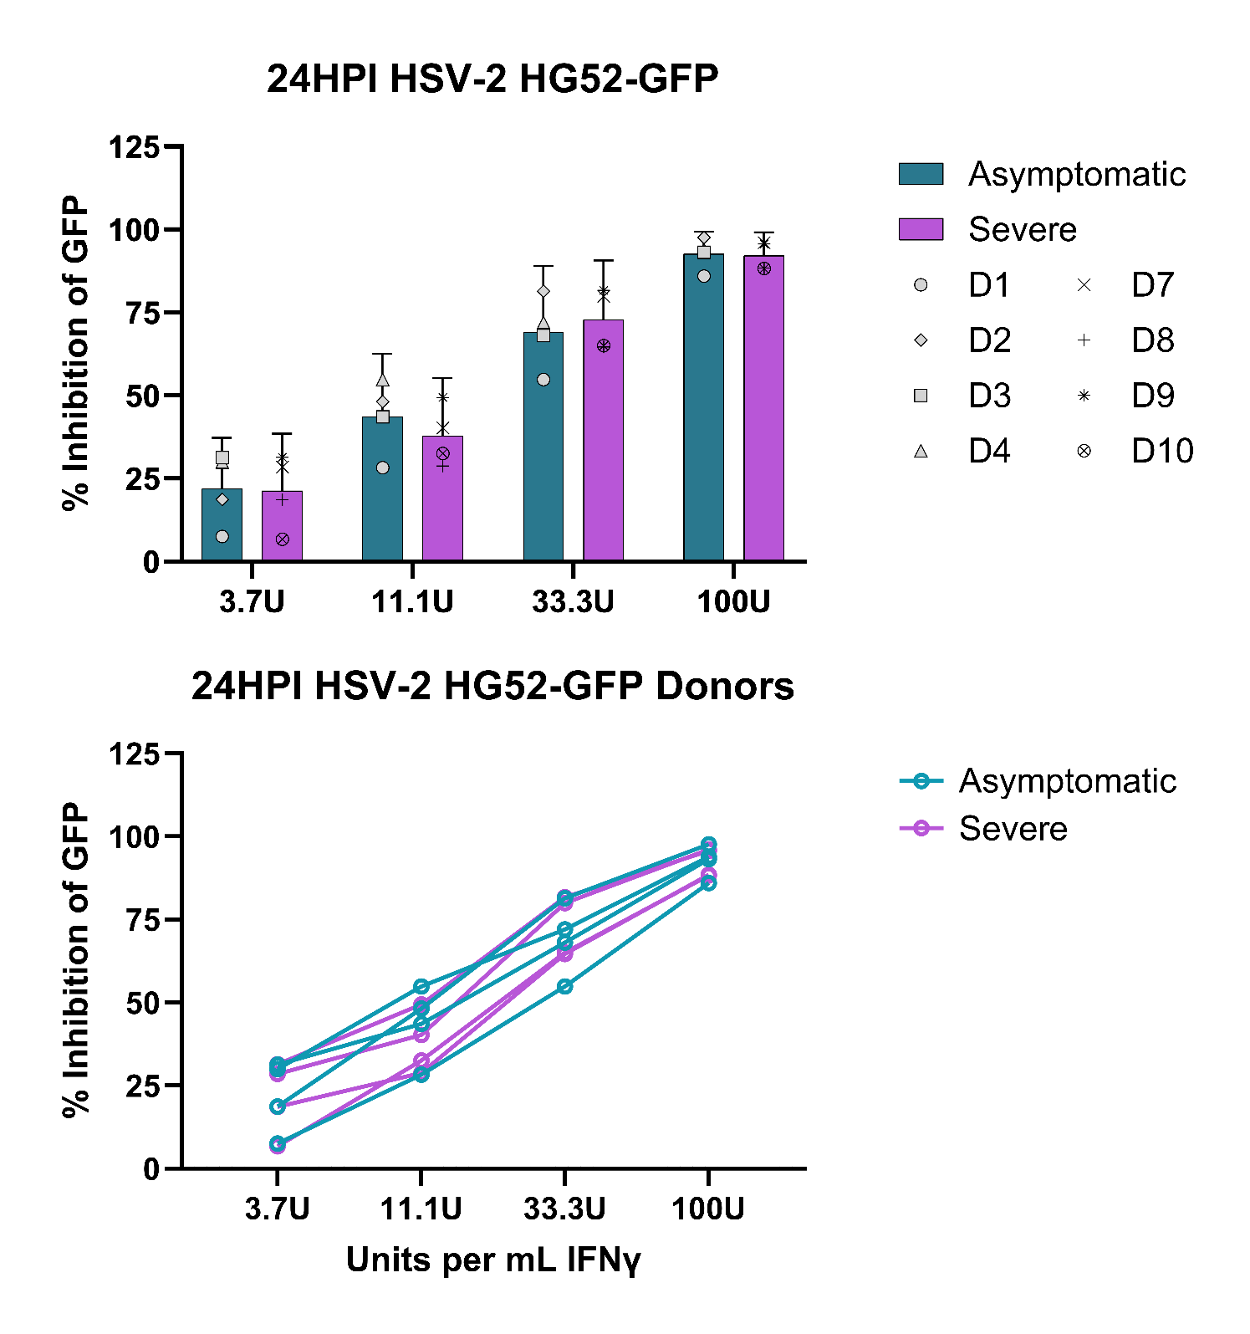
 | Question 1: Is there a difference between asymptomatic and severe at any dose?

 | Asymptomatic |  |  |  |  |  |  |  |  |  |  |  | Severe
Dose IFNg | D1 | D1 | D1 | D2 | D2 | D2 | D3 | D3 | D3 | D4 | D4 | D4 | D7 | D7 | D7 | D8 | D8 | D8 | D9 | D9 | D9 | D10 | D10 | D10
3.7U | 21.21 | -0.38 | 1.88 | 21.80 | 18.17 | 16.27 | 53.49 | 25.67 | 14.88 | 37.50 | 38.83 | 13.36 | 37.23 | 15.87 | 32.42 | 31.59 | 7.52 | 16.55 | 58.22 | 4.32 | 31.65 | -1.47 | 14.56 | 7.04
11.1U | 45.55 | 18.59 | 20.60 | 53.90 | 43.52 | 47.21 | 71.41 | 13.99 | 45.28 | 69.33 | 59.48 | 35.62 | 60.10 | 19.27 | 41.51 | 42.84 | 16.93 | 26.56 | 70.73 | 20.89 | 56.81 | 27.21 | 39.97 | 30.54
33.3U | 78.51 | 38.88 | 47.08 | 73.15 | 83.41 | 87.56 | 96.03 | 42.17 | 66.01 | 95.67 | 60.75 | 59.73 | 92.68 | 71.32 | 75.97 | 84.58 | 50.45 | 58.81 | 92.19 | 56.98 | 96.05 | 89.48 | 56.61 | 49.17
100U | 90.66 | 77.46 | 89.70 | 96.96 | 99.51 | 96.53 | 94.45 | 89.49 | 95.54 | 98.57 | 98.94 | 84.26 | 98.20 | 92.65 | 97.29 | 90.22 | 84.29 | 91.02 | 98.72 | 89.69 | 98.75 | 97.57 | 92.25 | 75.18

 | Values are normalized percentages, where: (1) GFP fluoresence background in untreated samples is subtracted from GFP fluoresence at a given dose of IFNg, then (2) GFP at a given dose of IFNg is divided by the GFP at 0U IFNg to caluclated % max GFP

