Sheet1
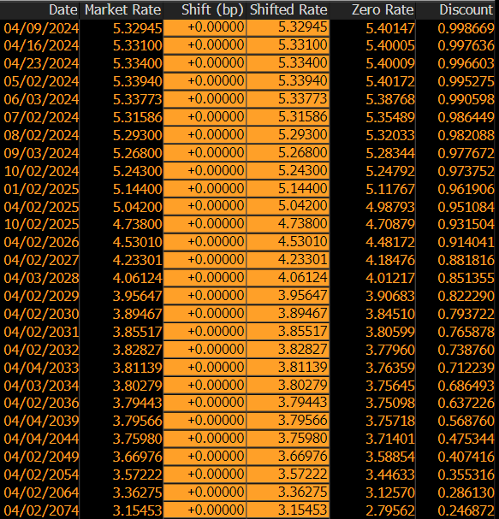
Tenor | Time To Maturity | Date | Market Rate | Shift (bp) | Shifted Rate | Zero Rate | Discount
1W | 0.025 | 2024-04-09 | 5.32945 | 0 | 5.32945 | 5.40147 | 0.998669
2W | 0.044444444444 | 2024-04-16 | 5.33100 | 0 | 5.33100 | 5.40005 | 0.997636
3W | 0.063888888889 | 2024-04-23 | 5.33400 | 0 | 5.33400 | 5.40009 | 0.996603
1M | 0.088888888889 | 2024-05-02 | 5.33940 | 0 | 5.33940 | 5.40172 | 0.995275
2M | 0.175 | 2024-06-03 | 5.33773 | 0 | 5.33773 | 5.38768 | 0.990598
3M | 0.25555555556 | 2024-07-02 | 5.31586 | 0 | 5.31586 | 5.35489 | 0.986449
4M | 0.33888888889 | 2024-08-02 | 5.29300 | 0 | 5.29300 | 5.32033 | 0.982088
5M | 0.425 | 2024-09-03 | 5.26800 | 0 | 5.26800 | 5.28344 | 0.977672
6M | 0.50555555556 | 2024-10-02 | 5.24300 | 0 | 5.24300 | 5.24792 | 0.973752
9M | 0.75555555556 | 2025-01-02 | 5.14400 | 0 | 5.14400 | 5.11767 | 0.961906
1Y | 1.0055555556 | 2025-04-02 | 5.04200 | 0 | 5.04200 | 4.98793 | 0.951084
1Y6M | 1.5055555556 | 2025-10-02 | 4.73800 | 0 | 4.73800 | 4.70879 | 0.931504
2Y | 2.0055555556 | 2026-04-02 | 4.53010 | 0 | 4.53010 | 4.48172 | 0.914041
3Y | 3.0055555556 | 2027-04-02 | 4.23301 | 0 | 4.23301 | 4.18476 | 0.881816
4Y | 4.0083333333 | 2028-04-03 | 4.06124 | 0 | 4.06124 | 4.01217 | 0.851355
5Y | 5.0055555556 | 2029-04-02 | 3.95647 | 0 | 3.95647 | 3.90683 | 0.822290
6Y | 6.0055555556 | 2030-04-02 | 3.89467 | 0 | 3.89467 | 3.84510 | 0.793722
7Y | 7.0055555556 | 2031-04-02 | 3.85517 | 0 | 3.85517 | 3.80599 | 0.765878
8Y | 8.0055555556 | 2032-04-02 | 3.82827 | 0 | 3.82827 | 3.77960 | 0.738760
9Y | 9.0111111111 | 2033-04-04 | 3.81139 | 0 | 3.81139 | 3.76359 | 0.712239
10Y | 10.008333333 | 2034-04-03 | 3.80279 | 0 | 3.80279 | 3.75645 | 0.686493
12Y | 12.005555556 | 2036-04-02 | 3.79443 | 0 | 3.79443 | 3.75098 | 0.637226
15Y | 15.011111111 | 2039-04-04 | 3.79566 | 0 | 3.79566 | 3.75718 | 0.568760
20Y | 20.011111111 | 2044-04-04 | 3.75980 | 0 | 3.75980 | 3.71401 | 0.475344
25Y | 25.005555556 | 2049-04-02 | 3.66976 | 0 | 3.66976 | 3.58854 | 0.407416
30Y | 30.005555556 | 2054-04-02 | 3.57222 | 0 | 3.57222 | 3.44633 | 0.355316
40Y | 40.005555556 | 2064-04-02 | 3.36275 | 0 | 3.36275 | 3.12570 | 0.286130
50Y | 50.005555556 | 2074-04-02 | 3.15453 | 0 | 3.15453 | 2.79562 | 0.246872

