appendicitis
Row | RF | DT | SVM | GBM | XGBoost
FC | 87.82±9.92 | 87.82±10.81 | 86.91±10.02 | 88.64±7.58 | 86.73±11.52
Finest | 86.91±10.02 | 85.91±11.68 | 85.91±6.68 | 88.64±7.58 | 84.82±12.63
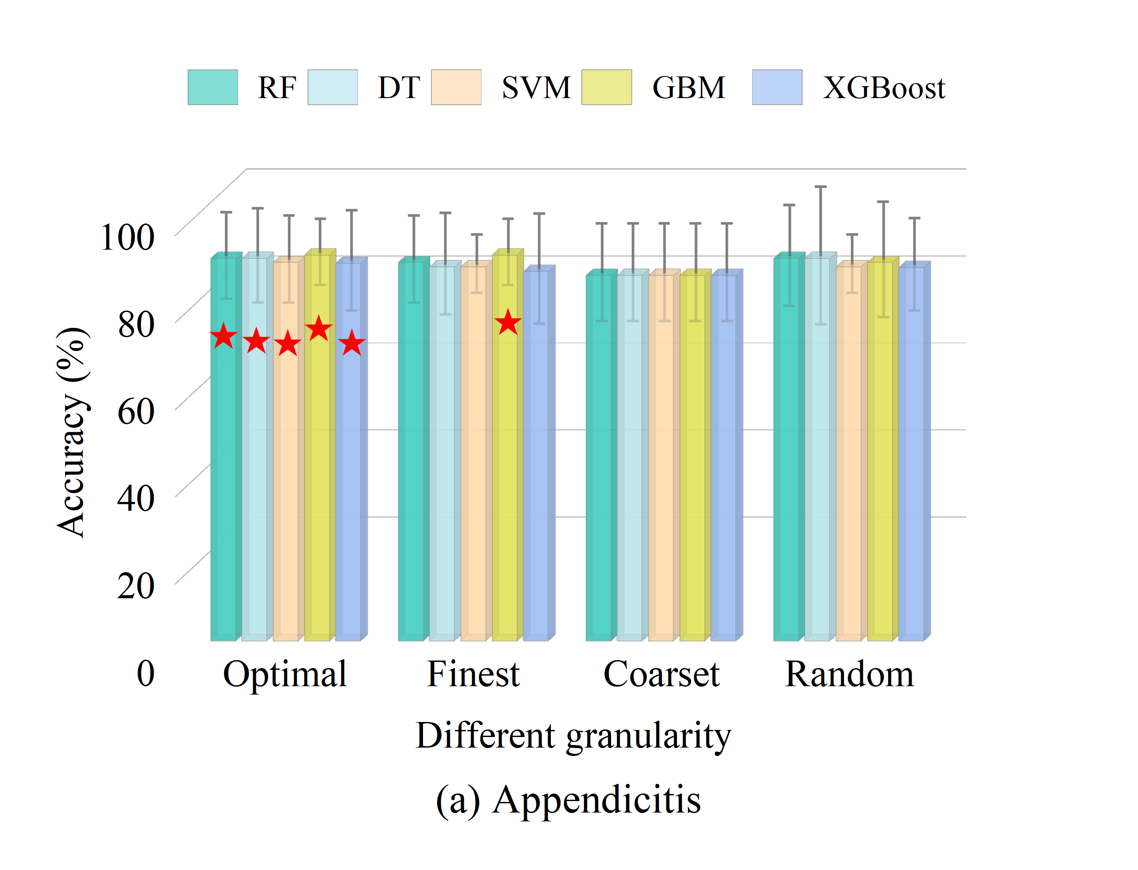
Coarset | 83.91±11.20 | 83.91±11.20 | 83.91±11.20 | 83.91±11.20 | 83.91±11.20
Random | 87.82±11.63 | 87.82±15.81 | 85.91±6.68 | 86.91±13.19 | 85.73±10.63

hayes-roth
Row | RF | DT | SVM | GBM | XGBoost
FC | 70.27±11.84 | 69.51±9.95 | 69.51±10.42 | 69.51±9.95 | 68.02±9.04
Finest | 69.56±13.31 | 63.52±11.07 | 67.31±12.80 | 63.52±11.07 | 62.80±12.43
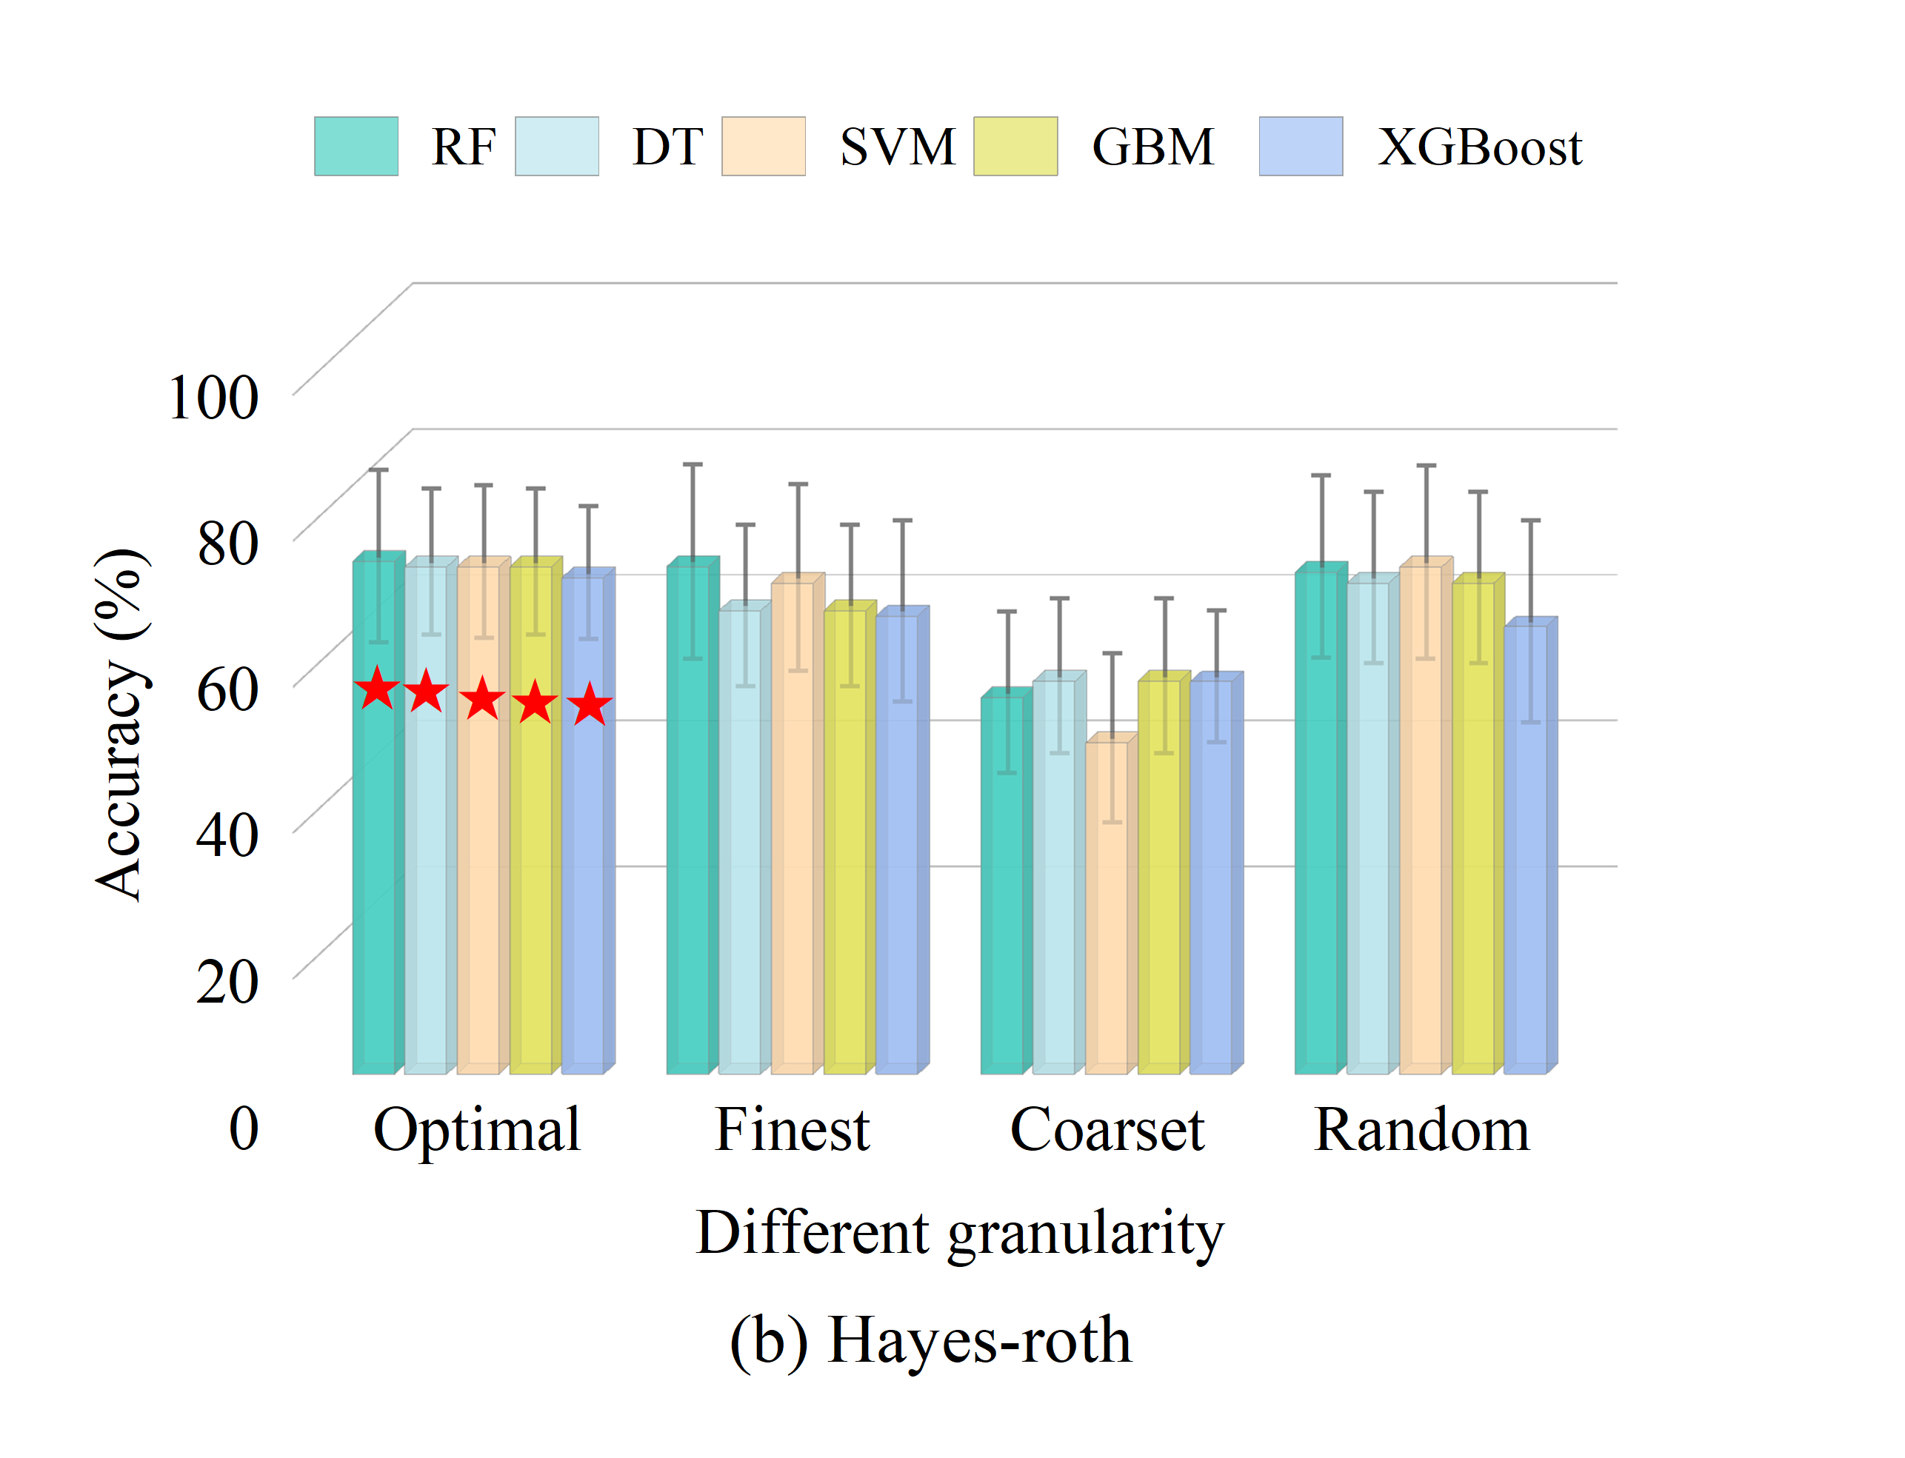
Coarset | 51.59±11.01 | 53.85±10.64 | 45.38±11.58 | 53.85±10.64 | 53.79±9.04
Random | 68.79±12.47 | 67.31±11.73 | 69.48±13.21 | 67.31±11.73 | 61.32±13.80

hepatitis
Row | RF | DT | SVM | GBM | XGBoost
FC | 74.33±10.24 | 70.46±11.14 | 70.42±9.97 | 67.12±11.24 | 67.75±8.41
Finest | 66.46±5.70 | 59.29±7.71 | 63.92±9.83 | 60.58±12.71 | 61.33±11.28
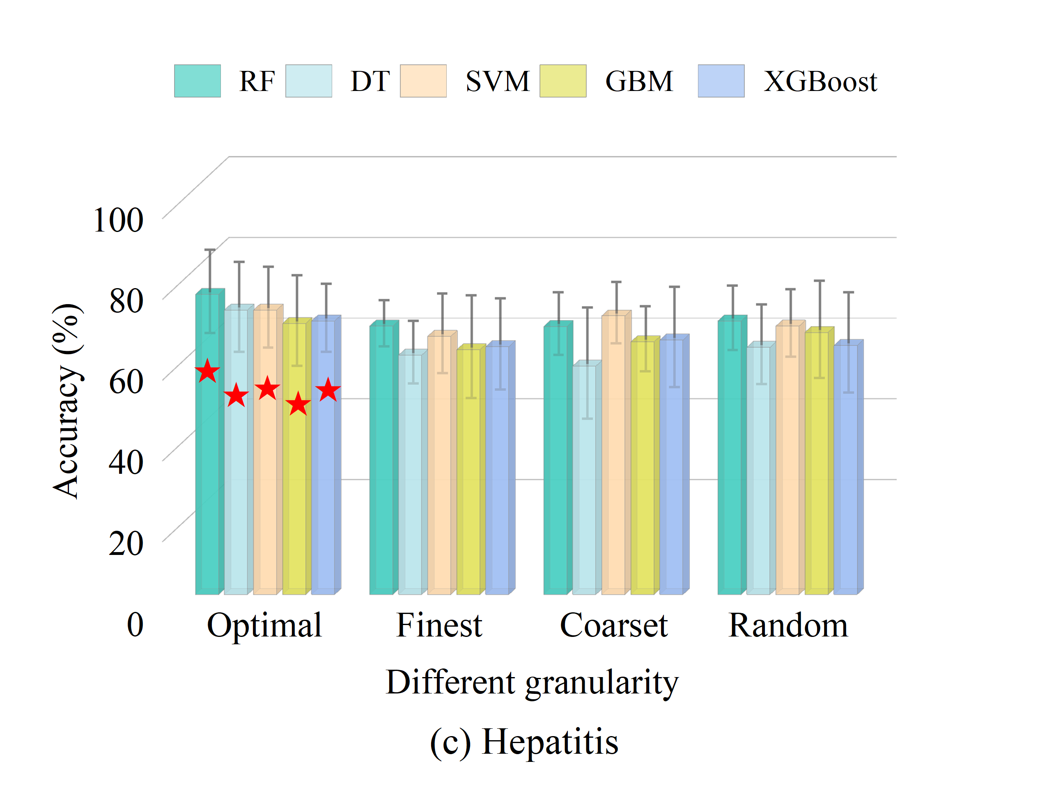
Coarset | 66.38±7.77 | 56.58±13.77 | 69.00±7.61 | 62.54±8.04 | 63.00±12.42
Random | 67.75±7.95 | 61.21±9.81 | 66.46±8.34 | 64.92±12.07 | 61.67±12.40

