Problem_description
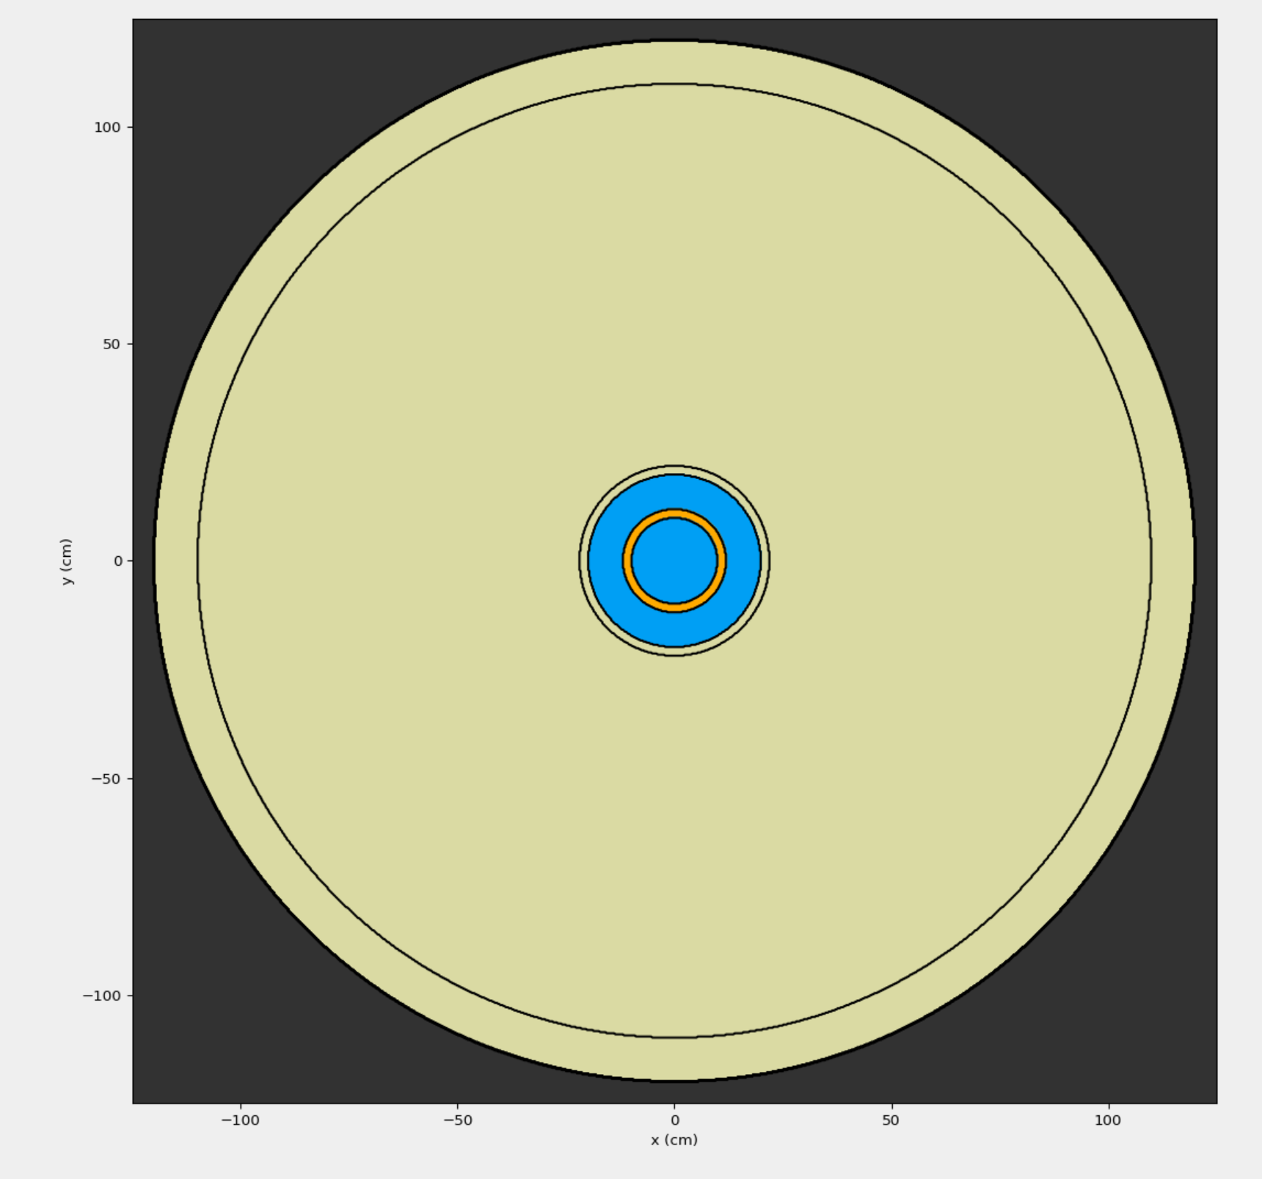
Problem Description
Source:
Photon Transport= Off
Case 1
SSW= Isotropic point source of 1 MeV neutrons from origin, cell 5=vacuum. Particles written at boundary of cells 4 to 5 (surface 4, outer-edge of thinnest concrete shell (r4))
SSR= Particles read from those written above and transported from surface 4, vacuum outside r6
Case 2 isotropic MCPL source at origin to quasi represent a biased source of 50% 2MeV neutrons with wgt=0.25 and 50% 1keV neutrons with wgt=0.75
Case 3 isotropic MCPL source at origin to quasi represent a biased source of 50% 2MeV neutrons with wgt=0.1 and 50% 1keV neutrons with wgt=1.0
Geometry:
r1=10cm
r2=12cm
r3=20cm
r4=22cm
r5=110cm
r6=120cm
-SSW/SSR Surface for Case 1 (r4)
Water ρ=1.00 g/cc
Pure Natural Boron ρ=2.08 g/cc
Ordinary Concrete ρ=2.30 g/cc
Vacuum
Problem Description
Survival Biasing:
Case 1
SSW= weight=0.25 weight_avg=0.5, OMC 0.13.4-dev exec
SSR= 2: weight=0.5 weight_avg=1.0
3: weight=0.25 weight_avg=1.0
a: no survival normalization, OMC 0.13.4-dev exec
b: survival normalization, OMC 0.13.4-SSR-PR exec
Case 2 2: weight=0.5 weight_avg=1.0
3: weight=0.25 weight_avg=1.0
a: no survival normalization, OMC 0.13.4-dev exec
b: survival normalization, OMC 0.13.4-SSR-PR exec
c: manual survival normalization x0.25 (not per history), OMC 0.13.4-dev exec
Case 3 2: weight=0.25 weight_avg=0.5
3: weight=0.25 weight_avg=1.0
a: no survival normalization, OMC 0.13.4-dev exec
b: survival normalization, OMC 0.13.4-SSR-PR exec
c: manual survival normalization x0.1 (not per history), OMC 0.13.4-dev exec
Computer:
Case 1 all executed on same node, with exclusive use of 2x Intel Xeon CPU E5-2643 v3 @ 3.40GHz. 2 Processors, 6 Cores per Processor (2 NUMA spaces) Hyper- Threading off 2xMPI * 6xOMP
Case 2&3 all executed on same node, with exclusive use of 2x Intel Xeon CPU Gold 6238R @ 2.20GHz. 2 Processors, 28 Cores per Processor (2 NUMA spaces) Hyper- Threading off 2xMPI * 28xOMP

