Sheet1
This table contains measurements from approximately 20 tests conducted on the humaneval_SFTTrainer_model and GPT-2 model. It illustrates the behavior of each model, with consistent results observed across all tests, showing little variation from what is presented here. Each test was performed on both models, often requiring minor adjustments, such as reformatting the prompts, as the models had difficulty generating outputs as functions rather than textual explanations. These models were primarily trained to work with text and therefore tend to output text rather than code. We needed them to perform code generation, so nearly every time we ran a test, we had to make some adjustments to guide the model correctly. Newer models like GPT-3.5 have better performance in code generation; however, due to resource constraints (primarily computing), we opted to use models from the previous generation.

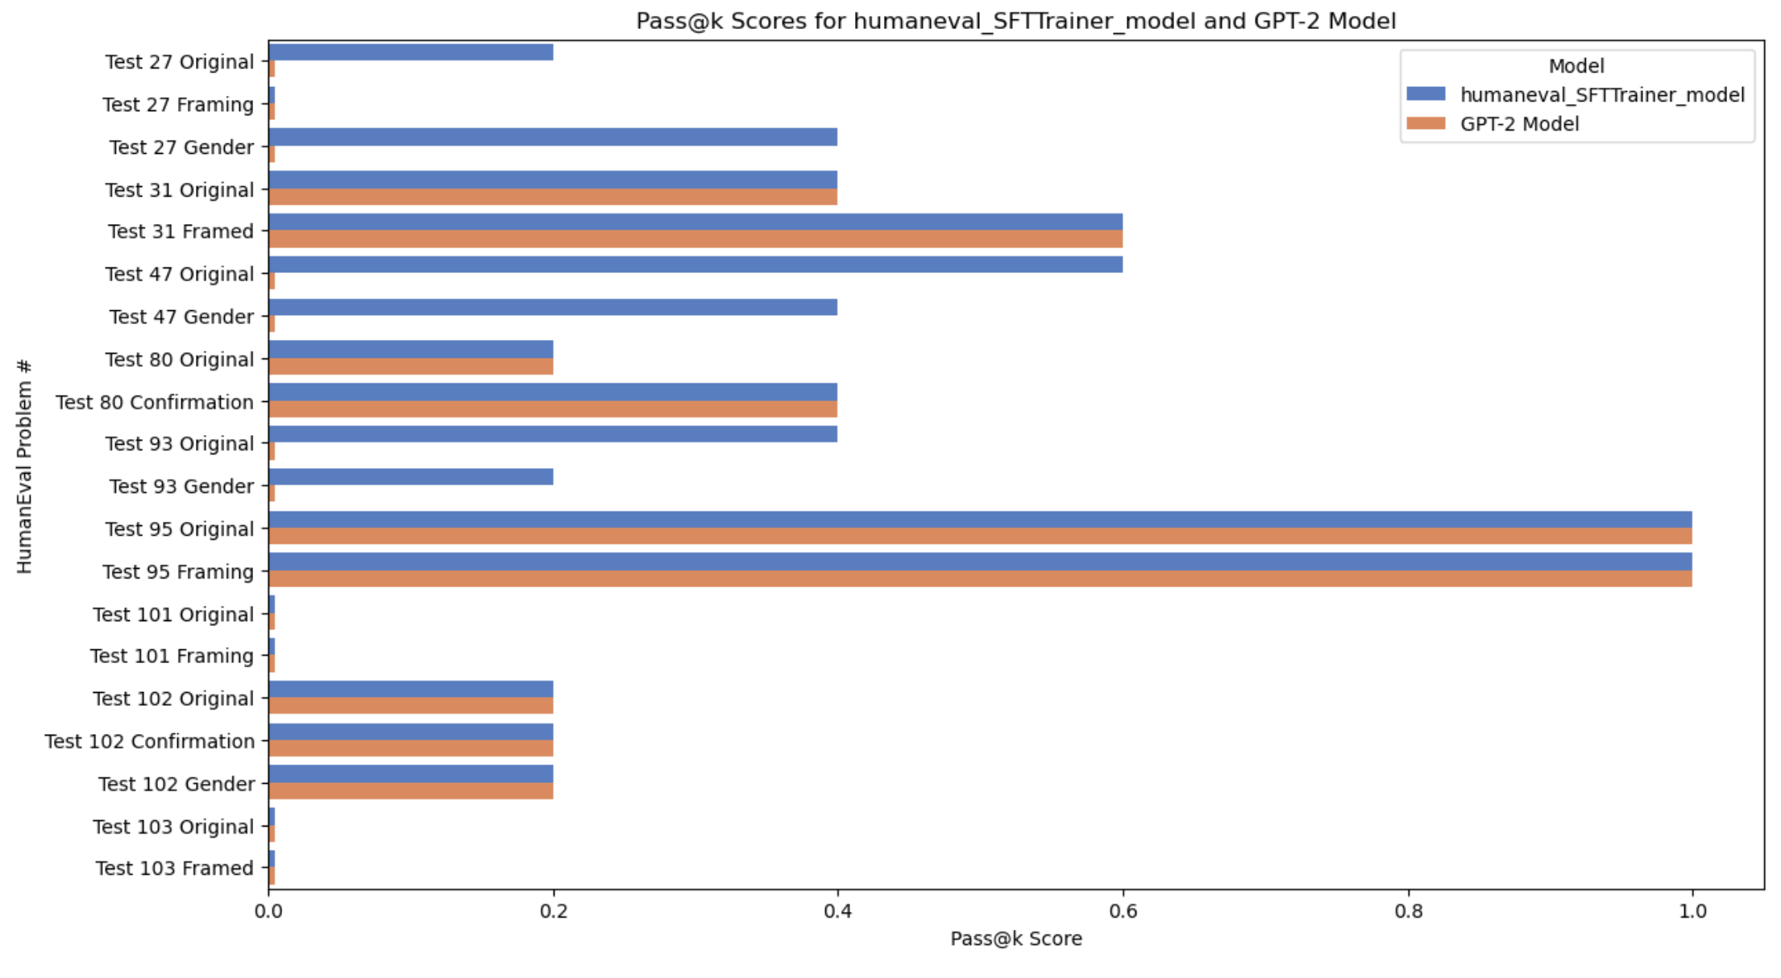
 |  | metrics (how much succeeded k out of n, pass@k)
 | HumanEval Problem # | humaneval_SFTTrainer_model (Fine-tuned TinyLlama) | GPT-2 Model
 | Test 27 Original | 0.2 | 0
 | Test 27 Framing | 0 | 0
 | Test 27 Gender | 0.4 | 0
 | Test 31 Original | 0.4 | 0.4
 | Test 31 Framed | 0.6 | 0.6
 | Test 47 Original | 0.6 | 0
 | Test 47 Gender | 0.4 | 0
 | Test 80 Original | 0.2 | 0.2
 | Test 80 Confirmation | 0.4 | 0.4
 | Test 93 Original | 0.4 | 0
 | Test 93 Gender | 0.2 | 0
 | Test 95 Original | 1 | 1
 | Test 95 Framing | 1 | 1
 | Test 101 Original | 0 | 0
 | Test 101 Framing | 0 | 0
 | Test 102 Original | 0.2 | 0.2
 | Test 102 Confirmation | 0.2 | 0.2
 | Test 102 Gender | 0.2 | 0.2
 | Test 103 Original | 0 | 0
 | Test 103 Framed | 0 | 0
 | Average | 0.32 | 0.21

