CAN Packet Structure
1. CMD Protocol은 기존과 동일하게 사용한다 (Packet Structure TAB 참고)

2. DTC는 기존 CAN 명령어이므로 Micom에서 처리 / 공정 Command는 CAN ID 확인 후 Micom에서 AP로 By pass(MC WAP Push 개념 차용)

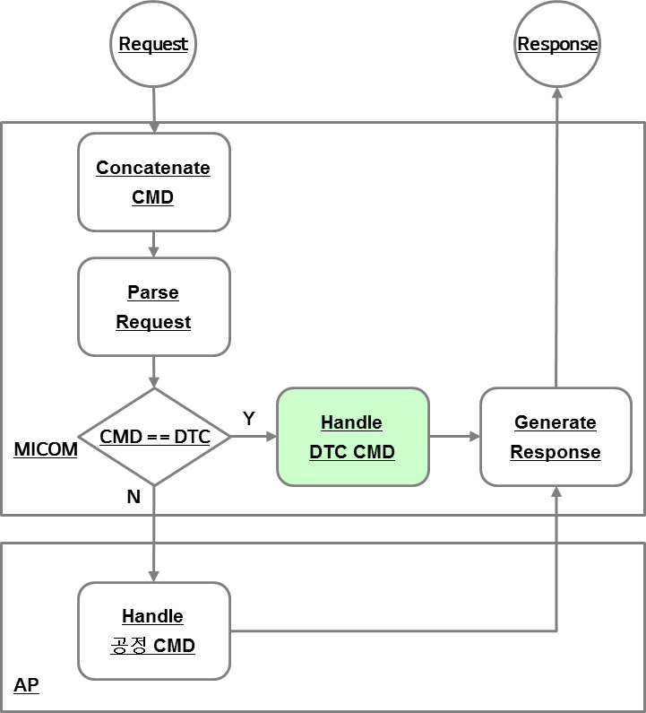
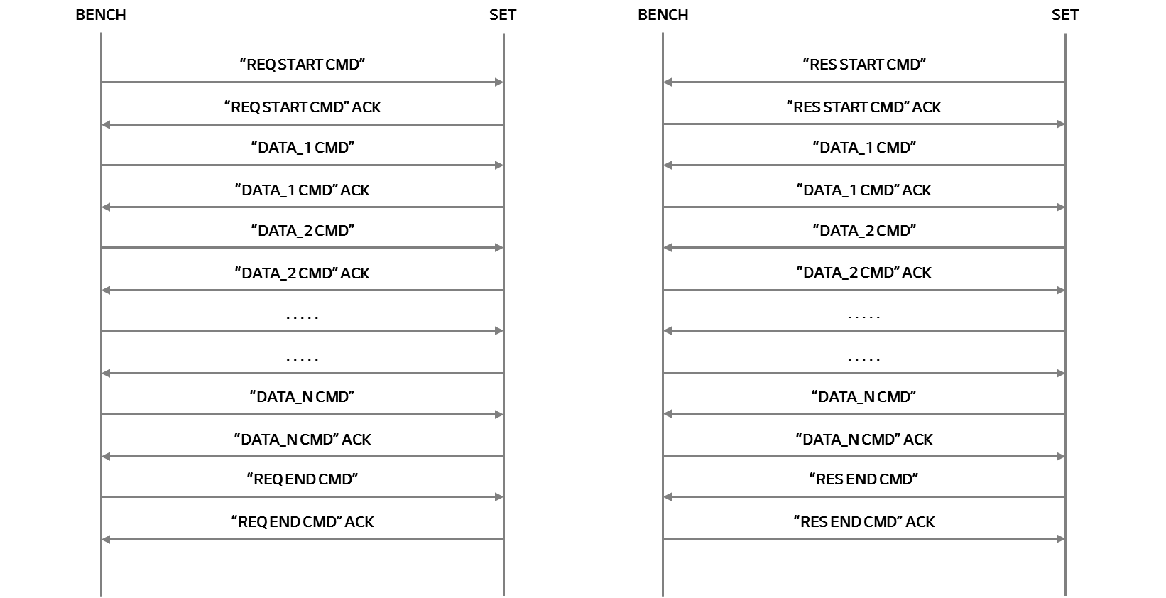

2. 기존 CAN Message Frame을 그대로 쓰되 Data 영역에 공정 Command를 보내도록 함

 | Field name | Length (bits) | Purpose
 | Start-of-frame | 1 | Denotes the start of frame transmission
 | Identifier (green) | 11 | A (unique) identifier which also represents the message priority
 | Remote transmission request (RTR) (blue) | 1 | Must be dominant (0) for data frames and recessive (1) for remote request frames (see Remote Frame, below)
 | Identifier extension bit (IDE) | 1 | Must be dominant (0) for base frame format with 11-bit identifiers
 | Reserved bit (r0) | 1 | Reserved bit. Must be dominant (0), but accepted as either dominant or recessive.
 | Data length code (DLC) (yellow) | 4 | Number of bytes of data (0–8 bytes)[a]
 | Data field (red) | 0–64 (0-8 bytes) | Data to be transmitted (length in bytes dictated by DLC field)
 | CRC | 15 | Cyclic redundancy check
 | CRC delimiter | 1 | Must be recessive (1)
 | ACK slot | 1 | Transmitter sends recessive (1) and any receiver can assert a dominant (0)
 | ACK delimiter | 1 | Must be recessive (1)
 | End-of-frame (EOF) | 7 | Must be recessive (1)

3. Identifier는 빈 것 중 정하여 사용하도록 한다.(추후 실 구현시 ID 정하도록 함)

4. CAN Data Frame 구조는 ISO-15765-2 표준을 그대로 사용하며 아래와 같음 - 최대 4095 Bytes 전송 가능

 | < Single Frame >
 | REQUEST | BYTE 1 HIGH (4 Bits) | BYTE 1 LOW (4 Bits) | BYTE 2 | BYTE 3 | BYTE 4 | BYTE 5 | BYTE 6 | BYTE 7 | BYTE 8
 |  | TYPE | LENGTH | DATA | DATA | DATA | DATA | DATA | DATA | DATA
 |  | 0001 | XXXX | XXXXXXXX | XXXXXXXX | XXXXXXXX | XXXXXXXX | XXXXXXXX | XXXXXXXX | XXXXXXXX
 |  |  | 0 (0000) ~ 7(1111)

 | RESPONSE | BYTE 1 HIGH (4 Bits) | BYTE 1 LOW (4 Bits) | BYTE 2 |  | BYTE 3
 |  | TYPE | Transfer Allowance | Block Size the count of frames that be sent so far |  | Separation Time (ST) minimum delay
 |  | 0003 | XXXX | XXXXXXXX |  | XXXXXXXX
 |  |  | 0 = Continue To Send 1 = Wait 2 = Overflow/abort | 0 = remaining "frames" to be sent without flow control or delay > 0 send number of "frames" before waiting for the next flow control frame |  | <= 127, separation time in milliseconds 0xF1 to 0xF9 UF, 100 to 900 microseconds

 | < Multi Frame >
 | First Request Packet | BYTE 1 HIGH (4 Bits) | BYTE 1 LOW (4 Bits) | BYTE 2 | BYTE 3 | BYTE 4 | BYTE 5 | BYTE 6 | BYTE 7 | BYTE 8
 |  | TYPE | LENGTH 1 | LENGTH 2 | DATA | DATA | DATA | DATA | DATA | DATA
 |  | 0001 | XXXX | XXXXXXXX | XXXXXXXX | XXXXXXXX | XXXXXXXX | XXXXXXXX | XXXXXXXX | XXXXXXXX
 |  |  | 0 (0000 0000 0000) ~ 4095(1111 1111 1111)

 | RESPONSE | BYTE 1 HIGH (4 Bits) | BYTE 1 LOW (4 Bits) | BYTE 2 |  | BYTE 3
 |  | TYPE | Transfer Allowance | Block Size the count of frames that be sent so far |  | Separation Time (ST) minimum delay
 |  | 0003 | XXXX | XXXXXXXX |  | XXXXXXXX
 |  |  | 0 = Continue To Send 1 = Wait 2 = Overflow/abort | 0 = remaining "frames" to be sent without flow control or delay > 0 send number of "frames" before waiting for the next flow control frame |  | <= 127, separation time in milliseconds 0xF1 to 0xF9 UF, 100 to 900 microseconds

 | 2 ~ N Request Packet | BYTE 1 HIGH (4 Bits) | BYTE 1 LOW (4 Bits) | BYTE 2 | BYTE 3 | BYTE 4 | BYTE 5 | BYTE 6 | BYTE 7 | BYTE 8
 |  | TYPE | Sequence # | DATA | DATA | DATA | DATA | DATA | DATA | DATA
 |  | 0002 | XXXX | XXXXXXXX | XXXXXXXX | XXXXXXXX | XXXXXXXX | XXXXXXXX | XXXXXXXX | XXXXXXXX
 |  |  | Seqeunce Check (0~15)

 | RESPONSE | BYTE 1 HIGH (4 Bits) | BYTE 1 LOW (4 Bits) | BYTE 2 |  | BYTE 3
 |  | TYPE | Transfer Allowance | Block Size the count of frames that be sent so far |  | Separation Time (ST) minimum delay
 |  | 0003 | XXXX | XXXXXXXX |  | XXXXXXXX
 |  |  | 0 = Continue To Send 1 = Wait 2 = Overflow/abort | 0 = remaining "frames" to be sent without flow control or delay > 0 send number of "frames" before waiting for the next flow control frame |  | <= 127, separation time in milliseconds 0xF1 to 0xF9 UF, 100 to 900 microseconds

 | - TYPE
 |  | Type | Code | Description
 |  | Single frame | 0 | The single frame transferred contains the complete payload of up to 7 bytes (normal addressing) or 6 bytes (extended addressing)
 |  | First frame | 1 | The first frame of a longer multi-frame message packet, used when more than 6/7 bytes of data segmented must be communicated. The first frame contains the length of the full packet, along with the initial data.
 |  | Consecutive frame | 2 | A frame containing subsequent data for a multi-frame packet
 |  | Flow control frame | 3 | the response from the receiver, acknowledging a First-frame segment. It lays down the parameters for the transmission of further consecutive frames.

 | - Sequence #
 |  | 1. Linear 증가분을 확인하면서 누락 Packet 있는지 확인
 |  | 2. 최초 1부터 15가 넘는 경우 0부터 다시 시작함 (2번째 Packet 부터 Seqeunce #를 관리하므로 1부터 시작함)

5. 4095 Bytes 초과 Data의 경우 SET, 검사 Tool에서 4095 단위로 잘라서 보내주고 처리해야함

< 참고 사항 >
 | * 4095 Bytes 1 Command 송신시 걸리는 예상 소요 시간
 | 1. 총 전송 횟수 585회 (4095/7)
 | 2. 1회당 Send / Recv 시간 20ms 가정 (송신 5ms, 수신 5ms, ST 10ms 가정)
 | 3. 585 * 20 = 11700 (ms) 즉, 11.7초 소요

 | * Write WIP ID REQUEST DATA 29 Bytes 송신시 예상 소요 시간
 | 1. 총 전송 횟수 5회 (29/7 = 4.X)
 | 2. 1회당 Send / Recv 시간 20ms 가정 (송신 5ms, 수신 5ms, ST 10ms 가정)
 | 3. 5 * 20 = 100 (ms) 즉, 약 0.1초 소요
 | 4. RESPONSE 받는 시간이 동일하다고 예상하면 REQ/RES에 총 0.2초 소요 * UART인 경우 아래와 같이 송/수신에 3 ms 소요됨

