Adequacy Test
Adequacy Test

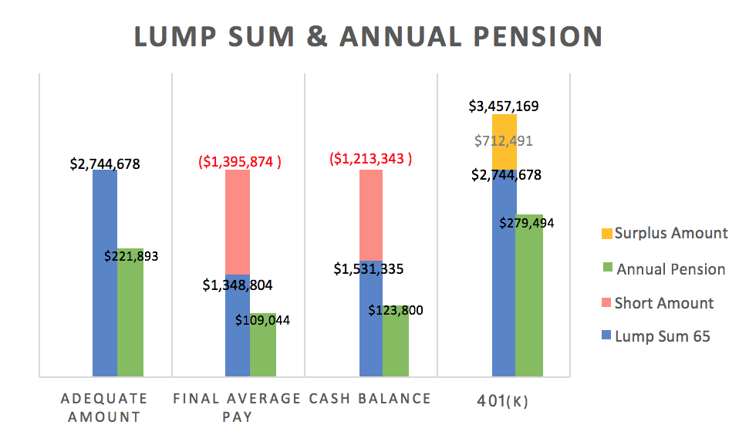
1. Lump Sum Adequacy
Adequate Amount | $2,744,678
Final Average Pay | $1,348,804
Cash Balance | $1,531,335
401(k) | $3,457,169
Difference
Final Average Pay | $1,395,874
Cash Balance | $1,213,343
401(k) | $712,491

2. Pension Payment
Adequate | $221,893
Final Average Pay | $109,044
Cash Balance | $123,800
401(k) | $279,494

Sensitivity Analysis
Sensitivity Analysis

Age = n | Pension Amount if You Retire at the Age n |  |  | Lump Sum if You Retire at the Age n
 | Final Average | Cash Balance | 401(k) | Final Average | Cash Balance | 401(k)
64 | $105,868 | $122,087 | $276,924 | $1,309,518 | $1,510,147 | $3,425,387
65 | $109,044 | $123,800 | $279,494 | $1,348,804 | $1,531,335 | $3,457,169
66 | $112,315 | $125,419 | $281,921 | $1,389,268 | $1,551,352 | $3,487,193
67 | $115,684 | $127,037 | $284,348 | $1,430,946 | $1,571,368 | $3,517,218
68 | $119,155 | $128,655 | $286,776 | $1,473,875 | $1,591,385 | $3,547,243
69
70
71
72
73
74
75
76 |  |  |  |  |  |  |  | Pension Amount if You Retire at the Age n |  |  | Lump Sum if You Retire at the Age n
Treasury | Retire at 65 |  | Salary Increase: |  | 3% |  | Investment Return Rate | Final Average | Cash Balance | 401(k) | Final Average | Cash Balance | 401(k)
3% | $109,044 | $112,435 | $253,835 | $1,485,148 | $1,531,335 | $3,457,169 | 6% | $109,044 | $99,693 | $216,574 | $1,348,804 | $1,233,136 | $2,678,892
4% | $109,044 | $123,800 | $279,494 | $1,348,804 | $1,531,335 | $3,457,169 | 7% | $109,044 | $123,800 | $279,494 | $1,348,804 | $1,531,335 | $3,457,169
5% | $109,044 | $135,567 | $306,058 | $1,231,737 | $1,531,335 | $3,457,169 | 8% | $109,044 | $155,350 | $364,273 | $1,348,804 | $1,921,591 | $4,505,832
6% |  |  |  |  |  |  | 9%
7% |  |  |  |  |  |  | 10%
8% |  |  |  |  |  |  | 11%
9% |  |  |  |  |  |  | 12%
10% |  |  |  |  |  |  | 13%
11% |  |  |  |  |  |  | 14%
Retirement Age vs. Lump Sum & Annual Pension
 | Final Avg | Cash Bal. | 401K | Final Avg. | Cash Bal. | 401K
64 | $105,868 | $122,087 | $276,924 | $1,309,518 | $1,510,147 | $3,425,387
65 | $109,044 | $123,800 | $279,494 | $1,348,804 | $1,531,335 | $3,457,169
66 | $112,315 | $125,419 | $281,921 | $1,389,268 | $1,551,352 | $3,487,193
67 | $115,684 | $127,037 | $284,348 | $1,430,946 | $1,571,368 | $3,517,218
68 | $119,155 | $128,655 | $286,776 | $1,473,875 | $1,591,385 | $3,547,243
69
70
71
72
73
74
75
76

Treasury Rate vs. Lump Sum & Annual Pension
 | Final Avg | Cash Bal. | 401K | Final Avg. | Cash Bal. | 401K
3% | $109,044 | $112,435 | $253,835 | $1,485,148 | $1,531,335 | $3,457,169
4% | $109,044 | $123,800 | $279,494 | $1,348,804 | $1,531,335 | $3,457,169
5% | $109,044 | $135,567 | $306,058 | $1,231,737 | $1,531,335 | $3,457,169
6%
7%
8%
9%
10%
11%

Investment Return Rate vs. Lump Sum & Annual Pension
 | Final Avg. | Cash Bal. | 401K | Final Avg. | Cash Bal. | 401K
6% | $109,044 | $99,693 | $216,574 | $1,348,804 | $1,233,136 | $2,678,892
7% | $109,044 | $123,800 | $279,494 | $1,348,804 | $1,531,335 | $3,457,169
8% | $109,044 | $155,350 | $364,273 | $1,348,804 | $1,921,591 | $4,505,832
9%
10%
11%
12%
13%
14%

