Certifications
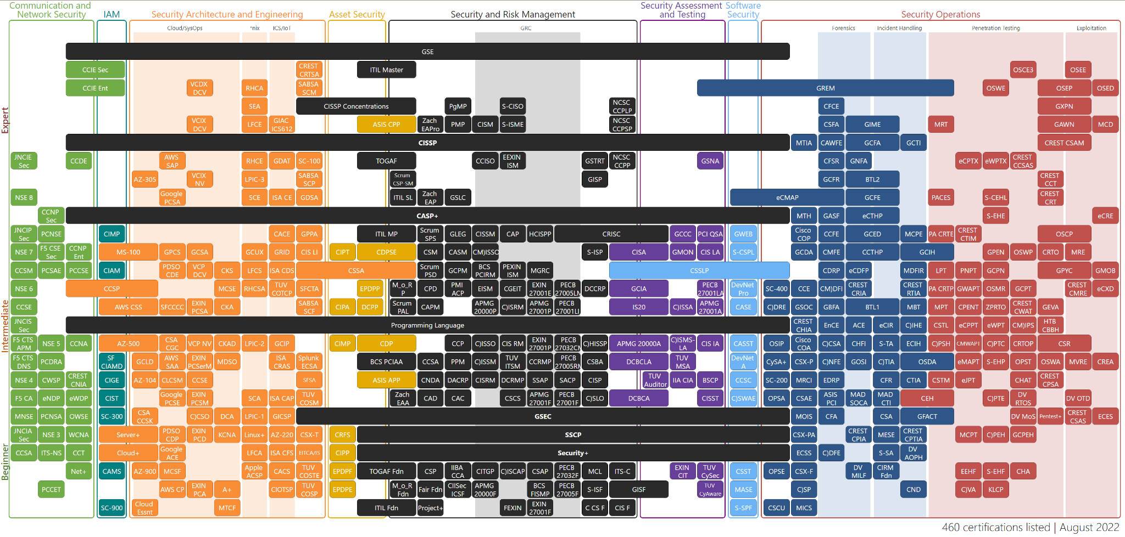
13-Aug-22 | https://pauljerimy.com/security-certification-roadmap/ | 460 certifications listed | August 2022
List of all cyber certifications

