F02.CFG-Paths
 |  | VVSS, Info Romana, 2024-2025

F02. Cautarea unui produs dupa nume sau ID

F02. Covered source code |  |  | F02. Control Flow Graph (CFG) | F02. Cyclomatic Complexity (CC)
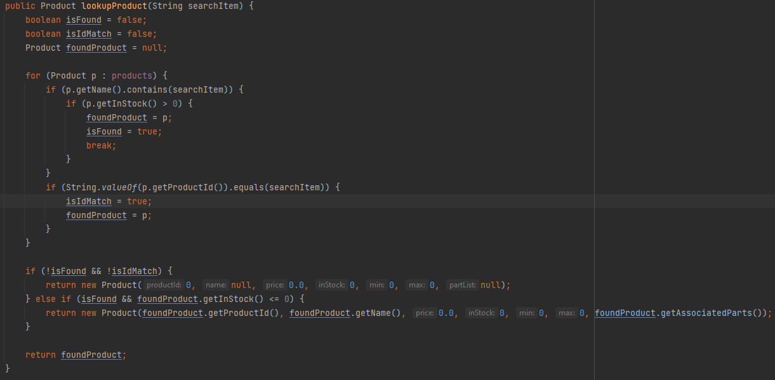
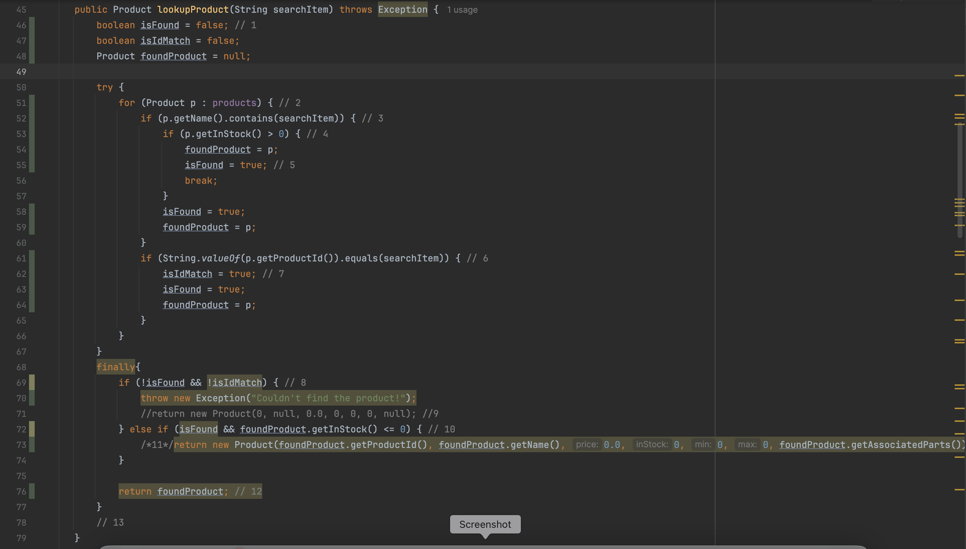
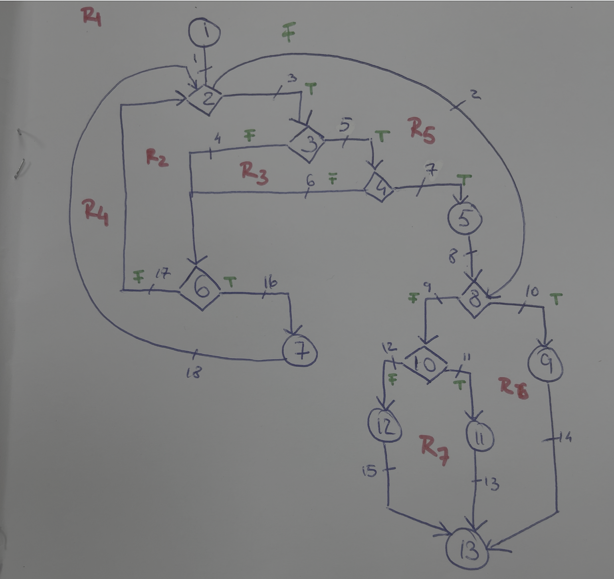
Line No. | Source code |  | Se va insera CFG asociat codului sursa testat (poza, diagrama, etc.). | CC1 = No. of regions = 7 |  | 7
Req02_L01 | … |  |  | CC2 = Edges - Nodes + 2 = 18 -13 +2 |  | 7
Req02_L02 | … |  |  | CC3 = No. of Conditions + 1 = 6 +1 |  | 7
Req02_L03 | …
... | …
.. | … |  |  | F02. Individual Paths
... | …
 |  |  |  | Path No. | Path
 |  |  |  | F02_P01 | 1 - 2(F) - 8(T) - 9 - 13
 |  |  |  | F02_P02 | 1 - 2(F) - 8(F) - 10(T) - 11 - 13
 |  |  |  | F02_P03 | 1 - 2(F) - 8(F) - 10(F) - 12 -13
 |  |  |  | F02_P04 | 1 - 2(T) - 3(T) - 4(T) - 5 - 8(F) - 10(F) - 12 -13
 |  |  |  | F02_P05 | 1 - 2(T) - 3(F) - 6(T) - 7 - 2(F) - 8(F) - 10(F) - 12 -13
 |  |  |  | F02_P06 | 1 - 2(T) - 3(F) - 6(F) - 2(F) - 8(T) - 9 -13
 |  |  |  | F02_P07 | 1 - 2(T) - 3(T) - 4(F) - 6(T) - 2(F) - 8(F) - 10(T) - 11 -13

