GTM Containers
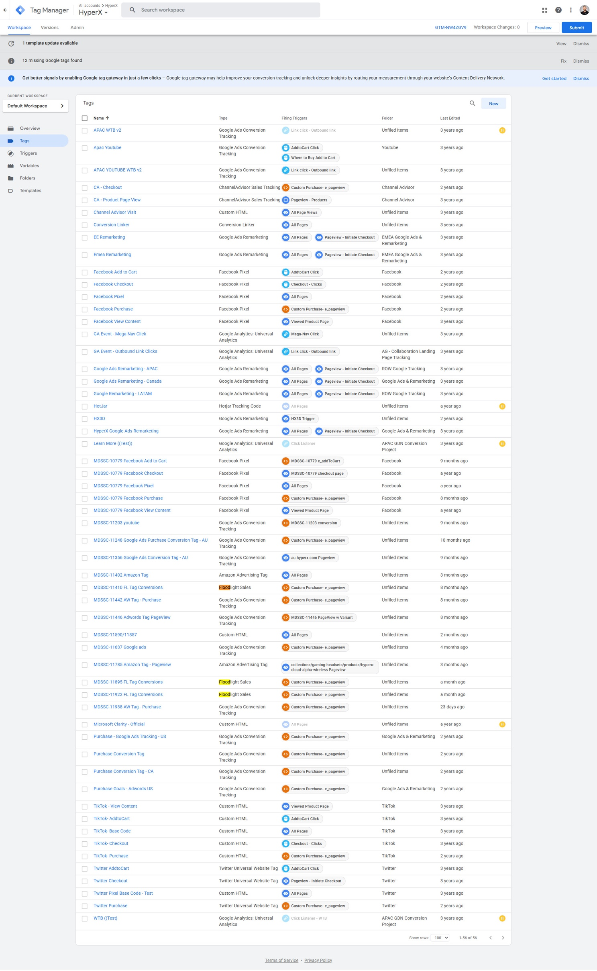
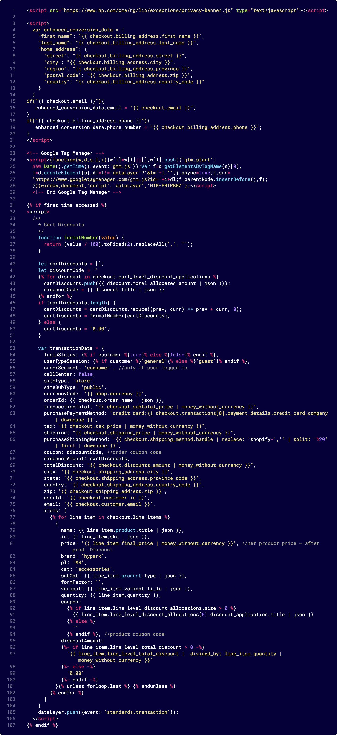
GTM hp.com The live one | Core Page Views | GTM 2nd | APAC WTB v2
GTM-N8H6FRQ | HP.com conversions | GTM-NW4ZGV9 - was most likely in UK/FR | APAC Youtube | Third Container in Deprecated CA Script Editor | Miro Board Link
 | Add to Cart |  | APAC Youtube WTC v2 | GTM-P9TRBRZ | https://miro.com/app/board/uXjVIgUsKkA=/?share_link_id=822213007264
 | Abandoned Cart |  | CA Checkout
 | Page View |  | CA Product Page View
 | Collection View |  | Channel Advisor Visit
 | Session |  | Conversion Linker
 |  |  | EE Remarketing
 | *presumed events |  | EMEA Remarketing
 |  |  | Facebook Add to Cart
 |  |  | Facebook Checkout
 |  |  | Facebook Pixel
 |  |  | Facebook Purchase
 |  |  | Facebook View Content
 |  |  | GA Event Mega Nav Click
 |  |  | GA Event Outbound Link Clicks
 |  |  | Google Ads Remarketing Cananda
 |  |  | GOOGLE remarketing LATAM
 |  |  | Hotjar
 |  |  | HX3D
 |  |  | HyperX Google Ads Remarketing
 |  |  | Learn More
 |  |  | MDSSC-10779 FACEBOOK ADD TO CART
 |  |  | MDSSC-10779 FACEBOOK CHECKOUT
 |  |  | MDSSC-10779 FACEBOOK VIEW CONTENT
 |  |  | MDSSC-11203 Youtube
 |  |  | MDSSC-11248 GOOGLE ADS PURCHASE CONVERSION TAG - AU
 |  |  | MDSSC-11356 GOOGLE Ads Conversion Tag - AU
 |  |  | MDSSC-11402 Amazon Tag
 |  |  | MDSSC-11410 FL Tag Conversions
 |  |  | MDSSC-11446 Adwords Tag Pageview
 |  |  | MDSSC-11590/11857
 |  |  | MDSSC-11637 GOOGLE ADS
 |  |  | MDSSC-11895 AMAZON TAG - PAGEVIEW
 |  |  | MDSSC-11895 FL TAG CONVERSIONS
 |  |  | MDSSC-11938 AW TAG-PURCHASE
 |  |  | Microsoft Clarity-Official
 |  |  | Purchase-Google Ads Tracking -US
 |  |  | Purchase Conversion Tag
 |  |  | Purchase Goals-adwords US
 |  |  | TikTok-view Content
 |  |  | TikTok-Addto Cart
 |  |  | TikTok-BASE CODE
 |  |  | TikTok Checkout
 |  |  | TikTok Purchase
 |  |  | Twitter AddtoCart
 |  |  | Twitter Checkout
 |  |  | Twitter Pixel Base Code-Test
 |  |  | Twitter Purchase
 |  |  | WTB

