Sheet8
 | Fy | Top Zone | Top city | Top cat | Top product | Seasonal
 | 2014-15 | South zone top sales follwed by West Zone in Mar'15 | 1.Mumbai 2. Bangalore | KAP | Mixers | Coolers (Feb-April) then
 |  | East | Kolkata | kap | Mixers
 |  | North
 | 2015-16
 | 2016-17
 | 2017-18

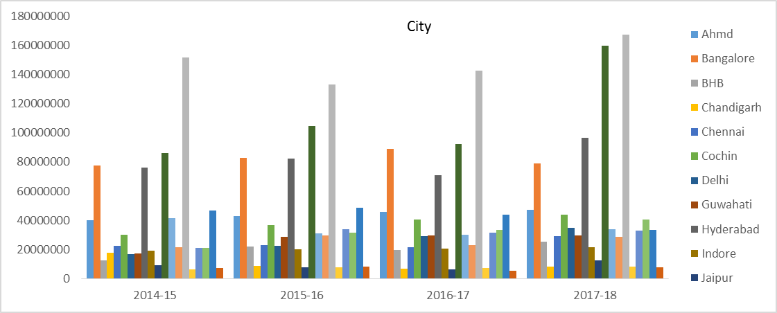
 |  | KAP
1 | Mumbai
2 | Kolkata
3 | Hyd

 |  | DAP
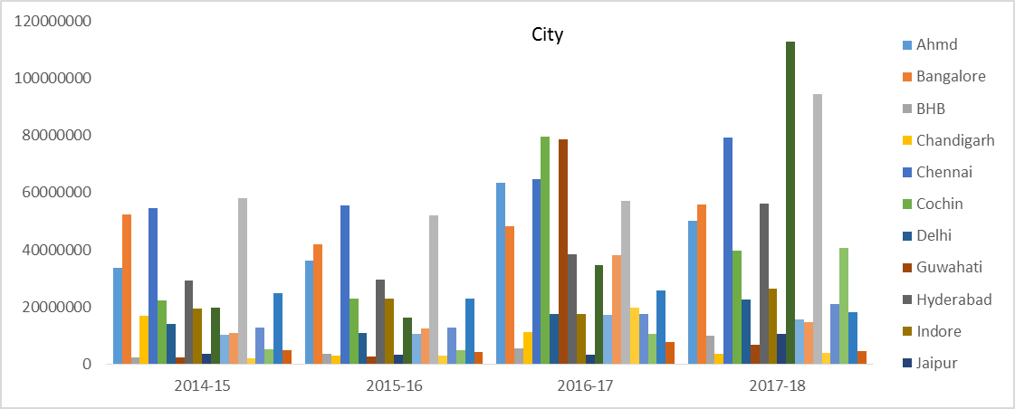
1 | Kolkata
2 | Mumbai
3 | Chennai
4 | Bang & Hyd

Dashboard
This shape represents a slicer. Slicers are supported in Excel 2010 or later. If the shape was modified in an earlier version of Excel, or if the workbook was saved in Excel 2003 or earlier, the slicer cannot be used.
This shape represents a slicer. Slicers are supported in Excel 2010 or later. If the shape was modified in an earlier version of Excel, or if the workbook was saved in Excel 2003 or earlier, the slicer cannot be used.
This shape represents a slicer. Slicers are supported in Excel 2010 or later. If the shape was modified in an earlier version of Excel, or if the workbook was saved in Excel 2003 or earlier, the slicer cannot be used.
This shape represents a slicer. Slicers are supported in Excel 2010 or later. If the shape was modified in an earlier version of Excel, or if the workbook was saved in Excel 2003 or earlier, the slicer cannot be used.

 | Ahmd | Bangalore | BHB | Chandigarh | Chennai | Cochin | Delhi | Guwahati | Hyderabad | Indore | Jaipur | Kolkata
2014-15 | 74218094.07 | 132766306.15 | 15217425.63 | 36021812.38 | 77709932.25 | 53742994.14 | 30742274.18 | 19612090.17 | 108988453.75 | 39558316.22 | 14140171.5 | 106347209.22
2015-16 | 79978065.85 | 132948149.73 | 25494604.21 | 30380218.72 | 81221867.25 | 63445073.86 | 33503609.38 | 31411490.19 | 120883472.33 | 45185714.12 | 15747325.2 | 122958195.93
2016-17 | 115453088.15 | 147211684.69 | 24945267.146 | 18036475.018 | 90212191.768 | 150775994.32 | 47374824.886 | 108905427.83 | 119131387.94 | 41405467.088 | 9963853.7381 | 129125077.5
2017-18 | 104119214.94 | 145309175.89 | 35415088.238 | 12207881.885 | 113895236.15 | 109496777.32 | 58272650.576 | 37261443.473 | 166866072.96 | 51407328.508 | 24050877.031 | 277295809.72
This shape represents a slicer. Slicers are supported in Excel 2010 or later. If the shape was modified in an earlier version of Excel, or if the workbook was saved in Excel 2003 or earlier, the slicer cannot be used.
 | East | North | South | West
2014-10 | 16644631.926 | 25895487.362 | 33381355.093 | 36304436.502
2014-11 | 9465687.2578 | 19490413.435 | 20031515.679 | 20892604.237
2014-12 | 16562238.704 | 31673029.93 | 32237281.557 | 35791898.986
2014-4 | 10458193.402 | 15936812.316 | 36589990.657 | 32062860.963
2014-5 | 13723608.17 | 18602250.464 | 29876581.306 | 32182705.387
2014-6 | 10437820.118 | 14307069.035 | 19289339.292 | 22386613.509
2014-7 | 13458198.963 | 19068159.831 | 25371189.992 | 28933482.208
2014-8 | 14093163.352 | 19550522.331 | 26107981.371 | 30178772.118
2014-9 | 16652680.552 | 22846789.437 | 30568991.663 | 35586626.742
2015-1 | 14480901.347 | 19984412.743 | 28967490.634 | 32314536.371
2015-10 | 25463893.477 | 31069829.323 | 41100797.296 | 41670811.604
2015-11 | 14861055.473 | 21434732.087 | 25173735.999 | 25068649.63
2015-12 | 21117729.562 | 30614988.566 | 34244741.573 | 34565813.946
2015-2 | 12345475.026 | 18087235.609 | 36268540.209 | 34015504.285
2015-3 | 18828502.382 | 27231337.297 | 54517428.836 | 51535978.591
2015-4 | 16492742.3 | 23802073.103 | 43192154.382 | 33330239.547
2015-5 | 18986342.942 | 22939870.898 | 33686549.343 | 31558505.076
2015-6 | 10883681.177 | 12688710.533 | 16846816.152 | 17268246.981
2015-7 | 17871342.032 | 20935580.374 | 27703812.986 | 28461321.767
2015-8 | 16719993.033 | 19464542.732 | 25695899.009 | 26472730.101
2015-9 | 17150696.792 | 19962198.024 | 26350982.369 | 27149912.341
2016-1 | 14576526.295 | 17629396.701 | 24969135.954 | 24115397.568
2016-10 | 43004163.684 | 33328809.688 | 51770863.212 | 48522461.7
2016-11 | 27466161.334 | 22073002.332 | 29146452.804 | 25838961.625
2016-12 | 31551995.834 | 27723294.746 | 34947589.46 | 31377085.845
2016-2 | 14911263.117 | 21059052.87 | 37121241.742 | 29390849.857
2016-3 | 27364420.251 | 36917918.699 | 62412696.365 | 51371114.32
2016-4 | 26754212.989 | 33620035.401 | 70054961.275 | 55498705.205
2016-5 | 16892086.802 | 18237169.768 | 34825333.821 | 30183404.293
2016-6 | 13195670.259 | 10849502.35 | 17580532.667 | 16790860.042
2016-7 | 25098881.054 | 20398807.939 | 32758744.614 | 31471330.103
2016-8 | 24582884.788 | 20596456.9 | 33457147.182 | 32506646.134
2016-9 | 29237460.479 | 25069001.78 | 41065482.39 | 40223193.317
2017-1 | 22459573.25 | 20539322.755 | 35655044.51 | 32889459.158
2017-10 | 56266900.81 | 37663978.921 | 54852331.295 | 53304842.143
2017-11 | 27879750.199 | 19831063.535 | 25099871.171 | 23025185.814
2017-12 | 38415522.317 | 30405328.943 | 37722987.812 | 35631418.265
2017-2 | 19027896.196 | 23855011.533 | 50377660.421 | 38508833.04
2017-3 | 27912993.886 | 35720956.497 | 75691446.361 | 58264582.423
2017-4 | 28869185.685 | 20913527.964 | 50562575.731 | 34782008.414
2017-5 | 29990253.829 | 24341416.238 | 46214935.602 | 45641873.906
2017-6 | 24486265.966 | 18841798.544 | 28986949.948 | 33187542.923
2017-7 | 36022336.921 | 24597176.732 | 38675695.16 | 39468196.76
2017-8 | 37037599.996 | 24199272.186 | 41188497.014 | 39850181.028
2017-9 | 43564849.837 | 32003247.972 | 47541939.898 | 46750176.963
2018-1 | 37078033.964 | 25361105.759 | 42799638.667 | 37875053.335
2018-2 | 29307340.575 | 21738540.619 | 49320355.998 | 35001030.322
2018-3 | 43059120.286 | 31563590.18 | 72601484.018 | 51415500.432

This shape represents a slicer. Slicers are supported in Excel 2010 or later. If the shape was modified in an earlier version of Excel, or if the workbook was saved in Excel 2003 or earlier, the slicer cannot be used.

 | DAP | Fan & Light | KAP
2014-10 | 36156410.394 | 4414227.9669 | 71655272.523
2014-11 | 31513590.11 | 2226372.6231 | 36140257.876
2014-12 | 43703420.551 | 4210635.2717 | 68350393.354
2014-4 | 47995119.135 | 2730417.7306 | 44322320.473
2014-5 | 26517648.405 | 3938274.8806 | 63929222.042
2014-6 | 14919630.311 | 2988557.665 | 48512653.978
2014-7 | 21789121.537 | 3774309.2027 | 61267600.254
2014-8 | 20896573.792 | 4005957.9366 | 65027907.443
2014-9 | 23520870.591 | 4766156.7242 | 77368061.079
2015-1 | 24730393.788 | 4121033.9611 | 66895913.346
2015-10 | 36558659.903 | 10197795.85 | 92548875.948
2015-11 | 30811315.349 | 5530992.9719 | 50195864.869
2015-12 | 38974151.528 | 8095885.1558 | 73473236.964
2015-2 | 43170488.608 | 3339345.4332 | 54206921.088
2015-3 | 63537636.916 | 5139943.5143 | 83435666.675
2015-4 | 48063089.849 | 6823972.6118 | 61930146.871
2015-5 | 25125687.608 | 8143174.5399 | 73902406.111
2015-6 | 11817524.841 | 4552674.7837 | 41317255.219
2015-7 | 20297549.69 | 7411581.9911 | 67262925.478
2015-8 | 18017447.717 | 6980949.0854 | 63354768.073
2015-9 | 18451770.269 | 7162212.9223 | 64999806.334
2016-1 | 20047811.311 | 6078444.9967 | 55164200.211
2016-10 | 79096048.446 | 11312147.331 | 86218102.508
2016-11 | 63340682.652 | 4776756.8904 | 36407138.554
2016-12 | 71119328.901 | 6318993.2691 | 48161643.715
2016-2 | 40517825.859 | 6150098.5221 | 55814483.206
2016-3 | 62315807.698 | 11488433.99 | 104261907.95
2016-4 | 78397145.882 | 12472067.932 | 95058701.056
2016-5 | 34243905.109 | 7642794.423 | 58251295.152
2016-6 | 21241042.189 | 4311841.6641 | 32863681.466
2016-7 | 39933998.449 | 8095102.3579 | 61698662.903
2016-8 | 35926985.431 | 8724023.2345 | 66492126.338
2016-9 | 39771940.995 | 11114153.031 | 84709043.94
2017-1 | 37946037.066 | 8536266.5468 | 65061096.06
2017-10 | 72024746.32 | 6731691.881 | 123331614.97
2017-11 | 48777072.972 | 3495631.5652 | 43563166.182
2017-12 | 63053598.331 | 4415807.8571 | 74705851.15
2017-2 | 63591602.128 | 7907672.8398 | 60270126.222
2017-3 | 91467623.421 | 12308711.659 | 93813644.086
2017-4 | 86738635.696 | 13739818.368 | 34648843.729
2017-5 | 43581230.817 | 26951510.583 | 75655738.176
2017-6 | 28944900.931 | 9712482.323 | 66845174.128
2017-7 | 40273563.585 | 6708760.2936 | 91781081.695
2017-8 | 35351131.63 | 8534149.6109 | 98390268.983
2017-9 | 42700530.167 | 8025219.5214 | 119134464.98
2018-1 | 38935830.47 | 5667392.5044 | 98510608.752
2018-2 | 75903478.279 | 13266221.789 | 46197567.447
2018-3 | 110413761.67 | 21526686.559 | 66699246.682
 | CFL | Chopper& Hand Blender | coolers | DEF | Down Light | Dry Iron | ECF | FoodProcessor | Gas Stove | Induction cookers | Juice Extractor | Juicer mixer Grinder
2014-10 | 971795.25468 | 1108307.7676 | 53032 | 1337.8460361 | 702772.5967 | 6325495.5601 | 154815.0531 | 9934259.7461 | 2897083.0943 | 8688140.2553 | 570995.30358 | 2795009.8584
2014-11 | 490137.42981 | 558989.27069 | 288032 | 674.75984728 | 354452.39378 | 3190345.0044 | 78082.962289 | 5010471.6149 | 1461181.1027 | 4381975.2299 | 287988.82191 | 1409699.1539
2014-12 | 926974.18595 | 1057190.4789 | 265897 | 1276.1420004 | 670359.37107 | 6033751.5226 | 147674.6847 | 9476072.5543 | 2763464.0425 | 8287426.4942 | 544659.90051 | 2666098.6208
2014-4 | 601103.2991 | 685543.02189 | 39066970 | 827.523763 | 434699.51553 | 3912631.0108 | 95760.746643 | 6144829.6633 | 1791988.7933 | 5374043.293 | 353188.75978 | 1728851.4621
2014-5 | 867013.86273 | 988807.25554 | 12323753 | 1193.5961345 | 626997.89977 | 5643464.8274 | 138122.50734 | 8863123.0441 | 2584712.3581 | 7751363.2696 | 509429.16358 | 2493644.9134
2014-6 | 657932.97921 | 750355.82643 | 358168 | 905.75975139 | 475797.00151 | 4282540.0914 | 104814.18655 | 6725775.9076 | 1961407.5106 | 5882117.6317 | 386580.03257 | 1892301.0317
2014-7 | 830916.70851 | 947639.36938 | 0 | 1143.902092 | 600893.54221 | 5408505.4698 | 132371.93095 | 8494116.8112 | 2477100.7447 | 7428643.9137 | 488219.64909 | 2389824.7914
2014-8 | 881914.33303 | 1005800.8629 | 0 | 1214.1092365 | 637773.46402 | 5740453.219 | 140496.27598 | 9015444.3706 | 2629133.1354 | 7884577.931 | 518184.19559 | 2536500.6088
2014-9 | 1049272.6072 | 1196668.7173 | 0 | 1444.5071548 | 758801.84768 | 6829802.0454 | 167157.83867 | 10726278.58 | 3128055.9532 | 9380810.9615 | 616518.47754 | 3017844.826
2015-1 | 907248.39719 | 1034693.7186 | 5635019 | 1248.9860041 | 656094.28414 | 5905354.7346 | 144532.20276 | 9274423.9989 | 2704658.1893 | 8111072.0424 | 533069.66821 | 2609364.6804
2015-10 | 466971.90603 | 1534605.3428 | 51964 | 3607.2922659 | 255608.14428 | 8087230.4336 | 635174.24489 | 6680604.3183 | 5597682.008 | 10296720.435 | 491017.53294 | 2399556.9474
2015-11 | 253272.21376 | 832326.07232 | 282217 | 1956.4922131 | 138634.55107 | 4386282.6193 | 344500.35441 | 3623368.8218 | 3036022.7153 | 5584646.8394 | 266313.87447 | 1301451.0986
2015-12 | 370722.35785 | 1218301.3661 | 260532 | 2863.7780496 | 202923.67208 | 6420337.2753 | 504255.80355 | 5303636.7986 | 4443920.171 | 8174419.9779 | 389811.83922 | 1904974.1491
2015-2 | 735159.14222 | 838430.30088 | 30819245 | 1012.0750638 | 531644.59991 | 4785211.5635 | 117116.95555 | 7515226.9353 | 2191631.5318 | 6572542.6285 | 431955.61573 | 2114413.5456
2015-3 | 1131562.0204 | 1290517.6998 | 45988367 | 1557.7929161 | 818311.03368 | 7365430.6309 | 180267.22546 | 11567489.114 | 3373374.3642 | 10116502.929 | 664869.06191 | 3254519.9074
2015-4 | 312479.63229 | 1026898.8499 | 38278633 | 2413.86119 | 171043.13536 | 5411663.4417 | 425034.1657 | 4470403.3667 | 3745753.4232 | 6890169.1382 | 328570.04064 | 1605691.1838
2015-5 | 372887.80754 | 1225417.6629 | 12075072 | 2880.5058437 | 204108.98231 | 6457839.5113 | 507201.24385 | 5334616.2052 | 4469877.8327 | 8222168.0968 | 392088.79369 | 1916101.4134
2015-6 | 208473.60083 | 685104.81581 | 350941 | 1610.4292318 | 114112.96815 | 3610440.0018 | 283565.37144 | 2982469.8659 | 2499013.13 | 4596838.3924 | 219208.46167 | 1071251.3339
2015-7 | 339387.12053 | 1115324.6731 | 0 | 2621.7177505 | 185771.587 | 5877659.479 | 461633.67693 | 4855347.8993 | 4068298.6573 | 7483478.6723 | 356863.06709 | 1743956.5687
2015-8 | 319667.81336 | 1050521.3011 | 0 | 2469.3888773 | 174977.7567 | 5536151.6088 | 434811.51509 | 4573239.0895 | 3831919.5315 | 7048668.3755 | 336128.36029 | 1642627.9879
2015-9 | 327968.14812 | 1077798.6125 | 0 | 2533.5077954 | 179521.14172 | 5679900.5561 | 446101.6137 | 4691985.5313 | 3931417.24 | 7231690.5776 | 344856.10139 | 1685279.6457
2016-1 | 278340.83833 | 914708.85529 | 5521308 | 2150.1438104 | 152356.45708 | 4820432.3848 | 378598.64699 | 3982006.1602 | 3336525.1371 | 6137409.4691 | 292673.34926 | 1430267.3967
2016-10 | 10108.359288 | 1237517.8108 | 82342 | 20747.956231 | 53977.28954 | 9898042.1769 | 566971.64267 | 5293795.1037 | 6052776.2485 | 9064858.7628 | 890150.29587 | 2196361.1786
2016-11 | 4268.4358209 | 522564.06821 | 447239 | 8761.1962599 | 22792.877619 | 4179625.6524 | 239413.93455 | 2235399.8314 | 2555893.2185 | 3827799.0277 | 375881.91126 | 927452.85988
2016-12 | 5646.5543131 | 691280.48705 | 412867 | 11589.859284 | 30151.846444 | 5529070.6585 | 316711.75144 | 2957126.9405 | 3381095.6712 | 5063652.358 | 497240.14048 | 1226892.7462
2016-2 | 281621.95748 | 925491.56603 | 30197340 | 2175.4899941 | 154152.45545 | 4877256.2886 | 383061.61864 | 4028946.5832 | 3375856.5431 | 6209758.0756 | 296123.42198 | 1447127.5807
2016-3 | 526072.10387 | 1728825.7621 | 45060361 | 4063.8329781 | 287958.03878 | 9110754.3596 | 715562.21481 | 7526104.9401 | 6306127.4409 | 11599878.52 | 553160.95734 | 2703246.0741
2016-4 | 11144.846335 | 1364409.9349 | 60661085 | 22875.402167 | 59511.992041 | 10912963.809 | 625107.56234 | 5836608.2246 | 6673413.4854 | 9994347.7551 | 981424.18366 | 2421570.8142
2016-5 | 6829.4824784 | 836100.69295 | 19135658 | 14017.883566 | 36468.524974 | 6687386.5176 | 383061.46319 | 3576631.9612 | 4089420.2666 | 6124465.1407 | 601409.75163 | 1483921.3524
2016-6 | 3852.9947902 | 471703.62091 | 556145 | 7908.4809897 | 20574.47796 | 3772828.3942 | 216112.10318 | 2017831.4179 | 2307131.6212 | 3455244.5745 | 339297.83803 | 837185.1393
2016-7 | 7233.6578292 | 885581.93724 | 0 | 14847.475417 | 38626.767406 | 7083152.4925 | 405731.40952 | 3788300.4854 | 4331436.0966 | 6486916.8864 | 637001.75997 | 1571741.2473
2016-8 | 7795.6517635 | 954384.15166 | 0 | 16000.998478 | 41627.740012 | 7633453.4371 | 437253.30294 | 4082619.341 | 4667951.9881 | 6990895.3754 | 686491.40044 | 1693852.2274
2016-9 | 9931.4346546 | 1215857.7788 | 0 | 20384.808816 | 53032.535609 | 9724798.6826 | 557048.04901 | 5201138.8444 | 5946835.6909 | 8906198.3147 | 874570.16953 | 2157918.6989
2017-1 | 7627.8753014 | 933844.08634 | 8749755 | 15656.628181 | 40731.836096 | 7469167.7751 | 427842.82458 | 3994754.022 | 4567489.2567 | 6840438.7198 | 671716.86947 | 1657397.4777
2017-10 | 348912.0001 | 1797857.7197 | 107782 | 41378.111939 | 71173.967595 | 19578313.348 | 106018.6044 | 5441747.786 | 5822339.5841 | 14545970.572 | 816698.4524 | 3635531.3457
2017-11 | 102840.82591 | 353887.92138 | 585398 | 63161.311874 | 162379.40504 | 4840512.6354 | 208262.68068 | 2569357.4456 | 4007067.9007 | 6776851.4938 | 248506.74559 | 921069.81941
2017-12 | 127048.52828 | 785289.04788 | 540413 | 2146.8080347 | 19069.141579 | 9139442.0257 | 365800.78269 | 2759313.913 | 5557877.2417 | 9805687.7604 | 1316465.6499 | 1918310.4611
2017-2 | 7066.1737208 | 865077.66337 | 47854458 | 14503.705191 | 37732.42462 | 6919153.1013 | 396337.3291 | 3700588.2734 | 4231148.4234 | 6336722.4044 | 622252.9739 | 1535350.0206
2017-3 | 10998.873705 | 1346539.2078 | 71408253 | 22575.785419 | 58732.517678 | 10770028.323 | 616920.04748 | 5760161.6746 | 6586006.6529 | 9863444.0905 | 968569.71578 | 2389853.6375
2017-4 | 121972.76111 | 507416.13938 | 79400454 | 26576.574315 | 175087.22457 | 3894714.6472 | 1044152.6534 | 2924522.1209 | 1355135.3588 | 5154878.993 | 563685.86877 | 1033942.6619
2017-5 | 139654.91685 | 2303163.0782 | 25047030 | 60519.63803 | 127843.02818 | 9241864.0497 | 1376675.0647 | 6827872.271 | 3762881.7948 | 8068140.3184 | 1182726.0159 | 2834285.5255
2017-6 | 512947.10408 | 1723787.1837 | 727949 | 106289.19478 | 147307.96328 | 10484702.108 | 0 | 5478178.8386 | 5098945.1588 | 7090781.7536 | 781106.88118 | 2404103.102
2017-7 | 186593.55797 | 1066149.7309 | 0 | 8276.8348771 | 350007.51412 | 11567245.253 | 204290.08522 | 6137251.4433 | 7947536.7704 | 12608880.099 | 472959.52447 | 2179686.7227
2017-8 | 182107.42154 | 793231.80827 | 0 | 45171.842067 | 21862.76479 | 11688913.211 | 413732.4594 | 6322724.222 | 11648694.217 | 10993020.028 | 334679.36553 | 1344162.6262
2017-9 | 117598.93888 | 1837042.8084 | 0 | 65834.999691 | 65064.828521 | 15887396.512 | 184088.56007 | 6954064.744 | 7714842.8139 | 13176606.851 | 1572767.0541 | 3319909.0724
2018-1 | 120106.41204 | 928718.84051 | 11452721 | 11884.54362 | 71007.10542 | 9732100.5083 | 131122.20417 | 4246428.6401 | 7853547.5851 | 8956857.9193 | 1003948.1396 | 1717827.7503
2018-2 | 109458.9505 | 669006.55269 | 62637622 | 0 | 61993.175617 | 5881560.1946 | 515163.95294 | 3033187.1712 | 3806912.6718 | 6823468.7095 | 799245.89235 | 1442479.4469
2018-3 | 130758.58275 | 1334449.1689 | 93467631 | 68760.140771 | 709053.59452 | 9413235.5067 | 1450692.9524 | 4257351.4044 | 2874218.9034 | 9185855.501 | 907210.41025 | 1709691.466

