Recommendations
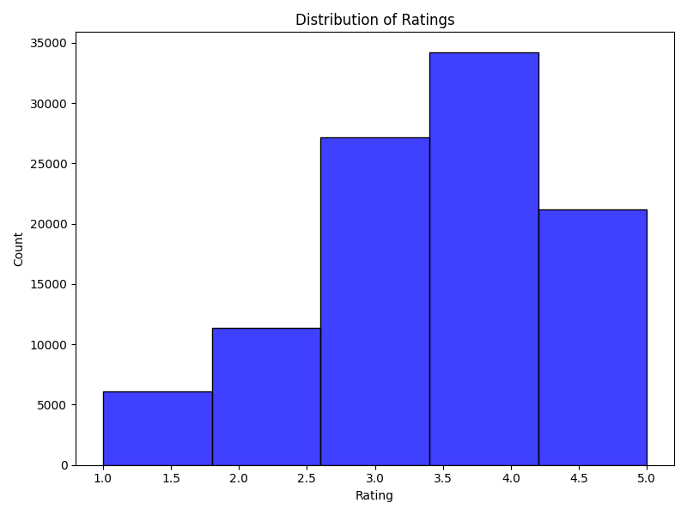
movie_id | title
1 | Toy Story (1995)
2 | GoldenEye (1995)
3 | Four Rooms (1995)
4 | Get Shorty (1995)
1300 | 'Til There Was You (1997)

Metrics
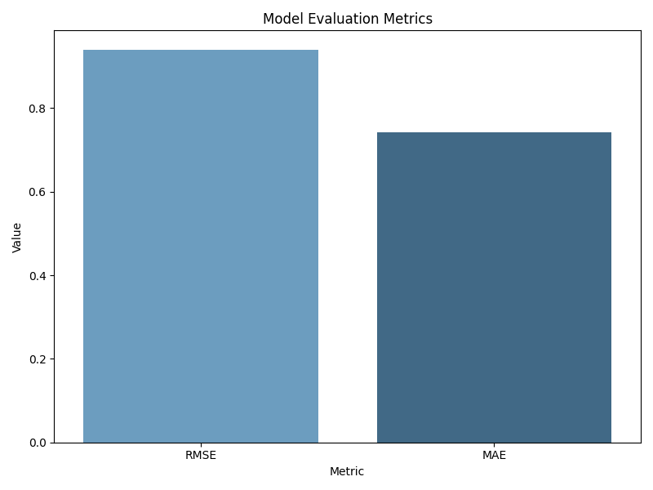
Metric | Value
RMSE | 0.93898034209
MAE | 0.74202020011

