Summary
ETL PROJECT

TEAM | Maria Barrera
 | Darrious Matthews
 | Yvonne Tran

Source: https://www.kaggle.com/datasets |  | SUMMARY
INPUT | netflix_titles.csv | EXTRACT | 1 data source file (CSV)

OUTPUT | shows.csv | TRANSFORM | ** see Data Cleanup tab
 | actors.csv |  | Python
 | countries.csv |  | SQL - Postgres
 | genres.csv |  | SQL Alchemy
 | relations.csv

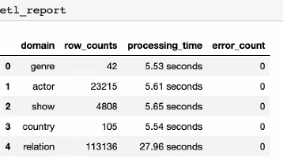
DB NAME | netflix2_db | LOAD | 1 DB with 5 tables | Timing Results
 |  |  | ** simplified to relational tables with keys for easier navigation
DB TABLES | shows
 | actors
 | genres
 | countries
 | relations

DB Schema
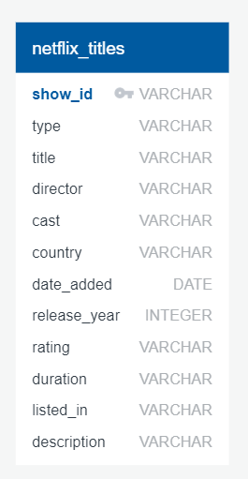
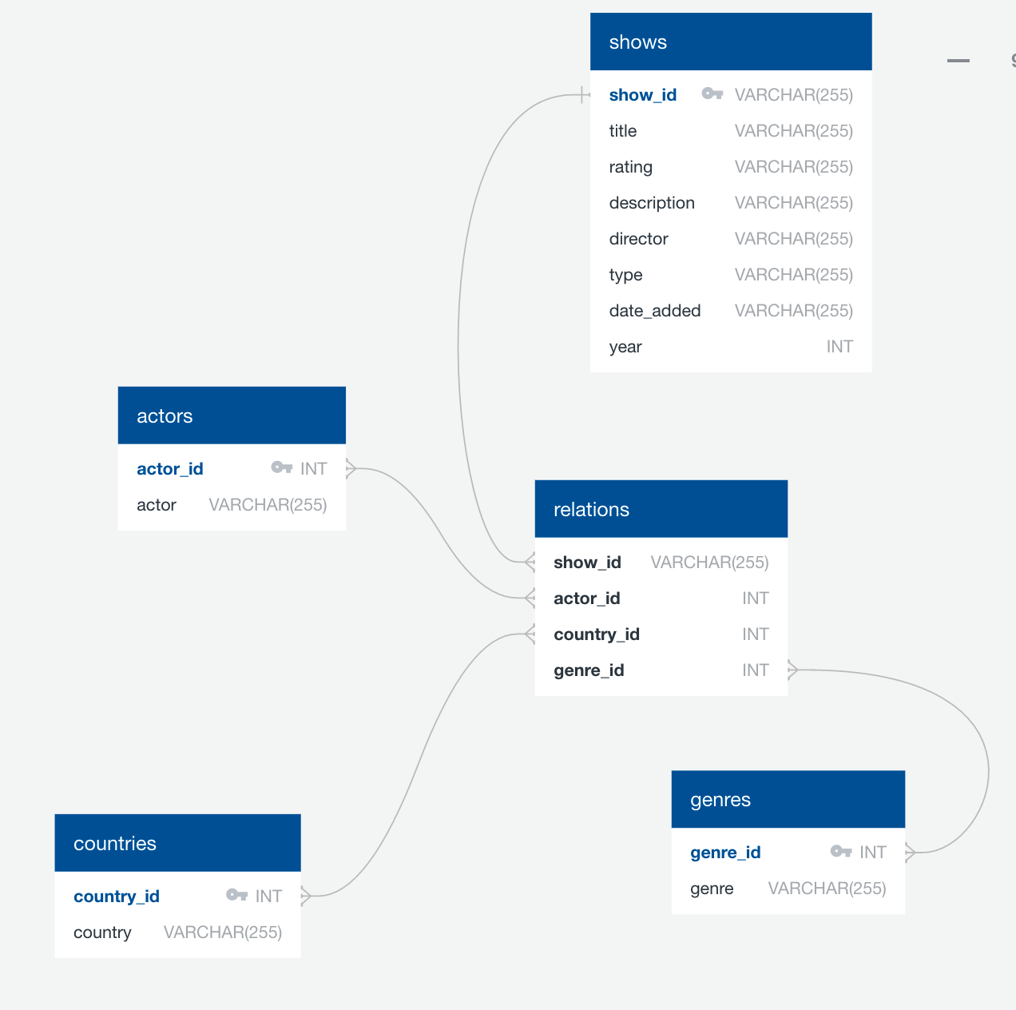
FROM: 1 source file / table | TO: Multiple files / tables

