Summary
ETL Project | Yvonne Tran, Darrious, Matthews, Maria Barrera

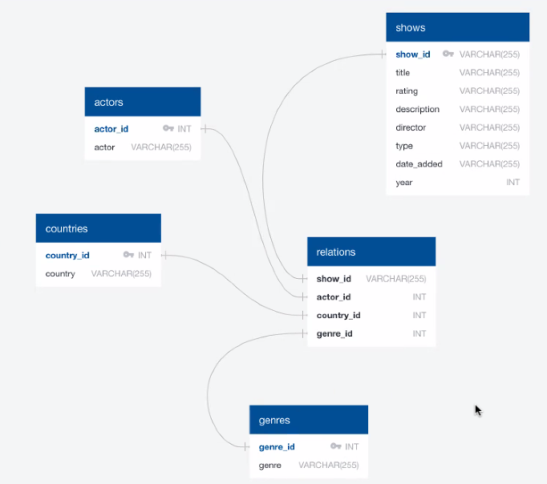
Source: https://www.kaggle.com/datasets
Input | netflix_titles.csv

Output | shows.csv
 | actors.csv
 | countries.csv
 | genres.csv
 | relations.csv

DB name | netflix2_db

DB tables | shows
 | actors
 | countries
 | genres
 | relations

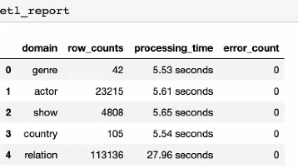
Timing Results

