dose calculation
 | Mouse |  |  |  | Tracer - molecules |  |  |  |  |  | Tracer - C atoms |  |  |  | Infusion - 13CO2 Experiments
Metabolite | conc. in dist.vol. (mM) | BW | dist vol. (mL) | pool size (umol) | 13C-tracer conc. (mM) | 13C-tracer inj. Vol (uL) | inj. Umol | MW | inj. mg | % of pool size | 13C-atom # | inj.C-atom.umol | delta 13C | actual | tracer conc. (mM) | 13C-tracer Atom conc. (mM) | Infusion rate (uL/min) | infuse nmol carbons / min
Glucose | 7 | 30 | 6 | 42 | 20.00 | 200 | 4.00 | 180 | 0.72 | 10% | 6 | 24.00 | 180 |  | 20.00 | 120 | 2 | 240.0
C16:0 | 2 | 28 | 1.176 | 2.352 | 3.56 | 200 | 0.71 |  |  | 30% | 16 | 11.39 | 85 |  | 3.56 | 56.96 | 2 | 113.9
Lactate | 1 | 28 | 5.6 | 5.6 | 12.27 | 200 | 2.45 |  |  | 44% | 3 | 7.36 | 55 | 180 | 12.27 | 36.812903226 | 2 | 73.6
Glycerol | 0.4 | 28 | 5.6 | 2.24 | 36.71 | 200 | 7.34 |  |  | 328% | 3 | 22.03 | 165 |  | 36.71 | 110.13 | 1 | 110.1
 | 0.4 | 28 | 5.6 | 2.24 | 8.47 | 200 | 1.69 |  |  | 76% | 3 | 5.08 | 38 |  | 8.47 | 25.41 | 2 | 50.8
Citrate | 0.2 | 28 | 5.6 | 1.12 | 5.00 | 200 | 1.00 |  |  | 89% | 6 | 6.00 | 45 |  | 5.00 | 30 | 2 | 60.0
Alanine | 0.15 | 28 | 5.6 | 0.84 | 4.94 | 200 | 0.99 |  |  | 118% | 3 | 2.96 | 22 |  | 4.94 | 14.82 | 3 | 44.5
 | 0.15 | 28 | 5.6 | 0.84 | 17.29 | 200 | 3.46 |  |  | 412% | 3 | 10.37 | 78 |  | 17.29 | 51.87 | 2 | 103.7
Acetate | 0.3 | 28 | 5.6 | 1.68 | 14.40 | 200 | 2.88 |  |  | 171% | 2 | 5.76 | 43 |  | 14.40 | 28.8 | 2 | 57.6
 | 0.3 | 28 | 5.6 | 1.68 | 7.20 | 200 | 1.44 |  |  | 86% | 2 | 2.88 | 22 |  | 7.20 | 14.4 | 2 | 28.8
Glutamine | 0.7 | 28 | 5.6 | 3.92 | 6.14 | 200 | 1.23 |  |  | 31% | 5 | 6.14 | 46 |  | 6.14 | 30.678571429 | 2 | 61.4
3-HB | 0.2 | 28 | 5.6 | 1.12 | 12.50 | 200 | 2.50 |  |  | 223% | 4 | 10.00 | 75 |  | 12.50 | 50.016 | 2 | 100.0
valine | 0.2 | 30 | 6 | 1.2 | 20.4 | 200 | 4.08 |  |  | 340% | 4 | 16.32 | 122
 |  |  |  |  |  |  |  |  |  |  |  |  |  |  | 13CO2 0.1umol/min/animal for infusion gives very decent signal
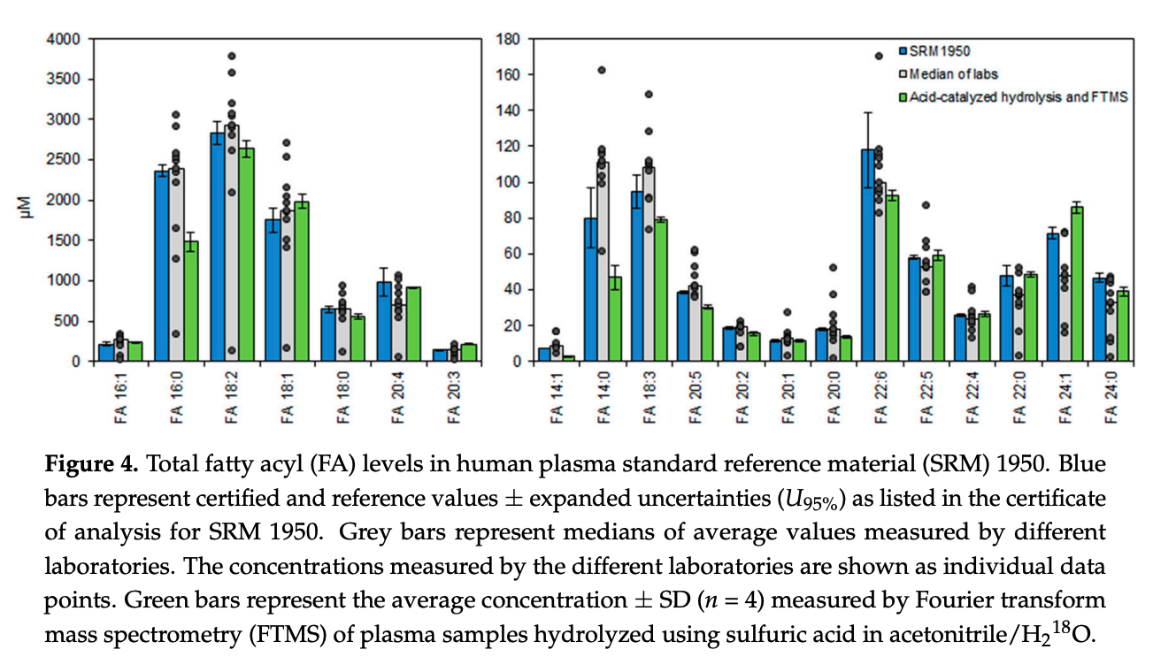
 |  |  |  |  |  |  |  |  |  |  |  |  |  |  | mM = mmol / L = nmol / uL

metabolic cage setup
tracer | intercage leave | cage #
glucose | 8 | 6
palmitate | 8 | 2~3
glutamine | 8 | 4
lactate | 8 | 4

glycemia
phenotype | basal.glycemia.mg.dL | post_lamp_glycemia.mg.dL | delta.mg.dL
ob/ob | 246 | 348 | 102
ob/ob | 220 | 311 | 91
ob/ob | 354 | 370 | 16
WT | 96 | 138 | 42
ob/ob | 290 | 405 | 115
ob/ob | 346 | 474 | 128
ob/ob | 306 | 324 | 18
ob/ob | 220 | 374 | 154
ob/ob | 150 | 283 | 133
ob/ob | 234 | 318 | 84
db/db | 212 | 214 | 2
db/db | 361 | 392 | 31
db/db | 317 | 455 | 138
db/db | 237 | 323 | 86
WT | 165 | 168 | 3
ob/ob | 243 | 332 | 89
ob/ob | 241 | 312 | 71
ob/ob | 280 | 460 | 180
ob/ob | 233 | 452 | 219
WT | 131 | 198 | 67
WT | 150 | 200 | 50
ob/ob | 143 | 215 | 72
ob/ob | 216 | 358 | 142
WT | 195 | 207 | 12
ob/ob | 177 | 274 | 97
ob/ob | 195 | 301 | 106
db/db | 600 | 555 | -45

