insulin measurement
Vendor's link
https://www.crystalchem.com/ultra-sensitive-mouse-insulin-elisa-kit.html
T0 Before infusion |  |  |  |  |  |  |  |  |  |  |  |  |  |  |  |  |  |  | a | b
T1 After infusing insulin+Glucose 2.5h |  |  |  |  |  |  | simple linear regression equation |  |  |  | x = (y + 0.02753 ) / 0.1530 |  |  | simple lineer regression equation |  |  |  |  | 0.1588 | -0.08
T2 After infusing palmitate 30 mins
 |  |  |  |  |  |  |  | OD |  |  |  |  |  |  | OD
Plate |  |  |  |  |  |  |  | Mouse | 1 | 2 | 3 | 4 | 5 |  | Mouse | 1 | 2 | 3 | 4 | 5
1 | 2 | 3 | 4 | 5 | 6 |  |  | T0 | 0.3755 | 0.1865 | 0.0805 | 0.0585 | 0.0725 |  | T0 | 0.3755 | 0.1865 | 0.0805 | 0.0585 | 0.0725
STD | STD | STD | STD | T0 | T1 |  |  | T1 | 3.3905 | 3.3815 | 3.4995 | 3.4745 | 3.4185 |  | T1 | 3.3905 | 3.3815 | 3.4995 | 3.4745 | 3.4185
STD | STD | STD | STD | T0 | T1 |  |  | T2 | 3.4285 | 3.3785 | 3.3795 | 3.3675 | 3.3845 |  | T2 | 3.4285 | 3.3785 | 3.3795 | 3.3675 | 3.3845
STD | STD | STD | STD | T0 | T3
STD | STD | STD | STD | T0 | T3
STD | STD | STD | STD | T0 | T3 |  |  | ng/ml |  |  |  |  |  |  | ng/ml
STD | STD | STD | STD | T1 | T3 |  |  | Mouse | 1 | 2 | 3 | 4 | 5 |  | Mouse | 1 | 2 | 3 | 4 | 5
STD | STD | STD | STD | T1 | T3 |  |  | T0 | 2.454248366 | 1.3988888889 | 0.70607843137 | 0.5622875817 | 0.65379084967 |  | T0 | 2.8683879093 | 1.6782115869 | 1.0107052897 | 0.87216624685 | 0.96032745592
STD | STD | STD | STD | T1 | KD |  |  | T1 | 22.160130719 | 22.28124183 | 23.05248366 | 22.889084967 | 22.523071895 |  | T1 | 21.854534005 | 21.797858942 | 22.54093199 | 22.383501259 | 22.030856423
 |  |  |  |  |  |  |  | T2 | 22.408496732 | 22.261633987 | 22.268169935 | 22.189738562 | 22.300849673 |  | T2 | 22.093828715 | 21.778967254 | 21.785264484 | 21.709697733 | 21.81675063
OD
1 | 2 | 3 | 4 | 5 | 6
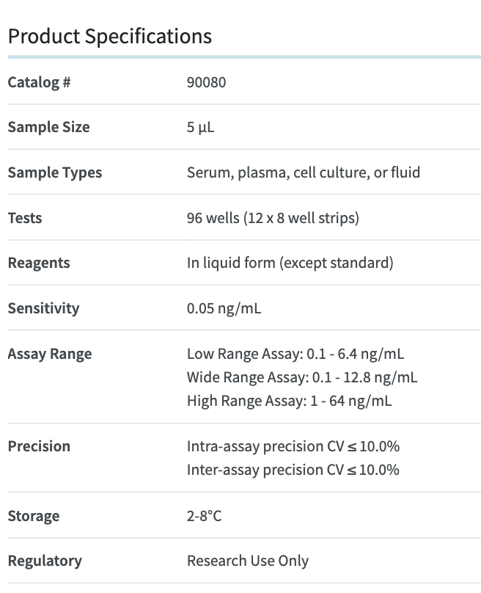
 |  | 2.177 | 2.242 | 0.632 | 3.731
 |  | 1.141 | 1.245 | 0.443 | 3.675
 |  | 0.665 | 0.685 | 0.337 | 3.685
 |  | 0.426 | 0.449 | 0.315 | 3.635
 |  | 0.292 | 0.309 | 0.329 | 3.636
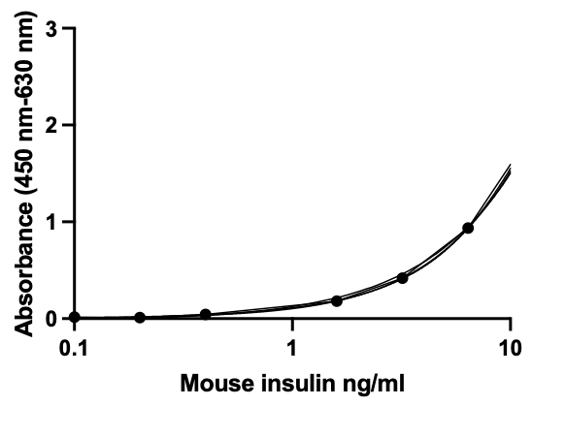
 |  | 0.247 | 0.246 | 3.647 | 3.624
 |  | 0.265 | 0.279 | 3.638 | 3.641
 |  | 0.242 | 0.271 | 3.756 | 0.49

Blnk Corr |  | 2.2095 | 1.953 | 0.3755 | 3.4745
 |  | 1.193 | 0.9365 | 0.1865 | 3.4185
 |  | 0.675 | 0.4185 | 0.0805 | 3.4285
 |  | 0.4375 | 0.181 | 0.0585 | 3.3785
 |  | 0.3005 | 0.044 | 0.0725 | 3.3795
 |  | 0.2465 | -0.01 | 3.3905 | 3.3675
 |  | 0.272 | 0.0155 | 3.3815 | 3.3845
 |  | 0.2565 | 0 | 3.4995 | 0.2335

STD curve |  | Concentr | OD
 |  | 0 | 0
 |  | 0.1 | 0.0155
 |  | 0.2 | 0.01
 |  | 0.4 | 0.044
 |  | 1.6 | 0.181
 |  | 3.2 | 0.4185
 |  | 6.4 | 0.9365
 |  | 12.8 | 1.953

 |  |  |  |  | a | b
 |  |  |  |  | 0.153 | -0.0275

insulin_glycemia
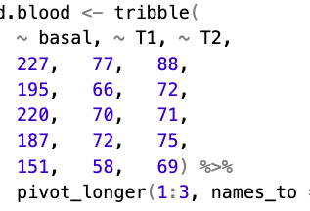
Mouse | time | analyte | conc. | unit | status
1 | basal | insulin | 2.9 | ng/mL | basal
2 | basal | insulin | 1.7 | ng/mL | basal
3 | basal | insulin | 1.0 | ng/mL | basal
4 | basal | insulin | 0.9 | ng/mL | basal
5 | basal | insulin | 1.0 | ng/mL | basal
1 | T1 | insulin | 21.9 | ng/mL | clamp
2 | T1 | insulin | 21.8 | ng/mL | clamp
3 | T1 | insulin | 22.5 | ng/mL | clamp
4 | T1 | insulin | 22.4 | ng/mL | clamp
5 | T1 | insulin | 22.0 | ng/mL | clamp
1 | T2 | insulin | 22.1 | ng/mL | clamp
2 | T2 | insulin | 21.8 | ng/mL | clamp
3 | T2 | insulin | 21.8 | ng/mL | clamp
4 | T2 | insulin | 21.7 | ng/mL | clamp
5 | T2 | insulin | 21.8 | ng/mL | clamp
1 | basal | glycemia | 227 | mg/dL | basal
1 | T1 | glycemia | 77 | mg/dL | clamp
1 | T2 | glycemia | 88 | mg/dL | clamp
2 | basal | glycemia | 195 | mg/dL | basal
2 | T1 | glycemia | 66 | mg/dL | clamp
2 | T2 | glycemia | 72 | mg/dL | clamp
3 | basal | glycemia | 220 | mg/dL | basal
3 | T1 | glycemia | 70 | mg/dL | clamp
3 | T2 | glycemia | 71 | mg/dL | clamp
4 | basal | glycemia | 187 | mg/dL | basal
4 | T1 | glycemia | 72 | mg/dL | clamp
4 | T2 | glycemia | 75 | mg/dL | clamp
5 | basal | glycemia | 151 | mg/dL | basal
5 | T1 | glycemia | 58 | mg/dL | clamp
5 | T2 | glycemia | 69 | mg/dL | clamp
1 | T0 | C16:0 | 91850713 | - | basal
2 | T0 | C16:0 | 65826240 | - | basal
3 | T0 | C16:0 | 110705061 | - | basal
4 | T0 | C16:0 | 64548982 | - | basal
5 | T0 | C16:0 | 76420640 | - | basal
1 | T1 | C16:0 | 33192162 | - | clamp
2 | T1 | C16:0 | 37507681 | - | clamp
3 | T1 | C16:0 | 27600130 | - | clamp
4 | T1 | C16:0 | 23097627 | - | clamp
5 | T1 | C16:0 | 24475059 | - | clamp
1 | T2 | C16:0 | 33745848 | - | clamp
2 | T2 | C16:0 | 32911708 | - | clamp
3 | T2 | C16:0 | 33475625 | - | clamp
4 | T2 | C16:0 | 19707788 | - | clamp
5 | T2 | C16:0 | 31150964 | - | clamp

insulin_phenotypes
6.4 | 0.8415
3.2 | 0.4525
1.6 | 0.2215
0.8 | 0.1205
0.4 | 0.086
0.2 | 0.067
 | conc. | OD
 |  | rep1 | rep2 | mean
 | 12.8 | 1.621 | 1.584 | 1.6025
 | 6.4 | 0.852 | 0.831 | 0.8415
 | 3.2 | 0.461 | 0.444 | 0.4525
 | 1.6 | 0.213 | 0.23 | 0.2215
 | 0.8 | 0.125 | 0.116 | 0.1205
 | 0.4 | 0.088 | 0.084 | 0.086
 | 0.2 | 0.067 | 0.067 | 0.067 | a | b
 | 0 | 0.059 | 0.053 | 0.056 | 0.1271 | 0.0314

phenotype | samples | OD | conc. ng/mL | conc_corrected
WT | LFD1 | 0.146 | 0.90 | 0.90
WT | LFD2 | 0.132 | 0.79 | 0.79
WT | LFD3 | 0.26 | 1.80 | 1.80
WT | LFD4 | 0.75
HFD | HFD1 | 0.3 | 2.11 | 2.11
HFD | HFD2 | 0.347 | 2.48 | 2.48
HFD | HFD3 | 0.608 | 4.54 | 4.54
HFD | HFD4 | 0.221 | 1.49 | 1.49
HFD | HFD5 | 0.556 | 4.13 | 4.13
ob/ob | OB1 | 0.436 | 3.18 | 31.83
ob/ob | OB2 | 0.595 | 4.43 | 44.34
ob/ob | OB3 | 0.849 | 6.43 | 64.33
ob/ob | OB4 | 0.106 | 0.59 | 5.87
ob/ob | OB5 | 0.23 | 1.56 | 15.63
WT |  |  |  | 2.9
WT |  |  |  | 1.7
WT |  |  |  | 1.0
WT |  |  |  | 0.9
WT |  |  |  | 1.0

