S1_Trend-Long
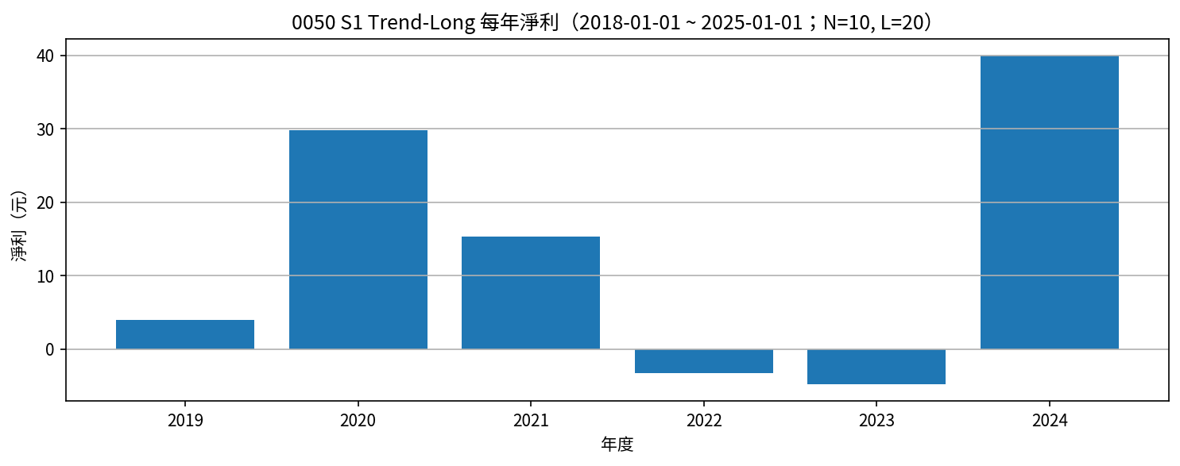
Symbol | Strategy | Date | Action | Price | Reason | Side | Net Profit | Cumulative Net Profit | N | L | Signal Date | Signal_Rolling_High | Signal_Rolling_Low | entry_close_t | exit_close_t | EntryPrice
0050 | S1 Trend-Long | 2019-01-20 | BUY | 76.55 | 收盤 > N日高 | long | 0 | 0 | 10 | 20 | 2019-01-17 | 75.9 | 72 | 75.95
0050 | S1 Trend-Long | 2019-05-13 | SELL | 79.4 | 收盤 < L日低 | long | 2.85 | 2.85 | 10 | 20 | 2019-05-12 | 83.8 | 80.9 | 75.95 | 80.15 | 76.55
0050 | S1 Trend-Long | 2019-06-10 | BUY | 79.4 | 收盤 > N日高 | long | 0 | 2.85 | 10 | 20 | 2019-06-09 | 78.95 | 76.3 | 79.05
0050 | S1 Trend-Long | 2019-08-04 | SELL | 80.5 | 收盤 < L日低 | long | 1.1 | 3.95 | 10 | 20 | 2019-08-01 | 83.9 | 81.4 | 79.05 | 80.95 | 79.4
0050 | S1 Trend-Long | 2019-08-20 | BUY | 81.15 | 收盤 > N日高 | long | 0 | 3.95 | 10 | 20 | 2019-08-19 | 80.9 | 78.5 | 81
0050 | S1 Trend-Long | 2020-01-30 | SELL | 90.45 | 收盤 < L日低 | long | 9.3 | 13.25 | 10 | 20 | 2020-01-29 | 98.85 | 95.05 | 81 | 92.15 | 81.15
0050 | S1 Trend-Long | 2020-04-08 | BUY | 80.05 | 收盤 > N日高 | long | 0 | 13.25 | 10 | 20 | 2020-04-07 | 78.9 | 67.25 | 79.6
0050 | S1 Trend-Long | 2020-09-24 | SELL | 100.55 | 收盤 < L日低 | long | 20.5 | 33.75 | 10 | 20 | 2020-09-23 | 107 | 101.15 | 79.6 | 100.45 | 80.05
0050 | S1 Trend-Long | 2020-10-11 | BUY | 106.9 | 收盤 > N日高 | long | 0 | 33.75 | 10 | 20 | 2020-10-07 | 105 | 100.05 | 106.2
0050 | S1 Trend-Long | 2021-05-11 | SELL | 132.7 | 收盤 < L日低 | long | 25.8 | 59.55 | 10 | 20 | 2021-05-10 | 142 | 135 | 106.2 | 133.25 | 106.9
0050 | S1 Trend-Long | 2021-05-30 | BUY | 136 | 收盤 > N日高 | long | 0 | 59.55 | 10 | 20 | 2021-05-27 | 135.15 | 121.2 | 135.8
0050 | S1 Trend-Long | 2021-07-28 | SELL | 135.65 | 收盤 < L日低 | long | -0.35 | 59.2 | 10 | 20 | 2021-07-27 | 141.85 | 136.05 | 135.8 | 134.25 | 136
0050 | S1 Trend-Long | 2021-08-04 | BUY | 139.45 | 收盤 > N日高 | long | 0 | 59.2 | 10 | 20 | 2021-08-03 | 138.55 | 133.75 | 139.25
0050 | S1 Trend-Long | 2021-08-19 | SELL | 132 | 收盤 < L日低 | long | -7.45 | 51.75 | 10 | 20 | 2021-08-18 | 139.45 | 132.45 | 139.25 | 131.8 | 139.45
0050 | S1 Trend-Long | 2021-08-29 | BUY | 138.85 | 收盤 > N日高 | long | 0 | 51.75 | 10 | 20 | 2021-08-26 | 138 | 130.2 | 138.15
0050 | S1 Trend-Long | 2021-09-29 | SELL | 136.1 | 收盤 < L日低 | long | -2.75 | 49 | 10 | 20 | 2021-09-28 | 142.2 | 136.3 | 138.15 | 136 | 138.85
0050 | S1 Trend-Long | 2021-10-19 | BUY | 137.25 | 收盤 > N日高 | long | 0 | 49 | 10 | 20 | 2021-10-18 | 136.9 | 130.9 | 136.95
0050 | S1 Trend-Long | 2022-01-25 | SELL | 140.95 | 收盤 < L日低 | long | 3.7 | 52.7 | 10 | 20 | 2022-01-24 | 152.4 | 141.7 | 136.95 | 141.65 | 137.25
0050 | S1 Trend-Long | 2022-03-21 | BUY | 137 | 收盤 > N日高 | long | 0 | 52.7 | 10 | 20 | 2022-03-20 | 136.9 | 131 | 137
0050 | S1 Trend-Long | 2022-04-18 | SELL | 132.05 | 收盤 < L日低 | long | -4.95 | 47.75 | 10 | 20 | 2022-04-17 | 138.65 | 131.6 | 137 | 131.55 | 137
0050 | S1 Trend-Long | 2022-05-30 | BUY | 128.65 | 收盤 > N日高 | long | 0 | 47.75 | 10 | 20 | 2022-05-29 | 126 | 121.2 | 128.55
0050 | S1 Trend-Long | 2022-06-19 | SELL | 120.7 | 收盤 < L日低 | long | -7.95 | 39.8 | 10 | 20 | 2022-06-16 | 129.1 | 122.1 | 128.55 | 120.85 | 128.65
0050 | S1 Trend-Long | 2022-07-21 | BUY | 116.8 | 收盤 > N日高 | long | 0 | 39.8 | 10 | 20 | 2022-07-20 | 116.2 | 108.45 | 116.35
0050 | S1 Trend-Long | 2022-09-01 | SELL | 114.9 | 收盤 < L日低 | long | -1.9 | 37.9 | 10 | 20 | 2022-08-31 | 122 | 115.2 | 116.35 | 115.15 | 116.8
0050 | S1 Trend-Long | 2022-11-08 | BUY | 102.75 | 收盤 > N日高 | long | 0 | 37.9 | 10 | 20 | 2022-11-07 | 100.85 | 96.5 | 101.6
0050 | S1 Trend-Long | 2022-12-20 | SELL | 110.6 | 收盤 < L日低 | long | 7.85 | 45.75 | 10 | 20 | 2022-12-19 | 116.8 | 112 | 101.6 | 110.3 | 102.75
0050 | S1 Trend-Long | 2023-01-09 | BUY | 116.15 | 收盤 > N日高 | long | 0 | 45.75 | 10 | 20 | 2023-01-08 | 112.25 | 108.4 | 115.8
0050 | S1 Trend-Long | 2023-04-24 | SELL | 118.1 | 收盤 < L日低 | long | 1.95 | 47.7 | 10 | 20 | 2023-04-23 | 121.65 | 118.4 | 115.8 | 118.15 | 116.15
0050 | S1 Trend-Long | 2023-05-17 | BUY | 122 | 收盤 > N日高 | long | 0 | 47.7 | 10 | 20 | 2023-05-16 | 119 | 115.5 | 120.55
0050 | S1 Trend-Long | 2023-08-14 | SELL | 125.05 | 收盤 < L日低 | long | 3.05 | 50.75 | 10 | 20 | 2023-08-13 | 130.65 | 126.15 | 120.55 | 124.5 | 122
0050 | S1 Trend-Long | 2023-09-14 | BUY | 127.2 | 收盤 > N日高 | long | 0 | 50.75 | 10 | 20 | 2023-09-13 | 126.8 | 122.9 | 126.95
0050 | S1 Trend-Long | 2023-09-21 | SELL | 122.25 | 收盤 < L日低 | long | -4.95 | 45.8 | 10 | 20 | 2023-09-20 | 127.35 | 123.4 | 126.95 | 122.75 | 127.2
0050 | S1 Trend-Long | 2023-10-11 | BUY | 126.7 | 收盤 > N日高 | long | 0 | 45.8 | 10 | 20 | 2023-10-10 | 124.5 | 121.35 | 126.25
0050 | S1 Trend-Long | 2023-10-31 | SELL | 121.8 | 收盤 < L日低 | long | -4.9 | 40.9 | 10 | 20 | 2023-10-30 | 127 | 121.35 | 126.25 | 121.15 | 126.7
0050 | S1 Trend-Long | 2023-11-06 | BUY | 126.7 | 收盤 > N日高 | long | 0 | 40.9 | 10 | 20 | 2023-11-05 | 125.6 | 121.1 | 126.55
0050 | S1 Trend-Long | 2024-01-16 | SELL | 129.8 | 收盤 < L日低 | long | 3.1 | 44 | 10 | 20 | 2024-01-15 | 135.95 | 131.95 | 126.55 | 131.65 | 126.7
0050 | S1 Trend-Long | 2024-01-25 | BUY | 135.85 | 收盤 > N日高 | long | 0 | 44 | 10 | 20 | 2024-01-24 | 134.4 | 127.3 | 135.65
0050 | S1 Trend-Long | 2024-04-21 | SELL | 150.2 | 收盤 < L日低 | long | 14.35 | 58.35 | 10 | 20 | 2024-04-18 | 163.35 | 153 | 135.65 | 150.9 | 135.85
0050 | S1 Trend-Long | 2024-05-08 | BUY | 160.95 | 收盤 > N日高 | long | 0 | 58.35 | 10 | 20 | 2024-05-07 | 160.55 | 149.5 | 160.7
0050 | S1 Trend-Long | 2024-07-22 | SELL | 183.5 | 收盤 < L日低 | long | 22.55 | 80.9 | 10 | 20 | 2024-07-21 | 202.8 | 180.8 | 160.7 | 180.7 | 160.95
0050 | S1 Trend-Long | 2024-08-18 | BUY | 183.7 | 收盤 > N日高 | long | 0 | 80.9 | 10 | 20 | 2024-08-15 | 181.85 | 158.4 | 183.4

S1_Trend-Long 月勝率（%） |  |  |  |  |  |  | S1_Trend-Long 年淨利
Year | Month | 勝率百分比 | 出場筆數 | 年月 |  |  | Year | 年淨利
2019 | 5 | 100 | 1 | 2019-05 |  |  | 2019 | 3.95
2019 | 8 | 100 | 1 | 2019-08 |  |  | 2020 | 29.8
2020 | 1 | 100 | 1 | 2020-01 |  |  | 2021 | 15.25
2020 | 9 | 100 | 1 | 2020-09 |  |  | 2022 | -3.25
2021 | 5 | 100 | 1 | 2021-05 |  |  | 2023 | -4.85
2021 | 7 | 0 | 1 | 2021-07 |  |  | 2024 | 40
2021 | 8 | 0 | 1 | 2021-08
2021 | 9 | 0 | 1 | 2021-09
2022 | 1 | 100 | 1 | 2022-01
2022 | 4 | 0 | 1 | 2022-04
2022 | 6 | 0 | 1 | 2022-06
2022 | 9 | 0 | 1 | 2022-09
2022 | 12 | 100 | 1 | 2022-12
2023 | 4 | 100 | 1 | 2023-04
2023 | 8 | 100 | 1 | 2023-08
2023 | 9 | 0 | 1 | 2023-09
2023 | 10 | 0 | 1 | 2023-10
2024 | 1 | 100 | 1 | 2024-01
2024 | 4 | 100 | 1 | 2024-04
2024 | 7 | 100 | 1 | 2024-07

S2_Trend-Short
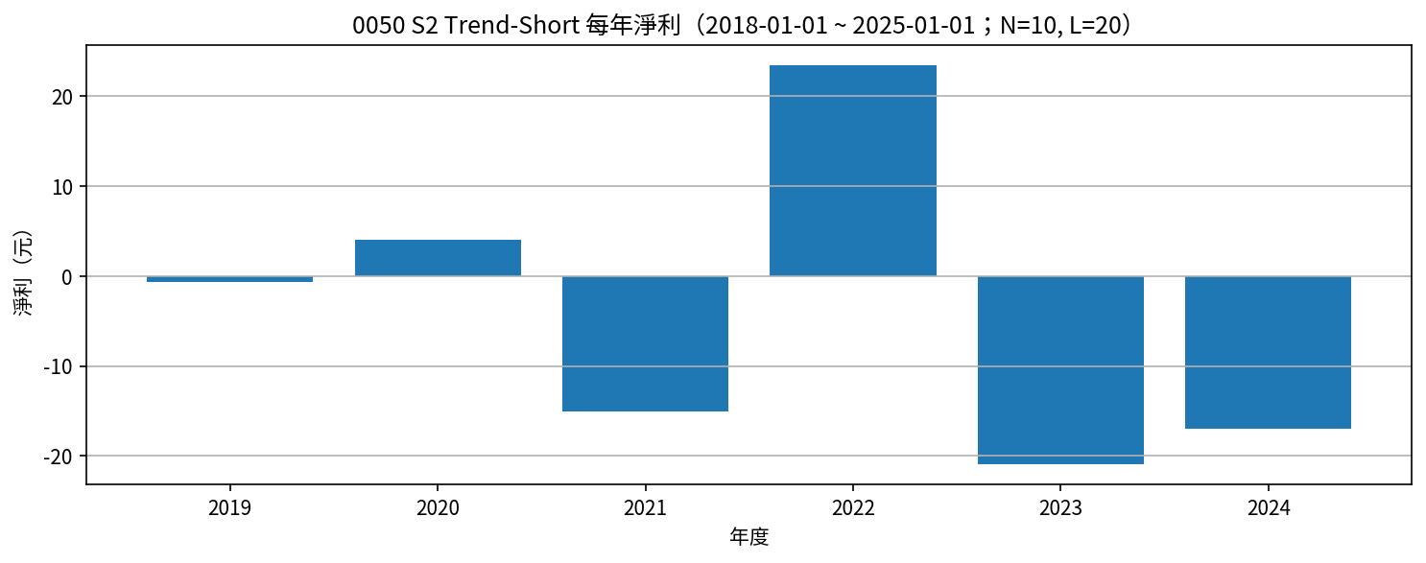
Symbol | Strategy | Date | Action | Price | Reason | Side | Net Profit | Cumulative Net Profit | N | L | Signal Date | Signal_Rolling_High | Signal_Rolling_Low | entry_close_t | exit_close_t | EntryPrice
0050 | S2 Trend-Short | 2019-05-13 | SELLSHORT | 79.4 | 收盤 < L日低 | short | 0 | 0 | 10 | 20 | 2019-05-12 | 83.8 | 80.9 | 80.15
0050 | S2 Trend-Short | 2019-06-10 | BUYTOCOVER | 79.4 | 收盤 > N日高 | short | 0 | 0 | 10 | 20 | 2019-06-09 | 78.95 | 76.3 | 80.15 | 79.05 | 79.4
0050 | S2 Trend-Short | 2019-08-04 | SELLSHORT | 80.5 | 收盤 < L日低 | short | 0 | 0 | 10 | 20 | 2019-08-01 | 83.9 | 81.4 | 80.95
0050 | S2 Trend-Short | 2019-08-20 | BUYTOCOVER | 81.15 | 收盤 > N日高 | short | -0.65 | -0.65 | 10 | 20 | 2019-08-19 | 80.9 | 78.5 | 80.95 | 81 | 80.5
0050 | S2 Trend-Short | 2020-01-30 | SELLSHORT | 90.45 | 收盤 < L日低 | short | 0 | -0.65 | 10 | 20 | 2020-01-29 | 98.85 | 95.05 | 92.15
0050 | S2 Trend-Short | 2020-04-08 | BUYTOCOVER | 80.05 | 收盤 > N日高 | short | 10.4 | 9.75 | 10 | 20 | 2020-04-07 | 78.9 | 67.25 | 92.15 | 79.6 | 90.45
0050 | S2 Trend-Short | 2020-09-24 | SELLSHORT | 100.55 | 收盤 < L日低 | short | 0 | 9.75 | 10 | 20 | 2020-09-23 | 107 | 101.15 | 100.45
0050 | S2 Trend-Short | 2020-10-11 | BUYTOCOVER | 106.9 | 收盤 > N日高 | short | -6.35 | 3.4 | 10 | 20 | 2020-10-07 | 105 | 100.05 | 100.45 | 106.2 | 100.55
0050 | S2 Trend-Short | 2021-05-11 | SELLSHORT | 132.7 | 收盤 < L日低 | short | 0 | 3.4 | 10 | 20 | 2021-05-10 | 142 | 135 | 133.25
0050 | S2 Trend-Short | 2021-05-30 | BUYTOCOVER | 136 | 收盤 > N日高 | short | -3.3 | 0.1 | 10 | 20 | 2021-05-27 | 135.15 | 121.2 | 133.25 | 135.8 | 132.7
0050 | S2 Trend-Short | 2021-07-28 | SELLSHORT | 135.65 | 收盤 < L日低 | short | 0 | 0.1 | 10 | 20 | 2021-07-27 | 141.85 | 136.05 | 134.25
0050 | S2 Trend-Short | 2021-08-04 | BUYTOCOVER | 139.45 | 收盤 > N日高 | short | -3.8 | -3.7 | 10 | 20 | 2021-08-03 | 138.55 | 133.75 | 134.25 | 139.25 | 135.65
0050 | S2 Trend-Short | 2021-08-19 | SELLSHORT | 132 | 收盤 < L日低 | short | 0 | -3.7 | 10 | 20 | 2021-08-18 | 139.45 | 132.45 | 131.8
0050 | S2 Trend-Short | 2021-08-29 | BUYTOCOVER | 138.85 | 收盤 > N日高 | short | -6.85 | -10.55 | 10 | 20 | 2021-08-26 | 138 | 130.2 | 131.8 | 138.15 | 132
0050 | S2 Trend-Short | 2021-09-29 | SELLSHORT | 136.1 | 收盤 < L日低 | short | 0 | -10.55 | 10 | 20 | 2021-09-28 | 142.2 | 136.3 | 136
0050 | S2 Trend-Short | 2021-10-19 | BUYTOCOVER | 137.25 | 收盤 > N日高 | short | -1.15 | -11.7 | 10 | 20 | 2021-10-18 | 136.9 | 130.9 | 136 | 136.95 | 136.1
0050 | S2 Trend-Short | 2022-01-25 | SELLSHORT | 140.95 | 收盤 < L日低 | short | 0 | -11.7 | 10 | 20 | 2022-01-24 | 152.4 | 141.7 | 141.65
0050 | S2 Trend-Short | 2022-03-21 | BUYTOCOVER | 137 | 收盤 > N日高 | short | 3.95 | -7.75 | 10 | 20 | 2022-03-20 | 136.9 | 131 | 141.65 | 137 | 140.95
0050 | S2 Trend-Short | 2022-04-18 | SELLSHORT | 132.05 | 收盤 < L日低 | short | 0 | -7.75 | 10 | 20 | 2022-04-17 | 138.65 | 131.6 | 131.55
0050 | S2 Trend-Short | 2022-05-30 | BUYTOCOVER | 128.65 | 收盤 > N日高 | short | 3.4 | -4.35 | 10 | 20 | 2022-05-29 | 126 | 121.2 | 131.55 | 128.55 | 132.05
0050 | S2 Trend-Short | 2022-06-19 | SELLSHORT | 120.7 | 收盤 < L日低 | short | 0 | -4.35 | 10 | 20 | 2022-06-16 | 129.1 | 122.1 | 120.85
0050 | S2 Trend-Short | 2022-07-21 | BUYTOCOVER | 116.8 | 收盤 > N日高 | short | 3.9 | -0.45 | 10 | 20 | 2022-07-20 | 116.2 | 108.45 | 120.85 | 116.35 | 120.7
0050 | S2 Trend-Short | 2022-09-01 | SELLSHORT | 114.9 | 收盤 < L日低 | short | 0 | -0.45 | 10 | 20 | 2022-08-31 | 122 | 115.2 | 115.15
0050 | S2 Trend-Short | 2022-11-08 | BUYTOCOVER | 102.75 | 收盤 > N日高 | short | 12.15 | 11.7 | 10 | 20 | 2022-11-07 | 100.85 | 96.5 | 115.15 | 101.6 | 114.9
0050 | S2 Trend-Short | 2022-12-20 | SELLSHORT | 110.6 | 收盤 < L日低 | short | 0 | 11.7 | 10 | 20 | 2022-12-19 | 116.8 | 112 | 110.3
0050 | S2 Trend-Short | 2023-01-09 | BUYTOCOVER | 116.15 | 收盤 > N日高 | short | -5.55 | 6.15 | 10 | 20 | 2023-01-08 | 112.25 | 108.4 | 110.3 | 115.8 | 110.6
0050 | S2 Trend-Short | 2023-04-24 | SELLSHORT | 118.1 | 收盤 < L日低 | short | 0 | 6.15 | 10 | 20 | 2023-04-23 | 121.65 | 118.4 | 118.15
0050 | S2 Trend-Short | 2023-05-17 | BUYTOCOVER | 122 | 收盤 > N日高 | short | -3.9 | 2.25 | 10 | 20 | 2023-05-16 | 119 | 115.5 | 118.15 | 120.55 | 118.1
0050 | S2 Trend-Short | 2023-08-14 | SELLSHORT | 125.05 | 收盤 < L日低 | short | 0 | 2.25 | 10 | 20 | 2023-08-13 | 130.65 | 126.15 | 124.5
0050 | S2 Trend-Short | 2023-09-14 | BUYTOCOVER | 127.2 | 收盤 > N日高 | short | -2.15 | 0.1 | 10 | 20 | 2023-09-13 | 126.8 | 122.9 | 124.5 | 126.95 | 125.05
0050 | S2 Trend-Short | 2023-09-21 | SELLSHORT | 122.25 | 收盤 < L日低 | short | 0 | 0.1 | 10 | 20 | 2023-09-20 | 127.35 | 123.4 | 122.75
0050 | S2 Trend-Short | 2023-10-11 | BUYTOCOVER | 126.7 | 收盤 > N日高 | short | -4.45 | -4.35 | 10 | 20 | 2023-10-10 | 124.5 | 121.35 | 122.75 | 126.25 | 122.25
0050 | S2 Trend-Short | 2023-10-31 | SELLSHORT | 121.8 | 收盤 < L日低 | short | 0 | -4.35 | 10 | 20 | 2023-10-30 | 127 | 121.35 | 121.15
0050 | S2 Trend-Short | 2023-11-06 | BUYTOCOVER | 126.7 | 收盤 > N日高 | short | -4.9 | -9.25 | 10 | 20 | 2023-11-05 | 125.6 | 121.1 | 121.15 | 126.55 | 121.8
0050 | S2 Trend-Short | 2024-01-16 | SELLSHORT | 129.8 | 收盤 < L日低 | short | 0 | -9.25 | 10 | 20 | 2024-01-15 | 135.95 | 131.95 | 131.65
0050 | S2 Trend-Short | 2024-01-25 | BUYTOCOVER | 135.85 | 收盤 > N日高 | short | -6.05 | -15.3 | 10 | 20 | 2024-01-24 | 134.4 | 127.3 | 131.65 | 135.65 | 129.8
0050 | S2 Trend-Short | 2024-04-21 | SELLSHORT | 150.2 | 收盤 < L日低 | short | 0 | -15.3 | 10 | 20 | 2024-04-18 | 163.35 | 153 | 150.9
0050 | S2 Trend-Short | 2024-05-08 | BUYTOCOVER | 160.95 | 收盤 > N日高 | short | -10.75 | -26.05 | 10 | 20 | 2024-05-07 | 160.55 | 149.5 | 150.9 | 160.7 | 150.2
0050 | S2 Trend-Short | 2024-07-22 | SELLSHORT | 183.5 | 收盤 < L日低 | short | 0 | -26.05 | 10 | 20 | 2024-07-21 | 202.8 | 180.8 | 180.7
0050 | S2 Trend-Short | 2024-08-18 | BUYTOCOVER | 183.7 | 收盤 > N日高 | short | -0.2 | -26.25 | 10 | 20 | 2024-08-15 | 181.85 | 158.4 | 180.7 | 183.4 | 183.5

S2_Trend-Short 月勝率（%） |  |  |  |  |  |  | S2_Trend-Short 年淨利
Year | Month | 勝率百分比 | 出場筆數 | 年月 |  |  | Year | 年淨利
2019 | 6 | 0 | 1 | 2019-06 |  |  | 2019 | -0.65
2019 | 8 | 0 | 1 | 2019-08 |  |  | 2020 | 4.05
2020 | 4 | 100 | 1 | 2020-04 |  |  | 2021 | -15.1
2020 | 10 | 0 | 1 | 2020-10 |  |  | 2022 | 23.4
2021 | 5 | 0 | 1 | 2021-05 |  |  | 2023 | -20.95
2021 | 8 | 0 | 2 | 2021-08 |  |  | 2024 | -17
2021 | 10 | 0 | 1 | 2021-10
2022 | 3 | 100 | 1 | 2022-03
2022 | 5 | 100 | 1 | 2022-05
2022 | 7 | 100 | 1 | 2022-07
2022 | 11 | 100 | 1 | 2022-11
2023 | 1 | 0 | 1 | 2023-01
2023 | 5 | 0 | 1 | 2023-05
2023 | 9 | 0 | 1 | 2023-09
2023 | 10 | 0 | 1 | 2023-10
2023 | 11 | 0 | 1 | 2023-11
2024 | 1 | 0 | 1 | 2024-01
2024 | 5 | 0 | 1 | 2024-05
2024 | 8 | 0 | 1 | 2024-08

S3_MeanRevert-Long
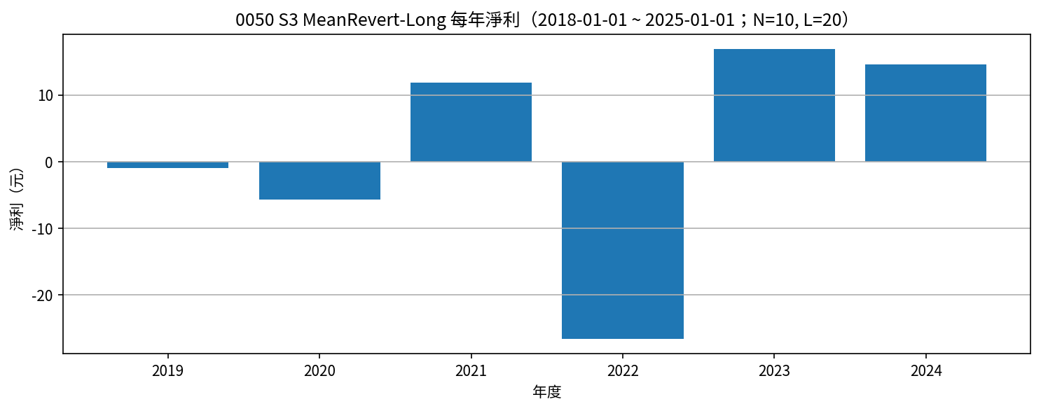
Symbol | Strategy | Date | Action | Price | Reason | Side | Net Profit | Cumulative Net Profit | N | L | Signal Date | Signal_Rolling_High | Signal_Rolling_Low | entry_close_t | exit_close_t | EntryPrice
0050 | S3 MeanRevert-Long | 2019-05-13 | BUY | 79.8 | 收盤 < L日低 | long | 0 | 0 | 10 | 20 | 2019-05-12 | 83.8 | 80.9 | 80.15
0050 | S3 MeanRevert-Long | 2019-06-10 | SELL | 79 | 收盤 > N日高 | long | -0.8 | -0.8 | 10 | 20 | 2019-06-09 | 78.95 | 76.3 | 80.15 | 79.05 | 79.8
0050 | S3 MeanRevert-Long | 2019-08-04 | BUY | 80.9 | 收盤 < L日低 | long | 0 | -0.8 | 10 | 20 | 2019-08-01 | 83.9 | 81.4 | 80.95
0050 | S3 MeanRevert-Long | 2019-08-20 | SELL | 80.75 | 收盤 > N日高 | long | -0.15 | -0.95 | 10 | 20 | 2019-08-19 | 80.9 | 78.5 | 80.95 | 81 | 80.9
0050 | S3 MeanRevert-Long | 2020-01-30 | BUY | 90.85 | 收盤 < L日低 | long | 0 | -0.95 | 10 | 20 | 2020-01-29 | 98.85 | 95.05 | 92.15
0050 | S3 MeanRevert-Long | 2020-04-08 | SELL | 79.65 | 收盤 > N日高 | long | -11.2 | -12.15 | 10 | 20 | 2020-04-07 | 78.9 | 67.25 | 92.15 | 79.6 | 90.85
0050 | S3 MeanRevert-Long | 2020-09-24 | BUY | 100.95 | 收盤 < L日低 | long | 0 | -12.15 | 10 | 20 | 2020-09-23 | 107 | 101.15 | 100.45
0050 | S3 MeanRevert-Long | 2020-10-11 | SELL | 106.5 | 收盤 > N日高 | long | 5.55 | -6.6 | 10 | 20 | 2020-10-07 | 105 | 100.05 | 100.45 | 106.2 | 100.95
0050 | S3 MeanRevert-Long | 2021-05-11 | BUY | 133.1 | 收盤 < L日低 | long | 0 | -6.6 | 10 | 20 | 2021-05-10 | 142 | 135 | 133.25
0050 | S3 MeanRevert-Long | 2021-05-30 | SELL | 135.6 | 收盤 > N日高 | long | 2.5 | -4.1 | 10 | 20 | 2021-05-27 | 135.15 | 121.2 | 133.25 | 135.8 | 133.1
0050 | S3 MeanRevert-Long | 2021-07-28 | BUY | 136.05 | 收盤 < L日低 | long | 0 | -4.1 | 10 | 20 | 2021-07-27 | 141.85 | 136.05 | 134.25
0050 | S3 MeanRevert-Long | 2021-08-04 | SELL | 139.05 | 收盤 > N日高 | long | 3 | -1.1 | 10 | 20 | 2021-08-03 | 138.55 | 133.75 | 134.25 | 139.25 | 136.05
0050 | S3 MeanRevert-Long | 2021-08-19 | BUY | 132.4 | 收盤 < L日低 | long | 0 | -1.1 | 10 | 20 | 2021-08-18 | 139.45 | 132.45 | 131.8
0050 | S3 MeanRevert-Long | 2021-08-29 | SELL | 138.45 | 收盤 > N日高 | long | 6.05 | 4.95 | 10 | 20 | 2021-08-26 | 138 | 130.2 | 131.8 | 138.15 | 132.4
0050 | S3 MeanRevert-Long | 2021-09-29 | BUY | 136.5 | 收盤 < L日低 | long | 0 | 4.95 | 10 | 20 | 2021-09-28 | 142.2 | 136.3 | 136
0050 | S3 MeanRevert-Long | 2021-10-19 | SELL | 136.85 | 收盤 > N日高 | long | 0.35 | 5.3 | 10 | 20 | 2021-10-18 | 136.9 | 130.9 | 136 | 136.95 | 136.5
0050 | S3 MeanRevert-Long | 2022-01-25 | BUY | 141.35 | 收盤 < L日低 | long | 0 | 5.3 | 10 | 20 | 2022-01-24 | 152.4 | 141.7 | 141.65
0050 | S3 MeanRevert-Long | 2022-03-21 | SELL | 136.6 | 收盤 > N日高 | long | -4.75 | 0.55 | 10 | 20 | 2022-03-20 | 136.9 | 131 | 141.65 | 137 | 141.35
0050 | S3 MeanRevert-Long | 2022-04-18 | BUY | 132.45 | 收盤 < L日低 | long | 0 | 0.55 | 10 | 20 | 2022-04-17 | 138.65 | 131.6 | 131.55
0050 | S3 MeanRevert-Long | 2022-05-30 | SELL | 128.25 | 收盤 > N日高 | long | -4.2 | -3.65 | 10 | 20 | 2022-05-29 | 126 | 121.2 | 131.55 | 128.55 | 132.45
0050 | S3 MeanRevert-Long | 2022-06-19 | BUY | 121.1 | 收盤 < L日低 | long | 0 | -3.65 | 10 | 20 | 2022-06-16 | 129.1 | 122.1 | 120.85
0050 | S3 MeanRevert-Long | 2022-07-21 | SELL | 116.4 | 收盤 > N日高 | long | -4.7 | -8.35 | 10 | 20 | 2022-07-20 | 116.2 | 108.45 | 120.85 | 116.35 | 121.1
0050 | S3 MeanRevert-Long | 2022-09-01 | BUY | 115.3 | 收盤 < L日低 | long | 0 | -8.35 | 10 | 20 | 2022-08-31 | 122 | 115.2 | 115.15
0050 | S3 MeanRevert-Long | 2022-11-08 | SELL | 102.35 | 收盤 > N日高 | long | -12.95 | -21.3 | 10 | 20 | 2022-11-07 | 100.85 | 96.5 | 115.15 | 101.6 | 115.3
0050 | S3 MeanRevert-Long | 2022-12-20 | BUY | 111 | 收盤 < L日低 | long | 0 | -21.3 | 10 | 20 | 2022-12-19 | 116.8 | 112 | 110.3
0050 | S3 MeanRevert-Long | 2023-01-09 | SELL | 115.75 | 收盤 > N日高 | long | 4.75 | -16.55 | 10 | 20 | 2023-01-08 | 112.25 | 108.4 | 110.3 | 115.8 | 111
0050 | S3 MeanRevert-Long | 2023-04-24 | BUY | 118.5 | 收盤 < L日低 | long | 0 | -16.55 | 10 | 20 | 2023-04-23 | 121.65 | 118.4 | 118.15
0050 | S3 MeanRevert-Long | 2023-05-17 | SELL | 121.6 | 收盤 > N日高 | long | 3.1 | -13.45 | 10 | 20 | 2023-05-16 | 119 | 115.5 | 118.15 | 120.55 | 118.5
0050 | S3 MeanRevert-Long | 2023-08-14 | BUY | 125.45 | 收盤 < L日低 | long | 0 | -13.45 | 10 | 20 | 2023-08-13 | 130.65 | 126.15 | 124.5
0050 | S3 MeanRevert-Long | 2023-09-14 | SELL | 126.8 | 收盤 > N日高 | long | 1.35 | -12.1 | 10 | 20 | 2023-09-13 | 126.8 | 122.9 | 124.5 | 126.95 | 125.45
0050 | S3 MeanRevert-Long | 2023-09-21 | BUY | 122.65 | 收盤 < L日低 | long | 0 | -12.1 | 10 | 20 | 2023-09-20 | 127.35 | 123.4 | 122.75
0050 | S3 MeanRevert-Long | 2023-10-11 | SELL | 126.3 | 收盤 > N日高 | long | 3.65 | -8.45 | 10 | 20 | 2023-10-10 | 124.5 | 121.35 | 122.75 | 126.25 | 122.65
0050 | S3 MeanRevert-Long | 2023-10-31 | BUY | 122.2 | 收盤 < L日低 | long | 0 | -8.45 | 10 | 20 | 2023-10-30 | 127 | 121.35 | 121.15
0050 | S3 MeanRevert-Long | 2023-11-06 | SELL | 126.3 | 收盤 > N日高 | long | 4.1 | -4.35 | 10 | 20 | 2023-11-05 | 125.6 | 121.1 | 121.15 | 126.55 | 122.2
0050 | S3 MeanRevert-Long | 2024-01-16 | BUY | 130.2 | 收盤 < L日低 | long | 0 | -4.35 | 10 | 20 | 2024-01-15 | 135.95 | 131.95 | 131.65
0050 | S3 MeanRevert-Long | 2024-01-25 | SELL | 135.45 | 收盤 > N日高 | long | 5.25 | 0.9 | 10 | 20 | 2024-01-24 | 134.4 | 127.3 | 131.65 | 135.65 | 130.2
0050 | S3 MeanRevert-Long | 2024-04-21 | BUY | 150.6 | 收盤 < L日低 | long | 0 | 0.9 | 10 | 20 | 2024-04-18 | 163.35 | 153 | 150.9
0050 | S3 MeanRevert-Long | 2024-05-08 | SELL | 160.55 | 收盤 > N日高 | long | 9.95 | 10.85 | 10 | 20 | 2024-05-07 | 160.55 | 149.5 | 150.9 | 160.7 | 150.6
0050 | S3 MeanRevert-Long | 2024-07-22 | BUY | 183.9 | 收盤 < L日低 | long | 0 | 10.85 | 10 | 20 | 2024-07-21 | 202.8 | 180.8 | 180.7
0050 | S3 MeanRevert-Long | 2024-08-18 | SELL | 183.3 | 收盤 > N日高 | long | -0.6 | 10.25 | 10 | 20 | 2024-08-15 | 181.85 | 158.4 | 180.7 | 183.4 | 183.9

S3_MeanRevert-Long 月勝率（%） |  |  |  |  |  |  | S3_MeanRevert-Long 年淨利
Year | Month | 勝率百分比 | 出場筆數 | 年月 |  |  | Year | 年淨利
2019 | 6 | 0 | 1 | 2019-06 |  |  | 2019 | -0.95
2019 | 8 | 0 | 1 | 2019-08 |  |  | 2020 | -5.65
2020 | 4 | 0 | 1 | 2020-04 |  |  | 2021 | 11.9
2020 | 10 | 100 | 1 | 2020-10 |  |  | 2022 | -26.6
2021 | 5 | 100 | 1 | 2021-05 |  |  | 2023 | 16.95
2021 | 8 | 100 | 2 | 2021-08 |  |  | 2024 | 14.6
2021 | 10 | 100 | 1 | 2021-10
2022 | 3 | 0 | 1 | 2022-03
2022 | 5 | 0 | 1 | 2022-05
2022 | 7 | 0 | 1 | 2022-07
2022 | 11 | 0 | 1 | 2022-11
2023 | 1 | 100 | 1 | 2023-01
2023 | 5 | 100 | 1 | 2023-05
2023 | 9 | 100 | 1 | 2023-09
2023 | 10 | 100 | 1 | 2023-10
2023 | 11 | 100 | 1 | 2023-11
2024 | 1 | 100 | 1 | 2024-01
2024 | 5 | 100 | 1 | 2024-05
2024 | 8 | 0 | 1 | 2024-08

S4_MeanRevert-Short
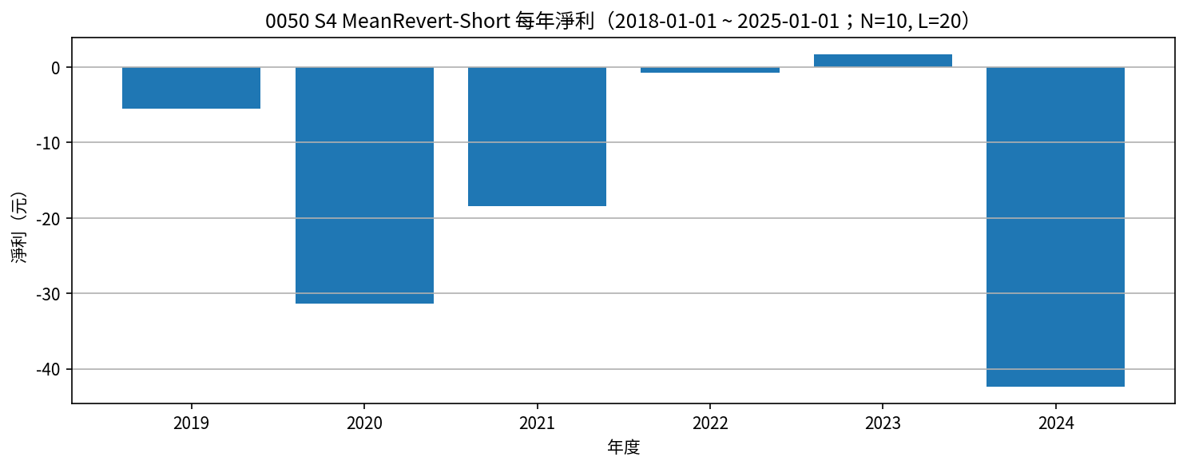
Symbol | Strategy | Date | Action | Price | Reason | Side | Net Profit | Cumulative Net Profit | N | L | Signal Date | Signal_Rolling_High | Signal_Rolling_Low | entry_close_t | exit_close_t | EntryPrice
0050 | S4 MeanRevert-Short | 2019-01-20 | SELLSHORT | 76.15 | 收盤 > N日高 | short | 0 | 0 | 10 | 20 | 2019-01-17 | 75.9 | 72 | 75.95
0050 | S4 MeanRevert-Short | 2019-05-13 | BUYTOCOVER | 79.8 | 收盤 < L日低 | short | -3.65 | -3.65 | 10 | 20 | 2019-05-12 | 83.8 | 80.9 | 75.95 | 80.15 | 76.15
0050 | S4 MeanRevert-Short | 2019-06-10 | SELLSHORT | 79 | 收盤 > N日高 | short | 0 | -3.65 | 10 | 20 | 2019-06-09 | 78.95 | 76.3 | 79.05
0050 | S4 MeanRevert-Short | 2019-08-04 | BUYTOCOVER | 80.9 | 收盤 < L日低 | short | -1.9 | -5.55 | 10 | 20 | 2019-08-01 | 83.9 | 81.4 | 79.05 | 80.95 | 79
0050 | S4 MeanRevert-Short | 2019-08-20 | SELLSHORT | 80.75 | 收盤 > N日高 | short | 0 | -5.55 | 10 | 20 | 2019-08-19 | 80.9 | 78.5 | 81
0050 | S4 MeanRevert-Short | 2020-01-30 | BUYTOCOVER | 90.85 | 收盤 < L日低 | short | -10.1 | -15.65 | 10 | 20 | 2020-01-29 | 98.85 | 95.05 | 81 | 92.15 | 80.75
0050 | S4 MeanRevert-Short | 2020-04-08 | SELLSHORT | 79.65 | 收盤 > N日高 | short | 0 | -15.65 | 10 | 20 | 2020-04-07 | 78.9 | 67.25 | 79.6
0050 | S4 MeanRevert-Short | 2020-09-24 | BUYTOCOVER | 100.95 | 收盤 < L日低 | short | -21.3 | -36.95 | 10 | 20 | 2020-09-23 | 107 | 101.15 | 79.6 | 100.45 | 79.65
0050 | S4 MeanRevert-Short | 2020-10-11 | SELLSHORT | 106.5 | 收盤 > N日高 | short | 0 | -36.95 | 10 | 20 | 2020-10-07 | 105 | 100.05 | 106.2
0050 | S4 MeanRevert-Short | 2021-05-11 | BUYTOCOVER | 133.1 | 收盤 < L日低 | short | -26.6 | -63.55 | 10 | 20 | 2021-05-10 | 142 | 135 | 106.2 | 133.25 | 106.5
0050 | S4 MeanRevert-Short | 2021-05-30 | SELLSHORT | 135.6 | 收盤 > N日高 | short | 0 | -63.55 | 10 | 20 | 2021-05-27 | 135.15 | 121.2 | 135.8
0050 | S4 MeanRevert-Short | 2021-07-28 | BUYTOCOVER | 136.05 | 收盤 < L日低 | short | -0.45 | -64 | 10 | 20 | 2021-07-27 | 141.85 | 136.05 | 135.8 | 134.25 | 135.6
0050 | S4 MeanRevert-Short | 2021-08-04 | SELLSHORT | 139.05 | 收盤 > N日高 | short | 0 | -64 | 10 | 20 | 2021-08-03 | 138.55 | 133.75 | 139.25
0050 | S4 MeanRevert-Short | 2021-08-19 | BUYTOCOVER | 132.4 | 收盤 < L日低 | short | 6.65 | -57.35 | 10 | 20 | 2021-08-18 | 139.45 | 132.45 | 139.25 | 131.8 | 139.05
0050 | S4 MeanRevert-Short | 2021-08-29 | SELLSHORT | 138.45 | 收盤 > N日高 | short | 0 | -57.35 | 10 | 20 | 2021-08-26 | 138 | 130.2 | 138.15
0050 | S4 MeanRevert-Short | 2021-09-29 | BUYTOCOVER | 136.5 | 收盤 < L日低 | short | 1.95 | -55.4 | 10 | 20 | 2021-09-28 | 142.2 | 136.3 | 138.15 | 136 | 138.45
0050 | S4 MeanRevert-Short | 2021-10-19 | SELLSHORT | 136.85 | 收盤 > N日高 | short | 0 | -55.4 | 10 | 20 | 2021-10-18 | 136.9 | 130.9 | 136.95
0050 | S4 MeanRevert-Short | 2022-01-25 | BUYTOCOVER | 141.35 | 收盤 < L日低 | short | -4.5 | -59.9 | 10 | 20 | 2022-01-24 | 152.4 | 141.7 | 136.95 | 141.65 | 136.85
0050 | S4 MeanRevert-Short | 2022-03-21 | SELLSHORT | 136.6 | 收盤 > N日高 | short | 0 | -59.9 | 10 | 20 | 2022-03-20 | 136.9 | 131 | 137
0050 | S4 MeanRevert-Short | 2022-04-18 | BUYTOCOVER | 132.45 | 收盤 < L日低 | short | 4.15 | -55.75 | 10 | 20 | 2022-04-17 | 138.65 | 131.6 | 137 | 131.55 | 136.6
0050 | S4 MeanRevert-Short | 2022-05-30 | SELLSHORT | 128.25 | 收盤 > N日高 | short | 0 | -55.75 | 10 | 20 | 2022-05-29 | 126 | 121.2 | 128.55
0050 | S4 MeanRevert-Short | 2022-06-19 | BUYTOCOVER | 121.1 | 收盤 < L日低 | short | 7.15 | -48.6 | 10 | 20 | 2022-06-16 | 129.1 | 122.1 | 128.55 | 120.85 | 128.25
0050 | S4 MeanRevert-Short | 2022-07-21 | SELLSHORT | 116.4 | 收盤 > N日高 | short | 0 | -48.6 | 10 | 20 | 2022-07-20 | 116.2 | 108.45 | 116.35
0050 | S4 MeanRevert-Short | 2022-09-01 | BUYTOCOVER | 115.3 | 收盤 < L日低 | short | 1.1 | -47.5 | 10 | 20 | 2022-08-31 | 122 | 115.2 | 116.35 | 115.15 | 116.4
0050 | S4 MeanRevert-Short | 2022-11-08 | SELLSHORT | 102.35 | 收盤 > N日高 | short | 0 | -47.5 | 10 | 20 | 2022-11-07 | 100.85 | 96.5 | 101.6
0050 | S4 MeanRevert-Short | 2022-12-20 | BUYTOCOVER | 111 | 收盤 < L日低 | short | -8.65 | -56.15 | 10 | 20 | 2022-12-19 | 116.8 | 112 | 101.6 | 110.3 | 102.35
0050 | S4 MeanRevert-Short | 2023-01-09 | SELLSHORT | 115.75 | 收盤 > N日高 | short | 0 | -56.15 | 10 | 20 | 2023-01-08 | 112.25 | 108.4 | 115.8
0050 | S4 MeanRevert-Short | 2023-04-24 | BUYTOCOVER | 118.5 | 收盤 < L日低 | short | -2.75 | -58.9 | 10 | 20 | 2023-04-23 | 121.65 | 118.4 | 115.8 | 118.15 | 115.75
0050 | S4 MeanRevert-Short | 2023-05-17 | SELLSHORT | 121.6 | 收盤 > N日高 | short | 0 | -58.9 | 10 | 20 | 2023-05-16 | 119 | 115.5 | 120.55
0050 | S4 MeanRevert-Short | 2023-08-14 | BUYTOCOVER | 125.45 | 收盤 < L日低 | short | -3.85 | -62.75 | 10 | 20 | 2023-08-13 | 130.65 | 126.15 | 120.55 | 124.5 | 121.6
0050 | S4 MeanRevert-Short | 2023-09-14 | SELLSHORT | 126.8 | 收盤 > N日高 | short | 0 | -62.75 | 10 | 20 | 2023-09-13 | 126.8 | 122.9 | 126.95
0050 | S4 MeanRevert-Short | 2023-09-21 | BUYTOCOVER | 122.65 | 收盤 < L日低 | short | 4.15 | -58.6 | 10 | 20 | 2023-09-20 | 127.35 | 123.4 | 126.95 | 122.75 | 126.8
0050 | S4 MeanRevert-Short | 2023-10-11 | SELLSHORT | 126.3 | 收盤 > N日高 | short | 0 | -58.6 | 10 | 20 | 2023-10-10 | 124.5 | 121.35 | 126.25
0050 | S4 MeanRevert-Short | 2023-10-31 | BUYTOCOVER | 122.2 | 收盤 < L日低 | short | 4.1 | -54.5 | 10 | 20 | 2023-10-30 | 127 | 121.35 | 126.25 | 121.15 | 126.3
0050 | S4 MeanRevert-Short | 2023-11-06 | SELLSHORT | 126.3 | 收盤 > N日高 | short | 0 | -54.5 | 10 | 20 | 2023-11-05 | 125.6 | 121.1 | 126.55
0050 | S4 MeanRevert-Short | 2024-01-16 | BUYTOCOVER | 130.2 | 收盤 < L日低 | short | -3.9 | -58.4 | 10 | 20 | 2024-01-15 | 135.95 | 131.95 | 126.55 | 131.65 | 126.3
0050 | S4 MeanRevert-Short | 2024-01-25 | SELLSHORT | 135.45 | 收盤 > N日高 | short | 0 | -58.4 | 10 | 20 | 2024-01-24 | 134.4 | 127.3 | 135.65
0050 | S4 MeanRevert-Short | 2024-04-21 | BUYTOCOVER | 150.6 | 收盤 < L日低 | short | -15.15 | -73.55 | 10 | 20 | 2024-04-18 | 163.35 | 153 | 135.65 | 150.9 | 135.45
0050 | S4 MeanRevert-Short | 2024-05-08 | SELLSHORT | 160.55 | 收盤 > N日高 | short | 0 | -73.55 | 10 | 20 | 2024-05-07 | 160.55 | 149.5 | 160.7
0050 | S4 MeanRevert-Short | 2024-07-22 | BUYTOCOVER | 183.9 | 收盤 < L日低 | short | -23.35 | -96.9 | 10 | 20 | 2024-07-21 | 202.8 | 180.8 | 160.7 | 180.7 | 160.55
0050 | S4 MeanRevert-Short | 2024-08-18 | SELLSHORT | 183.3 | 收盤 > N日高 | short | 0 | -96.9 | 10 | 20 | 2024-08-15 | 181.85 | 158.4 | 183.4

S4_MeanRevert-Short 月勝率（%） |  |  |  |  |  |  | S4_MeanRevert-Short 年淨利
Year | Month | 勝率百分比 | 出場筆數 | 年月 |  |  | Year | 年淨利
2019 | 5 | 0 | 1 | 2019-05 |  |  | 2019 | -5.55
2019 | 8 | 0 | 1 | 2019-08 |  |  | 2020 | -31.4
2020 | 1 | 0 | 1 | 2020-01 |  |  | 2021 | -18.45
2020 | 9 | 0 | 1 | 2020-09 |  |  | 2022 | -0.75
2021 | 5 | 0 | 1 | 2021-05 |  |  | 2023 | 1.65
2021 | 7 | 0 | 1 | 2021-07 |  |  | 2024 | -42.4
2021 | 8 | 100 | 1 | 2021-08
2021 | 9 | 100 | 1 | 2021-09
2022 | 1 | 0 | 1 | 2022-01
2022 | 4 | 100 | 1 | 2022-04
2022 | 6 | 100 | 1 | 2022-06
2022 | 9 | 100 | 1 | 2022-09
2022 | 12 | 0 | 1 | 2022-12
2023 | 4 | 0 | 1 | 2023-04
2023 | 8 | 0 | 1 | 2023-08
2023 | 9 | 100 | 1 | 2023-09
2023 | 10 | 100 | 1 | 2023-10
2024 | 1 | 0 | 1 | 2024-01
2024 | 4 | 0 | 1 | 2024-04
2024 | 7 | 0 | 1 | 2024-07

SUMMARY
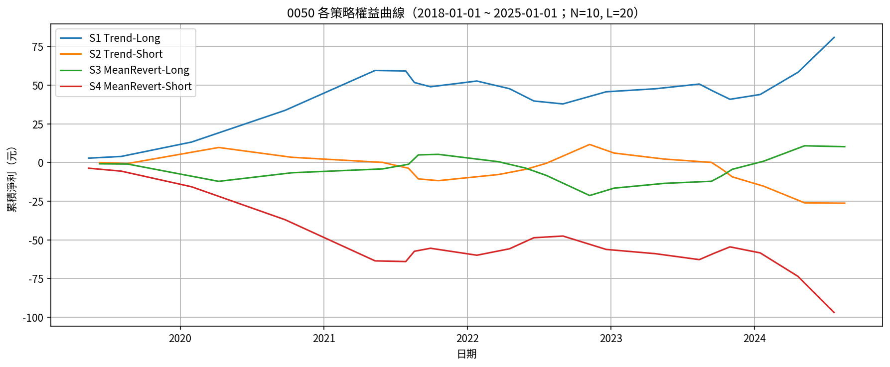
策略 | 淨利潤 | 毛利 | 毛損 | 最大回撤(金額) | 最大回撤(%) | 總交易次數 | 贏家交易次數 | 輸家交易次數 | 勝率(%) | 平均每筆淨利潤 | 單筆最大獲利 | 單筆最大損失 | Profit Factor | Expectancy | Payoff Ratio | 最長連勝 | 最長連敗 | CAGR(%) | MAR | Sharpe | Sortino | N | L
S1 Trend-Long | 80.9 | 116.1 | -35.2 | 21.65 | 100 | 20 | 12 | 8 | 60 | 4.045 | 25.8 | -7.95 | 3.2983 | 4.045 | 2.1989 | 5 | 3 |  |  |  |  | 10 | 20
S2 Trend-Short | -26.25 | 33.8 | -60.05 | 37.95 | 324.36 | 20 | 5 | 14 | 25 | -1.3125 | 12.15 | -10.75 | 0.5629 | -1.527 | 1.576 | 4 | 8 |  |  |  |  | 10 | 20
S3 MeanRevert-Long | 10.25 | 49.6 | -39.35 | 26.6 | 501.89 | 20 | 12 | 8 | 60 | 0.5125 | 9.95 | -12.95 | 1.2605 | 0.5125 | 0.8403 | 7 | 4 |  |  |  |  | 10 | 20
S4 MeanRevert-Short | -96.9 | 29.25 | -126.15 | 93.25 |  | 20 | 7 | 13 | 35 | -4.845 | 7.15 | -26.6 | 0.2319 | -4.845 | 0.4306 | 3 | 6 |  |  |  |  | 10 | 20

