S1_Trend-Long
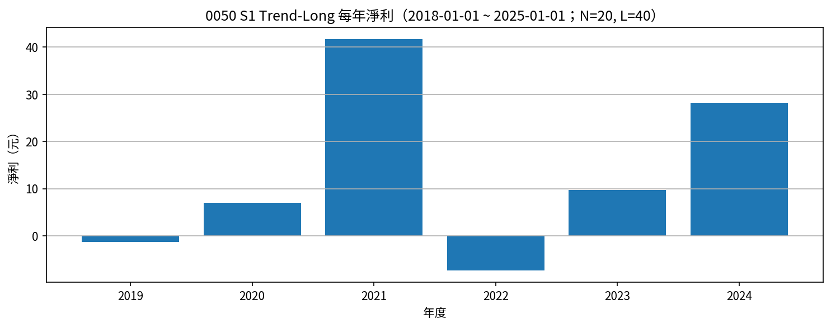
Symbol | Strategy | Date | Action | Price | Reason | Side | Net Profit | Cumulative Net Profit | N | L | Signal Date | Signal_Rolling_High | Signal_Rolling_Low | entry_close_t | exit_close_t | EntryPrice
0050 | S1 Trend-Long | 2019-02-25 | BUY | 77.95 | 收盤 > N日高 | long | 0 | 0 | 20 | 40 | 2019-02-24 | 76.7 | 72 | 77.5
0050 | S1 Trend-Long | 2019-05-23 | SELL | 76.75 | 收盤 < L日低 | long | -1.27735 | -1.27735 | 20 | 40 | 2019-05-22 | 83.8 | 77.7 | 77.5 | 76.95 | 77.95
0050 | S1 Trend-Long | 2019-06-19 | BUY | 81.05 | 收盤 > N日高 | long | 0 | -1.27735 | 20 | 40 | 2019-06-18 | 79.8 | 76.3 | 80.75
0050 | S1 Trend-Long | 2020-02-02 | SELL | 88.2 | 收盤 < L日低 | long | 7.065375 | 5.788025 | 20 | 40 | 2020-01-30 | 98.85 | 91.4 | 80.75 | 89.95 | 81.05
0050 | S1 Trend-Long | 2020-04-15 | BUY | 80.5 | 收盤 > N日高 | long | 0 | 5.788025 | 20 | 40 | 2020-04-14 | 80.95 | 67.25 | 81.2
0050 | S1 Trend-Long | 2021-05-12 | SELL | 125.95 | 收盤 < L日低 | long | 45.346775 | 51.1348 | 20 | 40 | 2021-05-11 | 142 | 130.6 | 81.2 | 129.4 | 80.5
0050 | S1 Trend-Long | 2021-06-15 | BUY | 139 | 收盤 > N日高 | long | 0 | 51.1348 | 20 | 40 | 2021-06-14 | 138.5 | 121.2 | 138.85
0050 | S1 Trend-Long | 2021-07-28 | SELL | 135.55 | 收盤 < L日低 | long | -3.587275 | 47.547525 | 20 | 40 | 2021-07-27 | 141.85 | 134.5 | 138.85 | 134.25 | 139
0050 | S1 Trend-Long | 2021-08-30 | BUY | 139.7 | 收盤 > N日高 | long | 0 | 47.547525 | 20 | 40 | 2021-08-29 | 139.45 | 130.2 | 139.5
0050 | S1 Trend-Long | 2022-02-24 | SELL | 138.75 | 收盤 < L日低 | long | -1.089225 | 46.4583 | 20 | 40 | 2022-02-23 | 152.25 | 140.3 | 139.5 | 138.8 | 139.7
0050 | S1 Trend-Long | 2022-07-31 | BUY | 118.4 | 收盤 > N日高 | long | 0 | 46.4583 | 20 | 40 | 2022-07-28 | 117.95 | 108.45 | 118
0050 | S1 Trend-Long | 2022-09-19 | SELL | 112.25 | 收盤 < L日低 | long | -6.265325 | 40.192975 | 20 | 40 | 2022-09-18 | 122 | 112.1 | 118 | 112.05 | 118.4
0050 | S1 Trend-Long | 2022-11-09 | BUY | 103.75 | 收盤 > N日高 | long | 0 | 40.192975 | 20 | 40 | 2022-11-08 | 102.3 | 96.5 | 104.5
0050 | S1 Trend-Long | 2023-04-26 | SELL | 115.75 | 收盤 < L日低 | long | 11.89025 | 52.083225 | 20 | 40 | 2023-04-25 | 122.35 | 116.5 | 104.5 | 116.1 | 103.75
0050 | S1 Trend-Long | 2023-05-17 | BUY | 122.1 | 收盤 > N日高 | long | 0 | 52.083225 | 20 | 40 | 2023-05-16 | 120.4 | 115.5 | 120.55
0050 | S1 Trend-Long | 2023-08-14 | SELL | 124.95 | 收盤 < L日低 | long | 2.726475 | 54.8097 | 20 | 40 | 2023-08-13 | 132.5 | 126.15 | 120.55 | 124.5 | 122.1
0050 | S1 Trend-Long | 2023-09-17 | BUY | 126.9 | 收盤 > N日高 | long | 0 | 54.8097 | 20 | 40 | 2023-09-14 | 127.1 | 122.9 | 127.35
0050 | S1 Trend-Long | 2023-09-21 | SELL | 122.15 | 收盤 < L日低 | long | -4.874525 | 49.935175 | 20 | 40 | 2023-09-20 | 127.35 | 122.9 | 127.35 | 122.75 | 126.9
0050 | S1 Trend-Long | 2023-11-13 | BUY | 129.5 | 收盤 > N日高 | long | 0 | 49.935175 | 20 | 40 | 2023-11-12 | 127.45 | 121.1 | 128.7
0050 | S1 Trend-Long | 2024-01-17 | SELL | 127.6 | 收盤 < L日低 | long | -2.02855 | 47.906625 | 20 | 40 | 2024-01-16 | 136 | 129.9 | 128.7 | 127.45 | 129.5
0050 | S1 Trend-Long | 2024-01-29 | BUY | 136.65 | 收盤 > N日高 | long | 0 | 47.906625 | 20 | 40 | 2024-01-28 | 136 | 127.3 | 136.5
0050 | S1 Trend-Long | 2024-08-05 | SELL | 167 | 收盤 < L日低 | long | 30.198175 | 78.1048 | 20 | 40 | 2024-08-04 | 202.8 | 166.15 | 136.5 | 158.75 | 136.65
0050 | S1 Trend-Long | 2024-09-24 | BUY | 188 | 收盤 > N日高 | long | 0 | 78.1048 | 20 | 40 | 2024-09-23 | 184.1 | 158.4 | 185

S1_Trend-Long 月勝率（%） |  |  |  |  |  |  | S1_Trend-Long 年淨利
Year | Month | 勝率百分比 | 出場筆數 | 年月 |  |  | Year | 年淨利
2019 | 5 | 0 | 1 | 2019-05 |  |  | 2019 | -1.27735
2020 | 2 | 100 | 1 | 2020-02 |  |  | 2020 | 7.065375
2021 | 5 | 100 | 1 | 2021-05 |  |  | 2021 | 41.7595
2021 | 7 | 0 | 1 | 2021-07 |  |  | 2022 | -7.35455
2022 | 2 | 0 | 1 | 2022-02 |  |  | 2023 | 9.7422
2022 | 9 | 0 | 1 | 2022-09 |  |  | 2024 | 28.169625
2023 | 4 | 100 | 1 | 2023-04
2023 | 8 | 100 | 1 | 2023-08
2023 | 9 | 0 | 1 | 2023-09
2024 | 1 | 0 | 1 | 2024-01
2024 | 8 | 100 | 1 | 2024-08

S2_Trend-Short
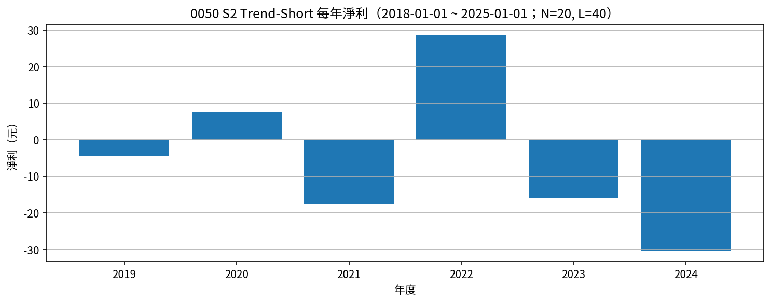
Symbol | Strategy | Date | Action | Price | Reason | Side | Net Profit | Cumulative Net Profit | N | L | Signal Date | Signal_Rolling_High | Signal_Rolling_Low | entry_close_t | exit_close_t | EntryPrice
0050 | S2 Trend-Short | 2019-05-23 | SELLSHORT | 76.75 | 收盤 < L日低 | short | 0 | 0 | 20 | 40 | 2019-05-22 | 83.8 | 77.7 | 76.95
0050 | S2 Trend-Short | 2019-06-19 | BUYTOCOVER | 81.05 | 收盤 > N日高 | short | -4.3789 | -4.3789 | 20 | 40 | 2019-06-18 | 79.8 | 76.3 | 76.95 | 80.75 | 76.75
0050 | S2 Trend-Short | 2020-02-02 | SELLSHORT | 88.2 | 收盤 < L日低 | short | 0 | -4.3789 | 20 | 40 | 2020-01-30 | 98.85 | 91.4 | 89.95
0050 | S2 Trend-Short | 2020-04-15 | BUYTOCOVER | 80.5 | 收盤 > N日高 | short | 7.61565 | 3.23675 | 20 | 40 | 2020-04-14 | 80.95 | 67.25 | 89.95 | 81.2 | 88.2
0050 | S2 Trend-Short | 2021-05-12 | SELLSHORT | 125.95 | 收盤 < L日低 | short | 0 | 3.23675 | 20 | 40 | 2021-05-11 | 142 | 130.6 | 129.4
0050 | S2 Trend-Short | 2021-06-15 | BUYTOCOVER | 139 | 收盤 > N日高 | short | -13.182475 | -9.945725 | 20 | 40 | 2021-06-14 | 138.5 | 121.2 | 129.4 | 138.85 | 125.95
0050 | S2 Trend-Short | 2021-07-28 | SELLSHORT | 135.55 | 收盤 < L日低 | short | 0 | -9.945725 | 20 | 40 | 2021-07-27 | 141.85 | 134.5 | 134.25
0050 | S2 Trend-Short | 2021-08-30 | BUYTOCOVER | 139.7 | 收盤 > N日高 | short | -4.287625 | -14.23335 | 20 | 40 | 2021-08-29 | 139.45 | 130.2 | 134.25 | 139.5 | 135.55
0050 | S2 Trend-Short | 2022-02-24 | SELLSHORT | 138.75 | 收盤 < L日低 | short | 0 | -14.23335 | 20 | 40 | 2022-02-23 | 152.25 | 140.3 | 138.8
0050 | S2 Trend-Short | 2022-07-31 | BUYTOCOVER | 118.4 | 收盤 > N日高 | short | 20.221425 | 5.988075 | 20 | 40 | 2022-07-28 | 117.95 | 108.45 | 138.8 | 118 | 138.75
0050 | S2 Trend-Short | 2022-09-19 | SELLSHORT | 112.25 | 收盤 < L日低 | short | 0 | 5.988075 | 20 | 40 | 2022-09-18 | 122 | 112.1 | 112.05
0050 | S2 Trend-Short | 2022-11-09 | BUYTOCOVER | 103.75 | 收盤 > N日高 | short | 8.392 | 14.380075 | 20 | 40 | 2022-11-08 | 102.3 | 96.5 | 112.05 | 104.5 | 112.25
0050 | S2 Trend-Short | 2023-04-26 | SELLSHORT | 115.75 | 收盤 < L日低 | short | 0 | 14.380075 | 20 | 40 | 2023-04-25 | 122.35 | 116.5 | 116.1
0050 | S2 Trend-Short | 2023-05-17 | BUYTOCOVER | 122.1 | 收盤 > N日高 | short | -6.468925 | 7.91115 | 20 | 40 | 2023-05-16 | 120.4 | 115.5 | 116.1 | 120.55 | 115.75
0050 | S2 Trend-Short | 2023-08-14 | SELLSHORT | 124.95 | 收盤 < L日低 | short | 0 | 7.91115 | 20 | 40 | 2023-08-13 | 132.5 | 126.15 | 124.5
0050 | S2 Trend-Short | 2023-09-17 | BUYTOCOVER | 126.9 | 收盤 > N日高 | short | -2.075925 | 5.835225 | 20 | 40 | 2023-09-14 | 127.1 | 122.9 | 124.5 | 127.35 | 124.95
0050 | S2 Trend-Short | 2023-09-21 | SELLSHORT | 122.15 | 收盤 < L日低 | short | 0 | 5.835225 | 20 | 40 | 2023-09-20 | 127.35 | 122.9 | 122.75
0050 | S2 Trend-Short | 2023-11-13 | BUYTOCOVER | 129.5 | 收盤 > N日高 | short | -7.475825 | -1.6406 | 20 | 40 | 2023-11-12 | 127.45 | 121.1 | 122.75 | 128.7 | 122.15
0050 | S2 Trend-Short | 2024-01-17 | SELLSHORT | 127.6 | 收盤 < L日低 | short | 0 | -1.6406 | 20 | 40 | 2024-01-16 | 136 | 129.9 | 127.45
0050 | S2 Trend-Short | 2024-01-29 | BUYTOCOVER | 136.65 | 收盤 > N日高 | short | -9.182125 | -10.822725 | 20 | 40 | 2024-01-28 | 136 | 127.3 | 127.45 | 136.5 | 127.6
0050 | S2 Trend-Short | 2024-08-05 | SELLSHORT | 167 | 收盤 < L日低 | short | 0 | -10.822725 | 20 | 40 | 2024-08-04 | 202.8 | 166.15 | 158.75
0050 | S2 Trend-Short | 2024-09-24 | BUYTOCOVER | 188 | 收盤 > N日高 | short | -21.1775 | -32.000225 | 20 | 40 | 2024-09-23 | 184.1 | 158.4 | 158.75 | 185 | 167

S2_Trend-Short 月勝率（%） |  |  |  |  |  |  | S2_Trend-Short 年淨利
Year | Month | 勝率百分比 | 出場筆數 | 年月 |  |  | Year | 年淨利
2019 | 6 | 0 | 1 | 2019-06 |  |  | 2019 | -4.3789
2020 | 4 | 100 | 1 | 2020-04 |  |  | 2020 | 7.61565
2021 | 6 | 0 | 1 | 2021-06 |  |  | 2021 | -17.4701
2021 | 8 | 0 | 1 | 2021-08 |  |  | 2022 | 28.613425
2022 | 7 | 100 | 1 | 2022-07 |  |  | 2023 | -16.020675
2022 | 11 | 100 | 1 | 2022-11 |  |  | 2024 | -30.359625
2023 | 5 | 0 | 1 | 2023-05
2023 | 9 | 0 | 1 | 2023-09
2023 | 11 | 0 | 1 | 2023-11
2024 | 1 | 0 | 1 | 2024-01
2024 | 9 | 0 | 1 | 2024-09

S3_MeanRevert-Long
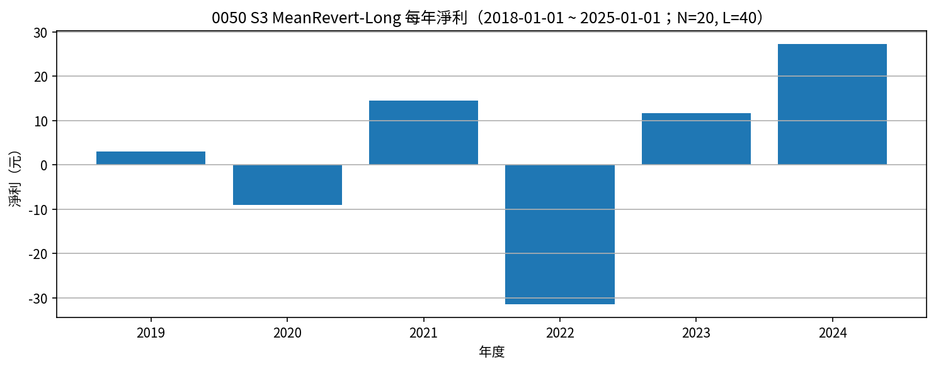
Symbol | Strategy | Date | Action | Price | Reason | Side | Net Profit | Cumulative Net Profit | N | L | Signal Date | Signal_Rolling_High | Signal_Rolling_Low | entry_close_t | exit_close_t | EntryPrice
0050 | S3 MeanRevert-Long | 2019-05-23 | BUY | 77.35 | 收盤 < L日低 | long | 0 | 0 | 20 | 40 | 2019-05-22 | 83.8 | 77.7 | 76.95
0050 | S3 MeanRevert-Long | 2019-06-19 | SELL | 80.45 | 收盤 > N日高 | long | 3.0211 | 3.0211 | 20 | 40 | 2019-06-18 | 79.8 | 76.3 | 76.95 | 80.75 | 77.35
0050 | S3 MeanRevert-Long | 2020-02-02 | BUY | 88.8 | 收盤 < L日低 | long | 0 | 3.0211 | 20 | 40 | 2020-01-30 | 98.85 | 91.4 | 89.95
0050 | S3 MeanRevert-Long | 2020-04-15 | SELL | 79.9 | 收盤 > N日高 | long | -8.98435 | -5.96325 | 20 | 40 | 2020-04-14 | 80.95 | 67.25 | 89.95 | 81.2 | 88.8
0050 | S3 MeanRevert-Long | 2021-05-12 | BUY | 126.55 | 收盤 < L日低 | long | 0 | -5.96325 | 20 | 40 | 2021-05-11 | 142 | 130.6 | 129.4
0050 | S3 MeanRevert-Long | 2021-06-15 | SELL | 138.4 | 收盤 > N日高 | long | 11.717525 | 5.754275 | 20 | 40 | 2021-06-14 | 138.5 | 121.2 | 129.4 | 138.85 | 126.55
0050 | S3 MeanRevert-Long | 2021-07-28 | BUY | 136.15 | 收盤 < L日低 | long | 0 | 5.754275 | 20 | 40 | 2021-07-27 | 141.85 | 134.5 | 134.25
0050 | S3 MeanRevert-Long | 2021-08-30 | SELL | 139.1 | 收盤 > N日高 | long | 2.812375 | 8.56665 | 20 | 40 | 2021-08-29 | 139.45 | 130.2 | 134.25 | 139.5 | 136.15
0050 | S3 MeanRevert-Long | 2022-02-24 | BUY | 139.35 | 收盤 < L日低 | long | 0 | 8.56665 | 20 | 40 | 2022-02-23 | 152.25 | 140.3 | 138.8
0050 | S3 MeanRevert-Long | 2022-07-31 | SELL | 117.8 | 收盤 > N日高 | long | -21.678575 | -13.111925 | 20 | 40 | 2022-07-28 | 117.95 | 108.45 | 138.8 | 118 | 139.35
0050 | S3 MeanRevert-Long | 2022-09-19 | BUY | 112.85 | 收盤 < L日低 | long | 0 | -13.111925 | 20 | 40 | 2022-09-18 | 122 | 112.1 | 112.05
0050 | S3 MeanRevert-Long | 2022-11-09 | SELL | 103.15 | 收盤 > N日高 | long | -9.808 | -22.919925 | 20 | 40 | 2022-11-08 | 102.3 | 96.5 | 112.05 | 104.5 | 112.85
0050 | S3 MeanRevert-Long | 2023-04-26 | BUY | 116.35 | 收盤 < L日低 | long | 0 | -22.919925 | 20 | 40 | 2023-04-25 | 122.35 | 116.5 | 116.1
0050 | S3 MeanRevert-Long | 2023-05-17 | SELL | 121.5 | 收盤 > N日高 | long | 5.031075 | -17.88885 | 20 | 40 | 2023-05-16 | 120.4 | 115.5 | 116.1 | 120.55 | 116.35
0050 | S3 MeanRevert-Long | 2023-08-14 | BUY | 125.55 | 收盤 < L日低 | long | 0 | -17.88885 | 20 | 40 | 2023-08-13 | 132.5 | 126.15 | 124.5
0050 | S3 MeanRevert-Long | 2023-09-17 | SELL | 126.3 | 收盤 > N日高 | long | 0.624075 | -17.264775 | 20 | 40 | 2023-09-14 | 127.1 | 122.9 | 124.5 | 127.35 | 125.55
0050 | S3 MeanRevert-Long | 2023-09-21 | BUY | 122.75 | 收盤 < L日低 | long | 0 | -17.264775 | 20 | 40 | 2023-09-20 | 127.35 | 122.9 | 122.75
0050 | S3 MeanRevert-Long | 2023-11-13 | SELL | 128.9 | 收盤 > N日高 | long | 6.024175 | -11.2406 | 20 | 40 | 2023-11-12 | 127.45 | 121.1 | 122.75 | 128.7 | 122.75
0050 | S3 MeanRevert-Long | 2024-01-17 | BUY | 128.2 | 收盤 < L日低 | long | 0 | -11.2406 | 20 | 40 | 2024-01-16 | 136 | 129.9 | 127.45
0050 | S3 MeanRevert-Long | 2024-01-29 | SELL | 136.05 | 收盤 > N日高 | long | 7.717875 | -3.522725 | 20 | 40 | 2024-01-28 | 136 | 127.3 | 127.45 | 136.5 | 128.2
0050 | S3 MeanRevert-Long | 2024-08-05 | BUY | 167.6 | 收盤 < L日低 | long | 0 | -3.522725 | 20 | 40 | 2024-08-04 | 202.8 | 166.15 | 158.75
0050 | S3 MeanRevert-Long | 2024-09-24 | SELL | 187.4 | 收盤 > N日高 | long | 19.6225 | 16.099775 | 20 | 40 | 2024-09-23 | 184.1 | 158.4 | 158.75 | 185 | 167.6

S3_MeanRevert-Long 月勝率（%） |  |  |  |  |  |  | S3_MeanRevert-Long 年淨利
Year | Month | 勝率百分比 | 出場筆數 | 年月 |  |  | Year | 年淨利
2019 | 6 | 100 | 1 | 2019-06 |  |  | 2019 | 3.0211
2020 | 4 | 0 | 1 | 2020-04 |  |  | 2020 | -8.98435
2021 | 6 | 100 | 1 | 2021-06 |  |  | 2021 | 14.5299
2021 | 8 | 100 | 1 | 2021-08 |  |  | 2022 | -31.486575
2022 | 7 | 0 | 1 | 2022-07 |  |  | 2023 | 11.679325
2022 | 11 | 0 | 1 | 2022-11 |  |  | 2024 | 27.340375
2023 | 5 | 100 | 1 | 2023-05
2023 | 9 | 100 | 1 | 2023-09
2023 | 11 | 100 | 1 | 2023-11
2024 | 1 | 100 | 1 | 2024-01
2024 | 9 | 100 | 1 | 2024-09

S4_MeanRevert-Short
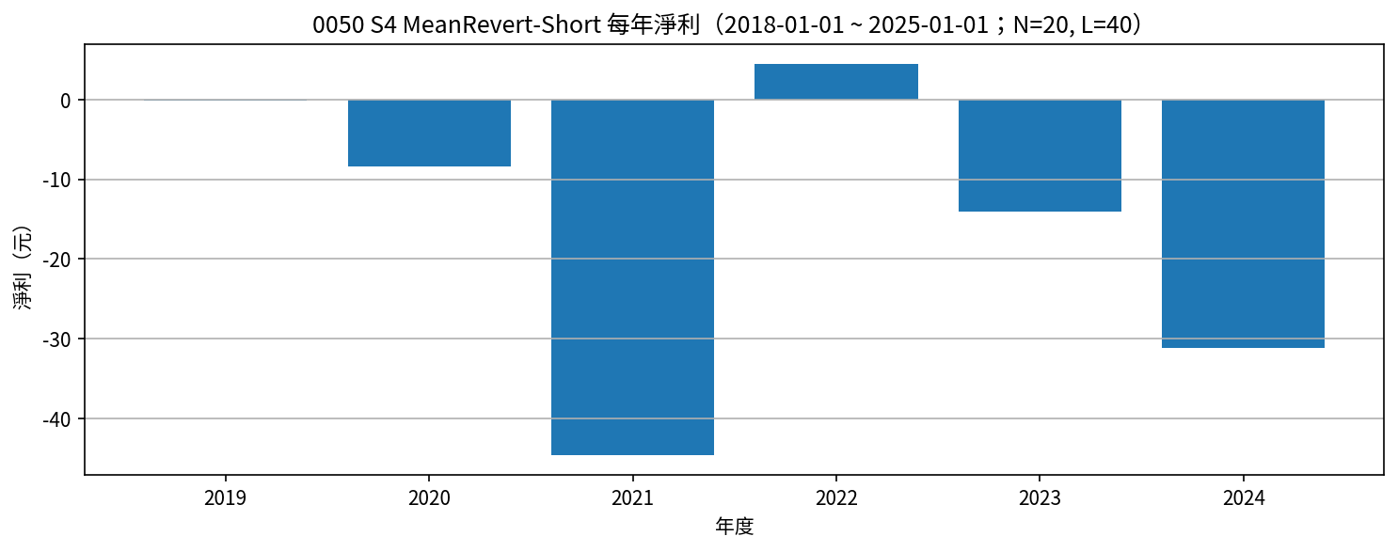
Symbol | Strategy | Date | Action | Price | Reason | Side | Net Profit | Cumulative Net Profit | N | L | Signal Date | Signal_Rolling_High | Signal_Rolling_Low | entry_close_t | exit_close_t | EntryPrice
0050 | S4 MeanRevert-Short | 2019-02-25 | SELLSHORT | 77.35 | 收盤 > N日高 | short | 0 | 0 | 20 | 40 | 2019-02-24 | 76.7 | 72 | 77.5
0050 | S4 MeanRevert-Short | 2019-05-23 | BUYTOCOVER | 77.35 | 收盤 < L日低 | short | -0.07735 | -0.07735 | 20 | 40 | 2019-05-22 | 83.8 | 77.7 | 77.5 | 76.95 | 77.35
0050 | S4 MeanRevert-Short | 2019-06-19 | SELLSHORT | 80.45 | 收盤 > N日高 | short | 0 | -0.07735 | 20 | 40 | 2019-06-18 | 79.8 | 76.3 | 80.75
0050 | S4 MeanRevert-Short | 2020-02-02 | BUYTOCOVER | 88.8 | 收盤 < L日低 | short | -8.434625 | -8.511975 | 20 | 40 | 2020-01-30 | 98.85 | 91.4 | 80.75 | 89.95 | 80.45
0050 | S4 MeanRevert-Short | 2020-04-15 | SELLSHORT | 79.9 | 收盤 > N日高 | short | 0 | -8.511975 | 20 | 40 | 2020-04-14 | 80.95 | 67.25 | 81.2
0050 | S4 MeanRevert-Short | 2021-05-12 | BUYTOCOVER | 126.55 | 收盤 < L日低 | short | -46.753225 | -55.2652 | 20 | 40 | 2021-05-11 | 142 | 130.6 | 81.2 | 129.4 | 79.9
0050 | S4 MeanRevert-Short | 2021-06-15 | SELLSHORT | 138.4 | 收盤 > N日高 | short | 0 | -55.2652 | 20 | 40 | 2021-06-14 | 138.5 | 121.2 | 138.85
0050 | S4 MeanRevert-Short | 2021-07-28 | BUYTOCOVER | 136.15 | 收盤 < L日低 | short | 2.112725 | -53.152475 | 20 | 40 | 2021-07-27 | 141.85 | 134.5 | 138.85 | 134.25 | 138.4
0050 | S4 MeanRevert-Short | 2021-08-30 | SELLSHORT | 139.1 | 收盤 > N日高 | short | 0 | -53.152475 | 20 | 40 | 2021-08-29 | 139.45 | 130.2 | 139.5
0050 | S4 MeanRevert-Short | 2022-02-24 | BUYTOCOVER | 139.35 | 收盤 < L日低 | short | -0.389225 | -53.5417 | 20 | 40 | 2022-02-23 | 152.25 | 140.3 | 139.5 | 138.8 | 139.1
0050 | S4 MeanRevert-Short | 2022-07-31 | SELLSHORT | 117.8 | 收盤 > N日高 | short | 0 | -53.5417 | 20 | 40 | 2022-07-28 | 117.95 | 108.45 | 118
0050 | S4 MeanRevert-Short | 2022-09-19 | BUYTOCOVER | 112.85 | 收盤 < L日低 | short | 4.834675 | -48.707025 | 20 | 40 | 2022-09-18 | 122 | 112.1 | 118 | 112.05 | 117.8
0050 | S4 MeanRevert-Short | 2022-11-09 | SELLSHORT | 103.15 | 收盤 > N日高 | short | 0 | -48.707025 | 20 | 40 | 2022-11-08 | 102.3 | 96.5 | 104.5
0050 | S4 MeanRevert-Short | 2023-04-26 | BUYTOCOVER | 116.35 | 收盤 < L日低 | short | -13.30975 | -62.016775 | 20 | 40 | 2023-04-25 | 122.35 | 116.5 | 104.5 | 116.1 | 103.15
0050 | S4 MeanRevert-Short | 2023-05-17 | SELLSHORT | 121.5 | 收盤 > N日高 | short | 0 | -62.016775 | 20 | 40 | 2023-05-16 | 120.4 | 115.5 | 120.55
0050 | S4 MeanRevert-Short | 2023-08-14 | BUYTOCOVER | 125.55 | 收盤 < L日低 | short | -4.173525 | -66.1903 | 20 | 40 | 2023-08-13 | 132.5 | 126.15 | 120.55 | 124.5 | 121.5
0050 | S4 MeanRevert-Short | 2023-09-17 | SELLSHORT | 126.3 | 收盤 > N日高 | short | 0 | -66.1903 | 20 | 40 | 2023-09-14 | 127.1 | 122.9 | 127.35
0050 | S4 MeanRevert-Short | 2023-09-21 | BUYTOCOVER | 122.75 | 收盤 < L日低 | short | 3.425475 | -62.764825 | 20 | 40 | 2023-09-20 | 127.35 | 122.9 | 127.35 | 122.75 | 126.3
0050 | S4 MeanRevert-Short | 2023-11-13 | SELLSHORT | 128.9 | 收盤 > N日高 | short | 0 | -62.764825 | 20 | 40 | 2023-11-12 | 127.45 | 121.1 | 128.7
0050 | S4 MeanRevert-Short | 2024-01-17 | BUYTOCOVER | 128.2 | 收盤 < L日低 | short | 0.57145 | -62.193375 | 20 | 40 | 2024-01-16 | 136 | 129.9 | 128.7 | 127.45 | 128.9
0050 | S4 MeanRevert-Short | 2024-01-29 | SELLSHORT | 136.05 | 收盤 > N日高 | short | 0 | -62.193375 | 20 | 40 | 2024-01-28 | 136 | 127.3 | 136.5
0050 | S4 MeanRevert-Short | 2024-08-05 | BUYTOCOVER | 167.6 | 收盤 < L日低 | short | -31.701825 | -93.8952 | 20 | 40 | 2024-08-04 | 202.8 | 166.15 | 136.5 | 158.75 | 136.05
0050 | S4 MeanRevert-Short | 2024-09-24 | SELLSHORT | 187.4 | 收盤 > N日高 | short | 0 | -93.8952 | 20 | 40 | 2024-09-23 | 184.1 | 158.4 | 185

S4_MeanRevert-Short 月勝率（%） |  |  |  |  |  |  | S4_MeanRevert-Short 年淨利
Year | Month | 勝率百分比 | 出場筆數 | 年月 |  |  | Year | 年淨利
2019 | 5 | 0 | 1 | 2019-05 |  |  | 2019 | -0.07735
2020 | 2 | 0 | 1 | 2020-02 |  |  | 2020 | -8.434625
2021 | 5 | 0 | 1 | 2021-05 |  |  | 2021 | -44.6405
2021 | 7 | 100 | 1 | 2021-07 |  |  | 2022 | 4.44545
2022 | 2 | 0 | 1 | 2022-02 |  |  | 2023 | -14.0578
2022 | 9 | 100 | 1 | 2022-09 |  |  | 2024 | -31.130375
2023 | 4 | 0 | 1 | 2023-04
2023 | 8 | 0 | 1 | 2023-08
2023 | 9 | 100 | 1 | 2023-09
2024 | 1 | 100 | 1 | 2024-01
2024 | 8 | 0 | 1 | 2024-08

SUMMARY
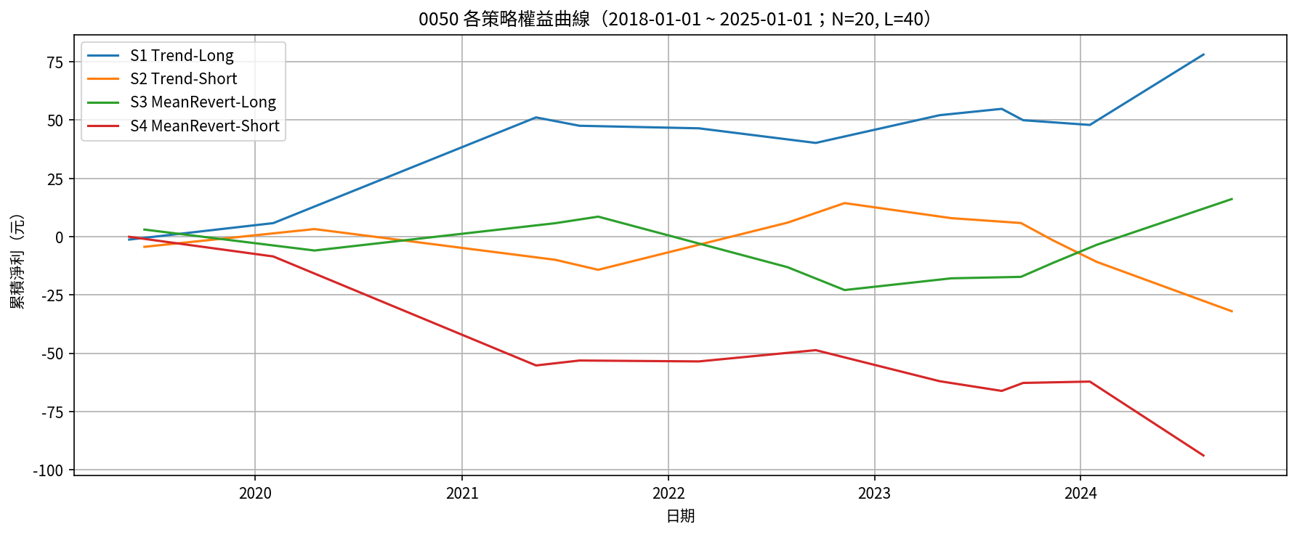
策略 | 淨利潤 | 毛利 | 毛損 | 最大回撤(金額) | 最大回撤(%) | 總交易次數 | 贏家交易次數 | 輸家交易次數 | 勝率(%) | 平均每筆淨利潤 | 單筆最大獲利 | 單筆最大損失 | Profit Factor | Expectancy | Payoff Ratio | 最長連勝 | 最長連敗 | CAGR(%) | MAR | Sharpe | Sortino | N | L
S1 Trend-Long | 78.1048 | 97.227 | -19.1222 | 10.9418 | 100 | 11 | 5 | 6 | 45.45 | 7.1004 | 45.3468 | -6.2653 | 5.0845 | 7.1004 | 6.1014 | 2 | 3 |  |  |  |  | 20 | 40
S2 Trend-Short | -32.0002 | 36.2291 | -68.2293 | 46.3803 | 539.74 | 11 | 3 | 8 | 27.27 | -2.9091 | 20.2214 | -21.1775 | 0.531 | -2.9091 | 1.416 | 2 | 5 |  |  |  |  | 20 | 40
S3 MeanRevert-Long | 16.0998 | 56.5707 | -40.4709 | 31.4866 | 367.55 | 11 | 8 | 3 | 72.73 | 1.4636 | 19.6225 | -21.6786 | 1.3978 | 1.4636 | 0.5242 | 5 | 2 |  |  |  |  | 20 | 40
S4 MeanRevert-Short | -93.8952 | 10.9443 | -104.8395 | 93.8179 |  | 11 | 4 | 7 | 36.36 | -8.5359 | 4.8347 | -46.7532 | 0.1044 | -8.5359 | 0.1827 | 2 | 3 |  |  |  |  | 20 | 40

