Sheet1
 |  | ShanghaiTech Part A |  | ShanghaiTech Part B |  | UCF-QNRF
 |  | MAE | MSE | MAE | MSE | MAE | MSE
Learning from Web Data | ICPR'20 | 60.7 | 94.6 | 7.1 | 10.9 | 83.2 | 145.8
Spatial Uncertainty-Aware | ICCV'21 | 68.5 | 121.9 | 14.1 | 20.6 | 130.3 | 226.3
Reducing Spatial Labeling | TPAMI'22 | 79.6 | 127.5 | 12.7 | 20.3 | 129.2 | 227.4
Pseudo-Label Learning | TNNLS'23 | 81.3 | 130.5 | 14.5 | 22.3 | 124.7 | 206.3
Spatial Temporal Consistency | TCSVT'23 | 62.3 | 103.5 | 9.5 | 14.6 | 97.6 | 160.3
Data-Efficient Supervised | TMM'23 | 82.1 | 132.9 | 11.5 | 20.2 | 151.0 | 259.1
SAFECOUNT（小样本） | WACV'23 | 73.7 | —— | 9.98 | —— | —— | ——

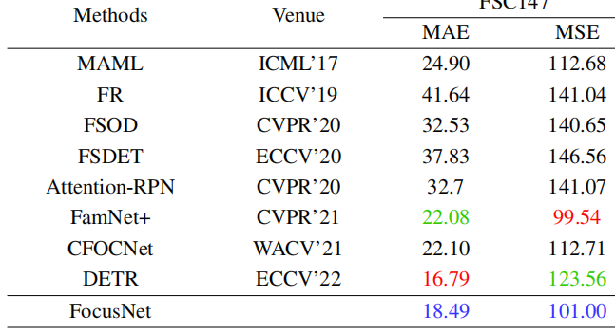

SAFECOUNT（小样本） | WACV'23 | 14.32 | 85.84
实测 |  | 15.03 | 83.04

 |  | ShanghaiTech Part A |  | ShanghaiTech Part B
 |  | MAE | MSE | MAE | MSE
SAFECOUNT（小样本） | WACV'23 | 73.7 | —— | 9.98 | ——
随机抽取五张（five-shot） |  | 76.12 | 128.53 | 9.48 | 16.2
人为挑选五张作为(five-shot) |  | 75.87 | 124.45

one-shot |  | 83.57 | 140.8

