BinGridMath
File | Spreadsheet with math and test data for Bin Grid definition of OSDU. See the accompanying document for explanation.
Author | Version | Date | Change log
Bert Kampes | 1 | 2019-09-06 | Initial version

These equations show how to calculate (derive) P6/11 parameters from four-point definition (I,J,X,Y), with optional increments.
Use at least double precision (8B) floating point (storage or temp variables) and computations for all variables.
Show 5 decimal places for bearing; 6 for inl*xln spacings; 2 for XY.xx coordinates; 0 (int) for increments to maintain cm precision (7 decimal places for DD.ddddddd geographic coordinates and 3 when represented as DMS.sss; 5 decimal places for scale factor)
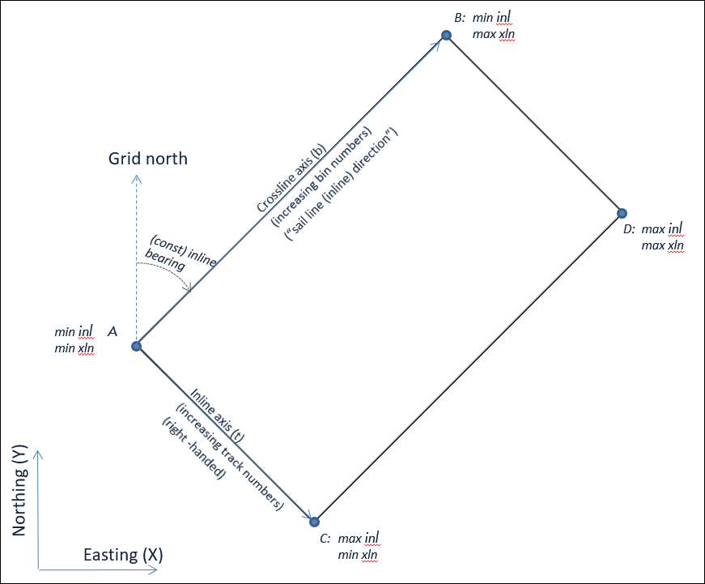
Four-point definition:
Projected CRS: | NAD27 / UTM zone 15N |  | CRS code: | EPSG::26715
Coordinate Transformation: | n/a |  | CT code: | n/a

Point Sequence* | Inline (integer) | Crossline (integer) | Easting (X) | Northing (Y)
A | 14100 | 5161 | 423082.00 | 3227690.00 |  | (min inline, min crossline)
B | 14100 | 9409 | 491346.00 | 3309044.00 |  | (min inline, max crossline)
C | 17700 | 5161 | 395504.00 | 3250830.00 |  | (max inline, min crossline)
D | 17700 | 9409 | 463768.00 | 3332184.00 |  | (max inline, max crossline)

*Note: The order of the rows must be A,B,C,D, otherwise the equations below do not work correctly!
When implemented the points could be tested or sorted to be in the required order (applications often store in order A,C,D,B spanning a rectangle).

Increments are stored with BinGrid using P6BinNodeIncrementOnIAxis/Jaxis, potentially overwritten by InlineIncrement and CrosslineIncrement stored with SeismicTraceData
P6BinNodeIncrementOnIaxis | 5 |  |  | (Inline increment; integer>0)
P6BinNodeIncrementOnJaxis | 2 |  |  | (Crossline increment; integer>0)

(--derived parameters follow below this line--)

Unit of projected CRS
CRS_horizontal_unit | m |  |  | (obtain unit from the projected CRS)

"real" inline spacing: the distance between two bins separated by the given increment
R_AC | 36000.079 | m |  | [units of CRS]
R_BD | 36000.079 | m
dRΔI | 50.000109645 | m |  | P6BinWidthOnIaxis: the inline-to-inline spacing at the given increment
 | 50.000110 | m |  | (shown to 6 places such that for 100 km the error is <5cm)

"real" crossline spacing: the distance between two bins separated by the given increment
R_AB | 106200.033 | m
R_CD | 106200.033 | m
dRΔJ | 50.000015543 | m |  | P6BinWidthOnJaxis: the crossline-to-crossline spacing at the given increment
 | 50.000016 | m |  | (shown to 6 places such that for 100 km the error is <5cm)

Constant inline bearing direction = the "sail line direction", the clockwise angle in degrees [0,360> from Grid North for a line with constant inline coordinates in direction of increasing crossline coordinates.
theta_AB | 39.999953962 | degrees |  | (Bearing of line A>B with constant inline coordinate is given by the four quadrant arc tangent; degrees(atan2(Y_B-Y_A, X_B-X_A)) in Excel (arguments switched vs document because in Excel atan2(b,a) = atan(a/b) in Q1, which is uncommon))
theta_CD | 39.999953962 | degrees |  | (see the math equations used above as example)
theta_avg | 39.999953962 | degrees |  | (compute the average bearing of line A>B and C>D)
theta | 39.999953962 | degrees |  | P6MapGridBearingOfBinGridJaxis (in interval [0,360>)
 | 39.99995 | degrees |  | (shown to 5 places such that for 100 km the error is <1cm)

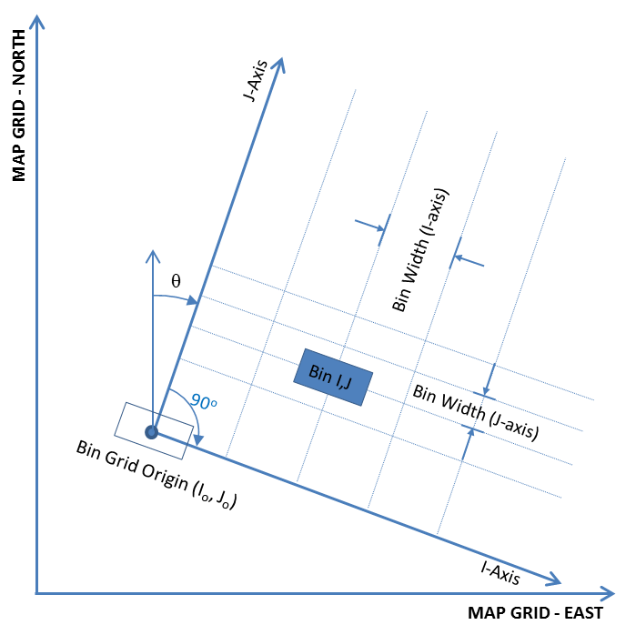
Handedness, "RIGHT-HANDED" if the inline axes points to the right of the crossline axis.
handedness | LEFT-HANDED |  |  | P6TransformationMethod=9666 for right-handed; 1049 for left-handed

Summary of derived P6 parameters (using the center of ABCD as Origin tie point to conveniently use the squaring algorithm)
Schema parameter | Value | symbol
P6TransformationMethod | 1049 | -1 |  | (sign used in equations below; RH=1, LH=-1)
P6BinGridOriginI | 15900 | I0 |  | (the center of ABCD used here as Origin)
P6BinGridOriginJ | 7285 | J0 |  | (the center of ABCD used here as Origin)
P6BinGridOriginEasting | 443425.00 | X0 |  | (the center of ABCD used here as Origin)
P6BinGridOriginNorthing | 3279937.00 | Y0 |  | (the center of ABCD used here as Origin)
P6BinWidthOnIaxis | 50.000109645 | dRΔI
P6BinWidthOnJaxis | 50.000015543 | dRΔJ
P6MapGridBearingOfBinGridJaxis | 39.999953962 | θ
P6ScaleFactorOfBinGrid | 1.00000 | SF
P6BinNodeIncrementOnIaxis | 5 | ΔI
P6BinNodeIncrementOnJaxis | 2 | ΔJ

Test for squareness: compute the XY coordinates at the ABCD points with the average bearing and bin spacing

input (copy from above) | given | input | given | input |  | calculated from input (X,Y) |  | | calculated from input (I,J) |  |  | Residuals at the four corner tie points ("squareness test")
Point Sequence* | Inline (integer) | Crossline (integer) | Easting (X) | Northing (Y) |  | I' | J' | X' | Y' |  | I-I' | J-J' | X-X' | Y-Y'
A | 14100 | 5161 | 423082 | 3227690 |  | 14100.00 | 5161.01 | 423081.84 | 3227689.81 |  | 0.00 | -0.01 | 0.16 | 0.19
B | 14100 | 9409 | 491346 | 3309044 | --> | 14100.00 | 9409.01 | 491345.84 | 3309043.81 |  | 0.00 | -0.01 | 0.16 | 0.19
C | 17700 | 5161 | 395504 | 3250830 |  | 17700.00 | 5160.99 | 395504.16 | 3250830.19 |  | 0.00 | 0.01 | -0.16 | -0.19
D | 17700 | 9409 | 463768 | 3332184 |  | 17700.00 | 9408.99 | 463768.16 | 3332184.19 |  | 0.00 | 0.01 | -0.16 | -0.19
 |  |  |  |  |  |  |  |  |  | max mis-location: | 0.00 | 0.01 | [in bins at incr1]

QC pass/fail = | PASS | in this example, accept received ABCD points for loading into SDU if they are within 1.5 m from a perfect rectangle
Loading pass/fail = | PASS | in this example, accept loading a volume in an interpretation package if the squaring leads to a mis-location of less than 1 incremented bin (e.g., after a reprojection to a different CRS)

atan2
input
output

1. Demonstrate how to check atan2 four-quadrant function to compute a bearing (clockwise positive angle from north). Note: Bearing = atan(dx/dy) in Q1 and Q2.
Most common definitions atan2(y,x) = atan(y/x) in Q1
However, MS Excel defines atan2(x,y) = atan(y/x) in Q1; hence all arguments are switched in this spreadsheet compared to the documented formulas.
 |  |  |  |  | EXCEL | EXCEL | EXCEL
Q | dx | dy | correct bearing |  | atan(x/y) | atan2(y,x) | atan2(x,y) | atan2(x,y)=atan(y,x) in xx | https://en.wikipedia.org/wiki/Atan2
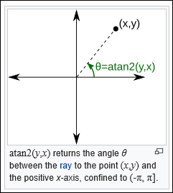
I | 1 | 2 | 26.6 |  | 26.6 | 26.6 | 63.4 | 1.1071487178
II | -1 | 2 | 333.4 |  | -26.6 | 333.4 | 116.6 | 2.0344439358
III | -1 | -2 | 206.6 |  | 26.6 | 206.6 | 243.4 | -2.0344439358
IV | 1 | -2 | 153.4 |  | -26.6 | 153.4 | 296.6 | -1.1071487178

2. Demonstrate how to average 2 bearings using Euler's function (vector addition in the complex plane to avoid wrapping effects):
 | deg | rad | cos() | sin() | atan2() | deg | deg
bearing1 | 359 | 6.2657320147 | 0.99984769516 | -0.017452406437 | -0.01745329252 | -1 | 359
bearing2 | 2 | 0.03490658504 | 0.99939082702 | 0.034899496703 | 0.03490658504 | 2 | 2
average |  |  | 1.9992385222 | 0.017447090265 | 0.00872664626 | 0.5 | 0.5

bearing1 | 358 | 6.2482787221 | 0.99939082702 | -0.034899496703 | -0.03490658504 | -2 | 358
bearing2 | 1 | 0.01745329252 | 0.99984769516 | 0.017452406437 | 0.01745329252 | 1 | 1
average |  |  | 1.9992385222 | -0.017447090265 | -0.00872664626 | -0.5 | 359.5 |  | https://en.wikipedia.org/wiki/Euler%27s_formula
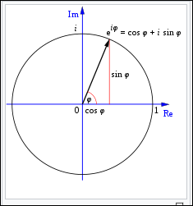
bearing1 | 89 | 1.5533430343 | 0.017452406437 | 0.99984769516 | 1.5533430343 | 89 | 89
bearing2 | 92 | 1.6057029118 | -0.034899496703 | 0.99939082702 | 1.6057029118 | 92 | 92
average |  |  | -0.017447090265 | 1.9992385222 | 1.5795229731 | 90.5 | 90.5

bearing1 | 88 | 1.5358897418 | 0.034899496703 | 0.99939082702 | 1.5358897418 | 88 | 88
bearing2 | 91 | 1.5882496193 | -0.017452406437 | 0.99984769516 | 1.5882496193 | 91 | 91
average |  |  | 0.017447090265 | 1.9992385222 | 1.5620696805 | 89.5 | 89.5

bearing1 | -178 | -3.1066860685 | -0.99939082702 | -0.034899496703 | -3.1066860685 | -178 | 182
bearing2 | 181 | 3.1590459461 | -0.99984769516 | -0.017452406437 | -3.1241393611 | -179 | 181
average |  |  | -1.9992385222 | -0.05235190314 | -3.1154127148 | -178.5 | 181.5

bearing1 | 179 | 3.1241393611 | -0.99984769516 | 0.017452406437 | 3.1241393611 | 179 | 179
bearing2 | 182 | 3.1764992386 | -0.99939082702 | -0.034899496703 | -3.1066860685 | -178 | 182
average |  |  | -1.9992385222 | -0.017447090265 | -3.1328660073 | -179.5 | 180.5

bearing1 | 269 | 4.6949356879 | -0.017452406437 | -0.99984769516 | -1.5882496193 | -91 | 269
bearing2 | 272 | 4.7472955654 | 0.034899496703 | -0.99939082702 | -1.5358897418 | -88 | 272
average |  |  | 0.017447090265 | -1.9992385222 | -1.5620696805 | -89.5 | 270.5

bearing1 | 268 | 4.6774823953 | -0.034899496703 | -0.99939082702 | -1.6057029118 | -92 | 268
bearing2 | 271 | 4.7298422729 | 0.017452406437 | -0.99984769516 | -1.5533430343 | -89 | 271
average |  |  | -0.017447090265 | -1.9992385222 | -1.5795229731 | -90.5 | 269.5

