step08
演習

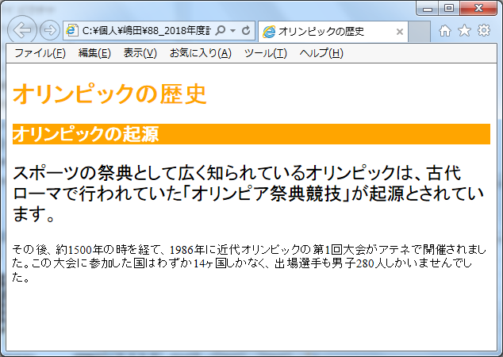

color:orange;

background-color:orange;
color:white;

font-size:18pt;

step09
演習

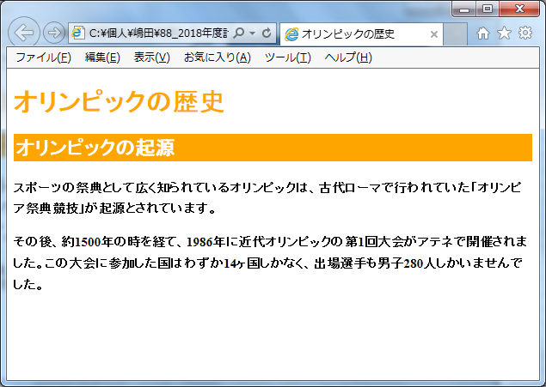
color:orange;

background-color:orange;
color:white;
padding:3px;

font-weight:bold;
line-height:1.6;

