Sheet1
springboot + mybatis框架的搭建，及demo小程序做成

1. JDK安装
https://www.oracle.com/java/technologies/javase-downloads.html
安装过程省略。（一直next就行，默认安装位置）
2. JDK配置
 | 1）配置环境变量JAVA_HOME | 2)在环境变量Path里追加%JAVA_HOME%\bin |  |  | 3)验证Java安装成功。
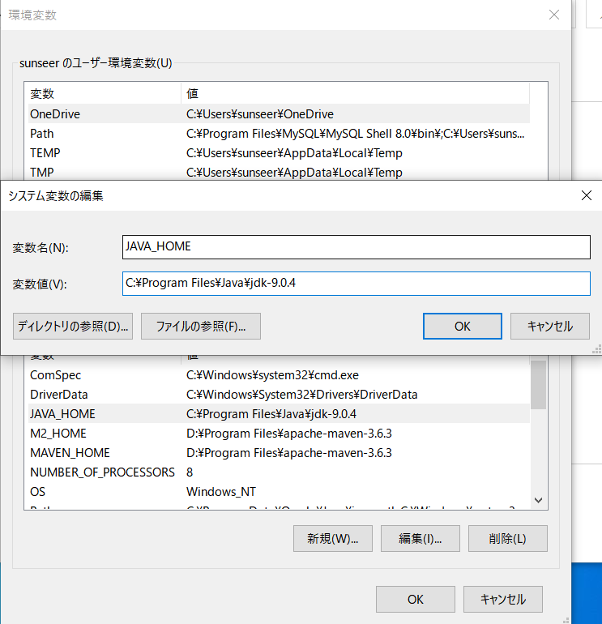
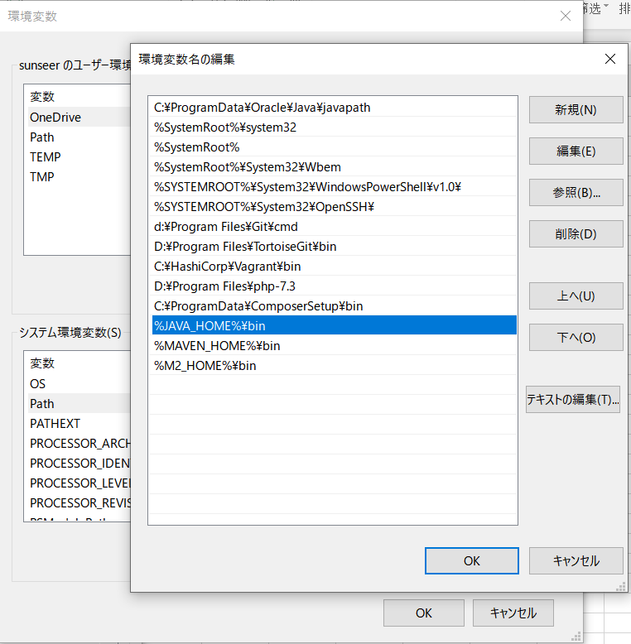
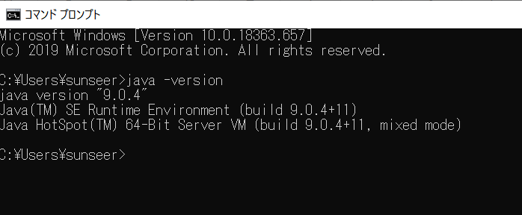

3.配置maven
 | 1）download
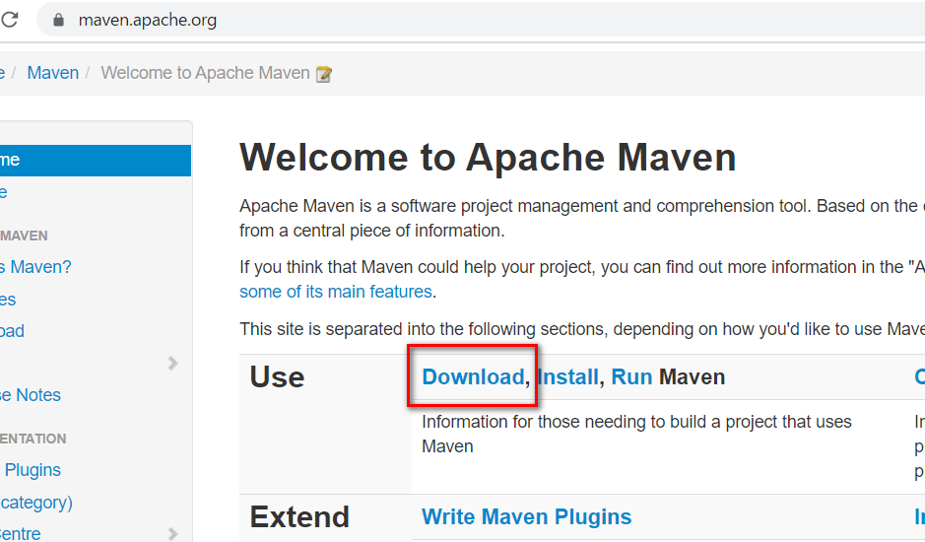

 | 2) 配置
 | ①下载完成后，解压到你自己的目录
 | 我解压到D:\Program Files\apache-maven-3.6.3
 | I:配置环境变量 MAVEN_HOME和M2_HOME,两个的地址是一样的。 |  | II：在path里加入 |  | III：验证，成功
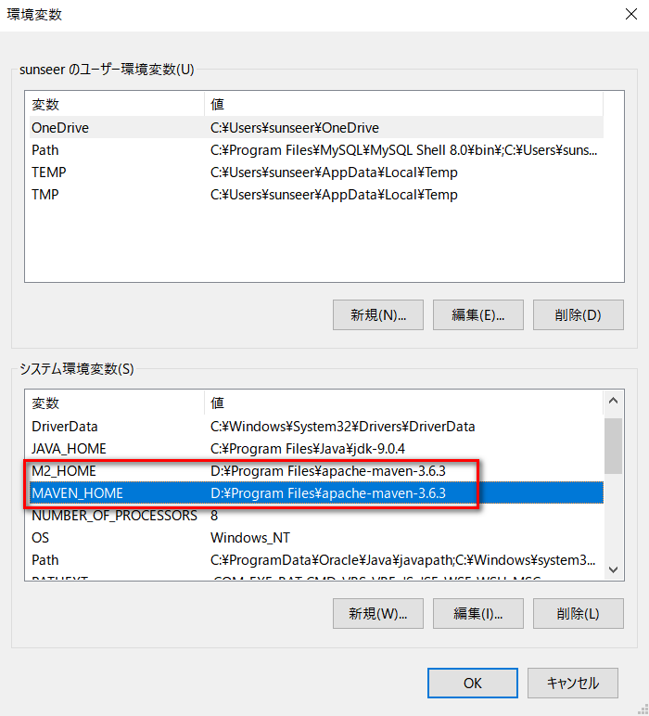
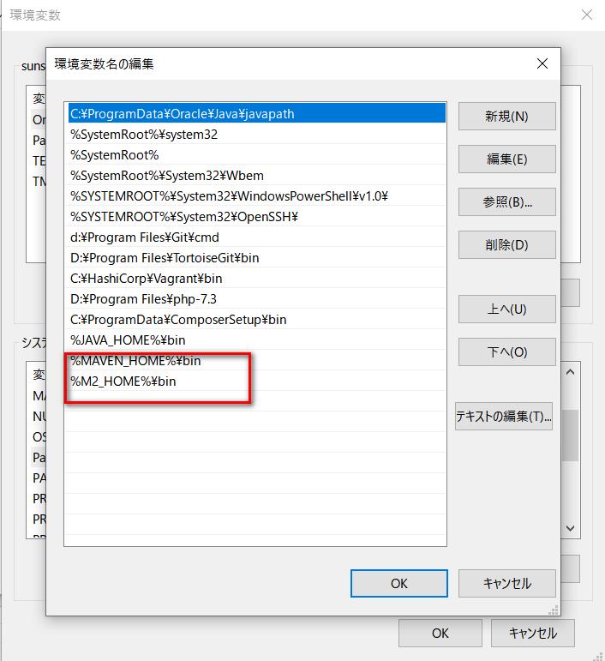
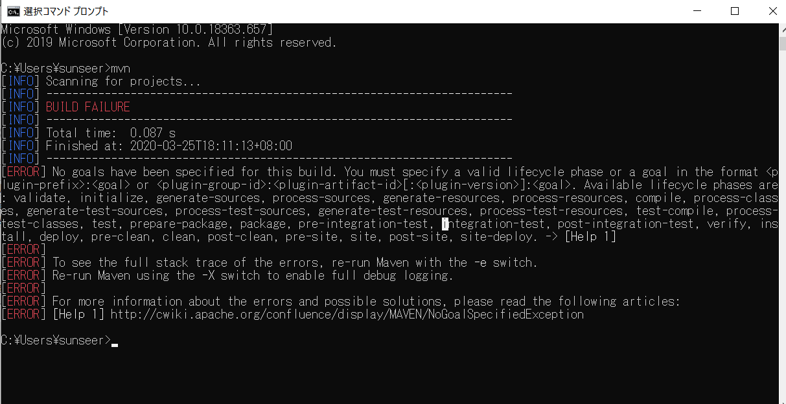

 | ②D:\Program Files\apache-maven-3.6.3\conf的settings.xml拷贝到目录下C:\Users\用户名\.m2下，然后配置此文件
 | I:配置阿里镜像路径 |  |  | II：配置Maven本地仓库
<mirrors>
<!-- mirror
| Specifies a repository mirror site to use instead of a given repository. The repository that
| this mirror serves has an ID that matches the mirrorOf element of this mirror. IDs are used
| for inheritance and direct lookup purposes, and must be unique across the set of mirrors.
|
<mirror>
<id>mirrorId</id>
<mirrorOf>repositoryId</mirrorOf>
<name>Human Readable Name for this Mirror.</name>
<url>http://my.repository.com/repo/path</url>
</mirror>
-->
<mirror>
<id>nexus-aliyun</id>
<mirrorOf>central</mirrorOf>
<name>Nexus aliyun</name>
<url>http://maven.aliyun.com/nexus/content/groups/public/</url>
</mirror>
</mirrors>
<!-- localRepository
| The path to the local repository maven will use to store artifacts.
|
| Default: ${user.home}/.m2/repository
<localRepository>/path/to/local/repo</localRepository>
-->
<localRepository>D:\Javaconf\maven</localRepository>

