Core_东磁
Status | Name | CoreType | Manufacturer | Shape | AP(mm^4) | Aw(mm^2) | MLT(mm) | le(mm) | Ae(mm^2) | Amin(mm^2) | Ve(mm^3) | Weight(g/set) | A(mm) | B(mm) | C(mm) | D(mm) | E(mm) | F(mm) | Ac(mm^2) | Price(RMB) | MOQ | Distributor | Material | Volume(dm^3)
Y | EE91 |  | DMEGC | EE | 1132846.17 | 1417.83 | 219 | 196 | 799 | 791.8 | 156604 | 791 | 91.7 | 39 | 39.6 | 19.8 | 69.9 | 28.3 | 784.08 | 0 | 1 | None | DMR95 | 0.14162148
 | EE90A |  | DMEGC | EE | 0 | 0 | 0 |  |  |  |  |  |  |  |  |  |  |  | 0 | 0 | 1 | None | DMR95 | 0
Y | EE80G |  | DMEGC | EE | 448800 | 1122 | 160 | 183.6 | 400 | 392 | 73440 | 370 | 80 | 38.05 | 20 | 20 | 60 | 28.05 | 400 | 0 | 1 | None | DMR95 | 0.06088
 | EE80A |  | DMEGC | EE | 0 | 0 | 0 |  |  |  |  |  |  |  |  |  |  |  | 0 | 0 | 1 | None | DMR95 | 0
Y | EE80 |  | DMEGC | EE | 897600 | 1122 | 200 | 183.6 | 800 | 799.3 | 146880 | 740 | 80 | 38.05 | 40 | 20 | 60 | 28.05 | 800 | 0 | 1 | None | DMR95 | 0.12176
Y | EE70 |  | DMEGC | EE | 390608.4 | 569.4 | 160 | 150 | 686 | 676 | 102900 | 519 | 70.5 | 33.2 | 32 | 22 | 48 | 21.9 | 704 | 0 | 1 | None | DMR95 | 0.0748992
Y | EE65 |  | DMEGC | EE | 303513.98 | 570.515 | 144.1 | 147 | 532 | 530 | 78204 | 402 | 65.15 | 32.5 | 27.1 | 19.65 | 44.95 | 22.55 | 532.515 | 0 | 1 | None | DMR95 | 0.0573808625
Y | EE56A |  | DMEGC | EE | 97419.96 | 289.08 | 115.04 | 106 | 337 | 337 | 35722 | 187 | 56.1 | 23.6 | 18.86 | 18.86 | 38.66 | 14.6 | 355.6996 | 0 | 1 | None | DMR95 | 0.0249698856
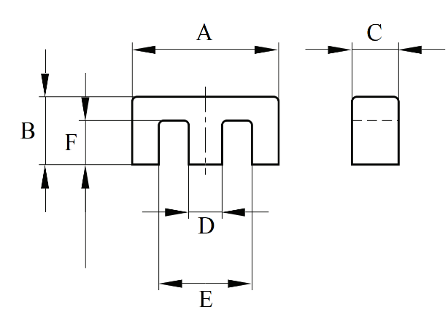
Y | EE55A |  | DMEGC | EE | 159233.2 | 375.55 | 125 | 123 | 424 | 411 | 52152 | 265 | 55 | 27.8 | 25 | 17.2 | 37.5 | 18.5 | 430 | 0 | 1 | None | DMR95 | 0.038225
Y | EE55 |  | DMEGC | EE | 141155.1 | 397.62 | 117.6 | 123 | 355 | 350.1 | 43665 | 222 | 55.15 | 27.5 | 20.7 | 16.95 | 38.1 | 18.8 | 350.865 | 0 | 1 | None | DMR95 | 0.0313941375
Y | EE50 |  | DMEGC | EE | 57000 | 250 | 100 | 95.9 | 228 | 212.7 | 21865.2 | 120.8 | 50 | 21 | 15 | 15 | 35 | 12.5 | 225 | 0 | 1 | None | DMR95 | 0.01575
Y | EE42G1 |  | DMEGC | EE | 59657.32 | 256.04 | 99 | 97 | 233 | 233 | 22601 | 114 | 42 | 21 | 20 | 12.2 | 29.5 | 14.8 | 244 | 0 | 1 | None | DMR95 | 0.01764
Y | EE42A |  | DMEGC | EE | 47036.5 | 264.25 | 89 | 97 | 178 | 174.4 | 17266 | 89 | 42 | 21.2 | 15 | 12 | 29.5 | 15.1 | 180 | 0 | 1 | None | DMR95 | 0.013356
Y | EE42 |  | DMEGC | EE | 61570.25 | 264.25 | 99 | 97 | 233 | 233 | 22601 | 118.6 | 42 | 21.2 | 20 | 12 | 29.5 | 15.1 | 240 | 0 | 1 | None | DMR95 | 0.017808
Y | EE40A |  | DMEGC | EE | 22630 | 155 | 79 | 76.9 | 146 | 137.6 | 11227.4 | 60 | 40 | 17 | 12 | 12 | 27.5 | 10 | 144 | 0 | 1 | None | DMR95 | 0.00816
Y | EE36B |  | DMEGC | EE | 20420.4 | 171.6 | 72 | 81 | 119 | 114.5 | 9639 | 49.1 | 36 | 18 | 11.5 | 10.2 | 24.5 | 12 | 117.3 | 0 | 1 | None | DMR95 | 0.007452
Y | EE33 |  | DMEGC | EE | 15594.207 | 133.17 | 71 | 67 | 117.1 | 117.1 | 7845.7 | 40.2 | 33.2 | 14 | 12 | 9.7 | 23.5 | 9.65 | 116.4 | 0 | 1 | None | DMR95 | 0.0055776
Y | EE32B |  | DMEGC | EE | 12300.288 | 147.84 | 64.4 | 74.3 | 83.2 | 83 | 6181.8 | 30.15 | 32.1 | 16.4 | 9.5 | 9.5 | 22.7 | 11.2 | 90.25 | 0 | 1 | None | DMR95 | 0.00500118
Y | EE30 |  | DMEGC | EE | 7492.35 | 125.5 | 53.1 | 65.6 | 59.7 | 48.68 | 3916.32 | 21.6 | 30 | 15 | 7.05 | 6.95 | 19.5 | 10 | 48.9975 | 0 | 1 | None | DMR95 | 0.0031725
Y | EE28 |  | DMEGC | EE | 9833.472 | 124.16 | 60 | 64.6 | 79.2 | 72 | 5116.32 | 26.5 | 28.4 | 14.2 | 10 | 7.2 | 20 | 9.7 | 72 | 0 | 1 | None | DMR95 | 0.0040328
Y | EE26 |  | DMEGC | EE | 5512.26 | 72.15 | 59.2 | 48.9 | 76.4 | 73.5 | 3736 | 19.1 | 26.1 | 10 | 11 | 7.5 | 18.6 | 6.5 | 82.5 | 0 | 1 | None | DMR95 | 0.002871
Y | EE25 |  | DMEGC | EE | 4748.506 | 91.67 | 49.4 | 57.7 | 51.8 | 51.34 | 2988.86 | 15.1 | 25 | 12.55 | 7.2 | 7.2 | 17.5 | 8.9 | 51.84 | 0 | 1 | None | DMR95 | 0.002259
Y | EE22A |  | DMEGC | EE | 2083.2 | 56 | 44 | 42.9 | 37.2 | 32.84 | 1595.88 | 8.7 | 22 | 9.7 | 6 | 6 | 16 | 5.6 | 36 | 0 | 1 | None | DMR95 | 0.0012804
Y | EE22 |  | DMEGC | EE | 1553.256 | 38.07 | 37.1 | 39.8 | 40.8 | 33.06 | 1623.84 | 9.2 | 22 | 9.4 | 5.75 | 5.75 | 12.8 | 5.4 | 33.0625 | 0 | 1 | None | DMR95 | 0.0011891
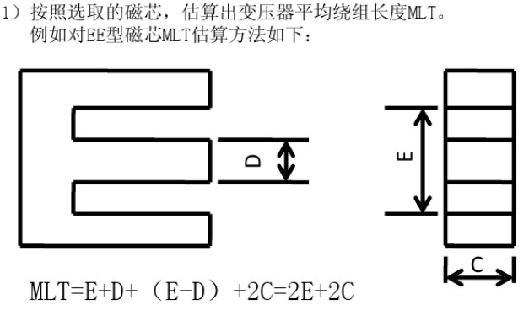
Y | EE20 |  | DMEGC | EE | 1935.36 | 60.48 | 39.6 | 46 | 32 | 31.04 | 1472 | 7.2 | 20 | 10 | 5.7 | 5.7 | 14.1 | 7.2 | 32.49 | 0 | 1 | None | DMR95 | 0.00114
Y | EE19D |  | DMEGC | EE | 1243.346 | 56.26 | 38.2 | 40.6 | 22.1 | 22.1 | 897.26 | 4.6 | 19 | 8.3 | 4.8 | 4.6 | 14.3 | 5.8 | 22.08 | 0 | 1 | None | DMR95 | 0.00075696
Y | EE19C1 |  | DMEGC | EE | 1184.6595 | 56.145 | 38.54 | 39.9 | 21.1 | 21.1 | 840.9 | 4.5 | 19.15 | 7.9 | 4.77 | 4.65 | 14.5 | 5.7 | 22.1805 | 0 | 1 | None | DMR95 | 0.00072162945
Y | EE19A |  | DMEGC | EE | 2462.229 | 106.59 | 38.1 | 62.4 | 23.1 | 23.1 | 1441.44 | 7 | 19.4 | 13.6 | 4.85 | 4.85 | 14.2 | 11.4 | 23.5225 | 0 | 1 | None | DMR95 | 0.001279624
Y | EE19 |  | DMEGC | EE | 1165.175 | 52.25 | 38.6 | 40.2 | 22.3 | 20.1 | 896.46 | 4.6 | 19 | 8.2 | 5 | 4.8 | 14.3 | 5.5 | 24 | 0 | 1 | None | DMR95 | 0.000779
Y | EE18 |  | DMEGC | EE | 800 | 20 | 48 | 24.3 | 40 | 39.3 | 972 | 5 | 18 | 4 | 10 | 4 | 14 | 2 | 40 | 0 | 1 | None | DMR95 | 0.00072
Y | EE16A |  | DMEGC | EE | 800.4825 | 39.825 | 31.6 | 37.6 | 20.1 | 19.92 | 755.76 | 3.9 | 16.1 | 8.1 | 4.5 | 4.55 | 11.3 | 5.9 | 20.475 | 0 | 1 | None | DMR95 | 0.000586845
 | EE16B |  | DMEGC | EE | 0 | 0 | 0 |  |  |  |  |  |  |  |  |  |  |  | 0 | 0 | 1 | None | DMR95 | 0
Y | EE16 |  | DMEGC | EE | 755.82 | 38.76 | 33.6 | 35.7 | 19.5 | 19.2 | 696.2 | 3.5 | 16.1 | 7.4 | 5 | 4.2 | 11.8 | 5.1 | 21 | 0 | 1 | None | DMR95 | 0.0005957
Y | EE13C1 |  | DMEGC | EE | 582.084 | 34.04 | 33 | 30.2 | 17.1 | 16.91 | 516.42 | 2.8 | 13 | 6 | 6.3 | 2.8 | 10.2 | 4.6 | 17.64 | 0 | 1 | None | DMR95 | 0.0004914
Y | EE13A |  | DMEGC | EE | 307.97 | 23.69 | 24.8 | 29.5 | 13 | 13 | 383.5 | 2 | 12.7 | 6.4 | 3.6 | 3.65 | 8.8 | 4.6 | 13.14 | 0 | 1 | None | DMR95 | 0.000292608
Y | EE10 |  | DMEGC | EE | 266.7775 | 24.2525 | 25.1 | 27.3 | 11 | 10.46 | 300.3 | 1.5 | 10.3 | 5.7 | 4.65 | 2.45 | 7.9 | 4.45 | 11.3925 | 0 | 1 | None | DMR95 | 0.0002730015
Y | EE8 |  | DMEGC | EE | 87.15 | 12.45 | 19.2 | 19.2 | 7 | 6.66 | 134.4 | 1 | 8.3 | 4.1 | 3.6 | 1.85 | 6 | 3 | 6.66 | 0 | 1 | None | DMR95 | 0.000122508
Y | EE6.3 |  | DMEGC | EE | 14.96715 | 4.5355 | 11.32 | 12.2 | 3.3 | 2.6 | 40.26 | 0.25 | 6.17 | 2.85 | 1.96 | 1.35 | 3.7 | 1.93 | 2.646 | 0 | 1 | None | DMR95 | 3.446562E-05
Y | EE5 |  | DMEGC | EE | 13.034 | 4.9 | 11.5 | 12.7 | 2.66 | 2.63 | 33.78 | 0.17 | 5.25 | 2.65 | 1.95 | 1.35 | 3.8 | 2 | 2.6325 | 0 | 1 | None | DMR95 | 2.7129375E-05

