FormattedSheet
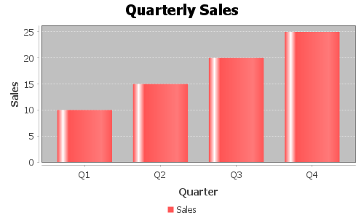
Region | Product | Sales
North | Product A | 1000
South | Product B | 1500
East | Product A | 2000
West | Product C | 1200
North | Product B | 800
East | Product C | 1300

