FormattedSheet
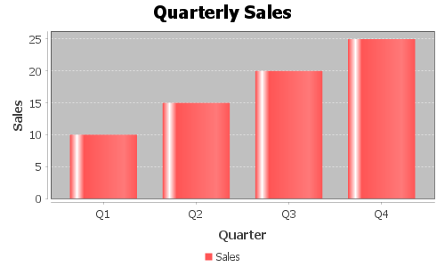
Column 1 | Column 2 | Column 3
Item 1 | 100 | 2024-11-09
Item 2 | 200 | 2024-11-09
Item 3 | 300 | 2024-11-09
Item 4 | 400 | 2024-11-09
Item 5 | 500 | 2024-11-09

