Sheet1
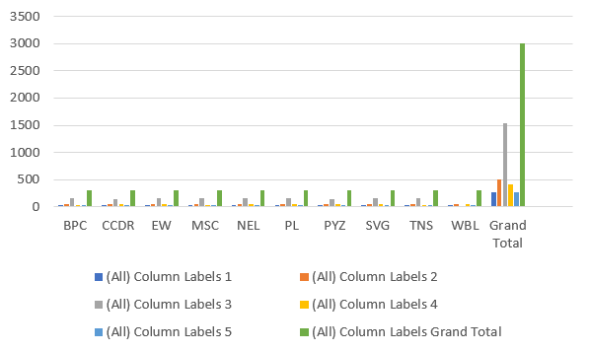

EmployeeType | (All)

Count of FirstName | Column Labels
Row Labels | 1 | 2 | 3 | 4 | 5 | Grand Total
BPC | 25 | 55 | 152 | 37 | 34 | 303
CCDR | 32 | 57 | 141 | 45 | 25 | 300
EW | 29 | 49 | 160 | 41 | 23 | 302
MSC | 25 | 51 | 158 | 34 | 28 | 296
NEL | 25 | 48 | 158 | 50 | 23 | 304
PL | 28 | 40 | 151 | 50 | 32 | 301
PYZ | 28 | 57 | 146 | 44 | 24 | 299
SVG | 28 | 50 | 156 | 40 | 30 | 304
TNS | 24 | 51 | 160 | 38 | 24 | 297
WBL | 27 | 52 |  | 40 | 27 | 294
Grand Total | 271 | 510 | 1530 | 419 | 270 | 3000

Conversely, the HIGH rating is 2ND current rating and VERY HIGH 3RD current rating performance levels show a strong and exceptional workforce that drives significant organizational success

