Sheet2
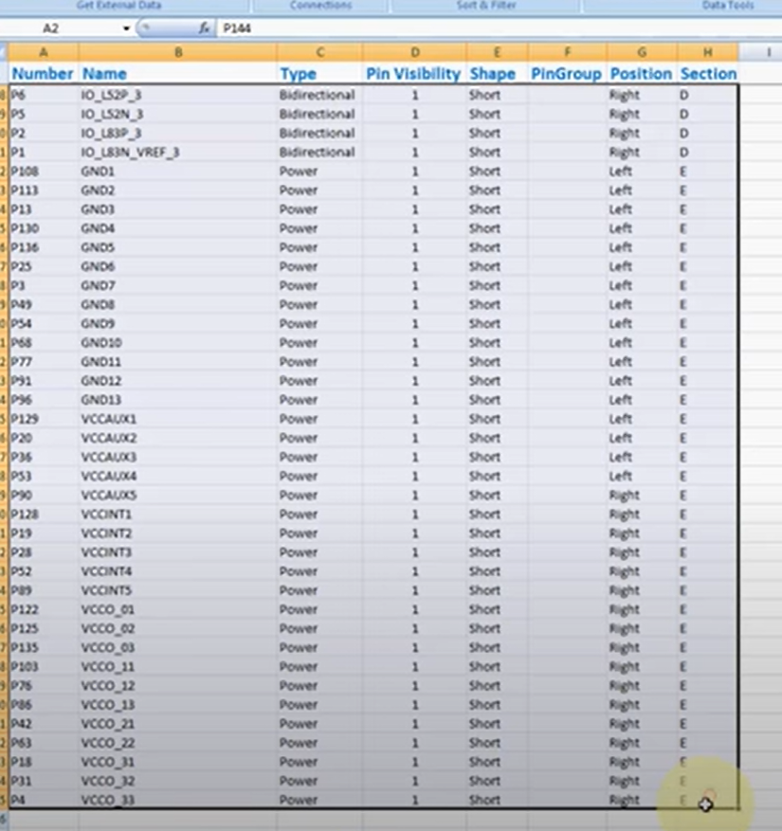
Number | Name | Type | Pin Visibiili | Shape | PinGroup | Position | Section
P1 | IO_VREF_1 | Bidirectional | 1 | Short |  | Right | D

