Sheet1
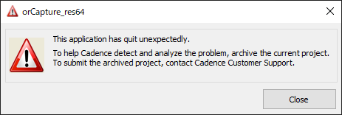

This application has quit unexpectedly.

To help Cadence detect and anlyze the problem, archive the current project.
To submit the archived project, contact Cadence Customer Support.

