workflow
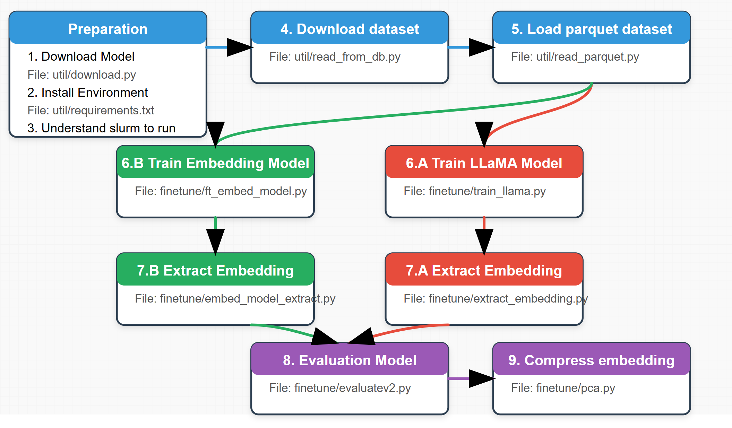

utility
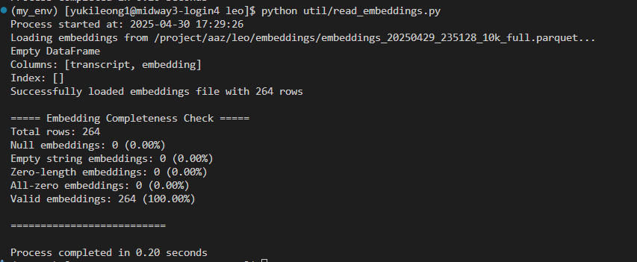
Preparation
1. Download Model File: util/download.py | Function | Download LLM from Hugging Face
 | Command | python util/download.py
 | Input | 1. Enter your Hugging Face login token: login(token=' ') 2. Specify the Hugging Face model ID: repo_id = "meta-llama/Llama-3.1-8B" 3. Set the save path: save_dir = "meta-llama/Llama-3.1-8B"
 | Output | LLM model or Embedding Model you can use for fine-tuning
 | Workflow | Download an LLM from Hugging Face.
 | Other Note | Ensure your token has the correct permissions. Verify the save directory exists or will be created.
2. Install Environment File: util/requirements.txt | Function | Set up the development environment and install required libraries to run all code.
 | Command | pip install -r util/requirements.txt conda activate my_env
 | Other Note | You can load the standard libraries and modules on RCC. Alternatively, it’s preferable to install Miniconda to create a custom environment, install PyTorch from https://pytorch.org/, and then run install requirement.txt. Remember do not delete the environement: /scratch/midway3/yukileong1/miniconda3/
3. Understand slurm to run | Function | Whenever you want to run code, you must submit a sinteractive or sbatch task and wait in the queue. For details, see the RCC user guide: https://rcc-uchicago.github.io/user-guide/
 | Command | sbatch util/ft_gpu.sh
 | Other Note | ft_gpu is the good example
4. Download dataset File: util/read_from_db.py | Function | Download full dataset from postgreSQL database and save into Parquet format file.
 | Devepment Workflow | 1. Review the original R code for data retrieval: https://github.com/azakolyukina/llms/issues/1#issuecomment-2763011221 2. Inspect util/read_from_db_old.py: this first Python version mirrors the R logic but is overly complex to debug and inefficient for data processing. 3. Optimize by converting the R script to an SQL query using INNER JOIN, then writing the results to the llms.ceo_scripts table (sorted by new_id)
 | Command | python util/read_from_db.py
 | Input | 1. Configure your PostgreSQL credentials: connect_to_db(username='???',password='??') 2. Set the batch size for database exports (larger sizes may be slower): perform_keyset_pagination_with_parquet_export( db_connection, output_dir=output_dir, page_size=1000000, max_pages=None )
 | Output | All Parquet files will be saved in your output directory. Each file may be large.
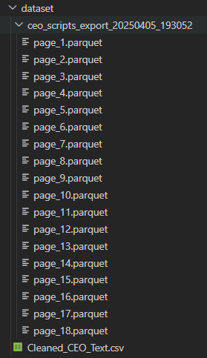
 | Workflow | This code is designed to extract large amounts of data from a PostgreSQL database table using a technique called keyset pagination and save it in the Parquet file format. Here's what it does: 1. Database Connection: The connect_to_db() function establishes a connection to a PostgreSQL database with the provided username and password. 2. Pagination Strategy:The perform_keyset_pagination_with_parquet_export() function implements keyset pagination, which is an efficient way to fetch large datasets in chunks. It uses the new_id column as the pagination key, fetching records where new_id is greater than the last record from the previous page. 3. Data Export: Each batch of records is converted to a pandas DataFrame and then exported to a Parquet file. Files are saved in a specified output directory with sequential page numbers. 4. Performance Monitoring: The code tracks and displays the export rate, number of records, and time elapsed. For the first page, it prints a sample of the data to verify the export. 5. Main Execution: When run as a script, it connects to the database and exports data from the llms.ceo_scripts table. The output directory is timestamped for easy identification. Default configuration fetches 1,000,000 records per page with no limit on total pages.
 | Other Note | You can connect to RCC or the University of Chicago Booth server.
4.1. util/read_from_db_old.py | Function | Read the initial version of the data-retrieval logic translated from R.
 | Command | python util/read_from_db_old.py
4.2 util/postgre.sql | Function | Convert the R script to an SQL INNER JOIN query and write the results to the llms.ceo_scripts table (sorted by new_id) to improve download speed.
 | Command | you only can run this in postgreSQL
5. Load parquet dataset File: util/read_parquet.py | Function | Load the exported Parquet files back into memory and provide helper functions.
 | Command | python util/read_parquet.py
 | Input | 1. Setup the parquet file: read_parquet_data(folder_path)
 | Output | No direct output. Helper functions that can be used in other classes.
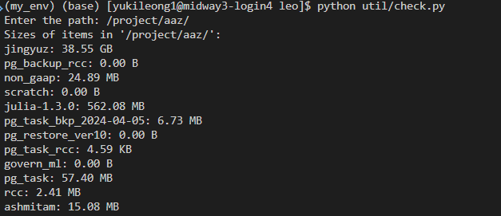
 | Workflow | 1. Loading Parquet Data: The read_parquet_data() function takes a folder path and loads all Parquet files in that folder in lexicographical order. It reads each file into a pandas DataFrame and concatenates them into a single combined DataFrame. It tracks and reports the number of rows in each file and the total. 2. Data Sampling: The get_first_rows() function extracts the first N rows (default 10,000) from a DataFrame. This is useful for working with a smaller sample of the data for analysis or testing. 3. Data Extraction and Export: The extract_speaker_text() function takes data from the DataFrame and writes it to a text file. It formats the output to show all columns for each row in a readable format. By default, it only extracts the first 10 rows, but this is configurable.
 | Other Note
5.1 Load parquet dataset File: util/read_parquet_old.py | Function | Read the exported Parquet files back into memory (older version for reference).
 | Command | python util/read_parquet_old.py
 | Input | 1. Setup the parquet file: read_parquet_data(folder_path)
 | Output | A pandas DataFrame
6. Checking disk usage File: util/check.py | Function | This is a practical utility for quickly checking disk usage of files and directories, which can be helpful when working with large datasets like those processed by the read_from_db.py and read_parquet.py scripts.
 | Command | python util/check.py
 | Input | Any file or directory path.
 | Output | The size of each file or directory.
6. Checking Embedding File: util/read_embeddings.py | Function | This is a practical utility for quickly checking embeddings
 | Command | python util/check.py
 | Input | Any embeddings file path.
 | Output | Total rows of embeddings and valid embeddings
 | Workflow | 1. Loads embeddings from a Parquet file Performs basic error handling and validation Returns a pandas DataFrame containing the embeddings 2. analyze_embeddings(df): Displays dataset information (rows, columns) Analyzes embedding vectors (shape, type, statistics) Shows sample transcript data if available Handles various embedding formats and potential errors 3. check_embedding_completeness(df): Validates embeddings quality by checking for: - Null values - Empty strings - Zero-length embeddings - All-zero embeddings Provides percentage statistics for each issue type Shows sample indices with problematic embeddings 4. main(): Entry point that calls the other functions Contains file paths to various embedding files (with one active path) Measures and reports execution time | 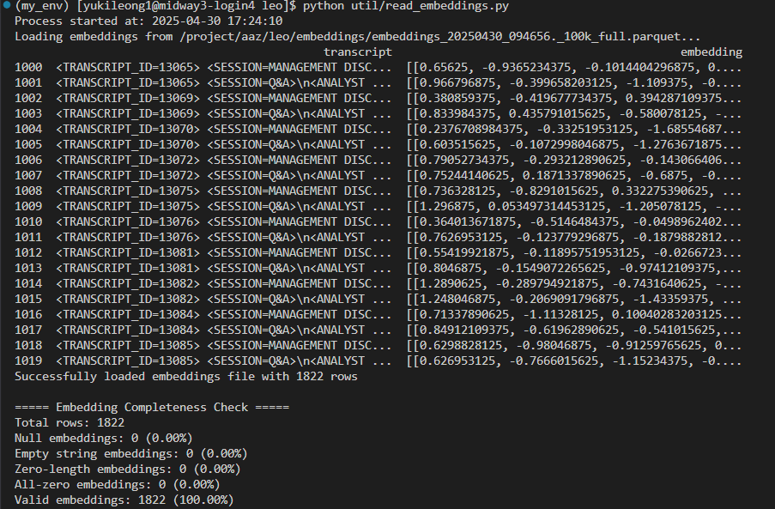

finetune
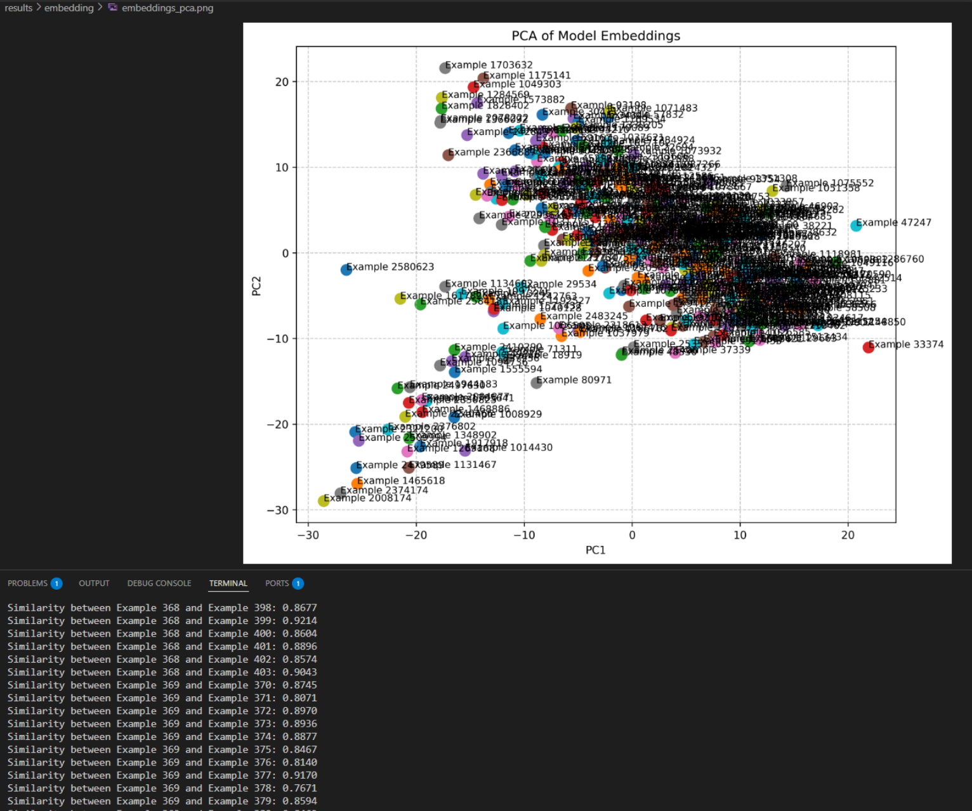
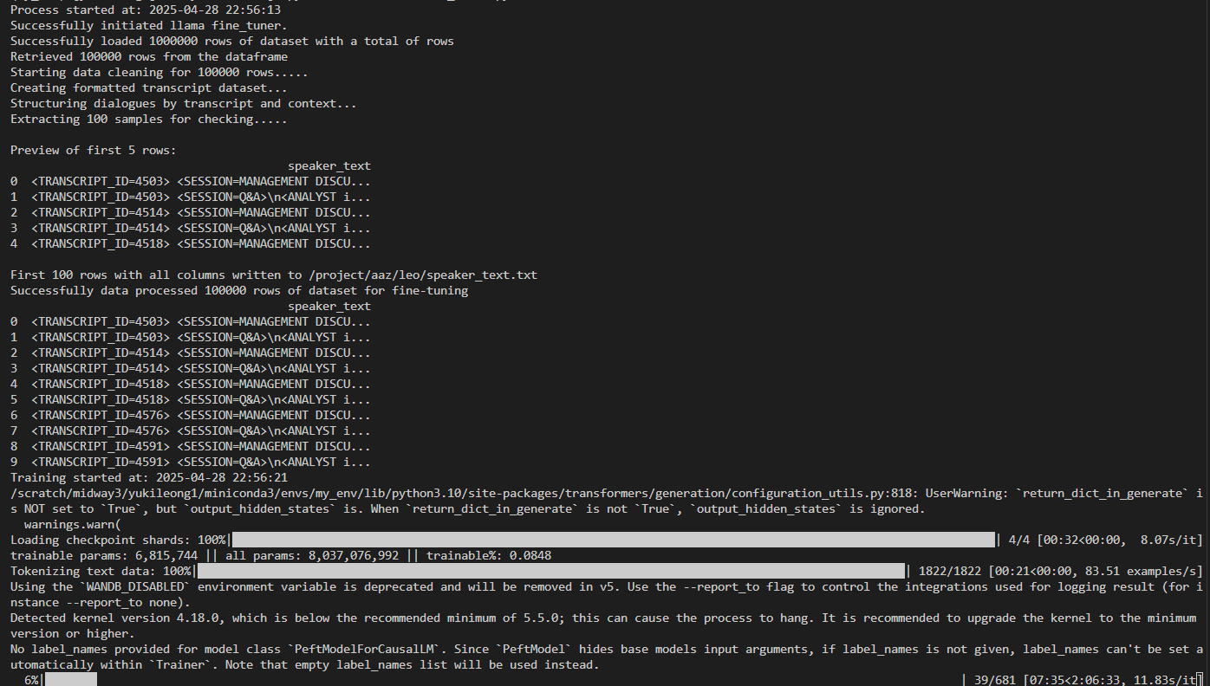
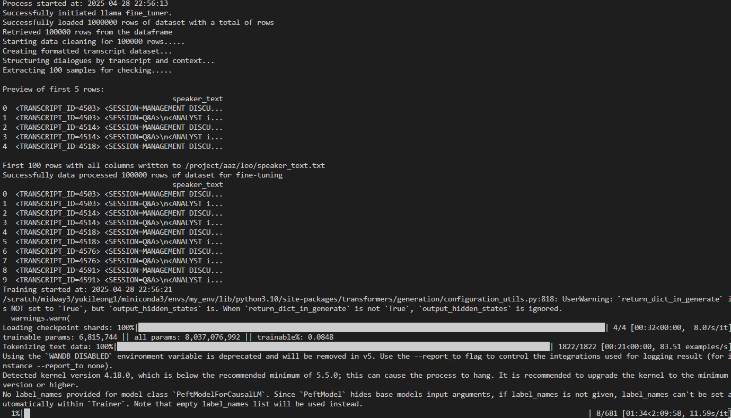
Training
1. Train llama Model File: finetune/train_llama.py | Function | A complete NLP pipeline for fine-tuning a large language model on domain-specific data (CEO call transcripts) while managing computational resources efficiently through quantization and parameter-efficient techniques.
 | Command | python finetune/train_llama.py
 | Input | 1. Specify base_model_path: the path to the original LLaMA model. 2. Specify lora_model_path: the path and filename for the new LLaMA model. It’s best to save the model in the ./results folder. 3. Enable training by setting training_mode=True: LlamaFineTuner( base_model_path=base_model_path, lora_model_path=lora_model_path, training_mode=True ) 4. Load the parquet file from: read_parquet_data(folder_path) 5. Select the number of transcripts you want to train on: get_first_rows(df, 10000)
 | Output | You will find your fine-tuned model in your output folder.
 | Workflow | LlamaFineTuner contain contain all the function need to fine-tune a LLaMA 3.1 8B model using CEO call transcripts. 1. LlamaFineTuner Class: Handles the entire fine-tuning process through a unified class interface. Uses 8-bit quantization via BitsAndBytesConfig to reduce memory requirements.Implements Flash Attention 2 for faster training. 2. Text Cleaning: Defines regex patterns to clean transcript data by removing conference call introductions, legal disclaimers, operator instructions, and filler words.Implements text normalization and formatting functions.This will take a lot of time. Please check the Data Cleaning tab for more details. 3. LoRA Adaptation: Uses Parameter-Efficient Fine-Tuning (PEFT) with LoRA (Low-Rank Adaptation). Targets specific attention modules (q_proj, v_proj, k_proj, o_proj) for fine-tuning. Keeps most model parameters frozen while training only small adapter modules. 4. Data Processing: Loads data from Parquet files (using the previously explained read_parquet.py utility). Structures the data with specific tags for CEO and ANALYST speakers. Handles long text by splitting it into manageable chunks while preserving tags. 5. Training and Inference: Configures training parameters (batch size, learning rate, etc.). Implements inference methods to generate text and extract embeddings. Provides utilities for both training and evaluation. |  | 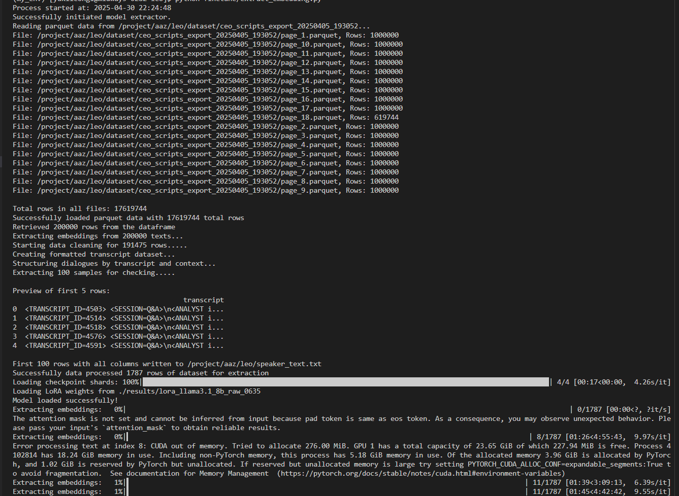
 | Other Note | 1. You need a lot of GPU. --- LoRA Configuration --- 1. Layer Selection: Usually applying LoRA to the Q and V matrices of the LLaMA Decoder is sufficient. Add LoRA to the FFN (Feed-Forward Network) only when necessary. 2. Rank (r) and α: For long text and abstract concepts, r = 8-16 and α = 16-32 tend to be most stable. A rank that's too high only consumes more VRAM without necessarily improving generalization. 3. Dropout: Using 0.05-0.1 helps prevent overfitting that leads to an artificial "CEO tone" in the generated text. -- Training argument --- 1. num_train_epochs need careful consideration for Memory Limitations: Long texts ( context window is 2048 tokens) consume significant GPU memory. Each sequence takes up space proportional to its length squared when using attention mechanisms. 2. per_device_train_batch_size need careful consideration for Overfitting Risk: With long, detailed CEO transcripts, the model can quickly memorize specific patterns rather than learning generalizable features. 3. using attn_implementation="flash_attention_2" which improves memory efficiency, long sequences still require substantial resources only supported by certain GPU type. | 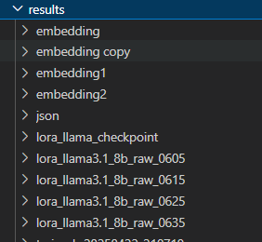
1.1 Train llama Model File: reference/new_training.py | Function | This is the code from Ashimita to fine-tune a LLaMA 3.1 8B model using CEO call transcripts, but it isn’t working.
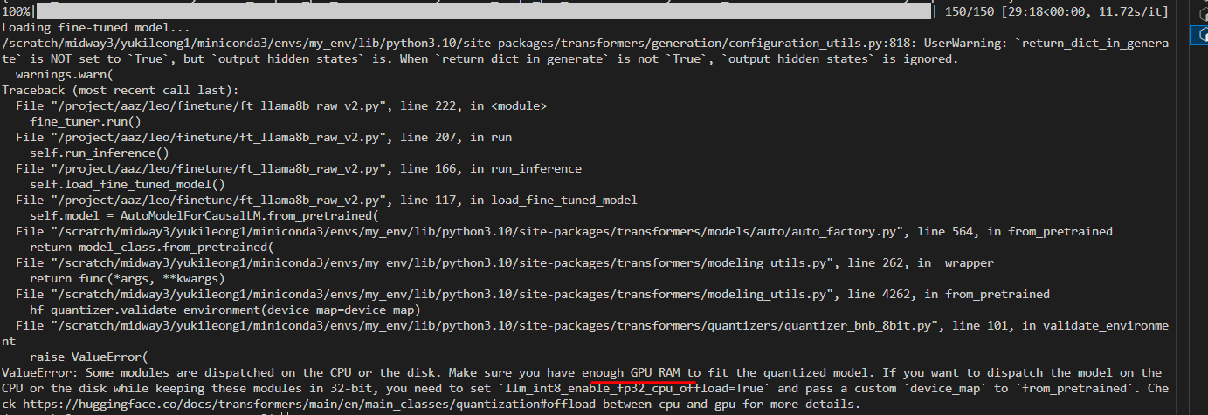
1.2 Train llama Model File: reference/Qwen2_Training.py | Function | This is the code from Ashimita to fine-tune a Qwen 7B model using CEO call transcripts, but it isn’t working.
1.3 Train llama Model File: finetune/ft_llama_v1.py | Function | For your reference: the very first version of fine-tuning a LLaMA model with an example dataset, which emphasizes extracting important CEO insights based on domain.
 | Command | python finetune/ft_llama_v1.py
 | Input | 1. Specify base_model_path: the path to the original LLaMA model. 2. Specify lora_model_path: the path and filename for the new LLaMA model. It’s best to save the model in the ./results folder.
 | Output | You will find your fine-tuned model in your output folder.
 | Workflow | Processes Q&A pairs from conference calls Formats data into instruction-response pairs
 | Other Note
1.4 Train llama Model File: finetune/ft_llama_v2.py &finetune/ft_llama_v3.py | Function | For your reference: this is the next version of the code for fine-tuning the LLaMA model using the example dataset.
 | Command | python finetune/ft_llama_v2.py
 | Input | 1. Specify base_model_path: the path to the original LLaMA model. 2. Specify lora_model_path: the path and filename for the new LLaMA model. It’s best to save the model in the ./results folder.
 | Output | You will find your fine-tuned model in your output folder.
2. Extract Embedding File: finetune/extract_embedding.py | Function | This code extracts embeddings from CEO conference call transcripts using a fine-tuned LLaMA 3.1 model.
 | Command | python finetune/extract_embedding.py
 | Input | 1. Specify base_model_path: the path to the original LLaMA model. 2. Specify lora_model_path: the path and filename for the fine-tuned LLaMA model. Extractor( base_model_path=base_model_path, lora_model_path=lora_model_path, ) 3. If you want embeddings from the entire transcript, set full_transcript=True; if you only need embeddings from the Q&A section, set full_transcript=False. extractor.data_massage(data=df, full_transcript=True) 4. Load the parquet file from: read_parquet_data(folder_path) 5. Select the number of transcripts you want to train on: get_first_rows(df, 10000) | 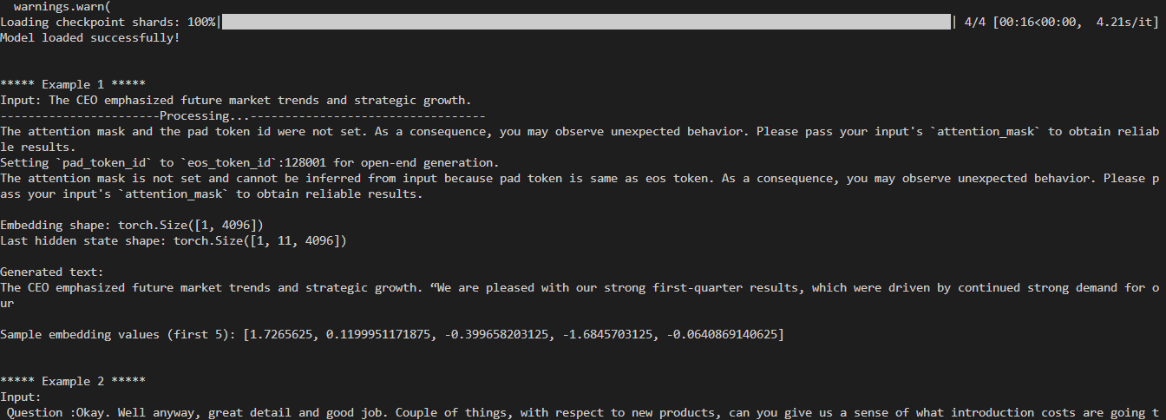
 | Output | check your embeddings vector in 'embeddings' folder.
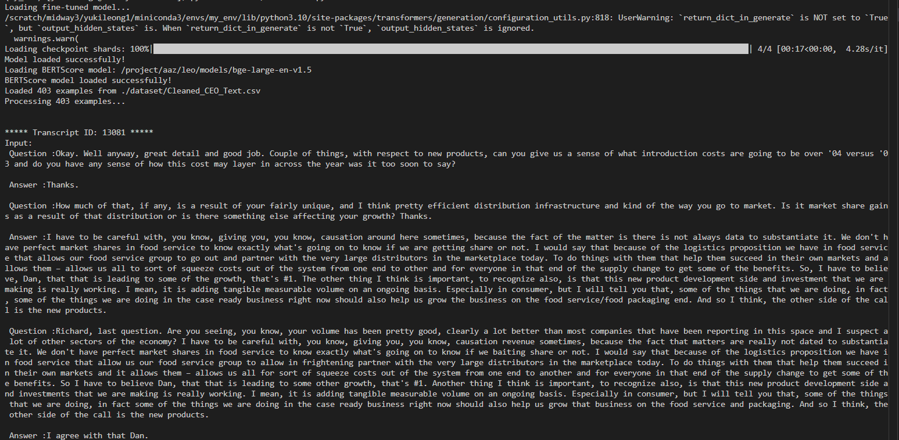
 | Workflow | 1. Data Loading and Preprocessing: Loads conference call transcripts from Parquet files Cleans and formats the text data using regex patterns that remove irrelevant content Structures the data with special tags for different speaker types: <CEO>...</CEO> for CEO statements <ANALYST id=X>...</ANALYST> for analyst questions 2. Text Structuring: Groups data by transcript ID and context type (management discussion or Q&A) Handles long texts by splitting them into chunks while preserving tags Formats the entire transcript with session metadata tags 3. Model Loading: Loads a base LLaMA 3.1 8B model with 8-bit quantization for memory efficiency Applies LoRA (Low-Rank Adaptation) fine-tuned weights from a previous training run Sets up the model for inference with proper tokenization 4.Embedding Extraction: Processes each text through the model to obtain the hidden state representations Uses mean pooling across the sequence length to create a single vector representation Also generates text output using the model (though this is secondary to the embeddings) 5. Output Storage: Saves the extracted embeddings to a Parquet file with timestamp Creates a separate CSV file without the embedding column (which would be too large) | 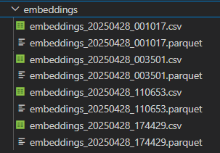
 | Other Note
3 Evaluation Model and embedding File: finetune/evaluatev2.py | Function | This evaluation framework helps assess how well the fine-tuned LLaMA model captures the content and style of CEO conference call transcripts by measuring both lexical overlap (ROUGE) and semantic similarity (BERTScore) between the input texts and model-generated outputs.
 | Command | python finetune/evaluatev2.py
 | Input | 1. Specify base_model_path: the path to the original LLaMA model. 2. Specify lora_model_path: the path and filename for the fine-tuned LLaMA model. 3. output_dir: the path to store embedding vector parquet file. 4. bertscore_model_name: the path and filename for the BertScore model for evaluation evaluator = LlamaEvaluator( base_model_path=base_model_path, lora_model_path=lora_model_path, output_dir=output_dir, bertscore_model_name=bertscore_model_name ) 4. Specify the dataset path: evaluator.run_evaluation(csv_path)
 | Output | Print the detailed BERTScore and ROUGE metrics for each embedding, and save the results.
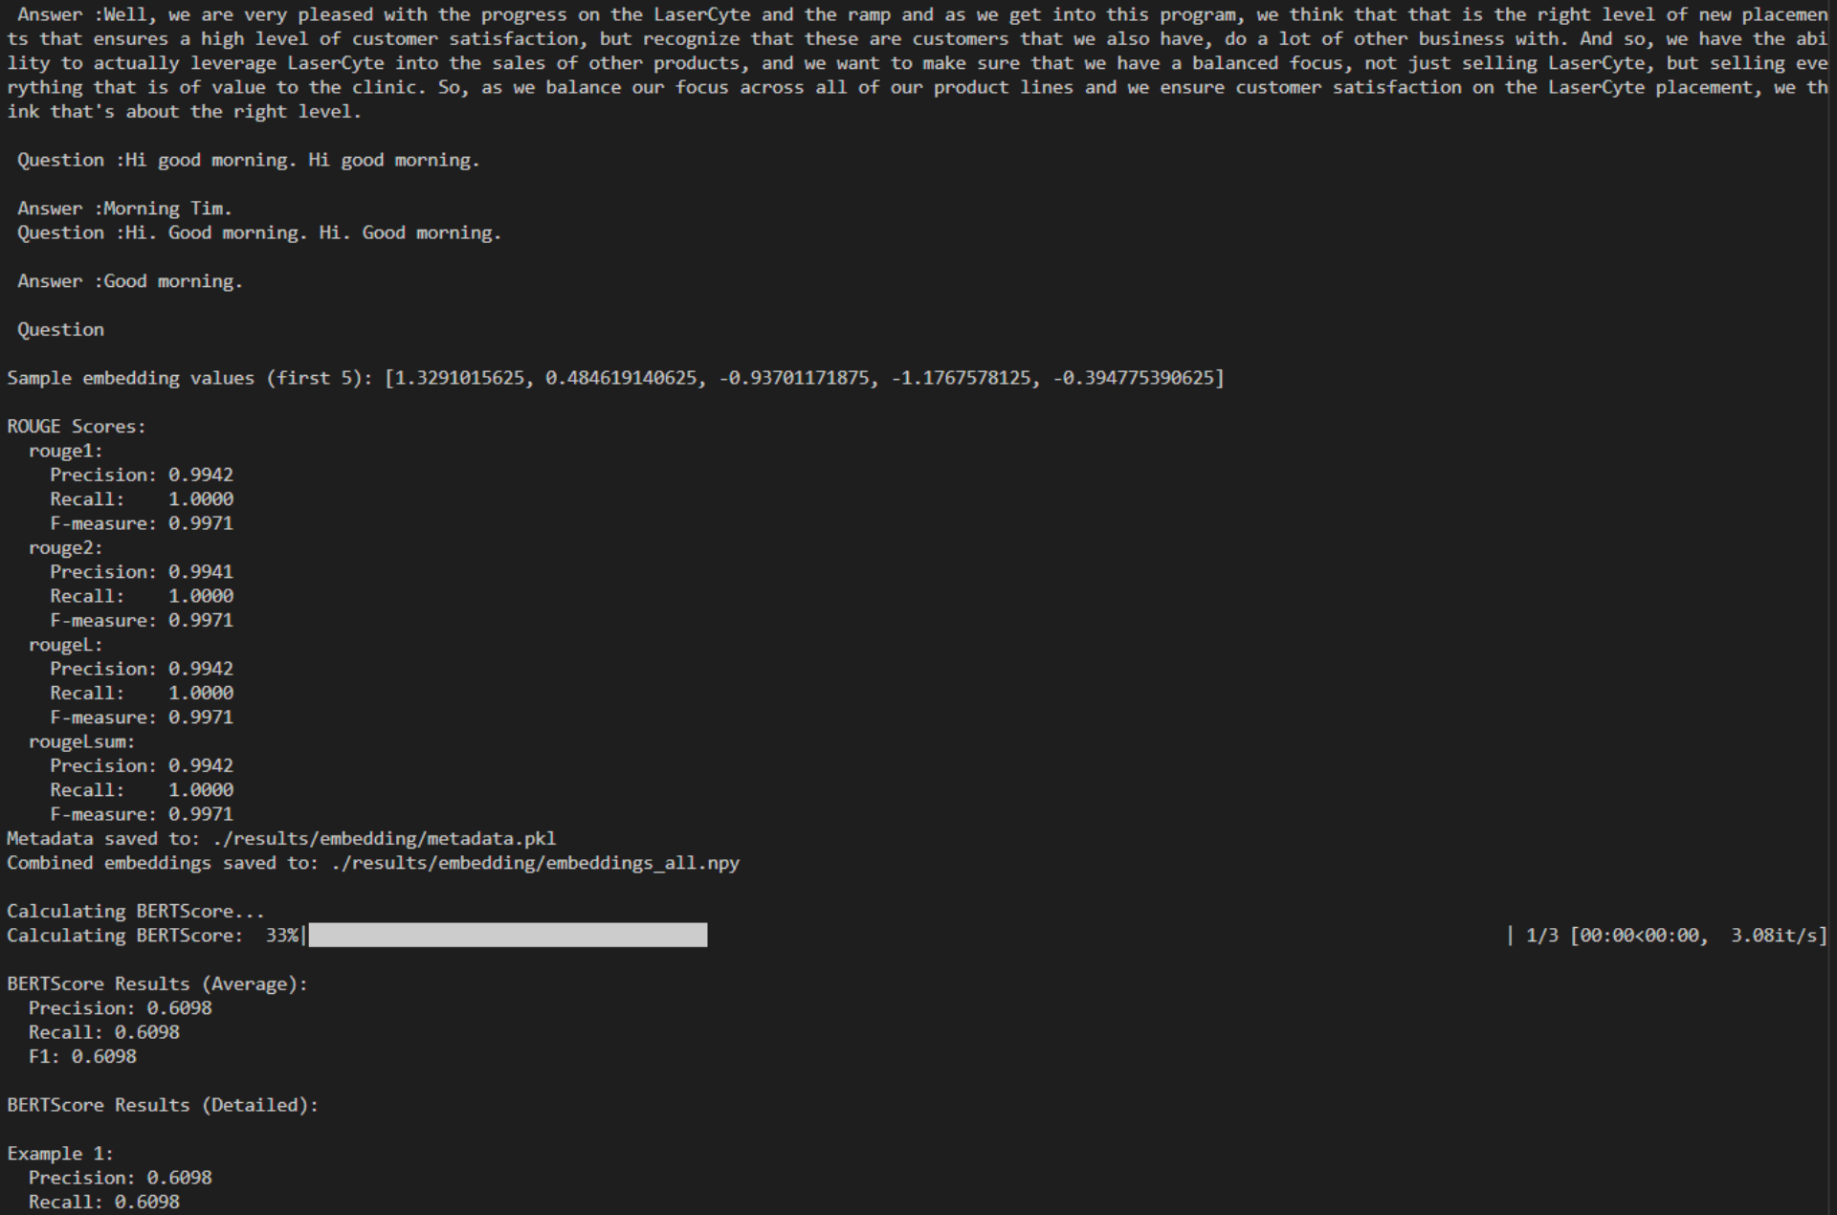
 | Workflow | 1. Model Evaluation: Loads a fine-tuned LLaMA model with LoRA adapters Uses 8-bit quantization to reduce memory requirements Provides methods to generate text and extract embeddings from the model Metrics for Evaluation: 2. ROUGE Scores: Measures embedding and text generation quality by comparing n-gram overlap between generated text and references 3. BERTScore: Measures semantic similarity between generated and reference texts using contextual embeddings. Both metrics provide precision, recall, and F1 scores 4.Data Processing: Loads test data from CSV files Processes each example to generate text and calculate metrics Stores results for further analysis 5. Results Management: Saves embeddings as NumPy arrays Stores all evaluation results and metadata in a pickle file Provides detailed statistics on model performance 6.Flexible Execution: Offers a complete evaluation pipeline with run_evaluation() Also allows step-by-step execution for more control Can be used with or without the BERTScore component (which requires a separate model)
 | Other Note | Incompete:Currently it can load the sample dataset, but you just need to change how it consumes the Parquet file, and it should work fine.
4. Compress the embedding File: finetune/pca.py | Function | Perform dimensionality reduction on your embeddings, then evaluate the quality of the reduced embeddings and quantify the information loss incurred by the compression. The code is useful for analyzing how different examples are positioned in the embedding space and how similar they are to each other, which can provide insights into the model's representations.
 | Command | python finetune/pca.py
 | Input | 1. metadata_file: The path of embedding file. load_results(metadata_file)
 | Output | Visualize and analyze the embedding quality after PCA compression.
 | Workflow | 1. The load_results function loads metadata and embeddings from files, where metadata contains example IDs, input text, generated text, and ROUGE scores for each example. 2. The visualize_embeddings function applies Principal Component Analysis (PCA) to reduce the embeddings to 2 dimensions and creates a scatter plot visualization, which is saved as a PNG file. 3. The main section of the code: Loads results from a metadata file Prints details about each example including inputs, generated text, and ROUGE scores Visualizes the embeddings using PCA Calculates and displays cosine similarities between pairs of embeddings The code is useful for analyzing how different examples are positioned in the
 | Other Note | Incompete:Currently it can load the sample dataset, but you just need to change how it consumes the Parquet file, and it should work fine.

